bestActor
4_NinaBabies_AVerySpecialLoad

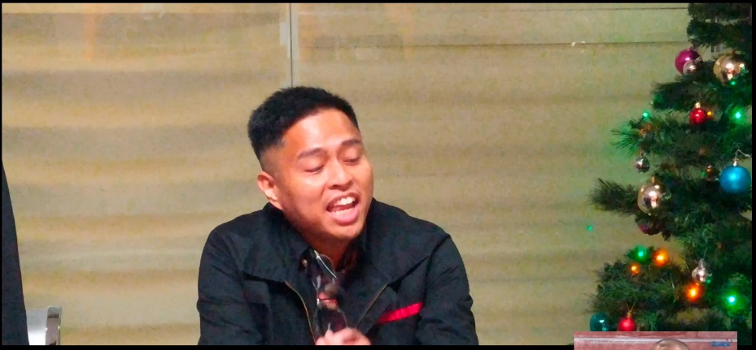
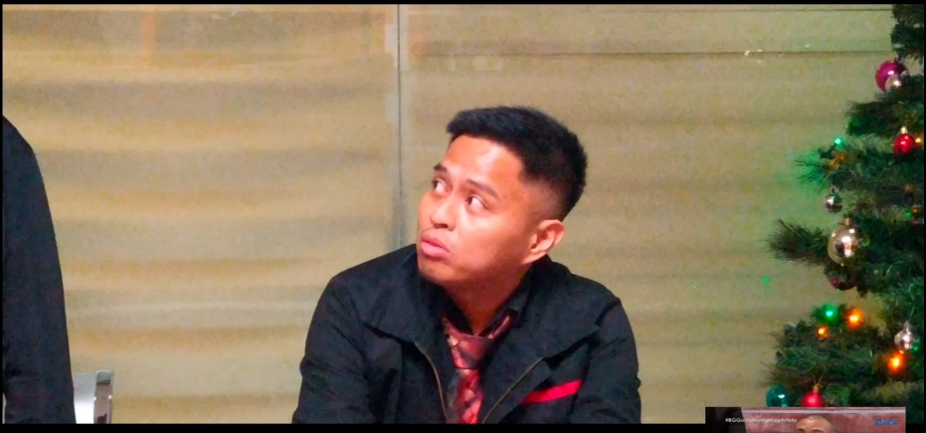

BEST ACTOR
Very good villain-like movements. Very expressive and comical eye movement

bestActress
3_HDDParodistas_StarCinemaFilms

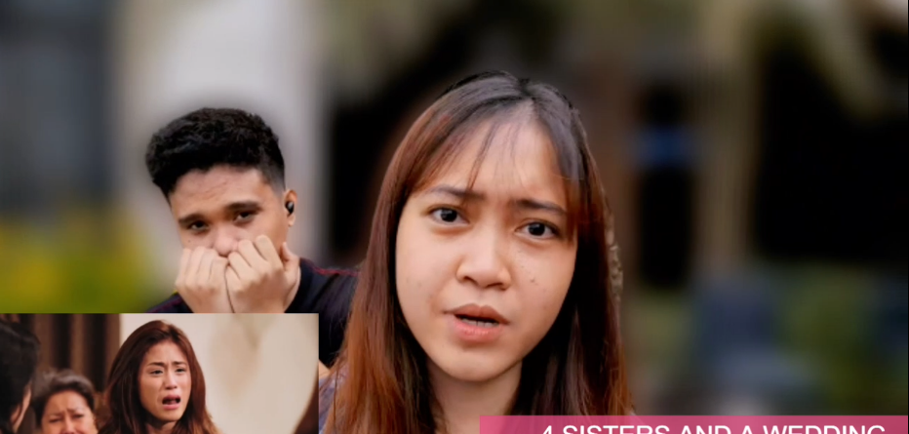
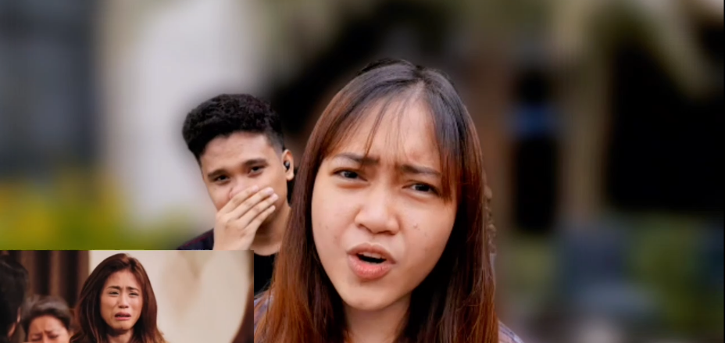

BEST ACTRESS
She has a little more natural acting compared to other candidates.

