GlobalGeometry
 | Model Builder | Value |  | Global Geometry | GG
2 | no. dimensions | 3 |  | no. storeys | 3
3 | no. dof | 6 |  | no. x-gridlines | 10
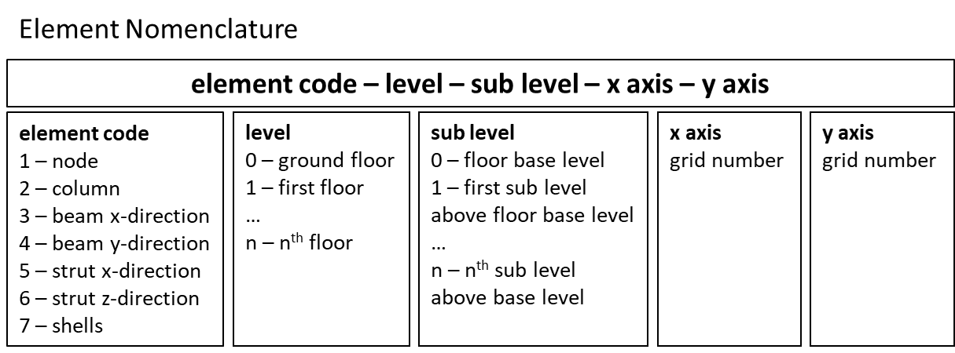
 | Ridgid Diaphragm | 0 |  | no. y-gridlines | 3

 | coordinates are absolute from (0,0,0)
0 | sub-level | 0 | 1 | 2 | 3
1 | level | z0 crd [m] | z1 crd [m] | z2 crd [m] | z3 crd [m] | 0 | 1 | 2 | 3
2 | 0 | 0.00 |  |  |  | 0 | 0 | 0 | 0 | FALSE | FALSE | FALSE | FALSE | FALSE | FALSE | FALSE
3 | 1 | 3.00
4 | 2 | 6.00
5 | 3 | 9.00
6
7
8
9
10
11
12
13
14 | coordinates are absolute from (0,0,0) |  |  | coordinates are absolute from (0,0,0)
15 | grid x | x crd [m] |  | grid y | y crd [m]
16 | 1 | 0.00 |  | 1 | 0.00
17 | 2 | 3.10 |  | 2 | 1.50
18 | 3 | 6.20 |  | 3 | 8.10
19 | 4 | 9.30
20 | 5 | 12.40
 | 6 | 15.50
 | 7 | 18.60
 | 8 | 21.70
 | 9 | 24.80
 | 10 | 27.90

 |  | 13.95

20

Sections
 | Concrete beam / column elements |  |  |  |  | Confined concrete model: |  | 1
column |  |  | Geometric Properties |  |  | Longitudianl Reinforcement |  |  |  |  |  | Transverse Reinforcement |  |  |  | Material Properties |  |  |  |  |  |  |  |  |  | Fibers
beam | column/ beam | fs tag | b [mm] | h [mm] | c [mm] | no. bars top | d top [mm] | no. bars bottom | d bottom [mm] | no. bars internal | d internal [mm] | d stirrups [mm] | no.ties b | no.ties h | stirrup spacing [mm] | fcm [MPa] | fctm [MPa] | fym [MPa] | Ecm [MPa] | Es [Mpa] | ec | ecu | esu | ft/fy | unit weight [kN/m3] | no. fibers core y | no. fibers core z | no. fibers cover y | no. fibers cover z
 | column | fs_col1 | 225 | 225 | 25 | 2 | 20 | 2 | 20 | 0 | 0 | 6 | 2 | 2 | 150 | 20 | 1.5724 | 460 | 24000 | 210000 | 0.0020 | 0.0035 | 0.06 | 1.1739 | 25.00 | 20 | 20 | 4 | 4
 | beam | fs_bm1 | 225 | 300 | 25 | 3 | 12 | 3 | 16 | 0 | 0 | 6 | 2 | 2 | 150 | 20 | 1.5724 | 460 | 24000 | 210000 | 0.0020 | 0.0035 | 0.06 | 1.1739 | 25.00 | 20 | 20 | 4 | 4
 | beam | fs_bm2 | 225 | 400 | 25 | 3 | 16 | 3 | 20 | 0 | 0 | 6 | 2 | 2 | 125 | 20 | 1.5724 | 460 | 24000 | 210000 | 0.0020 | 0.0035 | 0.06 | 1.1739 | 25.00 | 20 | 20 | 4 | 4

 |  |  |  |  |  |  |  |  |  |  |  |  |  |  |  |  |  |  |  |  |  |  |  |  |  |  |  |  |  | 0
 |  |  |  |  |  |  |  |  |  |  |  |  |  |  |  |  |  |  |  |  |  |  |  |  |  |  |  |  |  | 1

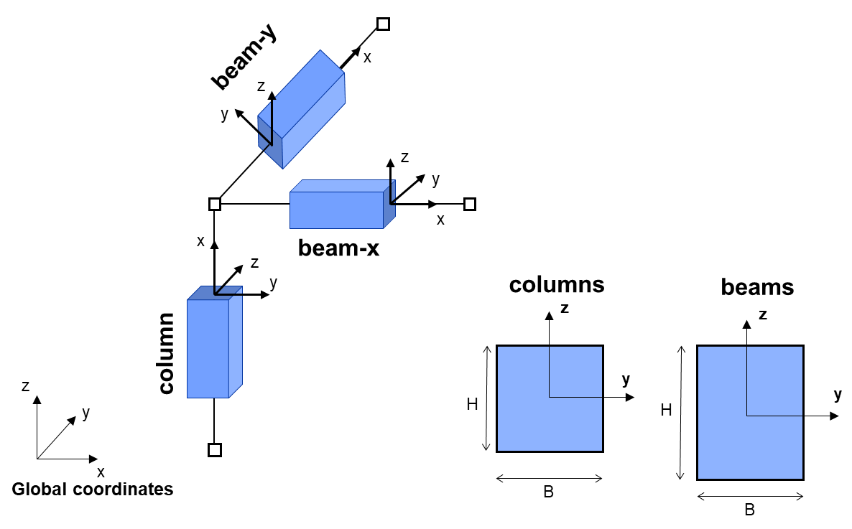

 |  |  |  |  |  |  |  |  |  |  |  |  |  |  |  |  |  |  |  |  |  |  |  |  | fs list | column list | beamlist
 |  |  |  |  |  |  |  |  |  |  |  |  |  |  |  |  |  |  |  |  |  |  |  |  | fs_bm1 | fs_col1 | fs_bm1
 |  |  |  |  |  |  |  |  |  |  |  |  |  |  |  |  |  |  |  |  |  |  |  |  | fs_bm2 |  | fs_bm2
 |  |  |  |  |  |  |  |  |  |  |  |  |  |  |  |  |  |  |  |  |  |  |  |  | fs_col1

InfillModel
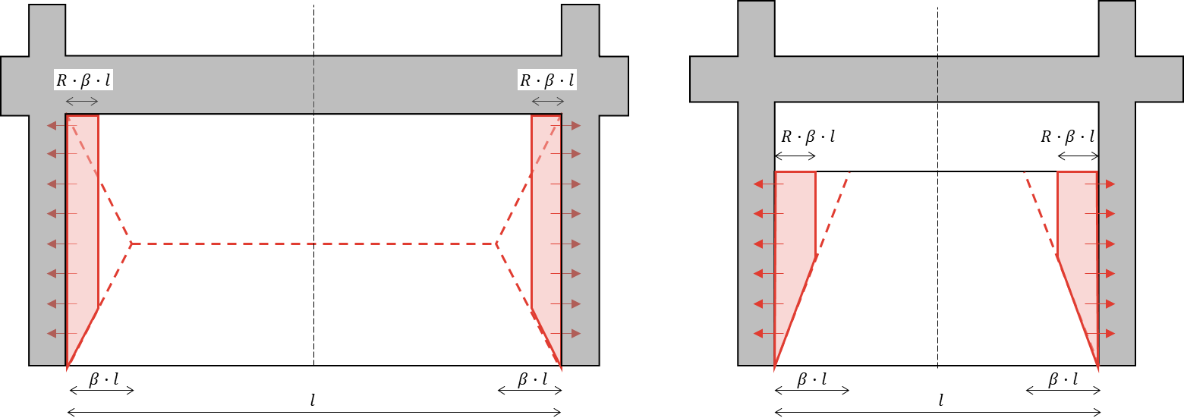
 | Infill Panel Model |  |  |  |  |  |  |  | Infill OOP capacity calculator |  |  |  |  |  |  |  |  | x | Equivalent concrete strut model
 |  | Geometric Properties |  |  |  |  | Line Loads |  | Material Properties |  |  |  | Frame |  |  | Value Overide |  | y |  |  |  | Material Parameters |  |  |  | Value Overide
 | tag | boundary condition | span | l [m] | h [m] | t [m] | LLpanel [kN/m] | LL_R | fp_y [Mpa] | fp_x [MPa] | fm [MPa] | Em [MPa] | H_col [m] | column tag | beam tag | Mrc_OOP [kN] | R |  | st tag | span direction | infill tag | fpc [MPa] | fpcu [MPa] | epc0 | epcu | A [m2] |  | strut | strutlist
masonry | panel_B_x1 | B | x | 2.875 | 1.000 | 0.115 | 2.133 | 0.00 | 0.55 | 1.34 | 1.00 | 500.00 | 3.000 | fs_col1 | fs_bm1 |  | 0.00 | A | st_y1 | y | panel_A_y1 | 1.000 | 0.8 | 0.0032 | 0.0038 |  | panel_B_x1 | x | st_y1
other | panel_B_x2 | B | x | 2.875 | 1.200 | 0.115 | 2.560 | 0.00 | 0.55 | 1.34 | 1.00 | 500.00 | 3.000 | fs_col1 | fs_bm1 |  | 0.00 | B |  |  |  |  |  |  |  |  | panel_B_x2 | z
 | panel_B_x3 | B | x | 2.875 | 1.200 | 0.115 | 2.560 | 0.00 | 0.55 | 1.34 | 1.00 | 500.00 | 3.000 | fs_col1 | fs_bm1 |  | 0.00 | C |  |  |  |  |  |  |  |  | panel_B_x3
 | panel_A_y1 | A | y | 6.375 | 2.600 | 0.225 | 11.301 | 0.00 | 0.55 | 1.34 | 1.00 | 500.00 | 3.000 | fs_col1 | fs_bm2 |  | 0.00 |  |  |  |  |  |  |  |  |  | panel_A_y1
 | panel_C_y2 | C | y | 6.375 | 2.600 | 0.115 | 5.776 | 0.00 | 0.55 | 1.34 | 1.00 | 500.00 | 3.000 | fs_col1 | fs_bm2 |  | 0.00 |  |  |  |  |  |  |  |  |  | panel_C_y2
 | panel_B_y3 | B | y | 1.275 | 1.000 | 0.115 | 1.955 | 0.00 | 0.55 | 1.34 | 1.00 | 500.00 | 3.000 | fs_col1 | fs_bm2 |  | 0.00 |  |  |  |  |  |  |  |  |  | panel_B_y3

TributarySurfaceModel
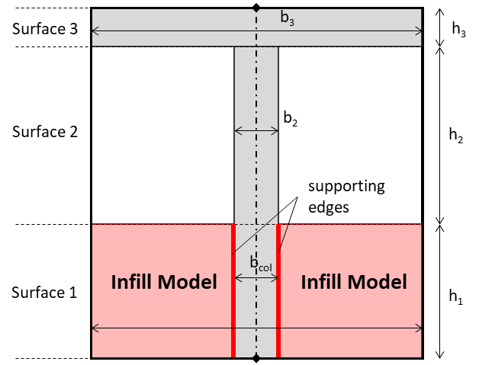
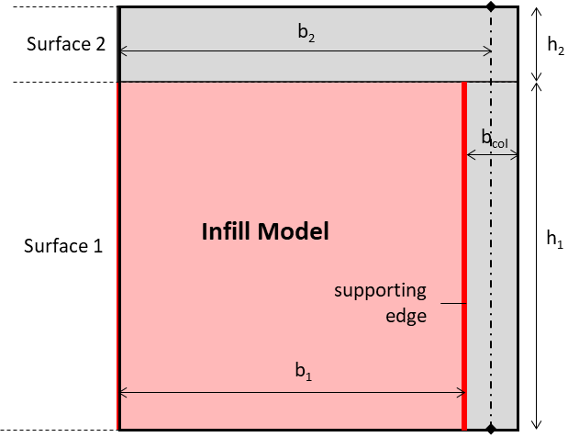
x | Tributary Surface Model (TSM) |  |  |  |  |  |  |  |  |  |  |  |  |  |  | 0
y |  |  |  |  |  | Surface 1 |  |  | Surface 2 |  |  | Surface 3 |  |  |  | 1 | x models |  | y models
 | id | notes | span | No. surfaces | No. supported edges | S1. Infill Model | S1. tributary width [m] | S1. surface height [m] | S2. Infill Model | S2. tributary width [m] | S2. surface height [m] | S3. Infill Model | S3. tributary width [m] | S3. surface height [m] | total panel height [m] | 2 | none | none | none | none
 | TSM_x_1 | F0 front - bare frame [full width] | x | 2 | 1 |  | 0.225 | 2.700 |  | 3.100 | 0.300 |  |  |  | 3.00 | 3 | b_col | b_col | b_col | b_col
x | TSM_x_2 | F0 front - bare frame [half width] | x | 2 | 1 |  | 0.225 | 2.700 |  | 1.550 | 0.300 |  |  |  | 3.00 |  | TSM_x_1 | TSM_x_1
z | TSM_x_3 | F0-2 back - 2Q infill [full width] | x | 3 | 2 | panel_B_x3 | 0.225 | 1.200 |  | 0.225 | 1.500 |  | 0.00 | 0.30 | 3.00 |  | TSM_x_2 | TSM_x_2
 | TSM_x_4 | F0-2 back - 2Q infill [half width] | x | 3 | 1 | panel_B_x3 | 0.000 | 1.200 |  | 0.000 | 1.500 |  | 0.00 | 0.30 | 3.00 |  | TSM_x_3 | TSM_x_3
 | TSM_x_5 | F1-2 front - parapet [full width] | x | 3 | 2 | panel_B_x1 | 0.225 | 1.000 |  | 0.225 | 1.700 |  | 3.10 | 0.30 | 3.00 |  | TSM_x_4 | TSM_x_4
 | TSM_x_6 | F1-2 front - parapet [half width] | x | 3 | 1 | panel_B_x1 | 0.225 | 1.000 |  | 0.225 | 1.700 |  | 1.55 | 0.30 | 3.00 |  | TSM_x_5 | TSM_x_5
 | TSM_x_7 | F1-2 internal - 2Q infill [half width - central panels] | x | 3 | 1 | panel_B_x2 | 0.225 | 1.200 |  | 0.225 | 1.500 |  | 0.00 | 0.30 | 3.00 |  | TSM_x_6 | TSM_x_6
 | TSM_x_8 | F1-2 internal - 2Q infill [half width - ends] | x | 3 | 1 | panel_B_x2 | 0.225 | 1.200 |  | 0.225 | 1.500 |  | 0.00 | 0.30 | 3.00 |  | TSM_x_7 | TSM_x_7
 | TSM_x_9 | F0-2 back - 2Q infill [full width - 0 width post failure] | x | 3 | 2 | panel_B_x3 | 0.000 | 1.200 |  | 0.000 | 1.500 |  | 0.00 | 0.30 | 3.00 |  | TSM_x_8 | TSM_x_8
 |  |  |  |  |  |  |  |  |  |  |  |  |  |  |  |  | TSM_x_9 | TSM_x_9

TributaryBuoyancyModel
Tsunami Buoyancy Model (TBM) |  |  |  |  |  |  | none | c | inf
 |  |  |  |  |  |  | TBM_1 | v
id | b_tributary [m] | d_coffer [m] | d_slab [m] | d_enclosure [m] | enclosure phasing | qu_slab [kN/m2] | TBM_2
none |  |  |  |  |  |  | TBM_3
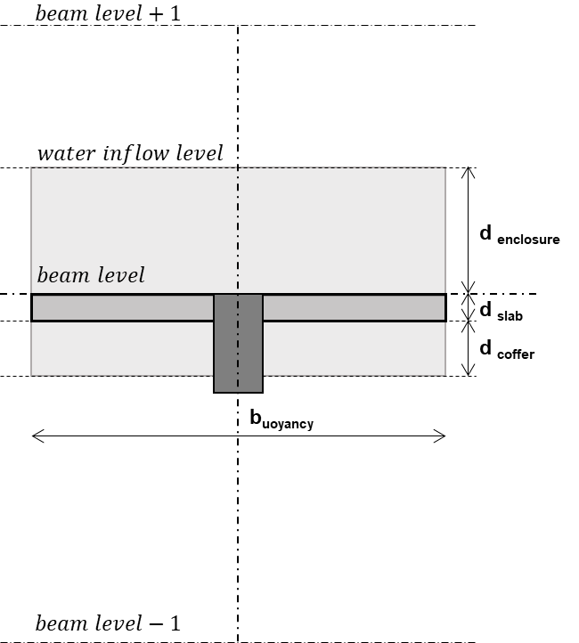
TBM_1 | 2.060 | 0.100 | 0.150 | 1.000 | v | inf | TBM_4
TBM_2 | 1.030 | 0.100 | 0.150 | 1.000 | v | inf | TBM_5
TBM_3 | 0.464 | 0.100 | 0.150 | 1.000 | v | inf | TBM_6
TBM_4 | 0.232 | 0.100 | 0.150 | 1.000 | v | inf | TBM_7
TBM_5 | 0.417 | 0.100 | 0.150 | 1.000 | v | inf
TBM_6 | 1.040 | 0.100 | 0.150 | 1.000 | v | inf
TBM_7 | 0.623 | 0.100 | 0.150 | 1.000 | v | inf

