Hints
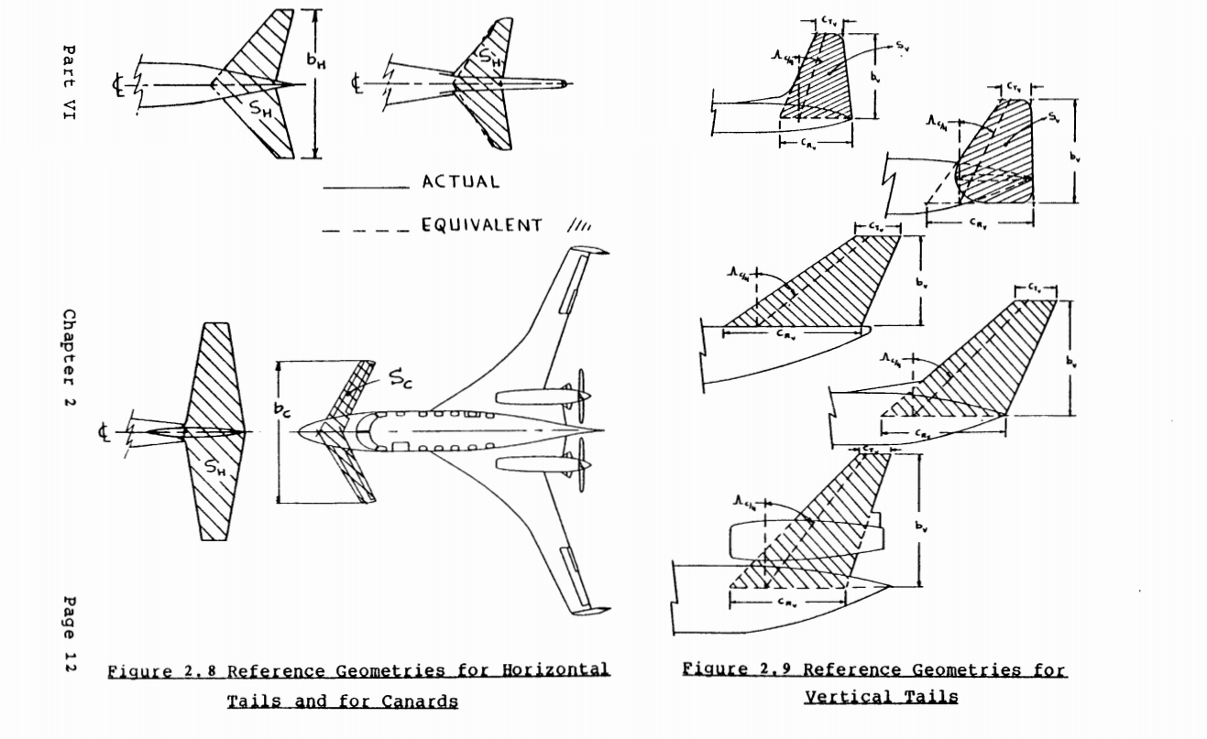
You can consider an equivalent trapezoidal wing to compute taper, sweep, MAC, ...
Simply stretch the leading and trailing edges of the outer wing panel to the symmetry plane

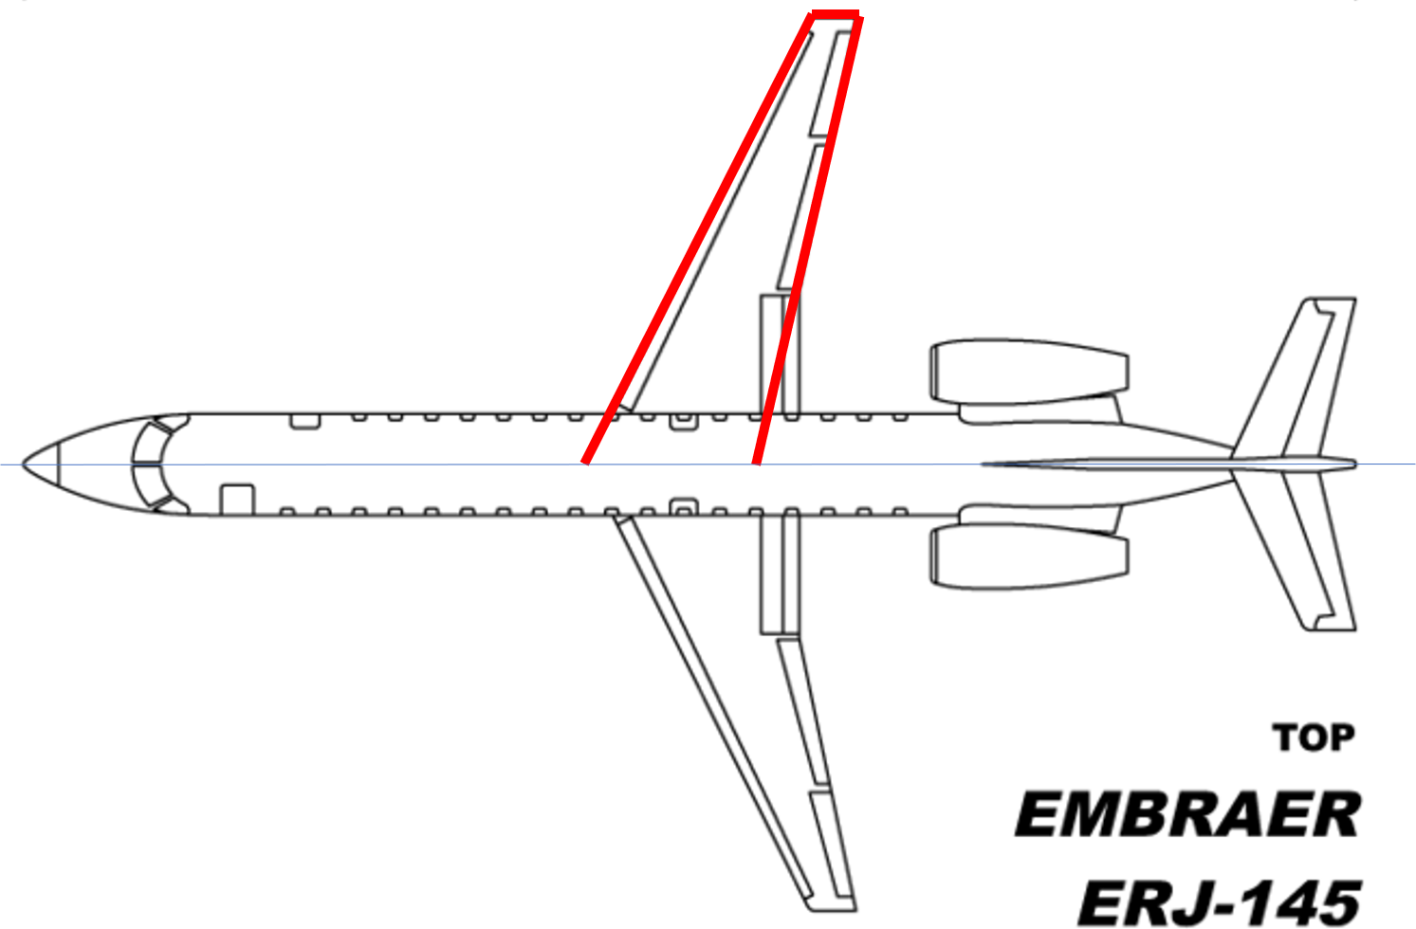

Use the method below for canard and tails

