General Overview
 |  |  |  |  | v2023.0.2
3 | VEHICLE SPECIFICATION |  | YEAR OF TEST | 2023 | Changed formula for Pole_Capping D71 (mistake was comma instead of = sign)
 |  |  |  | BASE | Added pre-requisite in AEB VRU Pedestrian CPRs (brakes not released unless path is clear)
 | Make |  | Frontal MPDB test |  | Corrected and expanded pre-requisites for DSM
 | Model |  | Frontal FW test |  | Changed drop-down of DSM from values to Yes, No, to account for decimal separator
 | Start VIN |  | Side MDB test |  | Frontal FW, cell D63 formula changed, limits for capping of chest changed from 42mm to 34mm (celld D23 and H23)
 | Kerb weight (kg) |  | Side Pole test |  | Overall Rating, changed formulae for AEB Ped, Cyc and MC scores to check sum of subcomponent includes knee and tibia
 | Engine |  | Side Pole O2O test |  | Checked calculation of COP Vehicle Based Cell D27. Protocol changed from 2020-2022, and calc correct
 | Trim level |  | Whiplash tests |  | AEMDB, formulae D76, E76 changed for pelvis submarining
 | Safety Pack |  | Pedestrian tests |  | Formulae change in Rescue D17, D22, D27 and D32. Now applies modifier if no data entered. Formula for belt unlatching corrected - 60N for front impacts and 100N for side impacts
 | Body Type |  | AEB VRU Pedestrian tests |  | Rescue Advanced eCall formula changed (was correct for 2024, not 2023)
 | Full description |  | AEB VRU Cyclist tests |  | COP Dynamic D7, F7 takes CRS names from General Overview
 | Release Date |  | AEB VRU Motorcyclist tests |  | OSM D9 H9 formulae simplified
 | Hand of drive |  | OSM test |  | OSM D18 formula corrected for 3 pass but expanded to cover many other requirements
 | Seat arrangement (incl. driver) |  | SAS tests
 | front row |  | AEB Car-to-Car tests
 | second row |  | LSS tests
 | third row
 | Vehicle class

 | SAFETY EQUIPMENT

 | ADULT OCCUPANT | DRIVER | PASSENGER | REAR
 | FRONTAL
 | frontal airbag |  |  | -
 | belt pretensioner
 | belt loadlimiter
 | knee airbag |  |  | -
 | SIDE
 | side head airbag
 | side chest airbag
 | side pelvis airbag
 | far-side centre airbag |  |  | Not available
 | RESCUE
 | Advanced eCall
 | MCB

 | CHILD OCCUPANT | DRIVER | PASSENGER | REAR
 | CHILD RESTRAINT SYSTEM
 | CRS used for testing
 | Q6
 | Q10
 | VEHICLE BASED
 | ISOFIX
 | i-Size
 | integrated CRS
 | airbag cut-off switch
 | Child Presence Detection

 | VULNERABLE ROAD USER
 | ACTIVE PEDESTRIAN SYSTEM
 | deployable bonnet
 | pedestrian airbag
 | DOORING
 | Dooring Prevention
 | AEB
 | AEB Pedestrian
 | AEB Cyclist
 | AEB Motorcyclist
 | AEB Reverse

 | SAFETY ASSIST | DRIVER | PASSENGER | REAR
 | SAFETY ASSIST SYSTEMS
 | SBR
 | Driver Monitoring
 | Fatigue/Distraction Monitoring
 | AEB Car-to-Car
 | Speed Assist System
 | Lane Support System

OVERALL RATING
 | , |  |  |  |  |  |  |  | MPDB Capped

0%
0%
0%
0%
0%
 |  ADULT OCCUPANT |  |  CHILD OCCUPANT |  |  VULNERABLE ROAD USER |  |  SAFETY ASSIST
 | 0.0 |  | 0.0 |  | 0.0 |  | 0.0
 | Frontal Offset | 0.000 | Dynamic | 0.000 | Headforms | 0.000 | OSM | 0.000
 | Frontal FW | 0.000 | Vehicle Based | 0.000 | Pelvis | 0.000 | SAS | 0.000
 | Side MDB | 0.000 | CRS Installation | 0.000 | Femur | 0.000 | AEB Car-to-Car | 0.000
 | Side Pole | 0.000 |  |  | Knee & Tibia | 0.000 | LSS | 0.000
 | Farside | 0.000 |  |  | AEB Pedestrian | 0.000
 | Whiplash | 0.000 |  |  | AEB Cyclist | 0.000
 | Rescue | -1.000 |  |  | AEB/LSS Motorcyclist | 0.000
Total Score | 0.000 |  | 0.000 |  | 0.000 |  | 0.000
Max Points available | 40 |  | 49 |  | 63 |  | 18 |  | TOTAL
Normalised Score | 0 |  | 0 |  | 0 |  | 0 |  | 0
Weight | 0.4 |  | 0.2 |  | 0.2 |  | 0.2
 |  | 0% |  | 0% |  | 0% |  | 0%
RATING REQUIREMENTS 2023
 | 80 (32*) |  | 80 (39.2*) |  | 70 (44.1*) |  | 70 (12.6*)
 | 70 (28*) |  | 70 (34.3*) |  | 60 (37.8*) |  | 60 (10.8*)
 | 60 (24*) |  | 60 (29.4*) |  | 50 (31.5*) |  | 50 (9*)
 | 50 (20*) |  | 50 (24.5*) |  | 40 (25.2*) |  | 40 (7.2*)
 | 40 (16*) |  | 40 (19.6*) |  | 30 (18.9*) |  | 30 (5.4*)
 | * Points in brackets indicate the number of additional points to be scored to reach that specific star level
ADULT OCCUPANT
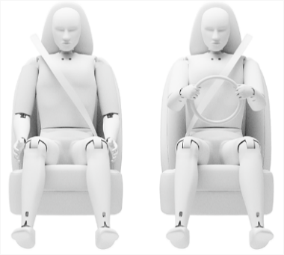             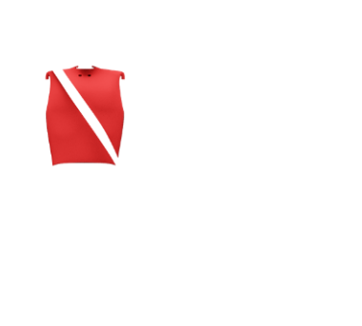     |  | 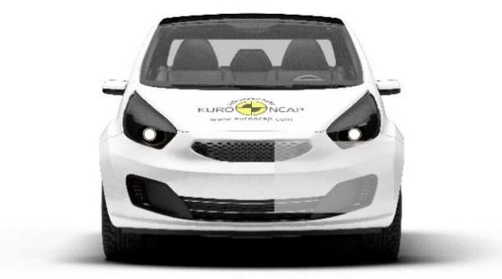 |  |  |  | 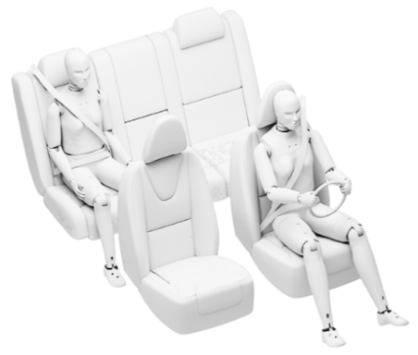              

FRONTAL OFFSET IMPACT |  |  |  |  |  | FRONTAL FW IMPACT

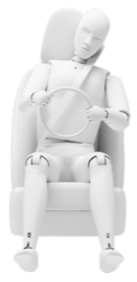





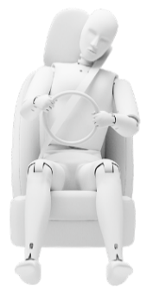



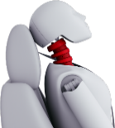

WHIPLASH |  | SIDE MDB IMPACT |  | SIDE POLE IMPACT |  | FAR SIDE IMPACT

CHILD OCCUPANT
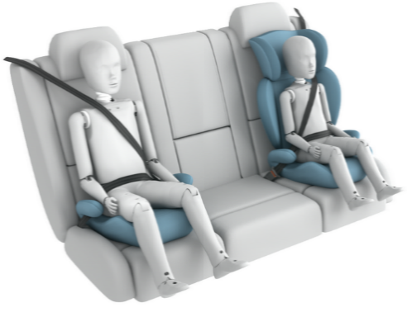       |  |  |  |  | 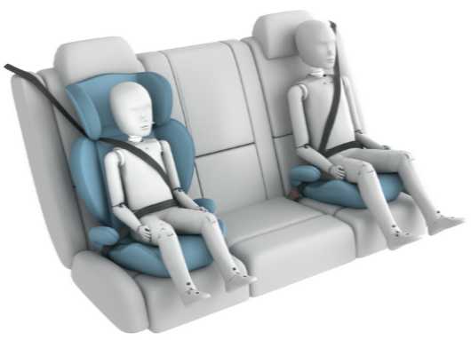      

FRONTAL IMPACT |  |  |  |  | SIDE IMPACT

