Sheet1
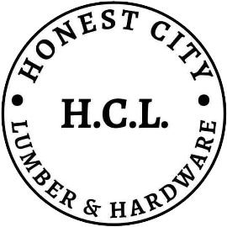

HONEST CITY LUMBER & HARDWARE
Salcedo II, Noveleta, Cavite

[Date]

ITEM REPORTS
EXPIRED

Item Code | Item Category | Item Name | Classification | Item Brand | Size | Color | QTY | Expiration | Date

