Sheet1
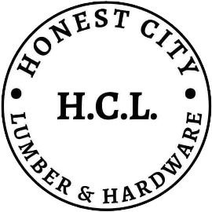

HONEST CITY LUMBER & HARDWARE
Salcedo II, Noveleta, Cavite

[Date]

ITEM REPORTS
INVENTORY

ID | Category | Item Name | Classification | Brand | Size | Color | Price | Stock | Unit | Expiration

