Sheet1
①
②
③

Music Files | Music Files

Sheet2


①
②

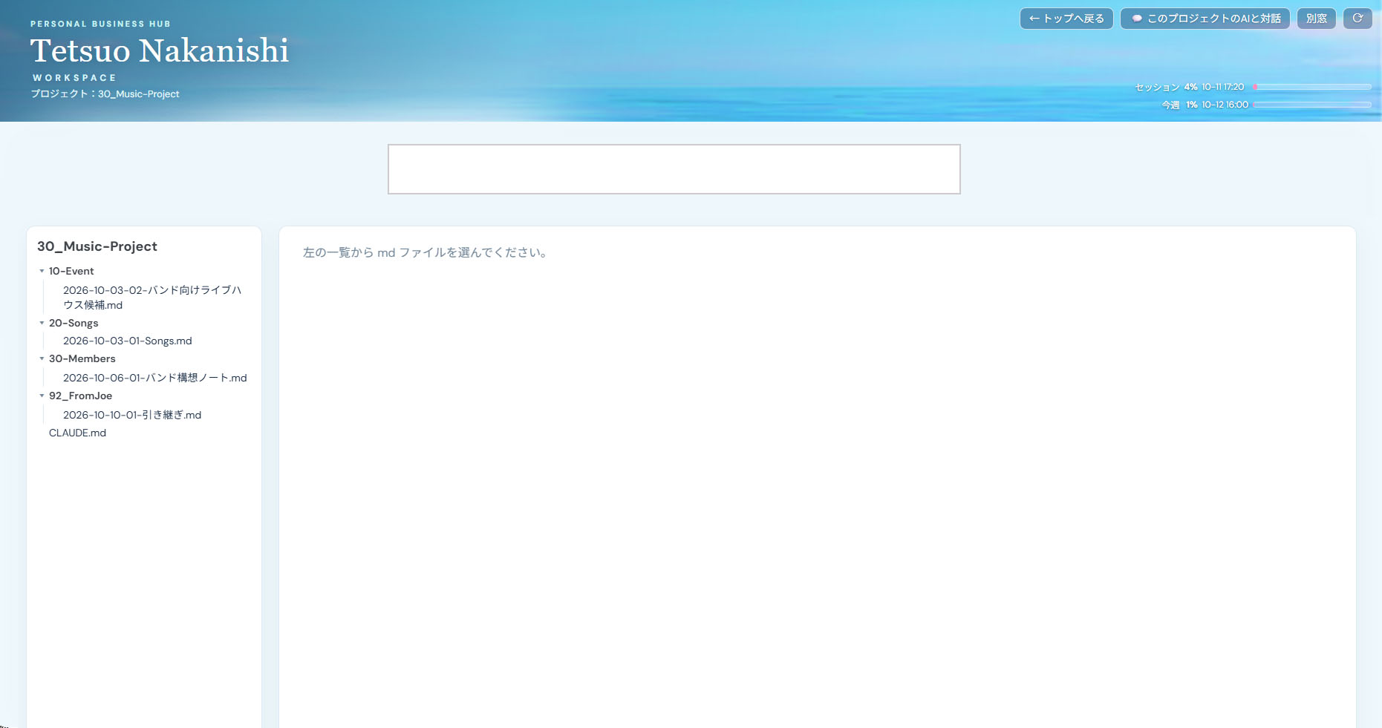

①

②

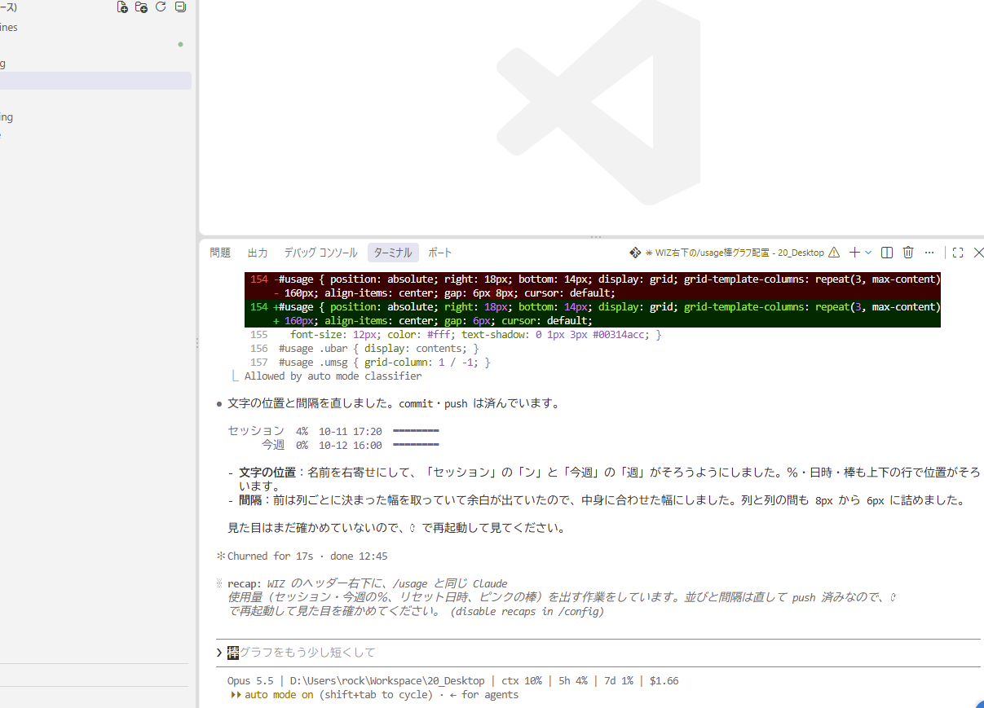

②

①

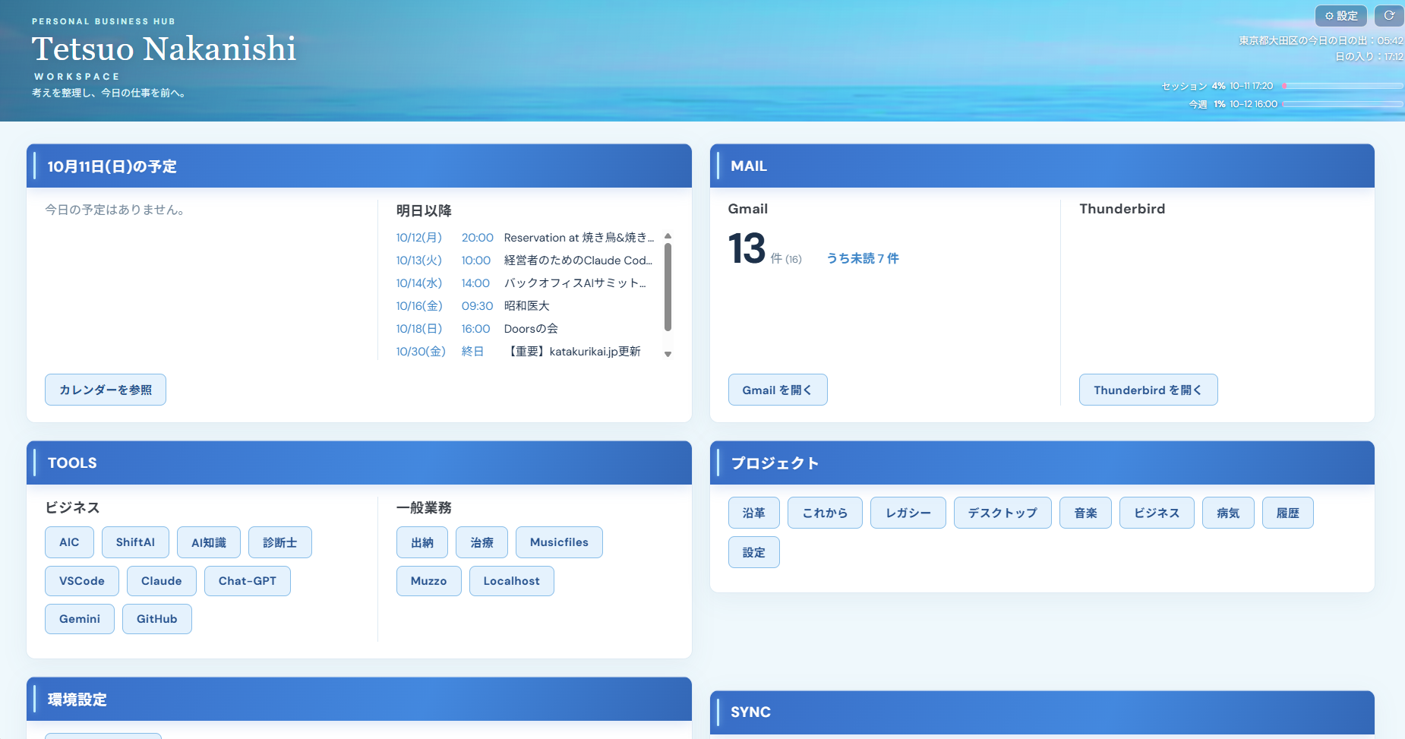

①
②

