Compare
Eigenschaften | ESP8266 NodeMCU V2 | NodeMCU V3 | ESP8266 WeMos D1 Mini | ESP32 NodeMCU | Arduino NANO 3 | Arduino UNO R3 | Arduino UNO WIFI R2 | Arduino Mega
Bild |  |  |  |  |  | 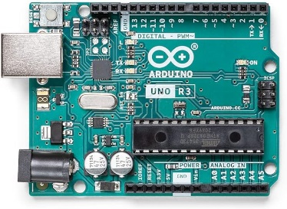 | 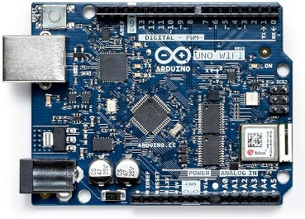 | 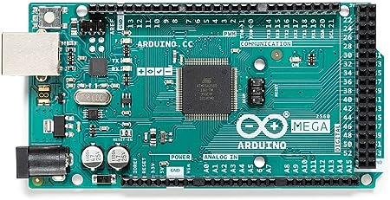
Microcontroller | ESP8266 | ESP8266 | ESP8266 | ESP32 | ATmega328p | ATmega328p | ATmega4809 | ATmega2560
Operating Voltage | 3.3V | 3.3V | 3.3V | 3.3V | 5V | 5V | 5V | 5V
Power supply | 7V – 12V | 7V – 12V | 4V – 6V | 7V – 12V | 7V – 12V | 7V – 12V | 7V – 12V | 7V – 12V
Current consumption | 15 µA – 400 mA | 15 µA – 400 mA | 15 µA – 400 mA | 20 mA – 240 mA | 19 mA – 180 mA | 45 mA – 80 mA | 50 mA – 150 mA | 50 mA – 200 mA
Current consumption Deep Sleep | 0.5 µA | 0.5 µA | 0.5 µA | 5 µA | 23 µA (with special settings) | 35 mA | 35 mA | 500 µA
Digital I/O Pins | 11 or 13 | 16 | 11 | 36 | 14 | 14 | 14 | 54
Digital I/O Pins with PWM | 11 or 13 | 16 | 11 | 36 | 6 | 6 | 5 | 15
Analog Input Pins | 1 | 1 | 1 | 15 | 8 | 6 | 6 | 16
SPI/I2C/I2S/UART | 2/1/2/2 | 2/1/2/2 | 1/1/1/1 | 4/2/2/2 | 1/1/1/1 | 1/1/1/1 | 1/1/1/1 | 1/1/1/4
DC Current per I/O Pin | 12 mA | 12 mA | 15 mA | 20 mA | 40 mA | 40 mA | 40 mA | 20 mA
DC Current for 3.3V Pin |  |  | 15 mA | 40 mA | 50 mA | 150 mA | 150 mA | 150 mA
Flash Memory | 4 MB | 4 MB | 4 MB | 4 MB | 32 KB | 32 KB | 48 KB | 256 KB
SRAM | n.A | 64 KB |  | 520 KB | 2 KB | 2 KB | 6 KB | 8 KB
EEPROM | 512 bytes | 512 bytes |  | – | 1024 bytes | 1024 bytes | 256 bytes | 4096 bytes
Clock Speed | 52 MHz | 80 MHz | 80 MHz / 160 MHz | 80 MHz / 160 MHz | 16 MHz | 16 MHz | 16 MHz | 16 MHz
Length | 48 mm | 58 mm | 34 mm | 52 mm | 45 mm | 69 mm | 69 mm | 102 mm
Width | 26 mm | 31 mm | 26 mm | 31 mm | 18 mm | 53 mm | 53 mm | 53 mm
WIFI | yes | yes | yes | yes | no | no | yes | no
Bluetooth | no | no | no | yes | no | no | no | no
Touch sensor | no | no | no | 10 | no | no | no | no
CAN | no | no | no | yes | no | no | no | no
Ethernet MAC Interface | no | no | no | yes | no | no | no | no
Temperature Sensor | no | no | no | yes | no | no | no | no
Hall effect sensor | no | no | no | yes | no | no | no | no
Power jack | no | no | no | no | no | yes | yes | yes
USB connection | yes | yes | yes | yes | yes | yes | yes | yes
Price | $ | $ | $ | $$ | $$ | $$ | $$$$ | $$$

