Calculator
HYDROGRAPH (DISCHARGE CHECK)
 | OBS | SIM
1/1/1999 | 1.52 | 0.6963
2/1/1999 | 1.92 | 1.221
3/1/1999 | 2.1 | 1.065
4/1/1999 | 1.89 | 0.8725
5/1/1999 | 0.34 | 0.4966
6/1/1999 | 0.13 | 0.2376
7/1/1999 | 0.12 | 0.06926
8/1/1999 | 0.15 | 0.01451
9/1/1999 | 0.13 | 0.2866
10/1/1999 | 0.14 | 0.3814
11/1/1999 | 0.12 | 0.2747
12/1/1999 | 0.11 | 0.6922
1/1/2000 | 0.72 | 0.9213
2/1/2000 | 0.73 | 1.329
3/1/2000 | 0.6 | 1.336
4/1/2000 | 0.32 | 0.7784
5/1/2000 | 0.43 | 0.5187
6/1/2000 | 0.55 | 0.271
7/1/2000 | 0.41 | 0.1429
8/1/2000 | 0.32 | 0.1573
9/1/2000 | 0.33 | 0.121
10/1/2000 | 0.33 | 0.4766
11/1/2000 | 0.57 | 0.3219
12/1/2000 | 0.5 | 0.6173
1/1/2001 | 0.95 | 1.168
2/1/2001 | 2.49 | 1.106
3/1/2001 | 1.29 | 1.359
4/1/2001 | 0.43 | 0.8582
5/1/2001 | 0.24 | 0.8064
6/1/2001 | 0.15 | 0.296
7/1/2001 | 0.11 | 0.1779
8/1/2001 | 0.08 | 0.118
9/1/2001 | 0.07 | 0.1834
10/1/2001 | 0.06 | 0.1993
11/1/2001 | 0.07 | 0.2351
12/1/2001 | 0.08 | 0.339
1/1/2002 | 0.17 | 0.4564
2/1/2002 | 0.94 | 0.9823
3/1/2002 | 1.32 | 0.9178
4/1/2002 | 0.1 | 0.7081
5/1/2002 | 0.06 | 0.3956
6/1/2002 | 0.07 | 0.146
7/1/2002 | 0.06 | 0.2503
8/1/2002 | 0.05 | 0.2603
9/1/2002 | 0.04 | 0.393
10/1/2002 | 0.25 | 0.3153
11/1/2002 | 0.13 | 0.382
12/1/2002 | 0.03 | 0.6703
1/1/2003 | 1.3 | 0.6857
2/1/2003 | 2.44 | 1.087
...
INPUT |  |  |  |  |  |  |  |  | ADDITIONAL DISCHARGE CHECK | ADDITIONAL VARIABLES CHECK
 |  |  |  |  |  |  |  |  | (FLOW DURATION CURVE and SEASONAL ERROR PLOT) | (WATER BALANCE, SEDIMENT and WATER QUALITY)
 | Error
1/1/1999 | -0.24881111111
2/1/1999 | -0.62783333333
3/1/1999 | -0.29863333333
4/1/1999 | 0.10565555556
5/1/1999 | 0.2374875
6/1/1999 | 0.01654125
7/1/1999 | -0.02188125
8/1/1999 | -0.0066066666667
9/1/1999 | 0.15566666667
10/1/1999 | 0.15894444444
11/1/1999 | -0.039311111111
12/1/1999 | -0.1292
1/1/2000
2/1/2000 | -0.062037904762
3/1/2000
4/1/2000
5/1/2000
6/1/2000
7/1/2000
8/1/2000
9/1/2000
10/1/2000
11/1/2000
12/1/2000
1/1/2001
2/1/2001
3/1/2001
4/1/2001
5/1/2001
6/1/2001
7/1/2001
8/1/2001
9/1/2001
10/1/2001
11/1/2001
12/1/2001
1/1/2002
2/1/2002
3/1/2002
4/1/2002
5/1/2002
6/1/2002
7/1/2002
8/1/2002
9/1/2002
10/1/2002
11/1/2002
12/1/2002
1/1/2003
2/1/2003
...
Calibration |  | Validation
 | WATER YIELD
1/1/1999 | 116.52
2/1/1999 | 78.93
3/1/1999 | 148.58
4/1/1999 | 65.26
5/1/1999 | 14.51
6/1/1999 | 10.28
7/1/1999 | 10.14
8/1/1999 | 9.11
9/1/1999 | 54.7
10/1/1999 | 36.26
11/1/1999 | 49.38
12/1/1999 | 53.54
1/1/2000 | 235.85
2/1/2000 | 152.62
3/1/2000 | 64.83
4/1/2000 | 25.51
5/1/2000 | 29.34
6/1/2000 | 5.15
7/1/2000 | 27.93
8/1/2000 | 25.78
9/1/2000 | 54.78
10/1/2000 | 125.73
11/1/2000 | 92.89
12/1/2000 | 120.26
1/1/2001 | 147.41
2/1/2001 | 50.05
3/1/2001 | 45.22
4/1/2001 | 40.69
5/1/2001 | 8.33
6/1/2001 | 29.47
7/1/2001 | 46.32
8/1/2001 | 31.21
9/1/2001 | 34.53
10/1/2001 | 141.89
11/1/2001 | 183
12/1/2001 | 205.14
1/1/2002 | 83.16
2/1/2002 | 32.05
3/1/2002 | 6.53
4/1/2002 | 9.93
5/1/2002 | 30.41
6/1/2002 | 66.17
7/1/2002 | 38.59
8/1/2002 | 53.63
9/1/2002 | 99.13
10/1/2002 | 99.59
11/1/2002 | 66.67
12/1/2002 | 27.95
1/1/2003 | 13.76
2/1/2003 | 35.78
...
Start Date | 1999-01-01 | Start Date | 2005-01-01
End Date | 2004-12-01 | End Date | 2007-12-01

OUTPUT
(entire model period statistics)
Calibration |  | Validation
 | Precipitation
1/1/1999 | 42.94
2/1/1999 | 30.34
3/1/1999 | 24.67
4/1/1999 | 15.52
5/1/1999 | 8.73
6/1/1999 | 4.89
7/1/1999 | 4.99
8/1/1999 | 7.01
9/1/1999 | 14.02
10/1/1999 | 13.1
11/1/1999 | 26.29
12/1/1999 | 32.92
1/1/2000 | 50.8
2/1/2000 | 46.54
3/1/2000 | 19.85
4/1/2000 | 7.84
5/1/2000 | 6.7
6/1/2000 | 3.33
7/1/2000 | 5.52
8/1/2000 | 8.92
9/1/2000 | 29.25
10/1/2000 | 30.2
11/1/2000 | 35.65
12/1/2000 | 32.85
1/1/2001 | 27.12
2/1/2001 | 24.51
3/1/2001 | 8.63
4/1/2001 | 10.3
5/1/2001 | 4.68
6/1/2001 | 3.28
7/1/2001 | 14
8/1/2001 | 15.46
9/1/2001 | 22.98
10/1/2001 | 41.25
11/1/2001 | 51.01
12/1/2001 | 37.92
1/1/2002 | 27.8
2/1/2002 | 9.8
3/1/2002 | 4.71
4/1/2002 | 5.7
5/1/2002 | 5.66
6/1/2002 | 13.35
7/1/2002 | 10.96
8/1/2002 | 20.85
9/1/2002 | 33.84
10/1/2002 | 30.12
11/1/2002 | 22.08
12/1/2002 | 4.48
1/1/2003 | 5.61
2/1/2003 | 5.95
...
NSE | 0.33 | NSE | 0.59
NSErel | -6.06 | NSErel | -0.70
R2 | 0.34 | R2 | 0.68
wR2 | 0.29 | wR2 | 0.44 |  |  |  |  |  | WATER BALANCE CHECK
RSR | 0.82 | RSR | 0.64 | GRAPH STATISTICS |  | GRAPH CONTROLS |  |  | Annual Watershed Average. All values in mm
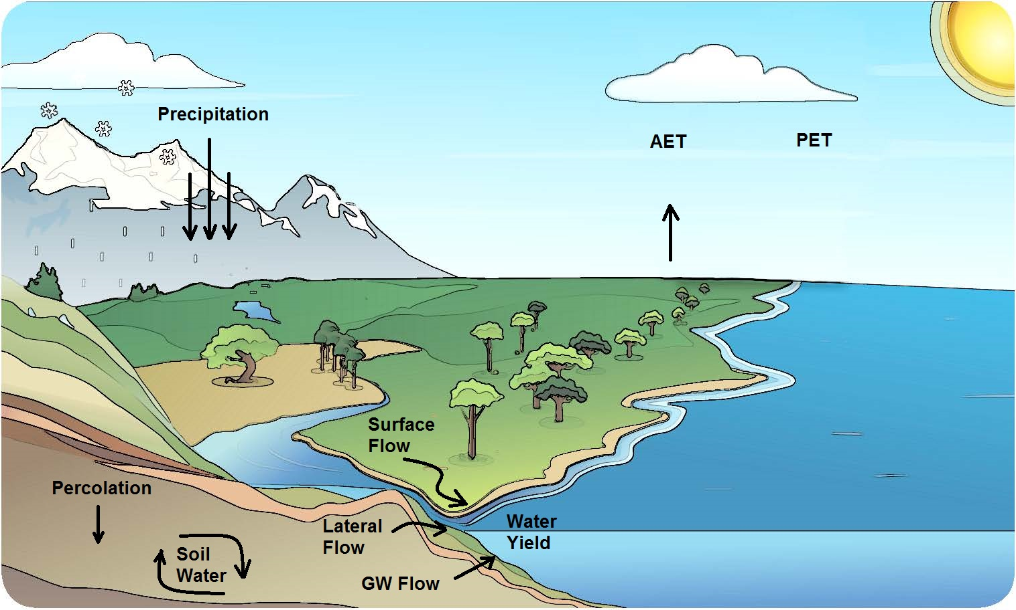
PBIAS | -9.8% | PBIAS | -12.7%

WORK CITATION |  |  |  | NSE | 0.33 | Choose your option
 |  |  |  | NSErel | -6.06 | for graph time range
Shrestha P.K. (2016). SWAT Calibration Helper v1.0 Microsoft Excel Worksheet |  |  |  | R2 | 0.34
 | ET
1/1/1999 | 118.19
2/1/1999 | 117.88
3/1/1999 | 117.77
4/1/1999 | 118.96
5/1/1999 | 118.18
6/1/1999 | 118.35
7/1/1999 | 118.09
8/1/1999 | 118.67
9/1/1999 | 118.14
10/1/1999 | 117.54
11/1/1999 | 117.57
12/1/1999 | 117.59
1/1/2000 | 117.79
2/1/2000 | 118.25
3/1/2000 | 118.86
4/1/2000 | 119.21
5/1/2000 | 117.83
6/1/2000 | 118.75
7/1/2000 | 119.07
8/1/2000 | 117.98
9/1/2000 | 117.64
10/1/2000 | 117.84
11/1/2000 | 117.73
12/1/2000 | 118.26
1/1/2001 | 118.88
2/1/2001 | 118.61
3/1/2001 | 118.42
4/1/2001 | 118.88
5/1/2001 | 118.26
6/1/2001 | 118.36
7/1/2001 | 118.02
8/1/2001 | 118.4
9/1/2001 | 118.56
10/1/2001 | 117.86
11/1/2001 | 117.6
12/1/2001 | 118.43
1/1/2002 | 118.05
2/1/2002 | 118.3
3/1/2002 | 118.07
4/1/2002 | 119.02
5/1/2002 | 118.21
6/1/2002 | 118.41
7/1/2002 | 117.92
8/1/2002 | 117.13
9/1/2002 | 117.93
10/1/2002 | 118.15
11/1/2002 | 117.54
12/1/2002 | 117.73
1/1/2003 | 117.31
2/1/2003 | 118.76
...
 |  |  |  | wR2 | 0.29 | 4. Particular year | 5. Custom Time Range
 |  |  |  | RSR | 0.82 |  | From | To
STEPS TO USE |  |  |  | PBIAS | -0.10 | 2001 | 2004-05-01 | 2004-10-01

1. Macro |  | 2. Flow Data Input |  |  |  | 3. Sim Discharge | 4. Zoom Graphs | 5. Addtl. Q Check
This Excel program is based on Macro VBA codes. If you are not able to work with this file you need to enable Macro. |  | In the "flow data" sheet, enter the starting year of the data in the first green cell of the "Date" column and place the observed and simulated data in the green columns. Then goto the "Input" section of this sheet, enter the modeling years in green cells |  |  |  | Observe the model statistics in the "output" section. Choose a drop down option in "Graph Control" section to observe the hydrograph | Use the options presented in the "Graph Controls" section to zoom in/out the hydrograph as per your need | Click "Refresh 1" button to get FDC and Error Plot which aid in extreme values and seasonality calibration of the model flow respectively.

 | Soil Moisture
1/1/1999 | 66.56
2/1/1999 | 55.74
3/1/1999 | 100.61
4/1/1999 | 65.98
5/1/1999 | 34.63
6/1/1999 | 13.16
7/1/1999 | 6.43
8/1/1999 | 3.25
9/1/1999 | 19.76
10/1/1999 | 23.51
11/1/1999 | 22.02
12/1/1999 | 21.54
1/1/2000 | 132.11
2/1/2000 | 111.05
3/1/2000 | 81.07
4/1/2000 | 51.37
5/1/2000 | 34.35
6/1/2000 | 11.57
7/1/2000 | 14.45
8/1/2000 | 15.5
9/1/2000 | 20.49
10/1/2000 | 61.92
11/1/2000 | 53.92
12/1/2000 | 68.95
1/1/2001 | 91.78
2/1/2001 | 62.06
3/1/2001 | 51.85
4/1/2001 | 33.96
5/1/2001 | 17.29
6/1/2001 | 20.78
7/1/2001 | 23.03
8/1/2001 | 20.28
9/1/2001 | 15.38
10/1/2001 | 56.14
11/1/2001 | 111.52
12/1/2001 | 146.88
1/1/2002 | 91.67
2/1/2002 | 64.27
3/1/2002 | 29.39
4/1/2002 | 8.73
5/1/2002 | 17.75
6/1/2002 | 37.38
7/1/2002 | 28.75
8/1/2002 | 32.98
9/1/2002 | 44.7
10/1/2002 | 78.12
11/1/2002 | 63
12/1/2002 | 44.68
1/1/2003 | 16.39
2/1/2003 | 16.86
...

6. More Data Input |  | 7. Addtl. Checks |  | Note 1 |  | Note 2 | Note 3 | Note 4
If you are calibrating SWAT, apart from flow data, "output.std" file from SWAT can also be processed in this program to view addtl. results. Follow instructions in "output.std" sheet first. |  | "Water Balance Check" and "Additional Check" sections enable viewing other model outputs. Pressing "REFRESH 2" refreshes values of "Water Balance Check". |  | The "flow data" sheet is for 30 years daily data length. In case of a longer dataset, make sure to extend the formulae at the bottom of that sheet. |  | Options 4 and 5 at "Graph Controls" require further information for adjusting the hydrograph, which need to be entered before selecting that option. | The statistics displayed at "Graph statistics" correspond to the displayed length of the hydrograph and change if hydrograph changes. | Use the drop down menu in the "Addtl. Variables Check" section and compare up to 4 ouputs. Note that their time axes change along with hydrograph.

 |  |  |  |  |  |  |  |  | Graphics Source: Met Office (2009)
 |  |  |  |  |  |  |  |  | http://www.metlink.org/wp-content/uploads/2015/02/metofficeeducation_ks3_watercycle_wrkst_answers.pdf

Tips - Hydrograph
Tips for Hydrograph Calibration (source: swat.tamu.edu)
Issue 1: | Issue 2: | Issue 3: | Issue 4:
Model fails to simulate some peak flows | Overprediction of flow | Time lag | Peakier at peaks, flatter at baseflow
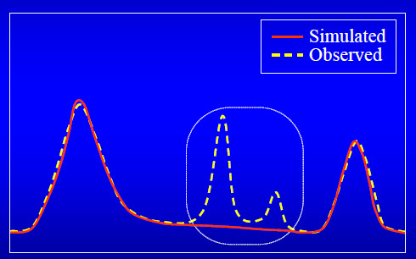
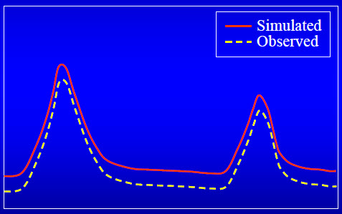
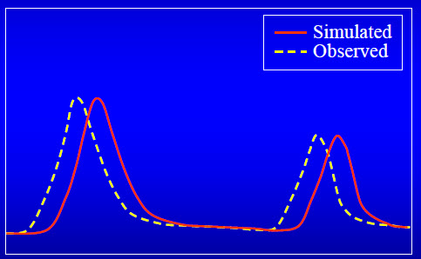
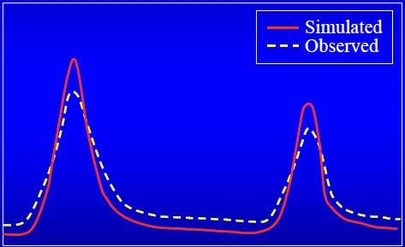

Causes: | Causes: | Causes: | Causes:
1.1 The rainfall station/s is not representative. Such system shows no response to localized storms | 2.1 High Surface flow than reality | 3.1 Time of concentration is too long. This might be due to the slope being lesser than reality or surface roughness being overestimated for overland flow. | 4.1 Higher Surface flow than reality

 | 2.2 Higher Baseflow than reality |  | 4.2 Lower Baseflow than reality

1.2 OR, some gages (rainfall or discharge) might be malfunctioning | 2.3 Less evapotranspiration losses than reality

Solutions: (1.1) | Solutions: (2.1) | Solutions: (3.1) | Solutions: (4.1, 4.2)
Use precipitation data from representative stations | Decrease curve number (CN_2) for land use types | Adjust slope for overland flow (HRU_SLP) | Adjust infiltration parameters

 |  | Adjust Manning's roughness coefficient (OV_N) | Adjust parameters determining interflow (lateral flow)
Solutions: (1.2) | Solutions: (2.2)
Careful review of rainfall and discharge data for the model duration | Increase deep percolation loss (GWQMN) | Adjust overland flow length (SLSUBBSN) | Adjust baseflow recession parameter (ALPHA_BF)

 | Increase groundwater revap coefficient (GW_REVAP)

 | Decrease threshold depth of water in shallow aquifer for revap to occur (REVAPMIN) | Note: In case of opposite problem, try same solutions changing values in opposite manner | Note: In case of opposite problem, try same solutions changing values in opposite manner

 | Solutions: (2.3)
 | Check hydrograph's response for the parameters - Soil available water (SOL_AWC) and Soil Evaporation Compensation factor (ESCO)

 | Note: In case of opposite problem, try same solutions changing values in opposite manner

Tips - Statistics
Tips for Using Statistics (reference: Krause et al. 2005. Comparison of different efficiency criteria for hydrological model assessment)
Case 1 | Case 2 | Case 3
Peaks match, Baseflow mismatch | Peaks mismatch, Baseflow match | Overall Under-/Over estimation
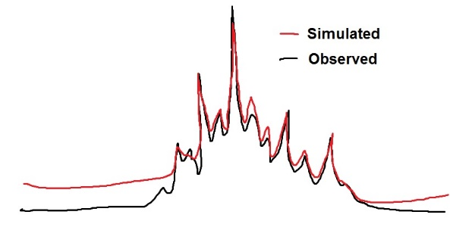
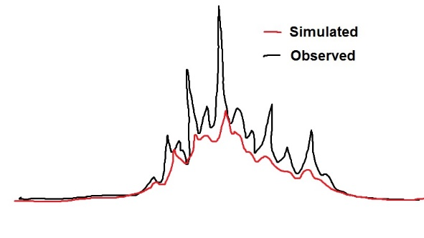
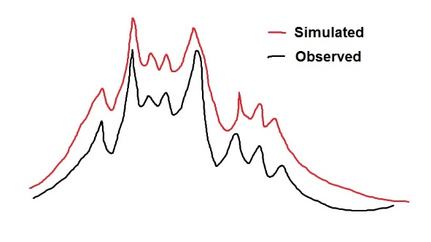

Match Indicator: Peak values | Match Indicator: Base Flow | Match Indicator: Pattern
NSE, RSR | NSErel | R2

NSE quantifies via absolute values due to which, in general, the high values have greater influence than lower values. Thus its high in case 1. RSR also gives good values. | NSErel is sensitive on low flows only and not reactive on peak flows. Thus its an ideal statistic to evaluate base flow and high in case 2. | Value of R2 is purely driven by the pattern and not the values. Although this behavior is useful in terms of achieving the "disturbances" in the hydrograph it will overlook the volume problem

Error Indicator: Base flow | Error Indicator: Peak Values | Error Indicator: Flow Volume
NSErel | NSE, RSR | wR2, PBIAS

Due to normalized expression, NSErel is not reactive on peak flows. Any poor performance in base flow is promptly noticed. Understandably its low in case 1. | Since NSE is sensitive to high values, in case 2 it will show a low value. RSR also gives similar indication. | wR2 takes into account the gradient b of the regression on which R2 is based enabling it to check magnitude along with pattern. Along with R2, PBIAS also indicates a low success value in this case as it checks the water volume.

Tips - SWAT Parameters
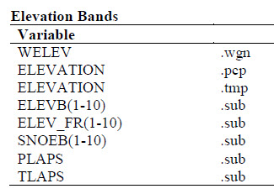
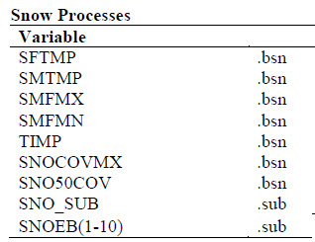
SWAT model Parameters, Processes and Location (Source: SWAT Input/Output Documentation version 2012)
PET and AET | SURFACE RUNOFF | TIME OF CONCENTRATION
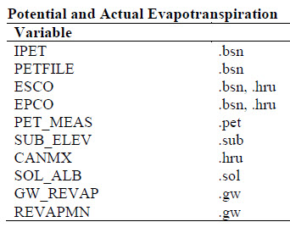
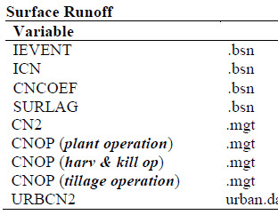
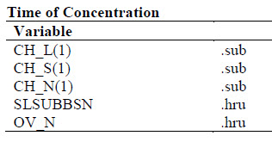

 |  | LATERAL FLOW
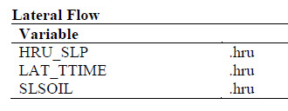

SOIL WATER | GROUNDWATER
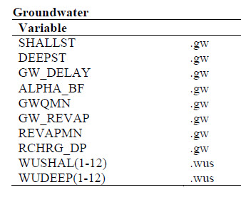
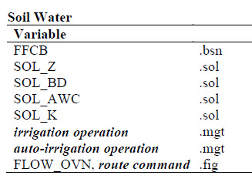

 |  | CHANNEL ROUTING
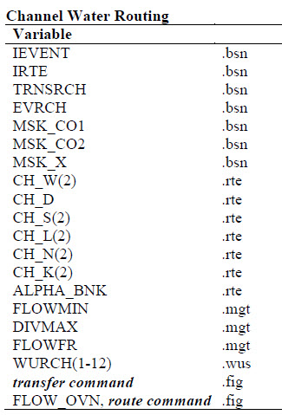

SNOW PROCESSES | ELEVATION BANDS

