Counterparty_credit
Mean | ST DEV (sigma) | ALPHA |  |  | Annual Return | Probability
5% | 15% | 99% |  |  | -55.0% | 0.001%
 |  |  |  |  | -53.5% | 0.001%
 |  |  |  |  | -52.0% | 0.002%
EPE | ENE | PFE 99% | PFE 1% | EE | -50.5% | 0.003%
8.8% | -3.8% | 39.9% | -29.9% | 8.8% | -49.0% | 0.004%
 |  |  |  |  | -47.5% | 0.006%
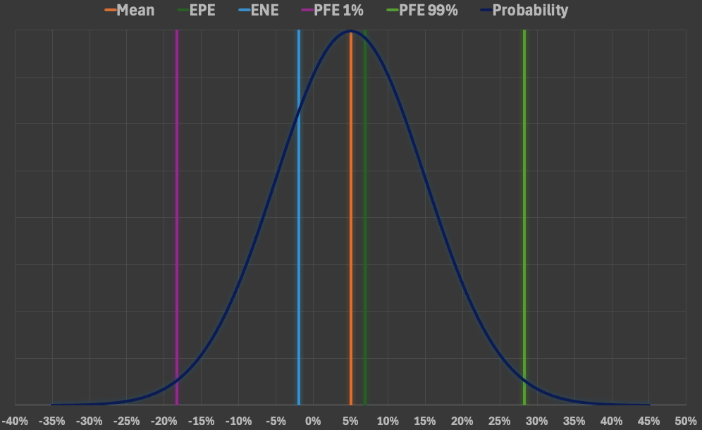
 |  |  |  |  | -46.0% | 0.008%
 |  |  |  |  | -44.5% | 0.011%
 |  |  |  |  | -43.0% | 0.016%
 |  |  |  |  | -41.5% | 0.022%
 |  |  |  |  | -40.0% | 0.030%
 |  |  |  |  | -38.5% | 0.040%
 |  |  |  |  | -37.0% | 0.053%
 |  |  |  |  | -35.5% | 0.069%
 |  |  |  |  | -34.0% | 0.091%
 |  |  |  |  | -32.5% | 0.117%
 |  |  |  |  | -31.0% | 0.149%
 |  |  |  |  | -29.5% | 0.189%
 |  |  |  |  | -28.0% | 0.236%
 |  |  |  |  | -26.5% | 0.293%
 |  |  |  |  | -25.0% | 0.360%
 |  |  |  |  | -23.5% | 0.437%
 |  |  |  |  | -22.0% | 0.526%
 |  |  |  |  | -20.5% | 0.627%
 |  |  |  |  | -19.0% | 0.739%
 |  |  |  |  | -17.5% | 0.863%
 |  |  |  |  | -16.0% | 0.998%
 |  |  |  |  | -14.5% | 1.142%
 |  |  |  |  | -13.0% | 1.295%
 |  |  |  |  | -11.5% | 1.452%
 |  |  |  |  | -10.0% | 1.613%
 |  |  |  |  | -8.5% | 1.774%
 |  |  |  |  | -7.0% | 1.931%
 |  |  |  |  | -5.5% | 2.082%
 |  |  |  |  | -4.0% | 2.221%
 |  |  |  |  | -2.5% | 2.347%
 |  |  |  |  | -1.0% | 2.455%
 |  |  |  |  | 0.5% | 2.543%
 |  |  |  |  | 2.0% | 2.607%
 |  |  |  |  | 3.5% | 2.646%
 |  |  |  |  | 5.0% | 2.660%
 |  |  |  |  | 6.5% | 2.646%
 |  |  |  |  | 8.0% | 2.607%
 |  |  |  |  | 9.5% | 2.543%
 |  |  |  |  | 11.0% | 2.455%
 |  |  |  |  | 12.5% | 2.347%
 |  |  |  |  | 14.0% | 2.221%
 |  |  |  |  | 15.5% | 2.082%
 |  |  |  |  | 17.0% | 1.931%
 |  |  |  |  | 18.5% | 1.774%
 |  |  |  |  | 20.0% | 1.613%
 |  |  |  |  | 21.5% | 1.452%
 |  |  |  |  | 23.0% | 1.295%
 |  |  |  |  | 24.5% | 1.142%
 |  |  |  |  | 26.0% | 0.998%
 |  |  |  |  | 27.5% | 0.863%
 |  |  |  |  | 29.0% | 0.739%
 |  |  |  |  | 30.5% | 0.627%
 |  |  |  |  | 32.0% | 0.526%
 |  |  |  |  | 33.5% | 0.437%
 |  |  |  |  | 35.0% | 0.360%
 |  |  |  |  | 36.5% | 0.293%
 |  |  |  |  | 38.0% | 0.236%
 |  |  |  |  | 39.5% | 0.189%
 |  |  |  |  | 41.0% | 0.149%
 |  |  |  |  | 42.5% | 0.117%
 |  |  |  |  | 44.0% | 0.091%
 |  |  |  |  | 45.5% | 0.069%
 |  |  |  |  | 47.0% | 0.053%
 |  |  |  |  | 48.5% | 0.040%
 |  |  |  |  | 50.0% | 0.030%
 |  |  |  |  | 51.5% | 0.022%
 |  |  |  |  | 53.0% | 0.016%
 |  |  |  |  | 54.5% | 0.011%
 |  |  |  |  | 56.0% | 0.008%
 |  |  |  |  | 57.5% | 0.006%
 |  |  |  |  | 59.0% | 0.004%
 |  |  |  |  | 60.5% | 0.003%
 |  |  |  |  | 62.0% | 0.002%
 |  |  |  |  | 63.5% | 0.001%

