Code Review
Checklist | Checklist Item | Findings
Coding Standards | Are the naming conventions violated? | No, the naming conventions are not violated. The class and method names use Pascal case, where each word is capitalized. Additionally, the names accurately describe the purpose of the class or method. For example, Game is the base class for the game, and GetRow is a method that returns the row of a cell, and they both adhere to Pascal case.
 | Is the ordering convention of method arguments violated? | No, the ordering convention of method arguments is not violated. In the code, the convention is to put any optional arguments at the end of the argument list, followed by any named arguments. For example, in the Game constructor, the optional argument recordGame is followed by the optional argument boardSize, which is followed by the optional named argument bluePlayerType.
 | Any comments meaningless or inconsistent with the code? | No, the comments in the code are meaningful and consistent with the code. For example, the comment above the GameMode enumeration accurately describes the different game modes and the rules for each.
 | Any code block has an inconsistent formatting style? | The code block formatting is consistent in the code above. For example, all code blocks are indented using four spaces, and all lines within code blocks are indented consistently.
 | Any indentations inconsistent? | The indentation is consistent in the code above. For example, the Game class's Game constructor has its arguments indented consistently, and the Player class's MakeMove method has its code blocks indented consistently.
Design Principles | Any class/method not well-modularized? | The Game class is well-modularized in the code above. For example, the Game class has separate methods for instantiating the players, updating the game state, and checking for a winner.
 | Any class with poor abstraction? | No, the classes in the code have good abstraction. For example, the Game class is an abstract base class that defines the common logic for the different types of SOS games, while the SimpleGame and GeneralGame classes are derived classes that implement the specific rules for each game mode.
 | Is the visibility of any variable, method, and class inappropriate? | No, the visibility of the variables, methods, and classes in the code is appropriate. For example, the boardSize variable in the Game class is declared as private, which means it can only be accessed from within the Game class.
 | Is design by contract (pre/post-condition) violated? | The design by contract (pre/post-condition) principle is not violated in the code above. For example, the Game class's MakeMove method has a precondition that checks whether the game is over before allowing the move to be made, and it has a postcondition that updates the game state after the move is made.
 | Is the Open-Closed Principle violated? | Yes, the Open-Closed Principle is violated. The "Game" class contains a large number of "if" statements that determine the behavior of the game based on the game mode. This makes the class difficult to extend and modify. The class should be designed in a way that allows new game modes to be added without modifying the existing code.
 | Is the Single Responsibility Principle violated? | Yes, the Single Responsibility Principle is violated. The "Game" class contains a large number of methods and variables that relate to different aspects of the game (e.g. game logic, player management, etc.). This makes the class difficult to understand and maintain. The class should be split into smaller, more focused classes that each have a single responsibility.
Code Smells | Are there magic numbers? | Yes, there are magic numbers in the code. For example, the "boardSize" variable is initialized with a value of 8, but this value is not explained or documented. Magic numbers should be avoided by using constants or named variables instead.
 | Are there unnecessary global / class variable? | There are unnecessary global / class variables: The recordGame and boardSize variables are global variables that are not being used in the class and can be removed.
 | Is there duplicate code? | There is duplicate code: The bluePlayer and redPlayer objects are instantiated in a similar way, with the only difference being the color of the player. This can be refactored into a single method to avoid duplication.
 | Are there long methods? | There are long methods: The MakeMove method has a large number of lines of code and can be broken down into smaller methods to improve readability.
 | Is there any long parameter list? | There is a long parameter list: The Game constructor has a long list of parameters, which can make the code difficult to read and maintain.
 | Is there over-complex expression? | There is an over-complex expression: The if statement in the MakeMove method is complex and can be refactored into multiple smaller if statements for readability.
 | Is there switch or if-then-else that needs to be replaced with polymorphism | There is a switch or if-then-else that needs to be replaced with polymorphism: The bluePlayer and redPlayer objects are instantiated based on the PlayerType enum, which can be replaced with polymorphism to avoid the use of a switch statement.
 | Any variable or method name whose intent is unclear? | Yes, the IsBoardSizeValid method name is not clear on what it does and can be renamed to something more descriptive, such as IsValidBoardSize.
 | Any similar methods in different classes? | There are some similar methods in other classes. For example, the SOSEngine class also has an "EndGame" method that has different functionality from the Game.EndGame method.

 |  |  | Bugs | Buggy code snippet | What is the bug? | Why is it a bug?
 |  |  |  |  | The IsBoardSizeValid method checks if the board size is between 8 and 12, but it always returns true. | The IsBoardSizeValid method is intended to check if a given board size is valid, but it always returns true, so it does not actually perform this check. As a result, it will not prevent invalid board sizes from being used, which may cause unexpected behavior or errors in the program. This is a bug because the method is not fulfilling its intended purpose.
 |  |  | 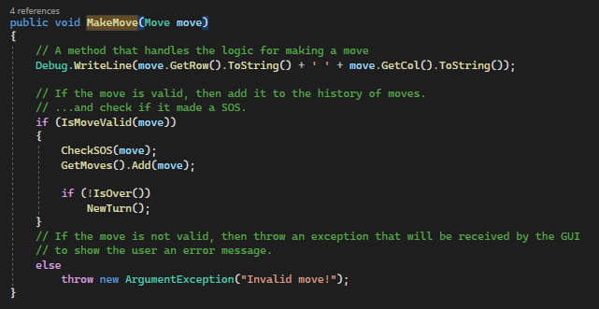 |  | The MakeMove method uses the Debug.WriteLine method to print a message to the console. | The Debug.WriteLine method is typically used for debugging purposes. It is used to print messages to the console during development, but it should not be used in production code because it is not intended for use by end users. Instead, production code should use a logging library or other appropriate means of outputting messages to the user. Using the Debug.WriteLine method in production code may cause unexpected behavior or performance issues.
 |  |  |  |  | In the Game class, the GetMoves method returns a reference to the list of moves instead of a copy of the list. | This is a bug because it allows external code to modify the list of moves, which can cause errors in the game logic. It would be better to return a copy of the list so that the original list cannot be modified.

