Diagram(PRD)
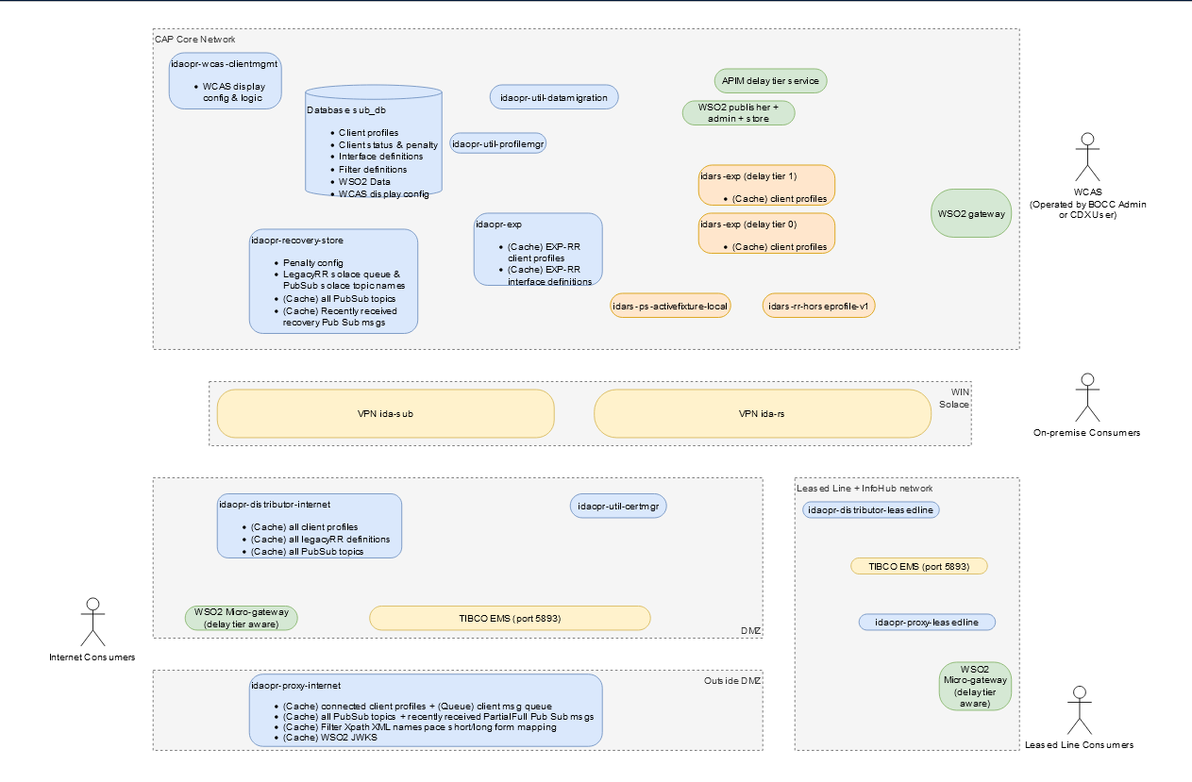

APIM IP Mapping
SAT1 10.72.8.6 à 10.27.131.61
SAT2 10.72.8.6 à 10.27.134.121
Prod 192.168.99.222 à 10.27.3.61

