Sales Dashboard
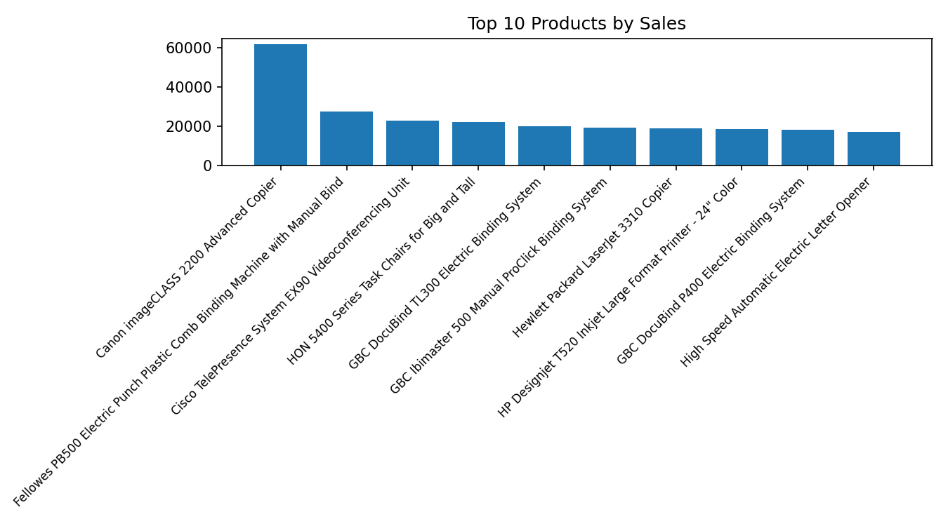
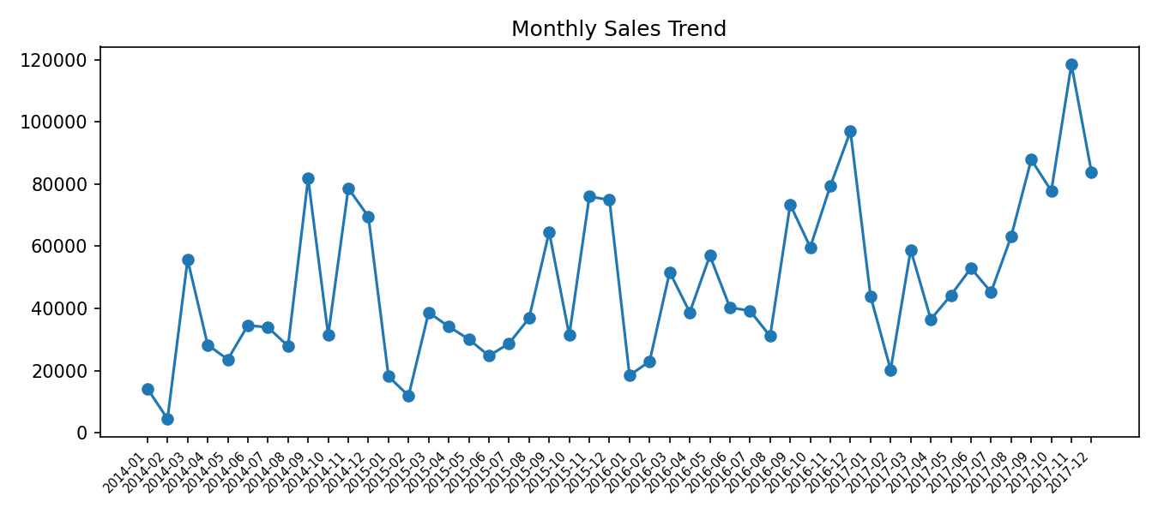
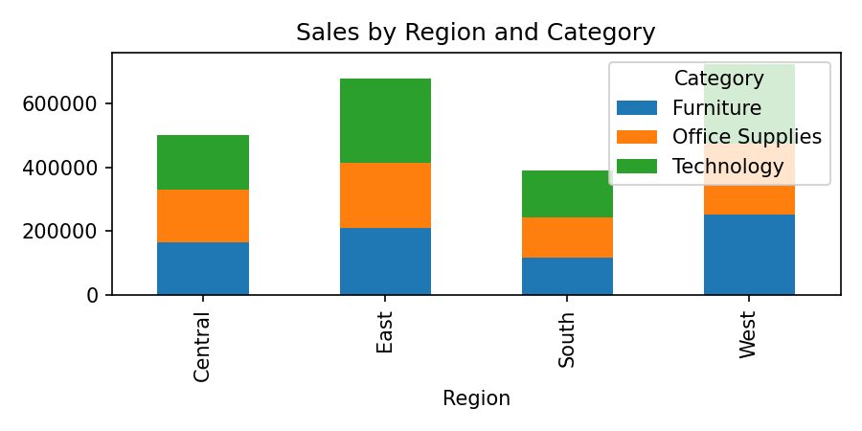
Sales by Region & Category
Region | Furniture | Office Supplies | Technology
Central | 163797.1638 | 167026.415 | 170416.312
East | 208291.204 | 205516.055 | 264973.981
South | 117298.684 | 125651.313 | 148771.908
West | 252612.7435 | 220853.249 | 251991.832

