Monthly_Trend
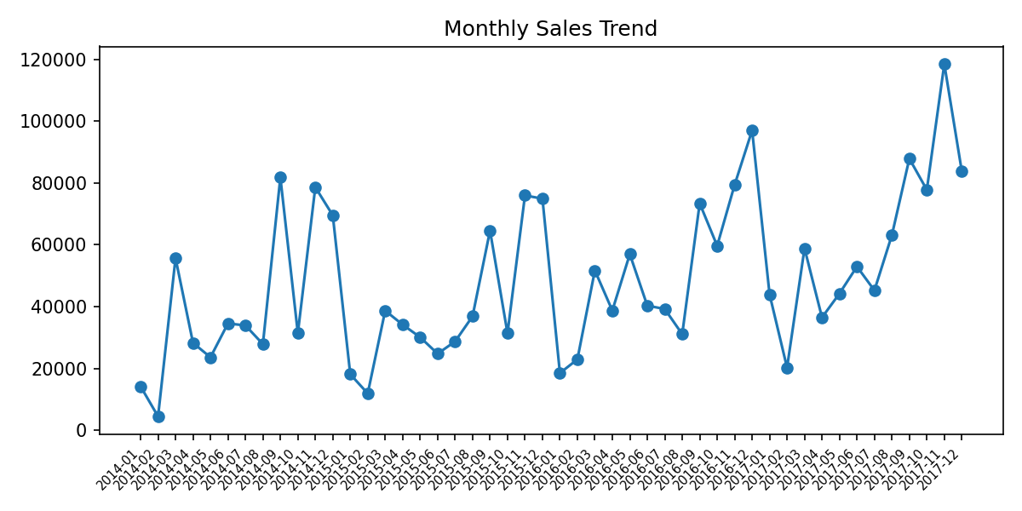
Month | Sales | Profit
2014-01 | 14236.895 | 2450.1907
2014-02 | 4519.892 | 862.3084
2014-03 | 55691.009 | 498.7299
2014-04 | 28295.345 | 3488.8352
2014-05 | 23648.287 | 2738.7096
2014-06 | 34595.1276 | 4976.5244
2014-07 | 33946.393 | -841.4826
2014-08 | 27909.4685 | 5318.105
2014-09 | 81777.3508 | 8328.0994
2014-10 | 31453.393 | 3448.2573
2014-11 | 78628.7167 | 9292.1269
2014-12 | 69545.6205 | 8983.5699
2015-01 | 18174.0756 | -3281.007
2015-02 | 11951.411 | 2813.8508
2015-03 | 38726.252 | 9732.0978
2015-04 | 34195.2085 | 4187.4962
2015-05 | 30131.6865 | 4667.869
2015-06 | 24797.292 | 3335.5572
2015-07 | 28765.325 | 3288.6483
2015-08 | 36898.3322 | 5355.8084
2015-09 | 64595.918 | 8209.1627
2015-10 | 31404.9235 | 2817.366
2015-11 | 75972.5635 | 12474.7884
2015-12 | 74919.5212 | 8016.9659
2016-01 | 18542.491 | 2824.8233
2016-02 | 22978.815 | 5004.5795
2016-03 | 51715.875 | 3611.968
2016-04 | 38750.039 | 2977.8149
2016-05 | 56987.728 | 8662.1464
2016-06 | 40344.534 | 4750.3781
2016-07 | 39261.963 | 4432.8779
2016-08 | 31115.3743 | 2062.0693
2016-09 | 73410.0249 | 9328.6576
2016-10 | 59687.745 | 16243.1425
2016-11 | 79411.9658 | 4011.4075
2016-12 | 96999.043 | 17885.3093
2017-01 | 43971.374 | 7140.4391
2017-02 | 20301.1334 | 1613.872
2017-03 | 58872.3528 | 14751.8915
2017-04 | 36521.5361 | 933.29
2017-05 | 44261.1102 | 6342.5828
2017-06 | 52981.7257 | 8223.3357
2017-07 | 45264.416 | 6952.6212
2017-08 | 63120.888 | 9040.9557
2017-09 | 87866.652 | 10991.5556
2017-10 | 77776.9232 | 9275.2755
2017-11 | 118447.825 | 9690.1037
2017-12 | 83829.3188 | 8483.3468

Region_by_Category
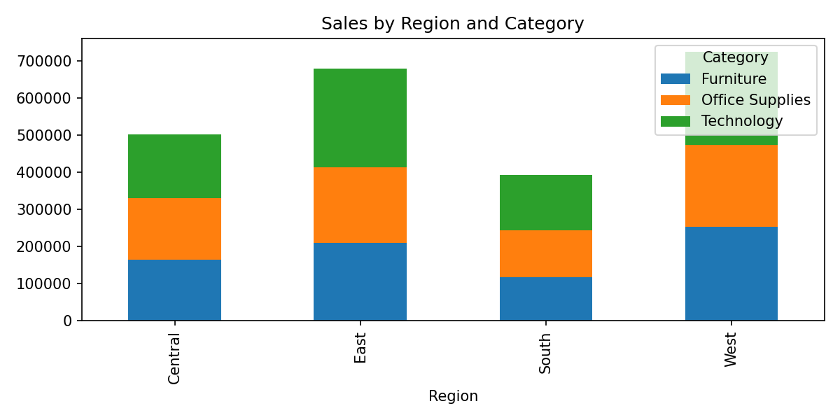
Region | Furniture | Office Supplies | Technology
Central | 163797.1638 | 167026.415 | 170416.312
East | 208291.204 | 205516.055 | 264973.981
South | 117298.684 | 125651.313 | 148771.908
West | 252612.7435 | 220853.249 | 251991.832

Top_Products
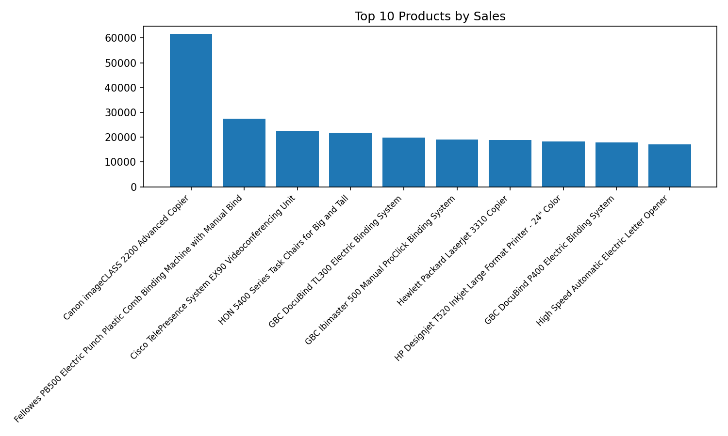
Product Name | Sales
Canon imageCLASS 2200 Advanced Copier | 61599.824
Fellowes PB500 Electric Punch Plastic Comb Binding Machine with Manual Bind | 27453.384
Cisco TelePresence System EX90 Videoconferencing Unit | 22638.48
HON 5400 Series Task Chairs for Big and Tall | 21870.576
GBC DocuBind TL300 Electric Binding System | 19823.479
GBC Ibimaster 500 Manual ProClick Binding System | 19024.5
Hewlett Packard LaserJet 3310 Copier | 18839.686
HP Designjet T520 Inkjet Large Format Printer - 24" Color | 18374.895
GBC DocuBind P400 Electric Binding System | 17965.068
High Speed Automatic Electric Letter Opener | 17030.312

