Sheet1
Your Cart (83 items)
Item |  | Price | Quantity | Total
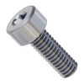 | M4 x 0.7mm Zinc-Plated Socket Head Screw (11mm Length) - 25 Pack | $3.49 | 1 | $3.49
 | SKU: 2800-0004-0011
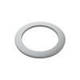 | 2807 Series Stainless Steel Shim (8mm ID x 11mm OD, 0.50mm Thickness) - 12 Pack | $2.59 | 1 | $2.59
 | SKU: 2807-0811-0500
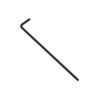 | Wera Tools 2.5mm Ball-End Hex-Plus L-Key | $2.49 | 1 | $2.49
 | SKU: 5027103001
 | Wera Tools 3mm Ball-End Hex-Plus L-Key | $2.99 | 1 | $2.99
 | SKU: 5027104001
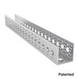 | 1120 Series U-Channel (17 Hole, 432mm Length) | $19.99 | 2 | $39.98
 | SKU: 1120-0017-0432
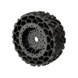 | Wasteland Wheel (144mm Diameter, 52mm Width) | $24.99 | 4 | $99.96
 | SKU: 3616-0014-0144
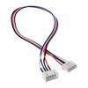 | Encoder Cable Extension (4-Pos JST XH, 300mm Length) | $2.99 | 4 | $11.96
 | SKU: 3802-0910-0300
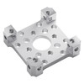 | 1201 Series Quad Block Pattern Mount (43-2) | $6.99 | 4 | $27.96
 | SKU: 1201-0043-0002
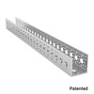 | 1120 Series U-Channel (21 Hole, 528mm Length) | $23.99 | 4 | $95.96
 | SKU: 1120-0021-0528
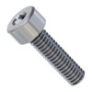 | M4 x 0.7mm Zinc-Plated Socket Head Screw (14mm Length) - 25 Pack | $3.69 | 1 | $3.69
 | SKU: 2800-0004-0014
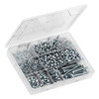 | M4 Socket Head Screw Assortment Pack | $44.99 | 1 | $44.99
 | SKU: 3201-0004-0001
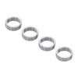 | 1522 Series 8mm ID Spacer (10mm OD, 3mm Length) - 4 Pack | $2.99 | 2 | $5.98
 | SKU: 1522-0010-0030
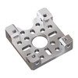 | 1201 Series Quad Block Pattern Mount (43-5) | $6.99 | 4 | $27.96
 | SKU: 1201-0043-0005
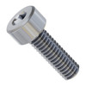 | M4 x 0.7mm Zinc-Plated Socket Head Screw (12mm Length) - 25 Pack | $3.59 | 2 | $7.18
 | SKU: 2800-0004-0012
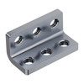 | Threaded Steel L-Bracket (3 Hole) - 4 Pack | $4.99 | 8 | $39.92
 | SKU: 1147-0001-0003
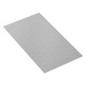 | 1116 Series Grid Plate (29 x 53 Hole, 232 x 424mm) | $24.99 | 3 | $74.97
 | SKU: 1116-0232-0424
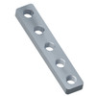 | 1 x 5 Steel Threaded Plate - 2 Pack | $2.99 | 4 | $11.96
 | SKU: 2803-0039-0007
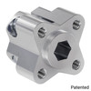 | 1310 Series Hyper Hub (8mm REX™ Bore) | $7.99 | 4 | $31.96
 | SKU: 1310-0016-4008
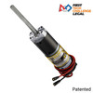 | 5204 Series Yellow Jacket Planetary Gear Motor (50.9:1 Ratio, 80mm Length 8mm REX™ Shaft, 117 RPM, 3.3 - 5V Encoder) | $46.99 | 4 | $187.96
 | SKU: 5204-8002-0051
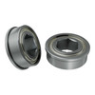 | 1611 Series Flanged Ball Bearing (8mm REX™ ID x 14mm OD, 5mm Thickness) - 2 Pack | $5.99 | 4 | $23.96
 | SKU: 1611-0514-4008
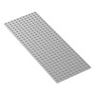 | 1116 Series Grid Plate (11 x 29 Hole, 88 x 232mm) | $7.99 | 2 | $15.98
 | SKU: 1116-0088-0232
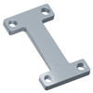 | Steel Channel-Connector Plate - 2 Pack | $3.49 | 4 | $13.96
 | SKU: 2803-0039-0022
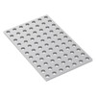 | 1116 Series Grid Plate (7 x 11 Hole, 56 x 88mm) | $3.49 | 2 | $6.98
 | SKU: 1116-0056-0088
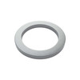 | 2807 Series Stainless Steel Shim (8mm ID x 11mm OD, 1mm Thickness) - 12 Pack | $2.59 | 2 | $5.18
 | SKU: 2807-0811-1000
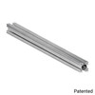 | 1109 Series goRAIL (336mm Length) | $9.39 | 3 | $28.17
 | SKU: 1109-0024-0336
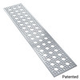 | 1123 Series Pattern Plate (3 x 17 Hole, 96 x 432mm) | $24.99 | 3 | $74.97
 | SKU: 1123-0096-0432
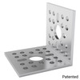 | 1113 Series L-Channel (1 Hole, 48mm Length) | $2.99 | 4 | $11.96
 | SKU: 1113-0001-0048
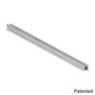 | 1109 Series goRAIL (624mm Length) | $15.09 | 4 | $60.36
 | SKU: 1109-0024-0624
 |  |  |  | $965.47

