Factor Model Predictions
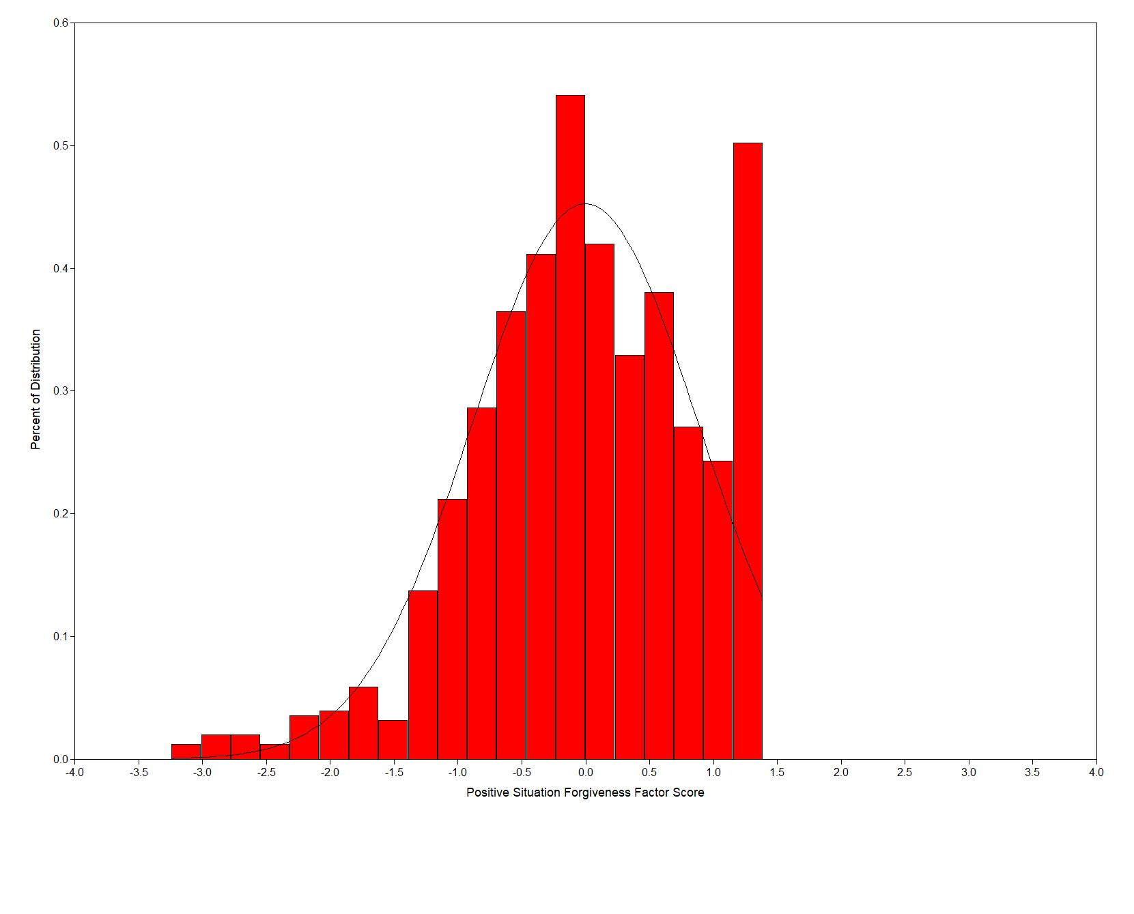
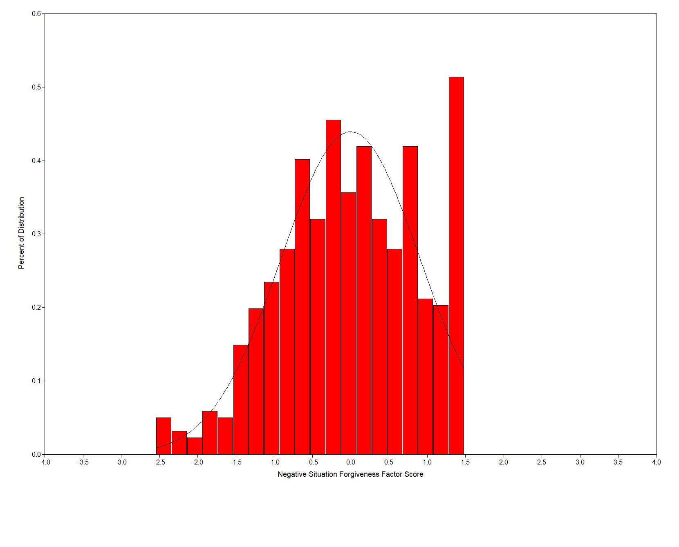
Two-Factor Model Unstandardized Solution
 |  |  |  |  | Difficulty = trait at which predicted y crosses response midpoint
FILL IN THINGS IN YELLOW (other fields are calculated) |  |  |  |  | Lower = trait at which predicted y goes below scale range
Factor Mean needs to be 0 |  |  |  |  | Upper = trait at which predicted y goes above scale range
Factor Variance needs to be 1
Lowest response |  | 1
Highest response |  | 7

Positive Factor |  |  | Rescaled y = 0 to 1 |  |  |  |  |  | Factor Scores (Mean=0, Variance=1)
Item | Intercept | Loading | Intercept | Loading | Difficulty | Lower | Upper | Item | -3 | -2 | -1 | 0 | 1 | 2 | 3
2 | 5.289 | 1.007 | 0.715 | 0.168 | -0.036 | -4.259 | 1.699 | 2 | 2.268 | 3.275 | 4.282 | 5.289 | 6.296 | 7.303 | 8.310
4 | 5.359 | 1.064 | 0.727 | 0.177 | -0.040 | -4.097 | 1.542 | 4 | 2.167 | 3.231 | 4.295 | 5.359 | 6.423 | 7.487 | 8.551
6 | 5.321 | 0.956 | 0.720 | 0.159 | -0.035 | -4.520 | 1.756 | 6 | 2.453 | 3.409 | 4.365 | 5.321 | 6.277 | 7.233 | 8.189

 |  |  |  |  |  |  |  | Lowest | 1.000 | 1.000 | 1.000 | 1.000 | 1.000 | 1.000 | 1.000
 |  |  |  |  |  |  |  | Highest | 7.000 | 7.000 | 7.000 | 7.000 | 7.000 | 7.000 | 7.000
Factor Mean needs to be 0
Factor Variance needs to be 1
Lowest response |  | 1
Highest response |  | 7

Adolescent Items |  |  | Rescaled y = 0 to 1 |  |  |  |  |  | Factor Scores (Mean=0, Variance=1)
Item | Intercept | Loading | Intercept | Loading | Difficulty | Lower | Upper | Item | -3 | -2 | -1 | 0 | 1 | 2 | 3
R1 | 4.547 | 1.325 | 0.591 | 0.221 | -0.020 | -2.677 | 1.851 | R1 | 0.572 | 1.897 | 3.222 | 4.547 | 5.872 | 7.197 | 8.522
R3 | 4.896 | 1.349 | 0.649 | 0.225 | -0.034 | -2.888 | 1.560 | R3 | 0.849 | 2.198 | 3.547 | 4.896 | 6.245 | 7.594 | 8.943
R5 | 4.860 | 1.009 | 0.643 | 0.168 | -0.024 | -3.826 | 2.121 | R5 | 1.833 | 2.842 | 3.851 | 4.860 | 5.869 | 6.878 | 7.887

 |  |  |  |  |  |  |  | Lowest | 1.000 | 1.000 | 1.000 | 1.000 | 1.000 | 1.000 | 1.000
 |  |  |  |  |  |  |  | Highest | 7.000 | 7.000 | 7.000 | 7.000 | 7.000 | 7.000 | 7.000

Positive EAP Factor Scores |  |  |  |  |  |  |  |  | Negative EAP Factor Scores

