TOG_height_train
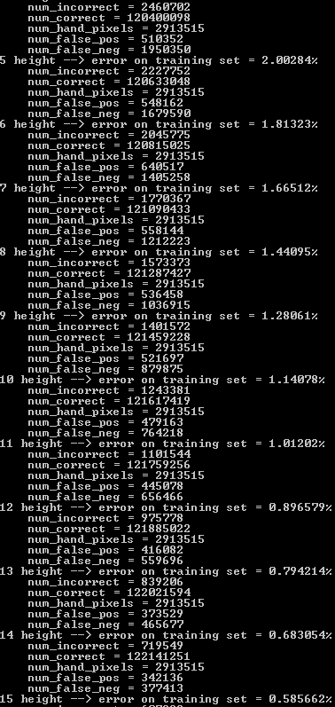
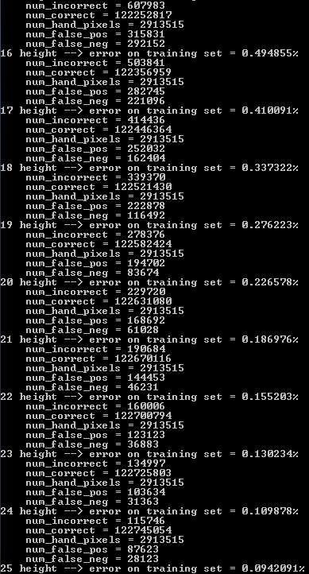
Training Set
Num_Trees | Incorrect | Correct | num_hand_pixels | False_Pos | False_Neg
5 | 2460702 | 120400098 | 2913515 | 510352 | 1950350
6 | 2227752 | 120633048 | 2913515 | 548162 | 1679590
7 | 2045775 | 120815025 | 2913515 | 640517 | 1405258
8 | 1770367 | 121090433 | 2913515 | 558144 | 1212223
9 | 1573373 | 121287427 | 2913515 | 536458 | 1036915
10 | 1401572 | 121459228 | 2913515 | 521697 | 879875
11 | 1243381 | 121617419 | 2913515 | 479163 | 764218
12 | 1101544 | 121759256 | 2913515 | 445078 | 656466
13 | 975778 | 121885022 | 2913515 | 416082 | 559696
14 | 839206 | 122021594 | 2913515 | 373529 | 465677
15 | 719549 | 122141251 | 2913515 | 342136 | 377413
16 | 607983 | 122252817 | 2913515 | 315831 | 292152
17 | 503841 | 122356959 | 2913515 | 282745 | 221096
18 | 414436 | 122446364 | 2913515 | 252032 | 162404
19 | 339370 | 122521430 | 2913515 | 222878 | 116492
20 | 278376 | 122582424 | 2913515 | 194702 | 83674
21 | 229720 | 122631080 | 2913515 | 168692 | 61028
22 | 190684 | 122670116 | 2913515 | 144453 | 46231
23 | 160006 | 122700794 | 2913515 | 123123 | 36883
24 | 134997 | 122725803 | 2913515 | 103634 | 31363
25 | 115746 | 122745054 | 2913515 | 87623 | 28123

TOG_num_trees_train
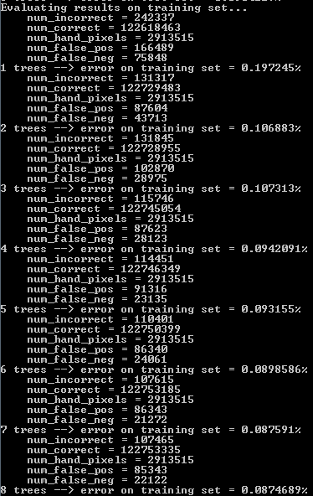
Training Set
Num_Trees | Incorrect | Correct | num_hand_pixels | False_Pos | False_Neg
1 | 242337 | 122618463 | 2913515 | 166489 | 75848
2 | 131317 | 122729483 | 2913515 | 87604 | 43713
3 | 131845 | 122728955 | 2913515 | 102870 | 28975
4 | 115746 | 122745054 | 2913515 | 87623 | 28123
5 | 114451 | 122746349 | 2913515 | 91316 | 23135
6 | 110401 | 122750399 | 2913515 | 86340 | 24061
7 | 107615 | 122753185 | 2913515 | 86343 | 21272
8 | 107465 | 122753335 | 2913515 | 85343 | 22122

TOG_height_test
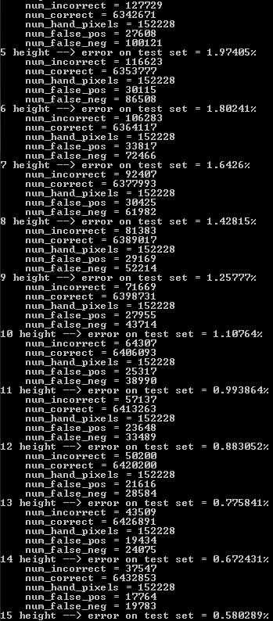
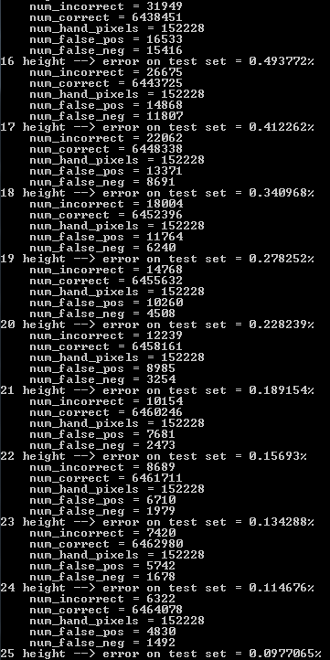
Training Set
Num_Trees | Incorrect | Correct | num_hand_pixels | False_Pos | False_Neg
5 | 127729 | 6342671 | 152228 | 27608 | 100121
6 | 116623 | 6353777 | 152228 | 30115 | 86508
7 | 106283 | 6364117 | 152228 | 33817 | 72466
8 | 92407 | 6377993 | 152228 | 30425 | 61982
9 | 81383 | 6389017 | 152228 | 29169 | 52214
10 | 71669 | 6398731 | 152228 | 27955 | 43714
11 | 64307 | 6406093 | 152228 | 25317 | 38990
12 | 57137 | 6413263 | 152228 | 23648 | 33789
13 | 50200 | 6420200 | 152228 | 21616 | 28584
14 | 43509 | 6426891 | 152228 | 19434 | 24075
15 | 37547 | 6432853 | 152228 | 17764 | 19783
16 | 31949 | 6438451 | 152228 | 16533 | 15416
17 | 26675 | 6443725 | 152228 | 14868 | 11807
18 | 22062 | 6448338 | 152228 | 13371 | 8691
19 | 18004 | 6452396 | 152228 | 11764 | 6240
20 | 14768 | 6455632 | 152228 | 10260 | 4508
21 | 12239 | 6458161 | 152228 | 8985 | 3254
22 | 10154 | 6460246 | 152228 | 7681 | 2473
23 | 8689 | 6461711 | 152228 | 6710 | 1979
24 | 7420 | 6462980 | 152228 | 5742 | 1678
25 | 6322 | 6464078 | 152228 | 4830 | 1492

 |  | hand error | 0.041529810547
 |  |  | 0.00097706478734

 |  | total pixels | 6470400
 |  | hand pixels | 152228 | 0.023526829871

 |  |  | 0.76399873458

TOG_num_trees_test
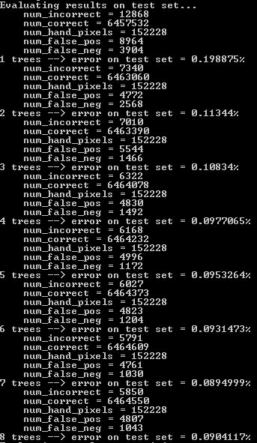
Training Set
Num_Trees | Incorrect | Correct | num_hand_pixels | False_Pos | False_Neg
1 | 12868 | 6457532 | 152228 | 8964 | 3904
2 | 7340 | 6463060 | 152228 | 4772 | 2568
3 | 7010 | 6463390 | 152228 | 5544 | 1466
4 | 6322 | 6464078 | 152228 | 4830 | 1492
5 | 6168 | 6464232 | 152228 | 4996 | 1172
6 | 6027 | 6464373 | 152228 | 4823 | 1204
7 | 5791 | 6464609 | 152228 | 4761 | 1030
8 | 5850 | 6464550 | 152228 | 4807 | 1043

OLD_DATA
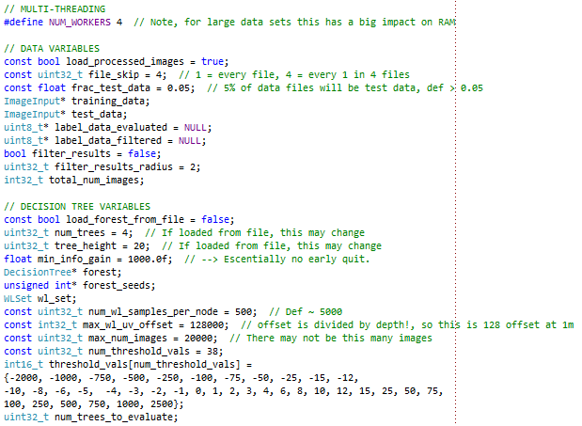

Using data set hand_depth_data_28Jul2012.zip. From a videostream of 11734 images, every second image was labeled and saved as a processed image. Then every 4 of those
Error is the error of pixels NOT in the background and NOT 0 value (which are trivially labeled 0)

 |  |  |  |  |  |  |  |  |  |  |  |  |  |  |  | With filter
WL #Samples | Num trees | Tree height | Min info gain | Max WL UV | max images | File skip | Frac Test data | Max Dist | DT Downsample | pix |  | 1T error | 2T error | 3T error | 4T error | 1T error + filt | 2T error + filt | 3T error + filt | 4T error + filt
10000 | 4 | 20 | 1000 | 128000 | 20000 | 4 | 0.05 | 2000 | 4 | inf |  | 3.7014 | 3.2574 | 3.1733 | 3.2597 | 2.8977 | 2.8726 | 2.9196 | 3.0929
2000 | 4 | 20 | 1000 | 128000 | 20000 | 4 | 0.05 | 2000 | 4 | inf |  | 3.8382 | 3.2733 | 3.3088 | 3.3401 | 3.0214 | 2.9499 | 3.1838 | 3.206
500 | 4 | 20 | 1000 | 128000 | 20000 | 4 | 0.05 | 2000 | 4 | inf |  | 4.1515 | 3.5174 | 3.3339 | 3.3271 | 3.3866 | 3.1558 | 3.089 | 3.1712
200 | 4 | 20 | 1000 | 128000 | 20000 | 4 | 0.05 | 2000 | 4 | inf |  | 4.3533 | 3.7132 | 3.6853 | 3.633 | 3.4621 | 3.2686 | 3.383 | 3.3629
50 | 4 | 20 | 1000 | 128000 | 20000 | 4 | 0.05 | 2000 | 4 | inf |  | 4.8138 | 4.0779 | 4.0935 | 4.2486 | 3.7753 | 3.5007 | 3.6858 | 3.9688
20 | 4 | 20 | 1000 | 128000 | 20000 | 4 | 0.05 | 2000 | 4 | inf |  | 5.7794 | 5.0756 | 5.1109 | 5.2385 | 4.6279 | 4.5083 | 4.6984 | 4.9879
5 | 4 | 20 | 1000 | 128000 | 20000 | 4 | 0.05 | 2000 | 4 | inf |  | 7.6744 | 7.3713 | 7.2486 | 7.2554 | 6.5422 | 6.8273 | 6.8166 | 6.9353

Conclusion, more samples are better --> But with diminishing returns. ~500-2000 WLs per node is a good tradeoff.

No filter
WL #Samples | Num trees | Tree height | Min info gain | Max WL UV | max images | File skip | Frac Test data | Max Dist | DT Downsample | pix |  | 1 | 2 | 3 | 4 | 5 | 6 | 7 | 8 | 9 | 10 | 11 | 12
500 | 12 | 20 | 1000 | 128000 | 20000 | 4 | 0.05 | 2000 | 4 | inf |  | 4.2959 | 3.6821 | 3.5341 | 3.5438 | 3.5265 | 3.5795 | 3.6101 | 3.6638 | 3.6829 | 3.8166 | 3.874 | 3.892

With filter
WL #Samples | Num trees | Tree height | Min info gain | Max WL UV | max images | File skip | Frac Test data | Max Dist | DT Downsample | pix |  | 1 | 2 | 3 | 4 | 5 | 6 | 7 | 8 | 9 | 10 | 11 | 12
500 | 12 | 20 | 1000 | 128000 | 20000 | 4 | 0.05 | 2000 | 4 | inf |  | 3.4333 | 3.2584 | 3.2686 | 3.3467 | 3.3845 | 3.45 | 3.5265 | 3.5816 | 3.602 | 3.762 | 3.8072 | 3.8215

No filter --> Multiply prob hist
WL #Samples | Num trees | Tree height | Min info gain | Max WL UV | max images | File skip | Frac Test data | Max Dist | DT Downsample | pix |  | 1 | 2 | 3 | 4 | 5 | 6 | 7 | 8 | 9 | 10 | 11 | 12
500 | 12 | 20 | 1000 | 128000 | 20000 | 4 | 0.05 | 2000 | 4 | inf |  | 4.2959 | 3.72223 | 3.6743 | 3.8923 | 4.0291 | 4.2919 | 4.5245 | 4.7832 | 5.0038 | 5.2275 | 5.4074 | 5.6165

With filter --> Multiply prob hist
WL #Samples | Num trees | Tree height | Min info gain | Max WL UV | max images | File skip | Frac Test data | Max Dist | DT Downsample | pix |  | 1 | 2 | 3 | 4 | 5 | 6 | 7 | 8 | 9 | 10 | 11 | 12
500 | 12 | 20 | 1000 | 128000 | 20000 | 4 | 0.05 | 2000 | 4 | inf |  | 3.4333 | 2.9862 | 2.9196 | 3.1425 | 3.3263 | 3.65 | 3.9228 | 4.2246 | 4.4896 | 4.7676 | 4.9939 | 5.2469

Multiplying leaf probabilities results in higher error BEFORE filtering but lower error AFTER filtering!
~2-3 trees are optimal --> Same as kinect paper.

WL Samples = 500
WL Samples = 500

No filter
WL #Samples | Num trees | Tree height | Min info gain | Max WL UV | max images | File skip | Frac Test data | Max Dist | DT Downsample | pix |  | 1 | 2 | 3 | 4 | 5 | 6 | 7 | 8 | 9 | 10 | 11 | 12
500 | 12 | 20 | 1000 | 128000 | 20000 | 4 | 0.05 | 2000 | 4 | inf |  | 3.7993 | 3.26 | 3.2378 | 3.2791 | 3.3699 | 3.4049 | 3.5268 | 3.6819 | 3.6732 | 3.7119 | 3.7061 | 3.7025

With filter
WL #Samples | Num trees | Tree height | Min info gain | Max WL UV | max images | File skip | Frac Test data | Max Dist | DT Downsample | pix |  | 1 | 2 | 3 | 4 | 5 | 6 | 7 | 8 | 9 | 10 | 11 | 12
500 | 12 | 20 | 1000 | 128000 | 20000 | 4 | 0.05 | 2000 | 4 | inf |  | 3.0519 | 2.9039 | 2.983 | 3.0718 | 3.2007 | 3.2569 | 3.3798 | 3.5576 | 3.5571 | 3.6056 | 3.6283 | 3.6328

No filter --> Multiply prob hist
WL #Samples | Num trees | Tree height | Min info gain | Max WL UV | max images | File skip | Frac Test data | Max Dist | DT Downsample | pix |  | 1 | 2 | 3 | 4 | 5 | 6 | 7 | 8 | 9 | 10 | 11 | 12
500 | 12 | 20 | 1000 | 128000 | 20000 | 4 | 0.05 | 2000 | 4 | inf |  | 3.7993 | 3.5036 | 3.6717 | 3.9126 | 4.1481 | 4.4031 | 4.6331 | 4.848 | 4.9668 | 5.15 | 5.3667 | 5.5559

With filter --> Multiply prob hist
WL #Samples | Num trees | Tree height | Min info gain | Max WL UV | max images | File skip | Frac Test data | Max Dist | DT Downsample | pix |  | 1 | 2 | 3 | 4 | 5 | 6 | 7 | 8 | 9 | 10 | 11 | 12
500 | 12 | 20 | 1000 | 128000 | 20000 | 4 | 0.05 | 2000 | 4 | inf |  | 3.0519 | 2.8261 | 2.9885 | 3.2078 | 3.4628 | 3.7463 | 3.9996 | 4.2562 | 4.4358 | 4.6483 | 4.9135 | 5.1649

WL Samples = 2000
WL Samples = 2000

At downsample = 4, im_size = 19200 |  |  |  |  |  | 160 | 120
WL #Samples | Num trees | Tree height | Min info gain | Max WL UV | max images | File skip | Frac Test data | Max Dist | DT Downsample | pix |  | 1T error | 2T error | 3T error | 4T error | 1T error + filt | 2T error + filt | 3T error + filt | 4T error + filt
500 | 4 | 20 | 1000 | 128000 | 20000 | 4 | 0.05 | 2000 | 4 | 10000 |  | 4.1752 | 3.6505 | 3.6291 | 3.8098 | 3.3247 | 2.8332 | 2.9029 | 3.0945
500 | 4 | 20 | 1000 | 128000 | 20000 | 4 | 0.05 | 2000 | 4 | 1000 |  | 4.5191 | 3.945 | 3.885 | 3.9695 | 3.1211 | 2.6943 | 2.61 | 2.7282
500 | 4 | 20 | 1000 | 128000 | 20000 | 4 | 0.05 | 2000 | 4 | 100 |  | 7.335 | 6.1258 | 5.6327 | 5.6045 | 5.3951 | 3.9607 | 3.6364 | 3.9082
500 | 4 | 20 | 1000 | 128000 | 20000 | 4 | 0.05 | 2000 | 4 | 10 |  | 11.5745 | 8.865 | 7.8963 | 7.6921 | 8.6377 | 6.0692 | 5.8384 | 6.1906

~1000 pixels per image per classification label is the sweet spot between training speed and error. More pixels help, but with diminishing returns.

Im size = 160x120
Im size = 160x120
Im size = 160x120

Occupancy size ~ 1,300,000

At downsample = 2, im_size = 76800 |  |  |  |  |  | 320 | 240
WL #Samples | Num trees | Tree height | Min info gain | Max WL UV | max images | File skip | Frac Test data | Max Dist | DT Downsample | pix |  | 1T error | 2T error | 3T error | 4T error | 1T error + filt | 2T error + filt | 3T error + filt | 4T error + filt
500 | 4 | 20 | 1000 | 128000 | 20000 | 4 | 0.05 | 2000 | 2 | 10000
500 | 4 | 20 | 1000 | 128000 | 20000 | 4 | 0.05 | 2000 | 2 | 1000 |  | 4.668 | 3.6481 | 3.4873 | 3.6045 | 3.6953 | 2.6588 | 2.54 | 2.6443
500 | 4 | 20 | 1000 | 128000 | 20000 | 4 | 0.05 | 2000 | 2 | 100 |  | 6.7431 | 5.4615 | 5.0902 | 5.1323 | 5.4101 | 4.0977 | 3.88 | 4.0694
500 | 4 | 20 | 1000 | 128000 | 20000 | 4 | 0.05 | 2000 | 2 | 10 |  | 11.1628 | 8.6894 | 7.7648 | 7.638 | 9.4799 | 7.0731 | 6.5032 | 6.5906
 | 1T error | 4T error
10000
1000 | 4.668 | 3.6045
100 | 6.7431 | 5.1323
10 | 11.1628 | 7.638
 | 1T error + filt | 4T error + filt
10000
1000 | 3.6953 | 2.6443
100 | 5.4101 | 4.0694
10 | 9.4799 | 6.5906
Using larger images but keeping the sample size constant, doesn't result in better error. Might as well use low res data, with more training images!

Im size = 320x240
Im size = 320x240

Occupancy size = 2,633,687

Training data was cleaned up manually!

WL #Samples | Num trees | Tree height | Min info gain | Max WL UV | max images | File skip | Frac Test data | Max Dist | DT Downsample | pix |  |  |  | 1T error | 2T error | 3T error | 4T error | 1T error + filt | 2T error + filt | 3T error + filt | 4T error + filt
1000 | 4 | 20 | 1000 | 128000 | 20000 | 4 | 0.05 | 2000 | 4 | 4000 |  |  |  | 3.5681 | 3.2191 | 3.4444 | 3.7323 | 2.4518 | 2.3112 | 2.6042 | 2.9258

WL #Samples | Num trees | Tree height | Min info gain | Max WL UV | max images | File skip | Frac Test data | Max Dist | DT Downsample | pix | boots. passes | boots. height |  | 1T error | 2T error | 3T error | 4T error | 1T error + filt | 2T error + filt | 3T error + filt | 4T error + filt
1000 | 4 | 10 | 1000 | 128000 | 20000 | 4 | 0.05 | 2000 | 4 | 1000 | 0 | 15 |  | 10.5854 | 8.8189 | 8.2339 | 8.0901 | 9.4138 | 8.205 | 7.8194 | 7.7893
1000 | 4 | 15 | 1000 | 128000 | 20000 | 4 | 0.05 | 2000 | 4 | 1000 | 0 | 15 |  | 6.0081 | 4.5188 | 3.9569 | 3.7206 | 4.6469 | 3.5259 | 3.3437 | 3.1778
1000 | 4 | 20 | 1000 | 128000 | 20000 | 4 | 0.05 | 2000 | 4 | 1000 | 0 | 15 |  | 4.6266 | 3.5455 | 2.7957 | 2.4907 | 3.165 | 2.2863 | 2.1414 | 1.9362
1000 | 4 | 25 | 1000 | 128000 | 20000 | 4 | 0.05 | 2000 | 4 | 1000 | 0 | 15 |  | 3.7001 | 3.2364 | 2.3069 | 2.1283 | 2.4768 | 2.1845 | 1.8129 | 1.6915
1000 | 4 | 30 | 1000 | 128000 | 20000 | 4 | 0.05 | 2000 | 4 | 1000 | 0 | 15 |  | 3.9857 | 3.3898 | 2.4918 | 2.1571 | 2.4294 | 2.0838 | 1.7894 | 1.6031

 | 1T error | 4T error
10 | 10.5854 | 8.0901
15 | 6.0081 | 3.7206
20 | 4.6266 | 2.4907
22 | 3.7001 | 2.1283
25 | 3.9857 | 2.1571
 | 1T error + filt | 4T error + filt
10 | 9.4138 | 7.7893
15 | 4.6469 | 3.1778
20 | 3.165 | 1.9362
22 | 2.4768 | 1.6915
25 | 2.4294 | 1.6031

Tree size = 2.5GB!

Plot vs tree height
Plot vs bootstrap passes and bootsrap height

Tree size = 311.3MB

WL #Samples | Num trees | Tree height | Min info gain | Max WL UV | max images | File skip | Frac Test data | Max Dist | DT Downsample | pix | boots. passes | boots. height | WL Type | 1T error | 2T error | 3T error | 4T error | 1T error + filt | 2T error + filt | 3T error + filt | 4T error + filt
2000 | 4 | 4 | 99999 | 32000 | 20000 | 1 | 0.05 | 2000 | 4 | 1000 | 0 | 20 | 0 | 6.30411 | 5.47375 | 4.57253 | 4.28503 | 3.45166 | 2.97932 | 3.03852 | 2.9385
2000 | 4 | 4 | 99999 | 64000 | 20000 | 1 | 0.05 | 2000 | 4 | 1000 | 0 | 20 | 0 | 4.45219 | 3.81851 | 2.67344 | 2.4294 | 2.39088 | 2.01025 | 1.74607 | 1.66778
2000 | 4 | 4 | 99999 | 128000 | 20000 | 1 | 0.05 | 2000 | 4 | 1000 | 0 | 20 | 0 | 4.27866 | 3.49832 | 2.698 | 2.37179 | 2.91553 | 2.24244 | 2.05195 | 1.85474
2000 | 4 | 4 | 99999 | 256000 | 20000 | 1 | 0.05 | 2000 | 4 | 1000 | 0 | 20 | 0 | 4.99981 | 4.13235 | 3.57713 | 3.29687 | 3.82293 | 3.14631 | 3.10849 | 2.90811
2000 | 4 | 4 | 99999 | 512000 | 20000 | 1 | 0.05 | 2000 | 4 | 1000 | 0 | 20 | 0 | 5.77415 | 4.92736 | 4.41685 | 3.94539 | 4.55062 | 3.88478 | 3.89662 | 3.48524

WL #Samples | Num trees | Tree height | Min info gain | Max WL UV | max images | File skip | Frac Test data | Max Dist | DT Downsample | pix | boots. passes | boots. height | WL Type | 1T error | 2T error | 3T error | 4T error | 1T error + filt | 2T error + filt | 3T error + filt | 4T error + filt
5000 | 4 | 4 | 99999 | 128000 | 20000 | 1 | 0.05 | 2000 | 4 | 1000 | 0 | 20 | 0 | 4.28874 | 3.44177 | 2.6236 | 2.30765 | 2.86517 | 2.26471 | 1.97437 | 1.75737
5000 | 4 | 4 | 99999 | 128000 | 20000 | 1 | 0.05 | 2000 | 4 | 1000 | 0 | 20 | 1 | 4.02226 | 3.19314 | 2.50521 | 2.21912 | 2.74377 | 2.11274 | 1.94822 | 1.74324
5000 | 4 | 4 | 99999 | 128000 | 20000 | 1 | 0.05 | 2000 | 4 | 1000 | 0 | 20 | 2 | 6.09471 | 5.1456 | 4.30305 | 3.84555 | 4.18448 | 3.26453 | 3.27513 | 2.91835

WL #Samples | Num trees | Tree height | Min info gain | Max WL UV | max images | File skip | Frac Test data | Max Dist | DT Downsample | pix | boots. passes | boots. height | WL Type | 1T error | 2T error | 3T error | 4T error | 5T | 6T | 1T error + filt | 2T error + filt | 3T error + filt | 4T error + filt | 5T | 6T
1000 | 4 | 4 | 99999 | 128000 | 20000 | 1 | 0.05 | 2000 | 4 | 1000 | 0 | 20 | 0 | 4.5356 | 3.6388 |  |  |  |  | 2.98444 | 2.26912
1000 | 4 | 4 | 99999 | 128000 | 20000 | 1 | 0.05 | 2000 | 4 | 1000 | 1 | 20 | 0 | 4.2723 | 3.60222 | 3.14136 | 9.0818 |  |  | 2.72433 | 2.28344 | 1.96483 | 6.89926
1000 | 4 | 4 | 99999 | 128000 | 20000 | 1 | 0.05 | 2000 | 4 | 1000 | 0 | 20 | 0 | 4.66795 | 3.73352 | 3.31259 | 10.1111 | 3.2283 | 3.48418 | 3.18324 | 2.39583 | 2.11397 | 7.85526 | 2.00088 | 2.18678

No filter
WL #Samples | Num trees | Tree height | Min info gain | Max WL UV | max images | File skip | Frac Test data | Max Dist | DT Downsample | pix | boots. passes | boots. height | WL Type | 1 | 2 | 3 | 4 | 5 | 6 | 7 | 8
5000 | 8 | 22 | 99999 | 128000 | 20000 | 1 | 0.05 | 2000 | 4 | 1000 | 0 | 20 | 1

With filter
WL #Samples | Num trees | Tree height | Min info gain | Max WL UV | max images | File skip | Frac Test data | Max Dist | DT Downsample | pix | boots. passes | boots. height | WL Type | 1 | 2 | 3 | 4 | 5 | 6 | 7 | 8
5000 | 8 | 22 | 99999 | 128000 | 20000 | 1 | 0.05 | 2000 | 4 | 1000 | 0 | 20 | 1
 | No filter
1
2
3
4
5
6
7
8
 | With filter
1
2
3
4
5
6
7
8

WL Samples = 2000
WL Samples = 2000

