plots and stats
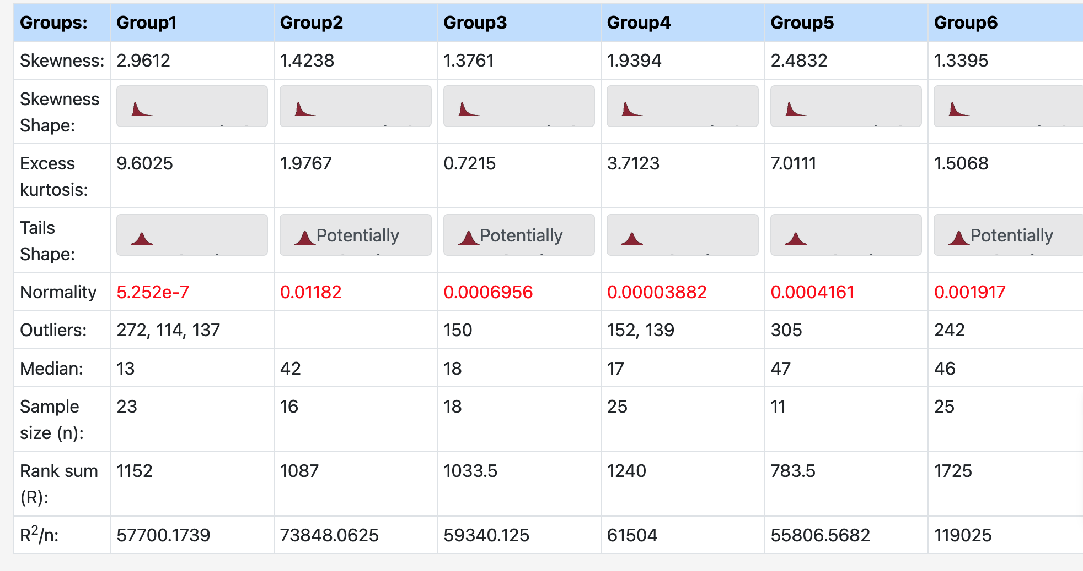
Month | duration convert | Month totals | duration
2 | 34.00 | 3 | 872.00 |  |  | Mean | St Dev | Median
2 | 176.00 | 6 | 918.00 |  | Mar | 37.91 | 61.58 | 13.00
3 | 31.00 | 7 | 727.00 |  | Jun | 57.37 | 57.62 | 42.00
3 | 272.00 | 8 | 816.00 |  | Jul | 40.39 | 45.34 | 18.00
3 | 18.00 | 9 | 755.00 |  | Aug | 32.64 | 40.00 | 17.00
3 | 5.00 | 10 | 1547.00 |  | Sep | 68.64 | 84.91 | 47.00
3 | 9.00 |  |  |  | Oct | 61.88 | 62.34 | 46.00
3 | 114.00
3 | 6.00
3 | 6.00
3 | 17.00
3 | 28.00
3 | 13.00
3 | 5.00
3 | 11.00
3 | 29.00
3 | 6.00
3 | 137.00
3 | 56.00
3 | 22.00
3 | 56.00
3 | 5.00
3 | 9.00
3 | 7.00
3 | 10.00
6 | 28.00
6 | 3.00
6 | 7.00
6 | 14.00
6 | 39.00
6 | 211.00
6 | 108.00
6 | 60.00
6 | 19.00 |  |  | comparisons
6 | 9.00 |  |  | March |  | October
6 | 82.00 |  |  | 31.00 |  | 20.00
6 | 125.00 |  |  | 272.00 |  | 2.00
6 | 45.00 |  |  | 18.00 |  | 31.00
6 | 115.00 |  |  | 5.00 |  | 124.00
6 | 8.00 |  |  | 9.00 |  | 71.00
6 | 45.00 |  |  | 114.00 |  | 7.00
7 | 107.00 |  |  | 6.00 |  | 130.00
7 | 12.00 |  |  | 6.00 |  | 242.00
7 | 150.00 |  |  | 17.00 |  | 125.00
7 | 39.00 |  |  | 28.00 |  | 52.00 |  |  | Mann Whitney test, also known as Wilcoxon rank sum exact test
7 | 30.00 |  |  | 13.00 |  | 80.00
7 | 15.00 |  |  | 5.00 |  | 46.00 |  |  | Test statistic W : 377
7 | 87.00 |  |  | 11.00 |  | 12.00
7 | 7.00 |  |  | 29.00 |  | 53.00 |  |  | p-value : 0.063368
7 | 16.00 |  |  | 6.00 |  | 176.00
7 | 15.00 |  |  | 137.00 |  | 2.00
7 | 63.00 |  |  | 56.00 |  | 20.00
7 | 20.00 |  |  | 22.00 |  | 56.00
7 | 5.00 |  |  | 56.00 |  | 140.00
7 | 4.00 |  |  | 5.00 |  | 76.00
7 | 24.00 |  |  | 9.00 |  | 11.00
7 | 7.00 |  |  | 7.00 |  | 6.00
7 | 6.00 |  |  | 10.00 |  | 6.00
7 | 120.00 |  |  |  |  | 36.00
8 | 152.00 |  |  |  |  | 23.00
8 | 23.00
8 | 5.00
8 | 22.00
8 | 3.00
8 | 30.00
8 | 32.00
8 | 14.00
8 | 2.00
8 | 139.00
8 | 62.00
8 | 46.00
8 | 13.00
8 | 7.00
8 | 63.00
8 | 2.00
8 | 1.00
8 | 7.00
8 | 17.00
8 | 45.00
8 | 1.00
8 | 3.00
8 | 52.00
8 | 11.00
8 | 64.00
9 | 4.00
9 | 106.00
9 | 73.00
9 | 72.00
9 | 305.00
9 | 12.00
9 | 11.00
9 | 47.00
9 | 18.00
9 | 71.00
9 | 36.00
10 | 20.00
10 | 2.00
10 | 31.00
10 | 124.00
10 | 71.00
10 | 7.00
10 | 130.00
10 | 242.00
10 | 125.00
10 | 52.00
10 | 80.00
10 | 46.00
10 | 12.00
10 | 53.00
10 | 176.00
10 | 2.00
10 | 20.00
10 | 56.00
10 | 140.00
10 | 76.00
10 | 11.00
10 | 6.00
10 | 6.00
10 | 36.00
10 | 23.00

