Executive Dashboard
EXECUTIVE DASHBOARD

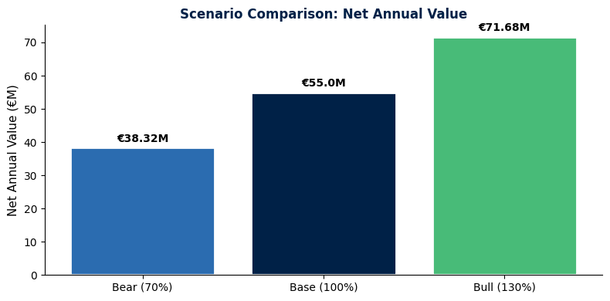
KEY PERFORMANCE INDICATORS
Metric | Value | Unit | Benchmark | Status
Category | High Voltage Electrical Equipment
Recommended Strategy | Dual Source with Framework
Overall Annual Value | 55,600,000 | € | €15M spend base | ✓
ROI | 90 | :1 | 3:1 typical | ✓
Payback Period | 1 | months | <6 months | ✓
NPV (5-year) | 222,000,000 | € |  | ✓

SCENARIO COMPARISON
Metric | Bear (70%) | Base (100%) | Bull (130%) | Variance
Annual Value | 38,920,000 | 55,600,000 | 72,280,000 | +85% Bear→Bull
Programme Cost | 600,000 | 600,000 | 600,000 | Fixed
Net Annual Value | 38,320,000 | 55,000,000 | 71,680,000 | +87%
ROI | 64.9 | 91.7 | 120.5 | :1
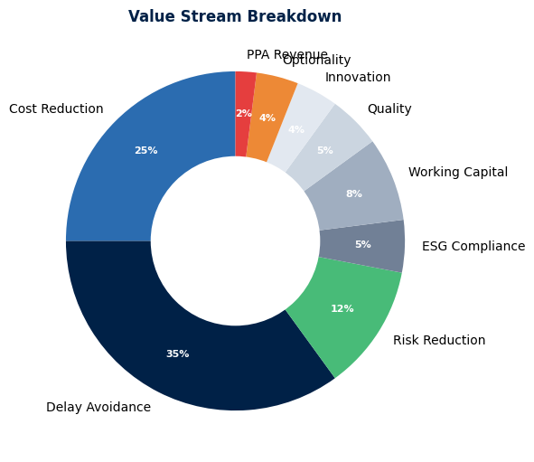
NPV (5yr, 8%) | 153000000 | 222000000 | 289000000 | €

RECOMMENDATION
Strategy | Dual Source with Framework Agreement
Rationale | Balances cost reduction through competition with supply resilience through dual-sourcing. Framework provides price certainty and reduces transaction costs.
Key Conditions | 1) Minimum volume commitment of €5M/yr per supplier 2) 6-month implementation timeline 3) Executive sponsorship for change management

Financial Calculator
FINANCIAL CALCULATOR

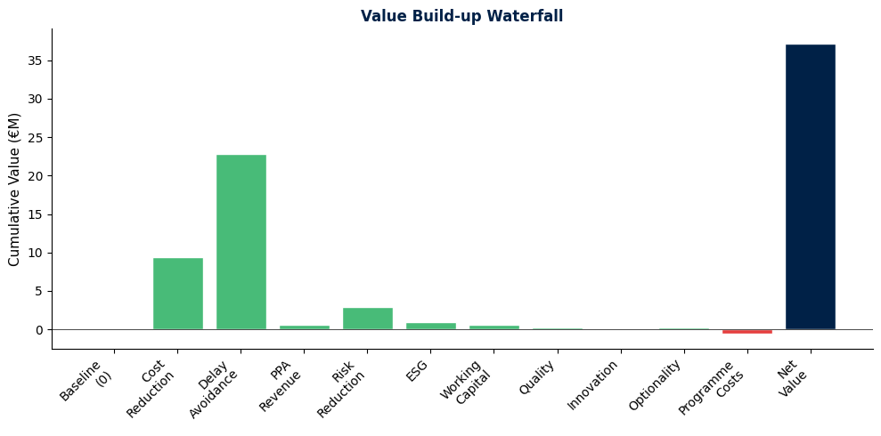
VALUE STREAMS
Value Stream | Description | Annual Value (€) | Confidence % | Weighted Value (€)
Cost Reduction | Price negotiation, volume discounts, TCO optimization | 12,500,000 | 75%
Delay Avoidance | Project schedule protection, liquidated damages avoided | 35,000,000 | 65%
PPA Revenue | Power purchase agreement optimization | 800,000 | 80%
Risk Reduction | Supply disruption mitigation, insurance cost reduction | 4,200,000 | 70%
ESG Compliance | CSRD alignment, carbon cost avoidance | 1,500,000 | 60%
Working Capital | Payment terms extension, inventory optimization | 800,000 | 75%
Quality/Performance | Defect reduction, warranty cost avoidance | 500,000 | 65%
Innovation Access | Early access to new technology, co-development | 200,000 | 50%
Strategic Optionality | Flexibility value, future sourcing options | 400,000 | 40%
TOTAL VALUE

PROGRAMME COSTS
Cost Category | Description | Year 1 | Annual (Y2-5) | Total 5-Year
Implementation | Setup, negotiation, contract execution | 300,000 | 0 | 300,000
Annual Running | Management, monitoring, compliance | 60,000 | 60,000 | 300,000
Opportunity Cost | Internal resource time | 0 | 0 | 0
TOTAL
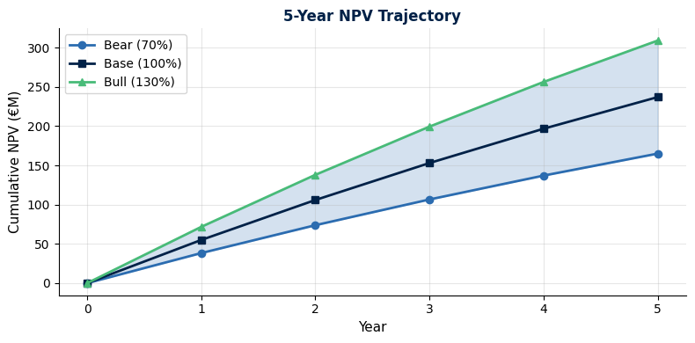
SCENARIO ANALYSIS
Metric | Bear (70%) | Base (100%) | Bull (130%) | Formula
Annual Gross Value |  |  |  | Base × factor
Annual Programme Cost |  |  |  | Fixed
Annual Net Value |  |  |  | Gross - Cost
5-Year NPV (8%) |  |  |  | PV calculation
ROI (Net/Cost) |  |  |  | :1 ratio
Payback (months) |  |  |  | months

FINANCIAL SUMMARY
Metric | Value | Notes
Base Case Annual Net Value |  | Central estimate
5-Year NPV (8% discount) |  | Present value of benefits
ROI Ratio |  | Return on investment
Payback Period |  | Months to recover costs
Break-even Threshold |  | Minimum projects to justify

MCDM Scoring
MULTI-CRITERIA DECISION MAKING (MCDM)

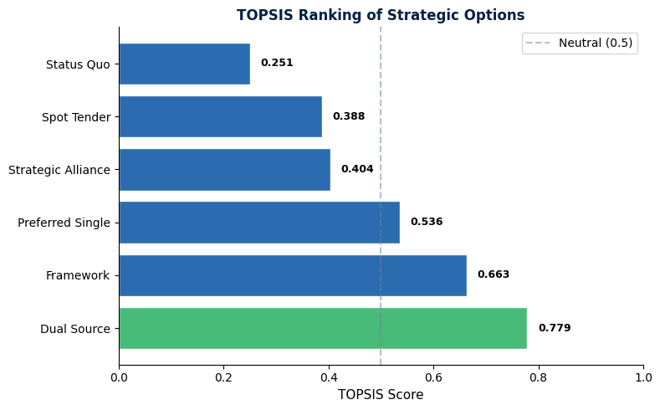
AHP - ANALYTIC HIERARCHY PROCESS
Pairwise Comparison Matrix
Criterion | Cost Reduc | Supply Res | Risk Reduc | Strategic | Implementa
Cost Red. | 1 | 1.5 | 2 | 3 | 4
Resilience |  | 1 | 1.5 | 2 | 3
Risk |  |  | 1 | 1.5 | 2
Strategic |  |  |  | 1 | 1.5
Ease |  |  |  |  | 1

Normalized Weights Calculation
Criterion | Row Sum | Weight | % Weight
Cost Red.
Resilience
Risk
Strategic
Ease

Consistency Ratio (CR) |  | CR < 0.10 = PASS

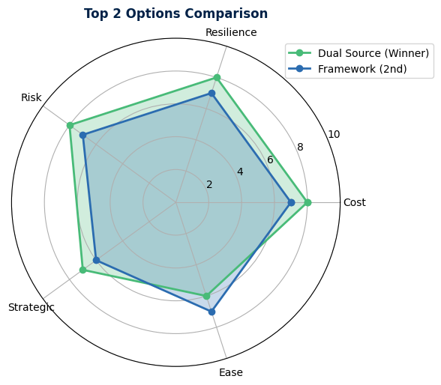
TOPSIS - TECHNIQUE FOR ORDER PREFERENCE BY SIMILARITY TO IDEAL SOLUTION
Step 1: Options Scoring Matrix (1-10 scale)
Option | Cost | Resilience | Risk | Strategic | Ease
Status Quo | 3 | 4 | 3 | 5 | 8
Preferred Single Source | 7 | 5 | 5 | 7 | 7
Dual Source | 8 | 8 | 8 | 7 | 6
Framework Agreement | 7 | 7 | 7 | 6 | 7
Spot/Competitive Tender | 9 | 4 | 4 | 3 | 5
Strategic Alliance | 5 | 6 | 6 | 9 | 4

Step 2: Normalized Matrix (rij = xij / sqrt(sum(xij^2)))
Option | Cost | Resilience | Risk | Strategic | Ease
Status Quo | 0.24 | 0.32 | 0.26 | 0.41 | 0.55
Preferred Single | 0.56 | 0.40 | 0.43 | 0.57 | 0.48
Dual Source | 0.64 | 0.64 | 0.69 | 0.57 | 0.41
Framework | 0.56 | 0.56 | 0.60 | 0.49 | 0.48
Spot Tender | 0.72 | 0.32 | 0.34 | 0.25 | 0.34
Strategic Alliance | 0.40 | 0.48 | 0.51 | 0.74 | 0.27

Step 3: Weighted Normalized Matrix (vij = wj × rij)
Option | Cost | Resilience | Risk | Strategic | Ease
Status Quo | 0.072 | 0.080 | 0.052 | 0.062 | 0.055
Preferred Single | 0.168 | 0.100 | 0.086 | 0.086 | 0.048
Dual Source | 0.192 | 0.160 | 0.138 | 0.086 | 0.041
Framework | 0.168 | 0.140 | 0.120 | 0.074 | 0.048
Spot Tender | 0.216 | 0.080 | 0.068 | 0.037 | 0.034
Strategic Alliance | 0.120 | 0.120 | 0.102 | 0.111 | 0.027

Step 4: Positive Ideal Solution (PIS) & Negative Ideal Solution (NIS)
Solution | Cost | Resilience | Risk | Strategic | Ease
PIS (V+) | 0.216 | 0.160 | 0.138 | 0.111 | 0.055
NIS (V-) | 0.072 | 0.080 | 0.052 | 0.037 | 0.027

Step 5-7: Distance from PIS/NIS and TOPSIS Score
Option | D+ (PIS) | D- (NIS) | TOPSIS Score | Rank
Status Quo | 0.164 | 0.055 | 0.251 | 6
Preferred Single | 0.089 | 0.103 | 0.536 | 3
Dual Source | 0.042 | 0.148 | 0.779 | 1
Framework | 0.063 | 0.124 | 0.663 | 2
Spot Tender | 0.112 | 0.071 | 0.388 | 4
Strategic Alliance | 0.121 | 0.082 | 0.404 | 5

TOPSIS Score Interpretation:
• 0.80+ = Clearly superior option
• 0.60-0.80 = Strong preference
• 0.40-0.60 = Moderate preference
• 0.20-0.40 = Weak preference
• <0.20 = Not recommended

Component Analysis
COMPONENT ANALYSIS

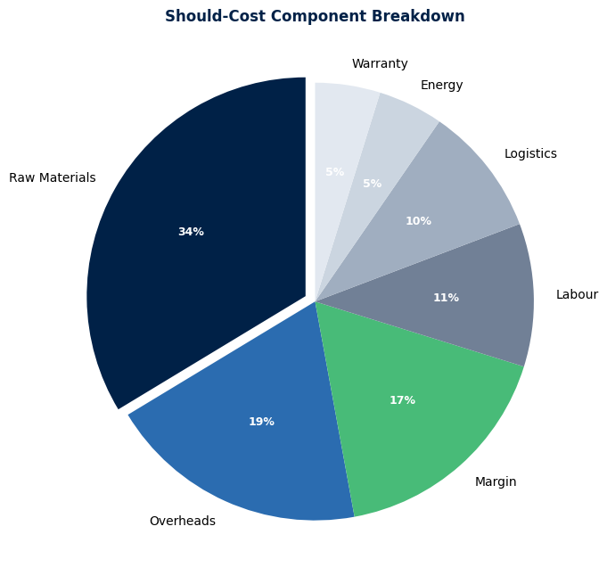
SUPPLIER LANDSCAPE
Supplier | HQ | Revenue (€M) | Market Share % | Tier | Notes
Siemens Energy | Germany | 32,000 | 1800% | Tier 1 | Leading HV equipment manufacturer
Hitachi Energy | Switzerland | 28,000 | 1500% | Tier 1 | Former ABB Power Grids
GE Grid Solutions | USA | 22,000 | 1200% | Tier 1 | Strong in North America
Hyosung Heavy Industries | South Korea | 8,500 | 800% | Tier 2 | Growing Asian player
Toshiba Energy | Japan | 7,200 | 600% | Tier 2 | Nuclear & HV focus
Mitsubishi Electric | Japan | 6,800 | 500% | Tier 2 | Premium positioning

SHOULD-COST ANALYSIS
Component | Unit | Qty | Rate (€) | Total (€) | % of Cost
Raw Materials | kg | 15000 | 450 | 6,750,000 | 35%
Labour (Manufacturing) | hrs | 25000 | 85 | 2,125,000 | 11%
Energy (Electricity) | MWh | 850 | 120 | 102,000 | 5%
Overheads | allocated | 1 | 3,800,000 | 3,800,000 | 20%
Margin | % | 0.18 | 0 | 3,420,000 | 18%
Logistics | shipment | 45 | 45,000 | 2,025,000 | 10%
Warranty/Service | yr | 5 | 200,000 | 1,000,000 | 5%
TOTAL

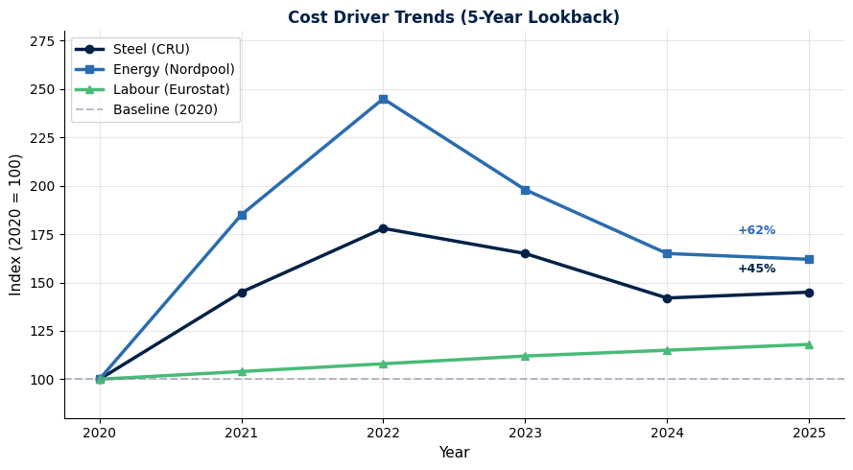
COST DRIVER ANALYSIS (5-YEAR TREND)
Driver | 5yr Trend | Price Impact % | Forward Projection | Risk Rating
Steel (HRC/CRU Index) | +45% (2020-2025) | 18% | +8% pa next 2yr | High
Copper (LME) | +38% (2020-2025) | 12% | +5% pa next 2yr | Medium
Energy (Nordpool/TTF) | +62% (2020-2025) | 8% | Volatile, +3% pa | High
Labour (Eurostat) | +18% (2020-2025) | 6% | +4% pa next 2yr | Low
Logistics (BDI/Freightos) | +38% (2020-2025) | 5% | Normalizing, -2% pa | Medium
FX (EUR/USD) | -12% (EUR weaker) | 3% | Stable range | Low

