List1
# | Scenario | Configuration | Note | Steps | Screenshots | Pass/Fail
1 | User without view permission is not able to open administrators page |  |  | 1. Log in as user without view permission 2. Check administrators is not in menu 3. Open administrators URL directly 4. Check page is not accessible 5. User is redirected to /welcome-page and popup is displayed |  | Pass 5.10.2026
2 | User without create permission does not see create button |  |  | 1. Log in as user without create permission 2. Go to administrators page 3. Click Actions 4. Check Create record is not shown |  | Pass 5.10.2026
3 | User without update permission does not see edit, password and resend activation buttons |  |  | 1. Log in as user without update permission 2. Go to administrators page 3. Check edit, password and activation buttons are not on rows |  | Pass 5.10.2026
4 | User without delete permission does not see delete button |  |  | 1. Log in as user without delete permission 2. Go to administrators page 3. Check delete button is not on rows |  | Pass 5.10.2026
5 | User without view-deleted permission does not see trash switch |  |  | 1. Log in as user without view-deleted permission 2. Go to administrators page 3. Click Actions 4. Check Show trash is not shown |  | Pass 5.10.2026
6 | User without sysadmin role does not see email domains button |  |  | 1. Log in as user without sysadmin role 2. Go to administrators page 3. Click Actions 4. Check E-mail domains is not shown |  | Pass 5.10.2026
7 | We are not able to call administrators API without permission (direct request returns 403) |  |  | 1. Log in as user without administrators permissions 2. Copy own access token (DevTools > Network > Authorization header) 3. Run ./test_permissions_403.sh, enter id of another test user and paste the token 4. Check every line is PASS and the script ends with "OK: every request was refused." | 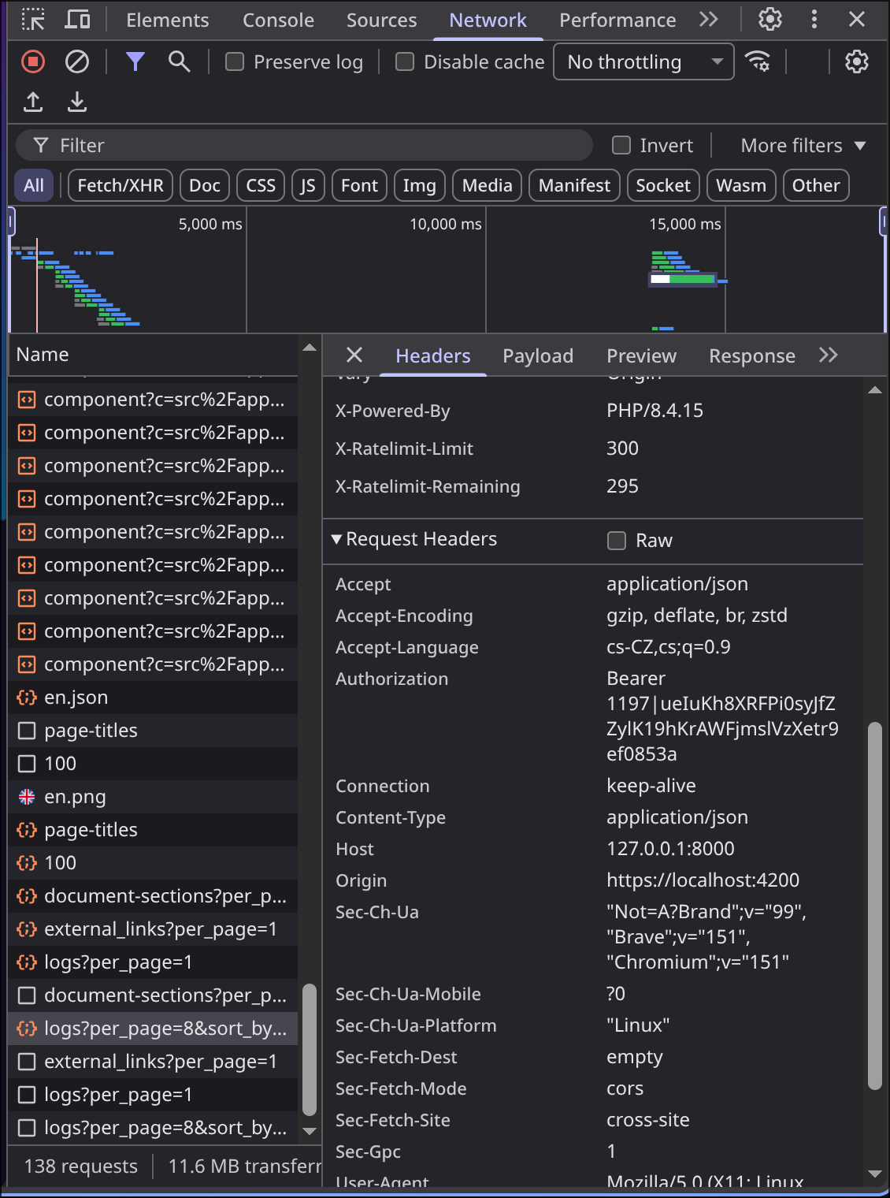 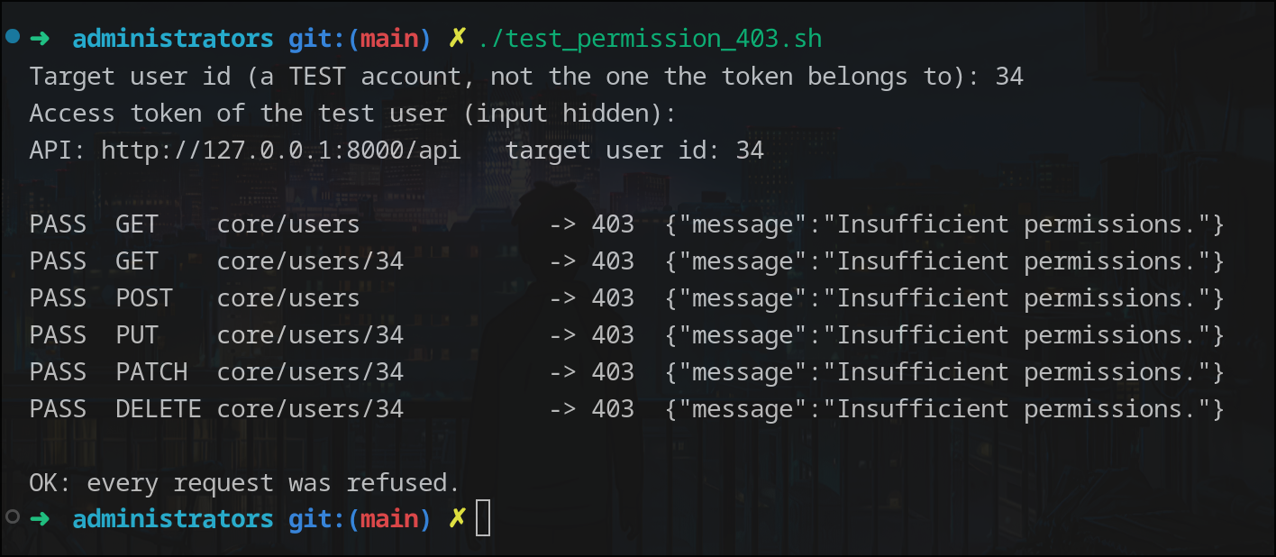 | Pass 5.10.2026
8 | We are not able to call administrators API without login (direct request returns 401) |  |  | 1. Copy own access token (DevTools > Network > Authorization header) 2. Log out 3. Run ./test_auth_401.sh and paste the token from step 1 4. Check every line is PASS and the script ends with "OK: every request was rejected as unauthenticated." | 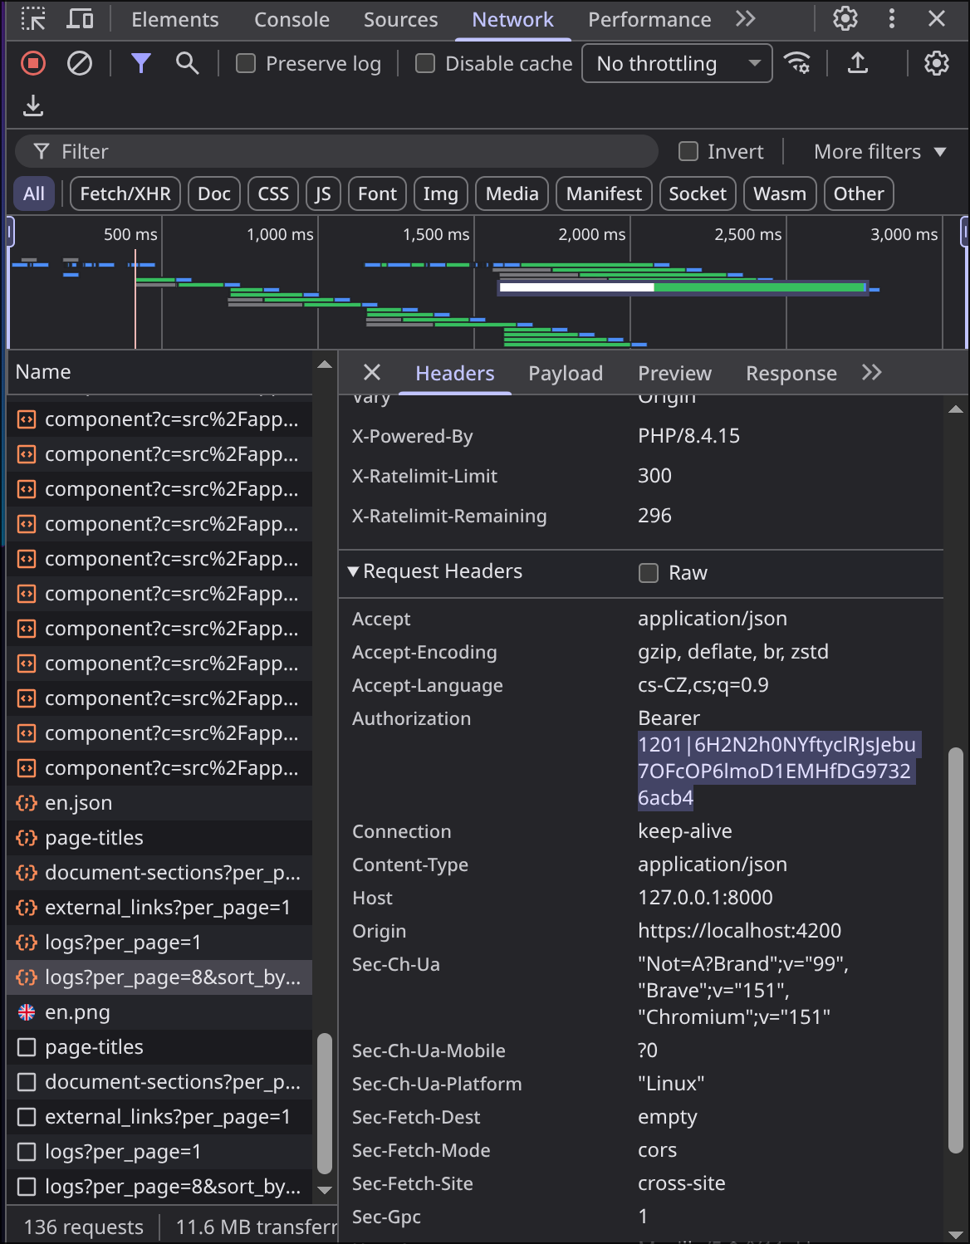 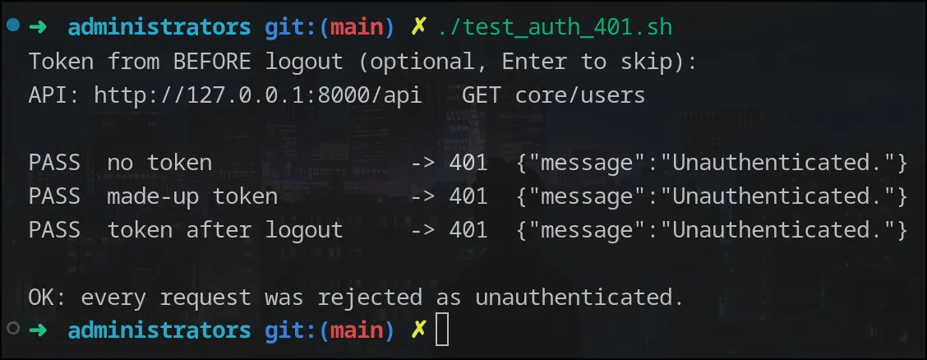 | Pass 5.10.2026
9 | We are able to create new user |  |  | 1. Go to administrators page 2. Click Actions 3. Click Create record 4. Fill e-mail, full name and role 5. Click save 6. Check success message 7. Check user is in table |  | Pass 5.10.2026
10 | We are not able to create user without email, full name or role |  |  | 1. Go to administrators page 2. Click Actions 3. Click Create record 4. Leave e-mail empty and try to save 5. Leave full name empty and try to save 6. Leave role empty and try to save 7. Check required error each time 8. Check user is not created |  | Pass 5.10.2026
11 | We are not able to create user with invalid email format |  |  | 1. Go to administrators page 2. Click Actions 3. Click Create record 4. Fill e-mail without @ 5. Fill full name and role 6. Click save 7. Check e-mail format error |  | Pass 5.10.2026
12 | We are not able to create user with email that already exists |  |  | 1. Go to administrators page 2. Click Actions 3. Click Create record 4. Fill e-mail of existing user 5. Fill full name and role 6. Click save 7. Check error that e-mail already exists |  | Pass 5.10.2026
13 | We are not able to create user with email of user in trash |  |  | 1. Soft delete a user 2. Go to administrators page 3. Click Actions 4. Click Create record 5. Fill e-mail of deleted user 6. Fill full name and role 7. Click save 8. Check error that e-mail already exists |  | Pass 5.10.2026
14 | We are not able to create user with restricted domain |  |  | 1. Set primary domain as sysadmin 2. Log in as user with create permission without sysadmin role 3. Go to administrators page 4. Click Actions 5. Click Create record 6. Fill e-mail from other domain 7. Fill full name and role 8. Click save 9. Check domain not allowed error 10. Check user is not created |  | Pass 5.10.2026
15 | We are able to create user with email from primary domain |  |  | 1. Set primary domain as sysadmin 2. Go to administrators page 3. Click Actions 4. Click Create record 5. Fill e-mail from primary domain 6. Fill full name and role 7. Click save 8. Check user is created |  | Pass 5.10.2026
16 | We are able to create user with email from domain exception |  |  | 1. Add domain exception as sysadmin 2. Go to administrators page 3. Click Actions 4. Click Create record 5. Fill e-mail from exception domain 6. Fill full name and role 7. Click save 8. Check user is created |  | Pass 5.10.2026
17 | We are able to create user with email exception |  |  | 1. Add e-mail exception as sysadmin 2. Go to administrators page 3. Click Actions 4. Click Create record 5. Fill the exception e-mail 6. Fill full name and role 7. Click save 8. Check user is created |  | Pass 5.10.2026
18 | We are able to create user with any email when primary domain is empty |  |  | 1. Clear primary domain as sysadmin 2. Go to administrators page 3. Click Actions 4. Click Create record 5. Fill e-mail from any domain 6. Fill full name and role 7. Click save 8. Check user is created |  | Pass 5.10.2026
19 | New user is created without password and is not able to log in before activation |  |  | 1. Go to administrators page 2. Click Actions 3. Click Create record 4. Check form has no password field 5. Fill e-mail, full name and role 6. Click save 7. Log out 8. Try to log in as new user with any password 9. Check login fails |  | Pass 5.10.2026
20 | We are not able to assign role with more permissions than we have |  | Needs 2 roles: LIMITED (few permissions incl. core-administrators-create) and HIGHER (many permissions). Test user has the LIMITED role. Role id: Roles page (sysadmin) > select role > ID badge next to the name. Sysadmin token is refused (sysadmin may assign any role). STOP = not tested: user lacks core-administrators-create, or 422 (e.g. unknown role id). Test e-mail uses the domain of the logged-in user; set another with EMAIL=… | 1. As sysadmin open Roles page and note the ID of the higher role 2. Log in as user with limited role 3. Copy own access token (DevTools > Network > Authorization header) 4. Run ./test_role_escalation_403.sh, enter the role ID and paste the token 5. Check line is PASS and the script ends with "OK: the role was refused, no account was created." | 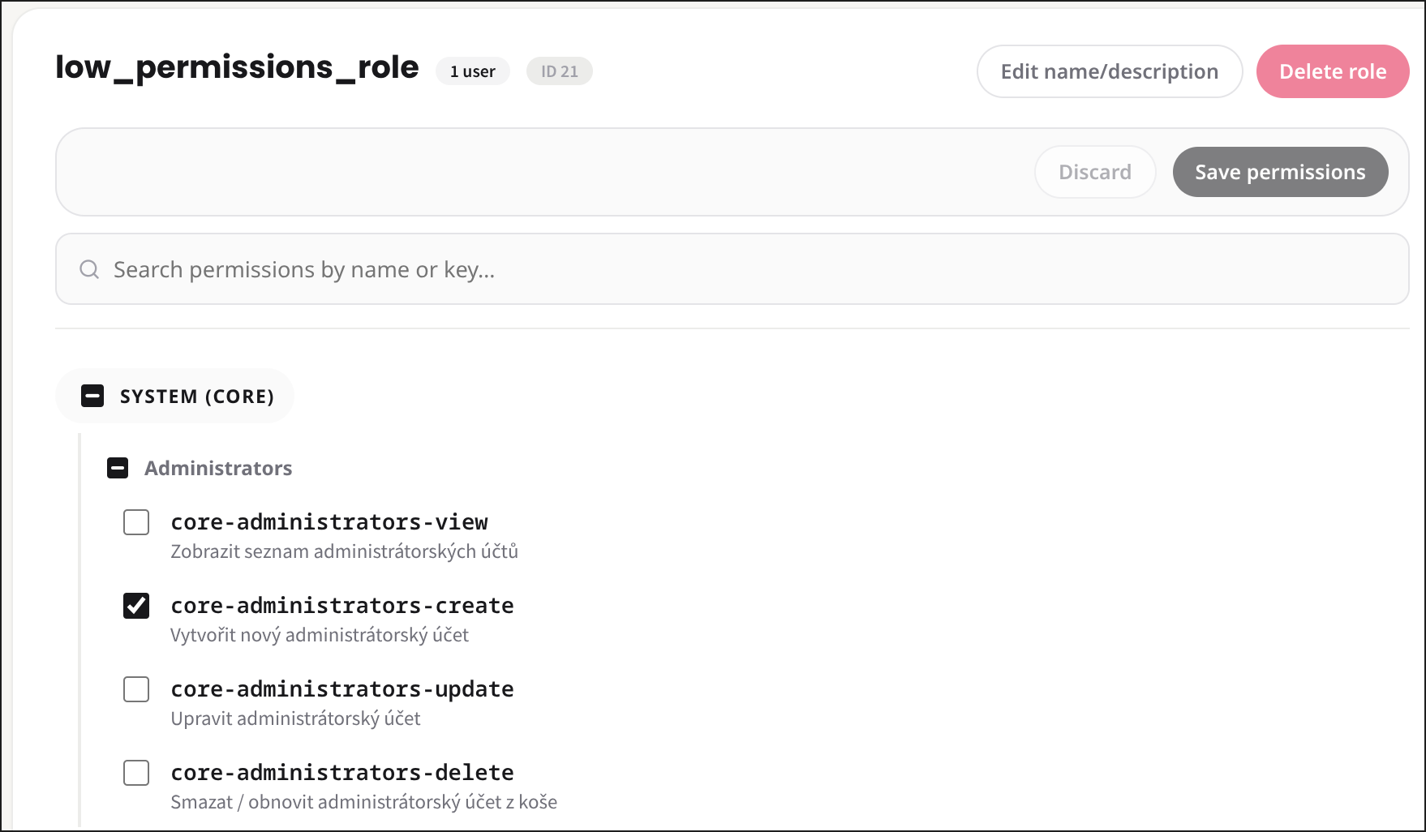 | Pass 5.10.2026
21 | Role list shows only roles we are able to assign |  |  | 1. Log in as user with limited role 2. Go to administrators page 3. Click Actions 4. Click Create record 5. Open role select 6. Check only roles within own permissions are listed | 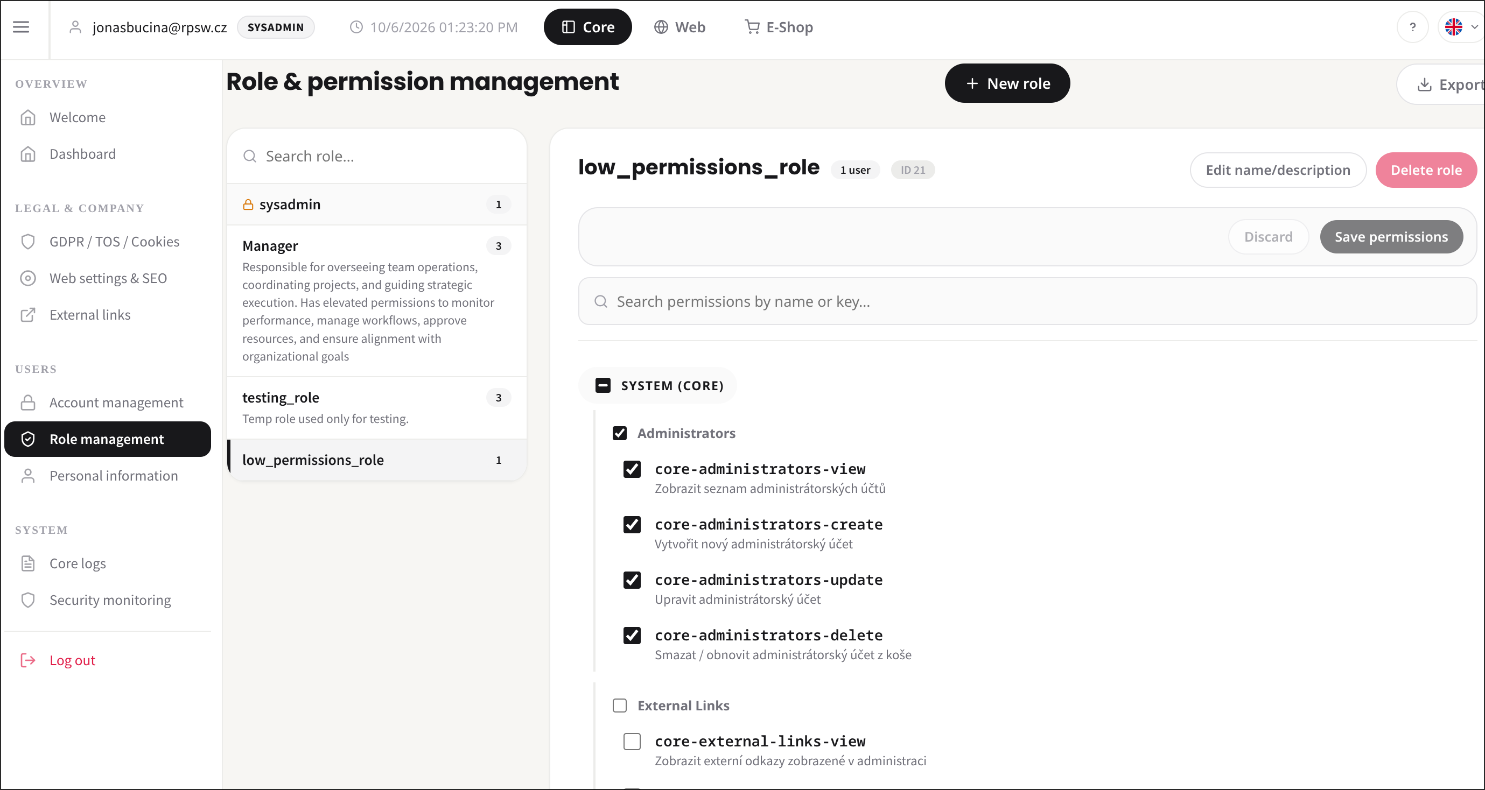 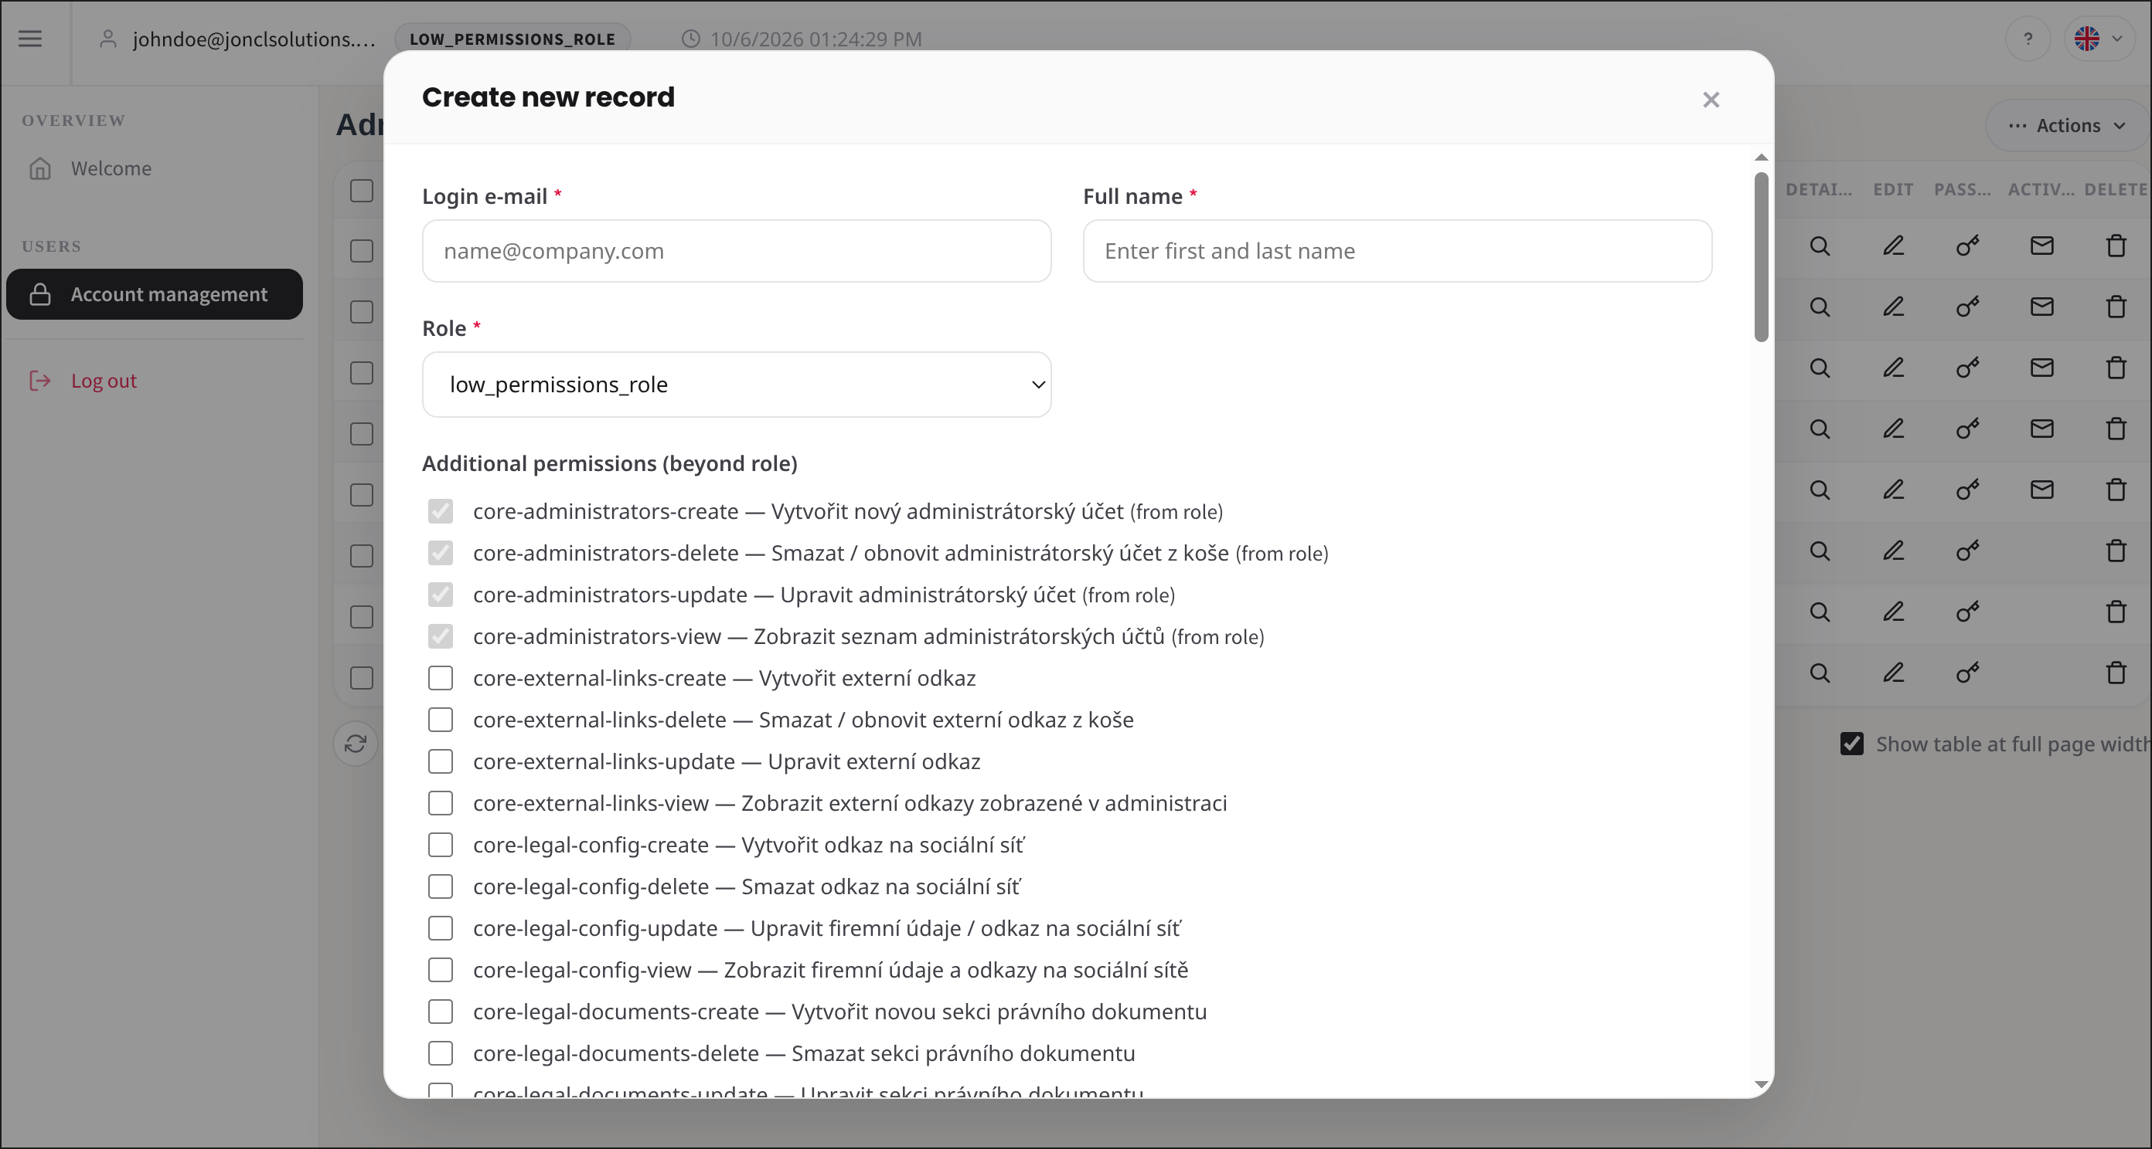 | Pass 5.10.2026
22 | User without sysadmin role is not able to create sysadmin account |  | Test user: ALL permissions but NOT the sysadmin role (strongest case; needs at least core-administrators-view + create). Sysadmin role id: Roles page (sysadmin) > select Sysadmin > ID badge next to the name. STOP = not tested: user lacks core-administrators-create, or 422. | 1. As sysadmin open Roles page and note the ID of the sysadmin role 2. Log in as user without sysadmin role 3. Go to administrators page 4. Click Actions 5. Click Create record 6. Open role select 7. Check sysadmin role is not listed 8. Copy own access token (DevTools > Network > Authorization header) 9. Run ./test_role_escalation_403.sh, enter the sysadmin role ID and paste the token 10. Check line is PASS and the script ends with "OK: the role was refused, no account was created." |  | Pass 5.10.2026
23 | 2FA field is locked when role forces 2FA |  |  | 1. Go to administrators page 2. Click Actions 3. Click Create record 4. Select role with forced 2FA 5. Check 2FA is checked and locked 6. Check note “required by role” is shown | 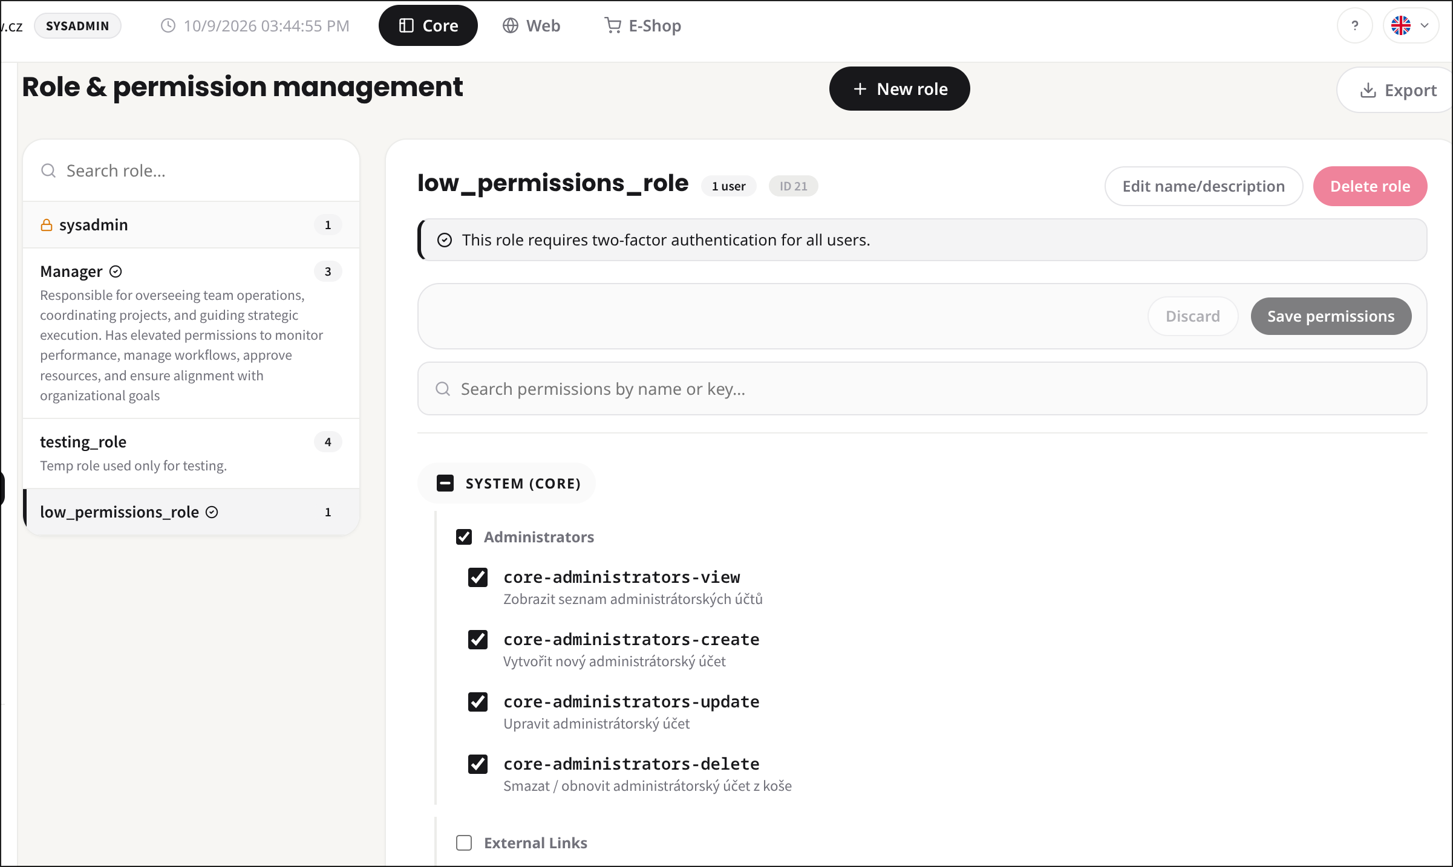 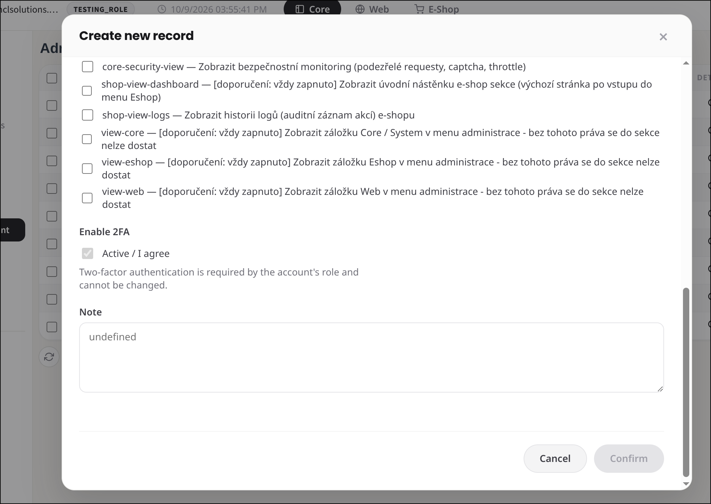 | Pass 9.10.2026
24 | We are able to add extra permissions for account |  |  | 1. Go to administrators page 2. Click edit on user row 3. Tick permission that is not in role 4. Click save 5. Click detail on user row 6. Check permission is in extra permissions |  | Pass 9.10.2026
25 | We are not able to remove permissions that are in role |  |  | 1. Go to administrators page 2. Click edit on user row 3. Find permissions of user role in list 4. Check they are ticked and locked |  | Pass 9.10.2026
26 | Extra permissions we do not have ourselves are not saved |  |  | 1. Log in as user with limited permissions 2. Go to administrators page 3. Click edit on user row 4. Permissions my account dont have are not listed and cant be selected |  | Pass 9.10.2026
27 | New account can be activated |  |  | 1. Create new user 2. Open activation e-mail 3. Click Set password and activate 4. Fill valid password twice 5. Click Set password and activate account 6. Check Account activated message |  | Pass 9.10.2026
28 | User activation link is valid for limited time |  | Default expiration time is 48h you can edit AccountActivationToken.php to set expiration duration to 1minute | 1. Create new user 2. Open activation e-mail 3. Check e-mail states validity in hours 4. Open link before expiry 5. Check password form is shown |  | Pass 9.10.2026
29 | We are not able to open expired activation link |  | Default expiration time is 48h you can edit AccountActivationToken.php to set expiration duration to 1minute | 1. Create new user 2. Wait until link expires (or expire token in DB) 3. Open activation link 4. Check message that link can't be used |  | Pass 9.10.2026
30 | We are not able to open already used activation link |  | Default expiration time is 48h you can edit AccountActivationToken.php to set expiration duration to 1minute | 1. Create new user 2. Activate account with link 3. Open the same link again 4. Check message that link can't be used |  | Pass 9.10.2026
31 | We are not able to open activation link with invalid token |  | Open activation link and manually change URL to unexisting token | 1. Open activation URL with changed token 2. Check message that link can't be used |  | Pass 9.10.2026
32 | We are not able to activate account with password that does not meet password policy |  |  | 1. Open valid activation link 2. Fill password without digit or symbol twice 3. Click submit 4. Check password error 5. Check account is not activated |  | Pass 9.10.2026
33 | We are not able to activate account when passwords do not match |  |  | 1. Open valid activation link 2. Fill different password and confirmation 3. Check mismatch message 4. Check submit button is disabled |  | Pass 9.10.2026
34 | User is redirected to login after activation and is not logged in automatically |  |  | 1. Activate account with link 2. Wait for redirect 3. Check login page is shown 4. Check user is not logged in |  | Pass 9.10.2026
35 | User is able to log in after activation |  |  | 1. Activate account with link 2. Go to login page 3. Log in with e-mail and new password 4. Check login succeeds |  | Pass 9.10.2026
36 | We are able to resend activation link |  |  | 1. Go to administrators page 2. Find not activated user 3. Click activation on user row 4. Check sent message 5. Check new activation e-mail arrived |  | Pass 9.10.2026
37 | Old activation link is not valid after resend |  |  | 1. Create new user 2. Keep first activation e-mail 3. Resend activation link 4. Open link from first e-mail 5. Check message that link can't be used 6. Open link from second email and observe link is working |  | Pass 9.10.2026
38 | Resend activation button is not shown for activated account |  |  | 1. Go to administrators page 2. Find activated user 3. Check activation button is not on row |  | Pass 9.10.2026
39 | We are able to open user detail |  |  | 1. Go to administrators page 2. Click detail on user row 3. Check detail shows user data 4. Click close |  | Pass 9.10.2026
40 | We are able to edit user |  |  | 1. Go to administrators page 2. Click edit on user row 3. Change full name 4. Click save 5. Check success message 6. Check new name in table |  | Pass 9.10.2026
41 | We are able to change role of user |  |  | 1. Go to administrators page 2. Click edit on user row 3. Select different role 4. Click save 5. Check new role in table |  | Pass 9.10.2026
42 | Role change resets all extra permissions and shows info message |  |  | 1. Add extra permission to user 2. Go to administrators page 3. Click edit on user row 4. Select different role 5. Click save 6. Check info message about reset 7. Click detail on user row 8. Check extra permissions are empty |  | Pass 9.10.2026
43 | We are not able to change our own role |  |  | 1. Go to administrators page 2. Click edit on own row 3. Select different role 4. Click save 5. Refresh table 6. Check own role is unchanged
44 | User without sysadmin role is not able to edit sysadmin account |  |  | 1. Log in as user without sysadmin role 2. Go to administrators page 3. Click edit on sysadmin row 4. Change full name 5. Click save 6. Check error message 7. Check name is unchanged
45 | User without sysadmin role is not able to promote user to sysadmin |  |  | 1. Log in as user without sysadmin role 2. Go to administrators page 3. Click edit on user row 4. Open role select 5. Check sysadmin role is not listed 6. Send update request to API with sysadmin role id 7. Check response is 403
46 | We are not able to change email to email that already exists |  |  | 1. Go to administrators page 2. Click edit on user row 3. Change e-mail to e-mail of other user 4. Click save 5. Check error that e-mail already exists
47 | We are able to change email to restricted domain (restriction applies only on create) |  | Note: Log as sysadmin | 1. Set primary domain as sysadmin 2. Go to administrators page 3. Click edit on user row 4. Change e-mail to other domain 5. Click save 6. Check success message 7. Check new e-mail in table
48 | We are able to remove extra permission from account |  |  | 1. Go to administrators page 2. Click edit on user with extra permission 3. Untick the extra permission 4. Click save 5. Click detail on user row 6. Check permission is removed
49 | Extra permissions granted by sysadmin stay untouched when edited by lower role |  |  | 1. As sysadmin add extra permission lower role does not have 2. Log in as lower role 3. Go to administrators page 4. Click edit on user row 5. Change full name 6. Click save 7. Click detail on user row 8. Check sysadmin permission is still there
50 | We are able to edit internal note and see it in detail |  |  | 1. Go to administrators page 2. Click edit on user row 3. Fill internal note 4. Click save 5. Click detail on user row 6. Check note is shown
51 | User with sysadmin role has 2FA enabled by default |  |  | 1. Log in as sysadmin 2. Go to administrators page 3. Click Actions 4. Click Create record 5. Select sysadmin role 6. Check 2FA field is locked 7. Fill e-mail and full name 8. Click save 9. Click detail on user row 10. Check 2FA is enabled
52 | User with sysadmin role can force 2FA for specific account |  |  | 1. Log in as sysadmin 2. Go to administrators page 3. Click edit on user with non-forced role 4. Tick Force 2FA 5. Click save 6. Click detail on user row 7. Check 2FA is enabled and forced
53 | Sysadmin can remove forced 2FA from specific account |  |  | 1. Log in as sysadmin 2. Go to administrators page 3. Click edit on user with forced 2FA 4. Untick Force 2FA 5. Click save 6. Click detail on user row 7. Check 2FA is not forced
54 | We are able to enable and disable 2FA for account without forced 2FA |  |  | 1. Go to administrators page 2. Click edit on user row 3. Tick 2FA 4. Click save 5. Check 2FA enabled in detail 6. Click edit again 7. Untick 2FA 8. Click save 9. Check 2FA disabled in detail
55 | We are not able to disable 2FA for role with forced 2FA |  |  | 1. Go to administrators page 2. Click edit on user with forced 2FA role 3. Check 2FA field is ticked and locked
56 | We are not able to disable 2FA for account with 2FA forced by sysadmin |  |  | 1. Log in as user without sysadmin role 2. Go to administrators page 3. Click edit on user with 2FA forced by sysadmin 4. Check 2FA field is ticked and locked
57 | User without sysadmin role does not see force 2FA field |  |  | 1. Log in as user without sysadmin role 2. Go to administrators page 3. Click edit on user row 4. Check Force 2FA field is not shown
58 | Force 2FA field is not shown for role that already forces 2FA |  |  | 1. Log in as sysadmin 2. Go to administrators page 3. Click edit on user with forced 2FA role 4. Check Force 2FA field is not shown
59 | User with 2FA receives code by email and is able to log in with it |  |  | 1. Go to login page 2. Log in with e-mail and password of user with 2FA 3. Check code step is shown 4. Open e-mail with code 5. Enter 6-digit code 6. Click verify 7. Check user is logged in
60 | User is not able to log in with wrong 2FA code |  |  | 1. Go to login page 2. Log in with e-mail and password of user with 2FA 3. Check code step is shown 4. Enter wrong 6-digit code 5. Click verify 6. Check error message 7. Check user is not logged in
61 | User is not able to log in with expired 2FA code |  |  | 1. Go to login page 2. Log in with e-mail and password of user with 2FA 3. Check code step is shown 4. Wait until countdown ends 5. Check expired message 6. Enter the code 7. Check user is not logged in
62 | User is able to resend 2FA code after 60 seconds |  |  | 1. Go to login page 2. Log in with e-mail and password of user with 2FA 3. Check code step is shown 4. Wait 60 seconds 5. Click resend code 6. Check new code arrived 7. Log in with new code
63 | User is not able to resend 2FA code before 60 seconds |  |  | 1. Go to login page 2. Log in with e-mail and password of user with 2FA 3. Check code step is shown 4. Check resend button is disabled 5. Check countdown is shown next to it
64 | We are able to ban user |  | Note: Log as sysadmin | 1. Go to administrators page 2. Click edit on user row 3. Tick blocked 4. Click save 5. Check success message 6. Check blocked is yes in table
65 | Banned user is logged out immediately |  | Note: Log as sysadmin | 1. Log in as user B in second browser 2. As admin ban user B 3. Do any action as user B 4. Check user B is logged out
66 | Banned user is not able to log in |  | Note: Log as sysadmin | 1. Ban user 2. Go to login page 3. Try to log in as banned user 4. Check login fails
67 | We are able to unban user and user is able to log in again |  | Note: Log as sysadmin | 1. Go to administrators page 2. Click edit on banned user 3. Untick blocked 4. Click save 5. Log in as that user 6. Check login succeeds
68 | We are not able to ban our own account |  | Note: Log as sysadmin | 1. Go to administrators page 2. Click edit on own row 3. Tick blocked 4. Click save 5. Check error message 6. Check own account is not blocked
69 | We are not able to ban sysadmin account |  | Note: Log as sysadmin | 1. Log in as sysadmin 2. Go to administrators page 3. Click edit on sysadmin row 4. Check blocked field is locked
70 | We are able to reset password for user |  | Note: Log as sysadmin | 1. Go to administrators page 2. Click password on user row 3. Fill own current password 4. Fill new password twice 5. Click save 6. Check success message
71 | We are not able to reset password for user with wrong own current password |  | Note: Log as sysadmin | 1. Go to administrators page 2. Click password on user row 3. Fill wrong own current password 4. Fill new password twice 5. Click save 6. Check error message 7. Check user can still log in with old password
72 | We are not able to reset password that does not meet password policy |  | Note: Log as sysadmin | 1. Go to administrators page 2. Click password on user row 3. Fill own current password 4. Fill new password without symbol 5. Check password error 6. Check password is not changed
73 | We are not able to reset password when confirmation does not match |  | Note: Log as sysadmin | 1. Go to administrators page 2. Click password on user row 3. Fill own current password 4. Fill different new password and confirmation 5. Check mismatch error 6. Check password is not changed
74 | User receives notification email after password change |  | Note: Log as sysadmin | 1. Reset password for user 2. Open mailbox of that user 3. Check password changed e-mail 4. Check e-mail shows date and time of change
75 | User is able to log in with new password and not with old password |  |  | 1. Reset password for user 2. Log out 3. Log in as user with new password 4. Check login succeeds 5. Log out 6. Try to log in with old password 7. Check login fails
76 | User without sysadmin role is not able to reset password of sysadmin account |  |  | 1. Log in as user without sysadmin role 2. Go to administrators page 3. Click password on sysadmin row 4. Fill own current password 5. Fill new password twice 6. Click save 7. Check error message
77 | User is able to request password reset from login page |  |  | 1. Go to login page 2. Click Forgot password 3. Fill account e-mail 4. Click submit 5. Check sent message 6. Check reset e-mail arrived
78 | User is able to set new password from reset link |  |  | 1. Request password reset 2. Open reset e-mail 3. Click Reset your password 4. Fill new password twice 5. Click Set new password 6. Check Password changed message 7. Log in with new password
79 | Password reset link is valid for limited time |  |  | 1. Request password reset 2. Open reset e-mail 3. Check e-mail states validity in minutes 4. Open link before expiry 5. Set new password 6. Check success
80 | We are not able to use expired password reset link |  |  | 1. Request password reset 2. Wait until link expires (or expire token in DB) 3. Open reset link 4. Fill new password twice 5. Click Set new password 6. Check error message
81 | We are not able to use already used password reset link |  |  | 1. Reset password with link 2. Open the same link again 3. Fill new password twice 4. Click Set new password 5. Check error message
82 | We are able to soft delete user |  |  | 1. Go to administrators page 2. Click delete on user row 3. Confirm 4. Check user is not in table 5. Click Actions 6. Click Show trash 7. Check user is in trash
83 | We are not able to delete our own account |  |  | 1. Go to administrators page 2. Click delete on own row 3. Confirm 4. Check error message 5. Check own account is in table
84 | User without sysadmin role is not able to delete sysadmin account |  |  | 1. Log in as user without sysadmin role 2. Go to administrators page 3. Click delete on sysadmin row 4. Confirm 5. Check error message 6. Check sysadmin is still in table
85 | Soft deleted user is not able to log in |  |  | 1. Soft delete user 2. Go to login page 3. Try to log in as deleted user 4. Check login fails
86 | We are able to switch between active users and trash |  |  | 1. Go to administrators page 2. Click Actions 3. Click Show trash 4. Check trash header and deleted users 5. Click Actions 6. Click Show active 7. Check accounts header and active users
87 | We are able to restore user from trash |  |  | 1. Go to administrators page 2. Click Actions 3. Click Show trash 4. Click restore on user row 5. Confirm 6. Click Actions 7. Click Show active 8. Check user is in table
88 | Restored user is able to log in with original password |  |  | 1. Restore user from trash 2. Go to login page 3. Log in as restored user with original password 4. Check login succeeds
89 | We are able to hard delete user |  |  | 1. Go to administrators page 2. Click Actions 3. Click Show trash 4. Click permanent delete on user row 5. Confirm 6. Check user is not in trash 7. Check user is not in active table
90 | We are able to hard delete all users in trash |  |  | 1. Go to administrators page 2. Click Actions 3. Click Show trash 4. Click delete all 5. Confirm 6. Check trash is empty
91 | Emptying trash by user without sysadmin role keeps sysadmin accounts in trash |  |  | 1. As sysadmin soft delete a sysadmin account 2. Log in as user without sysadmin role 3. Go to administrators page 4. Click Actions 5. Click Show trash 6. Click delete all 7. Confirm 8. Check sysadmin account is still in trash
92 | Create and export buttons are not shown in trash view |  |  | 1. Go to administrators page 2. Click Actions 3. Click Show trash 4. Click Actions 5. Check Create record is not shown 6. Check Export data is not shown
93 | We are able to filter users by name |  |  | 1. Go to administrators page 2. Click Actions 3. Click Filters 4. Fill part of name 5. Click apply 6. Check only matching users are shown
94 | We are able to filter users by email |  |  | 1. Go to administrators page 2. Click Actions 3. Click Filters 4. Fill part of e-mail 5. Click apply 6. Check only matching users are shown
95 | We are able to filter users by role |  |  | 1. Go to administrators page 2. Click Actions 3. Click Filters 4. Select role 5. Click apply 6. Check only users with that role are shown
96 | We are able to filter users by blocked state |  |  | 1. Go to administrators page 2. Click Actions 3. Click Filters 4. Select blocked Yes 5. Click apply 6. Check only blocked users 7. Select blocked No 8. Click apply 9. Check only not blocked users
97 | We are able to combine filters |  |  | 1. Go to administrators page 2. Click Actions 3. Click Filters 4. Fill part of name 5. Select role 6. Click apply 7. Check users match both conditions
98 | We are able to clear filters |  |  | 1. Go to administrators page 2. Click Actions 3. Click Filters 4. Apply any filter 5. Click clear filters 6. Check all users are shown
99 | We are able to sort table by each sortable column in both directions |  |  | 1. Go to administrators page 2. Click Actions 3. Click Filters 4. Select sort column 5. Select direction ascending 6. Click apply 7. Check order 8. Select direction descending 9. Check order 10. Repeat for each sortable column
100 | We are able to search users by name and email |  |  | 1. Go to administrators page 2. Type part of name into table search 3. Check matching users 4. Type part of e-mail 5. Check matching users
101 | We are able to change page |  |  | 1. Go to administrators page 2. Click next page 3. Check other users are shown 4. Click previous page 5. Check first page is shown
102 | We are able to change items per page |  |  | 1. Go to administrators page 2. Change items per page 3. Check number of rows matches
103 | Filters stay applied after page change |  |  | 1. Go to administrators page 2. Click Actions 3. Click Filters 4. Apply filter with more than one page of results 5. Click next page 6. Check filter is still applied
104 | Trash table has its own pagination |  |  | 1. Go to administrators page 2. Click Actions 3. Click Show trash 4. Change page and items per page 5. Check only trash table changes 6. Click Actions 7. Click Show active 8. Check active table paging is unchanged
105 | We are able to change table width |  |  | 1. Go to administrators page 2. Click table width button 3. Check table width changes 4. Click again 5. Check width is back
106 | We are able to refresh table |  |  | 1. Go to administrators page 2. Change a user in another tab 3. Click refresh on table 4. Check data is updated 5. Check last updated time changed
107 | Refresh all button in header refreshes table |  |  | 1. Go to administrators page 2. Change a user in another tab 3. Click Refresh all in header 4. Check data is updated 5. Check last updated time changed
108 | We are able to export data in CSV |  |  | 1. Go to administrators page 2. Click Actions 3. Click Export data 4. Select CSV 5. Click export 6. Check file is downloaded 7. Open file and check data
109 | We are able to export data in Excel |  |  | 1. Go to administrators page 2. Click Actions 3. Click Export data 4. Select Excel 5. Click export 6. Check file is downloaded 7. Open file and check data
110 | We are able to export data in JSON |  |  | 1. Go to administrators page 2. Click Actions 3. Click Export data 4. Select JSON 5. Click export 6. Check file is downloaded 7. Open file and check data
111 | We are able to export data in TXT |  |  | 1. Go to administrators page 2. Click Actions 3. Click Export data 4. Select TXT 5. Click export 6. Check file is downloaded 7. Open file and check data
112 | We are able to export data with custom columns |  |  | 1. Go to administrators page 2. Click Actions 3. Click Export data 4. Select only some columns 5. Click export 6. Open file 7. Check file has only selected columns
113 | Exported data do not contain roles and permissions |  |  | 1. Go to administrators page 2. Click Actions 3. Click Export data 4. Select all columns 5. Click export 6. Open file 7. Check there are no role and permission columns
114 | We are able to view report |  |  | 1. Go to administrators page 2. Click Actions 3. Click Reports 4. Check report builder is shown 5. Click close
115 | We are able to edit report settings |  |  | 1. Go to administrators page 2. Click Actions 3. Click Reports 4. Change column, date range and chart type 5. Check settings are applied
116 | We are able to generate report |  |  | 1. Go to administrators page 2. Click Actions 3. Click Reports 4. Select column and date range 5. Click generate 6. Check chart is shown
117 | We are able to export report to PDF |  |  | 1. Go to administrators page 2. Click Actions 3. Click Reports 4. Generate report 5. Click export to PDF 6. Check PDF is downloaded 7. Open PDF and check chart
118 | We are able to change primary domain |  |  | 1. Log in as sysadmin 2. Go to administrators page 3. Click Actions 4. Click E-mail domains 5. Fill primary domain 6. Click Save 7. Check saved message 8. Reopen window 9. Check value is kept
119 | We are able to clear primary domain and restriction is turned off |  |  | 1. Log in as sysadmin 2. Go to administrators page 3. Click Actions 4. Click E-mail domains 5. Clear primary domain 6. Click Save 7. Click Close 8. Create user with any e-mail domain 9. Check user is created
120 | We are able to add exception for domain |  |  | 1. Log in as sysadmin 2. Go to administrators page 3. Click Actions 4. Click E-mail domains 5. Select type Domain 6. Fill domain 7. Click Add 8. Check domain is in allowed domains list
121 | We are able to add exception for email |  |  | 1. Log in as sysadmin 2. Go to administrators page 3. Click Actions 4. Click E-mail domains 5. Select type E-mail 6. Fill e-mail 7. Click Add 8. Check e-mail is in allowed e-mails list
122 | We are not able to add empty exception |  |  | 1. Log in as sysadmin 2. Go to administrators page 3. Click Actions 4. Click E-mail domains 5. Leave value empty 6. Click Add 7. Check nothing is added
123 | We are not able to add duplicate exception |  |  | 1. Log in as sysadmin 2. Go to administrators page 3. Click Actions 4. Click E-mail domains 5. Add exception that already exists 6. Check error message 7. Check exception is listed only once
124 | We are able to delete domain exception |  |  | 1. Log in as sysadmin 2. Go to administrators page 3. Click Actions 4. Click E-mail domains 5. Click X on domain exception 6. Check it is removed 7. Reopen window 8. Check it is still removed
125 | We are able to delete email exception |  |  | 1. Log in as sysadmin 2. Go to administrators page 3. Click Actions 4. Click E-mail domains 5. Click X on e-mail exception 6. Check it is removed 7. Reopen window 8. Check it is still removed
126 | Existing users stay unchanged after primary domain change |  |  | 1. Log in as sysadmin 2. Go to administrators page 3. Click Actions 4. Click E-mail domains 5. Change primary domain to other domain 6. Click Save 7. Click Close 8. Check users with old domain are still in table 9. Log in as one of them 10. Check login succeeds
127 | Attempt to create user with restricted domain is recorded in security events |  |  | 1. Try to create user with restricted domain 2. Open security events page 3. Check event with attempted e-mail is recorded
128 | All texts on administrators page change after language switch |  |  | 1. Go to personal info page 2. Switch admin language 3. Go to administrators page 4. Check headers, buttons, table and form labels 5. Check no Cannot load text is shown 6. Switch language back
129 | Error dialogs are shown in selected language |  |  | 1. Switch admin language 2. Go to administrators page 3. Create user with existing e-mail 4. Check error dialog is in selected language
130 | All actions with users are recorded in logs |  |  | 1. Create, edit, ban, reset password and delete a user 2. Open logs page 3. Check each action is recorded with actor and target
131 | Denied attempts are recorded in logs |  |  | 1. As user without sysadmin role try to edit sysadmin account 2. Log in as sysadmin 3. Open logs page 4. Check denied attempt is recorded
132 | HTML or script in full name and internal note is shown as plain text |  |  | 1. Go to administrators page 2. Click Actions 3. Click Create record 4. Fill full name with <script>alert(1)</script> 5. Fill internal note with <b>test</b> 6. Fill e-mail and role 7. Click save 8. Check table and detail show plain text 9. Check no script runs
128 | We are able to create user without 2FA |  |  | 1. Go to administrators page 2. Click Actions 3. Click Create record 4. Fill e-mail, full name and role without forced 2FA 5. Leave 2FA unchecked 6. Click save 7. Check success message 8. Check user is in table
129 | Sysadmin sees domain error while typing e-mail |  |  | 1. Set primary domain as sysadmin 2. Go to administrators page 3. Click Actions 4. Click Create record 5. Fill e-mail from other domain 6. Check e-mail field shows domain not allowed error 7. Change e-mail to primary domain 8. Check error is gone
130 | Page behind e-mail domains window does not scroll |  |  | 1. Log in as sysadmin 2. Go to administrators page 3. Click Actions 4. Click E-mail domains 5. Try to scroll the page 6. Check page behind the window does not move 7. Close the window 8. Check page scrolls again
131 | User without sysadmin role is not able to open roles page |  |  | 1. Log in as user with all permissions but without sysadmin role 2. Check Role management is not in menu 3. Open roles URL directly 4. Check user is redirected and access denied popup is displayed
132 | User without sysadmin role is able to edit account |  | Test user: not sysadmin, has core-administrators-view + update | 1. Log in as user without sysadmin role 2. Go to administrators page 3. Click edit on row of user with non-sysadmin role 4. Check Force 2FA field is not shown 5. Change full name 6. Click save 7. Check success message 8. Check new name is in table |  | Pass
133 | User is not able to add extra permission he does not have |  | Test user must NOT have all permissions (with all permissions nothing is locked). | 1. Log in as user with limited role 2. Go to administrators page 3. Click edit on user row 4. Check permissions the logged-in user does not have are locked 5. Tick a permission the logged-in user has 6. Click save 7. Click detail on user row 8. Check permission is in extra permissions
134 | User without sysadmin role is not able to force 2FA |  | Test user: not sysadmin, has core-administrators-view + update. | 1. Log in as user without sysadmin role 2. Go to administrators page 3. Click edit on user row 4. Check Force 2FA field is not shown 5. Change full name and click save 6. Check success message 7. Click detail on user row 8. Check forced 2FA is unchanged
135 | Sysadmin is able to force 2FA |  | Edited user must have a role that does not force 2FA itself (for such roles the field is hidden). Field is only in edit form, not in create form. | 1. Log in as sysadmin 2. Go to administrators page 3. Click edit on user row 4. Tick Force 2FA 5. Click save 6. Check success message 7. Click detail on user row 8. Check forced 2FA is on 9. Click edit on the same row 10. Check Enable 2FA is ticked and locked 11. Log out and log in as the edited user 12. Check 2FA code is required
136 | User without sysadmin role is not able to ban, change e-mail or password of another account (direct request returns 403) |  | Test user: not sysadmin, has core-administrators-update. Target: another active TEST account, not sysadmin, not blocked. Target id = ID column in administrators table. SKIP line = that check was not tested. | 1. Log in as user without sysadmin role 2. Copy own access token (DevTools > Network > Authorization header) 3. Run ./test_account_protection_403.sh, enter id of target user and paste the token 4. Check every line is PASS and the script ends with "OK: every change was refused." |  | Pass 9.10.2025
137 | User without sysadmin role does not see blocked field |  | Test user: not sysadmin, has core-administrators-view + update. | 1. Log in as user without sysadmin role 2. Go to administrators page 3. Click edit on user row 4. Check Blocked field is not shown 5. Change full name and click save 6. Check success message 7. Check blocked state of user is unchanged | 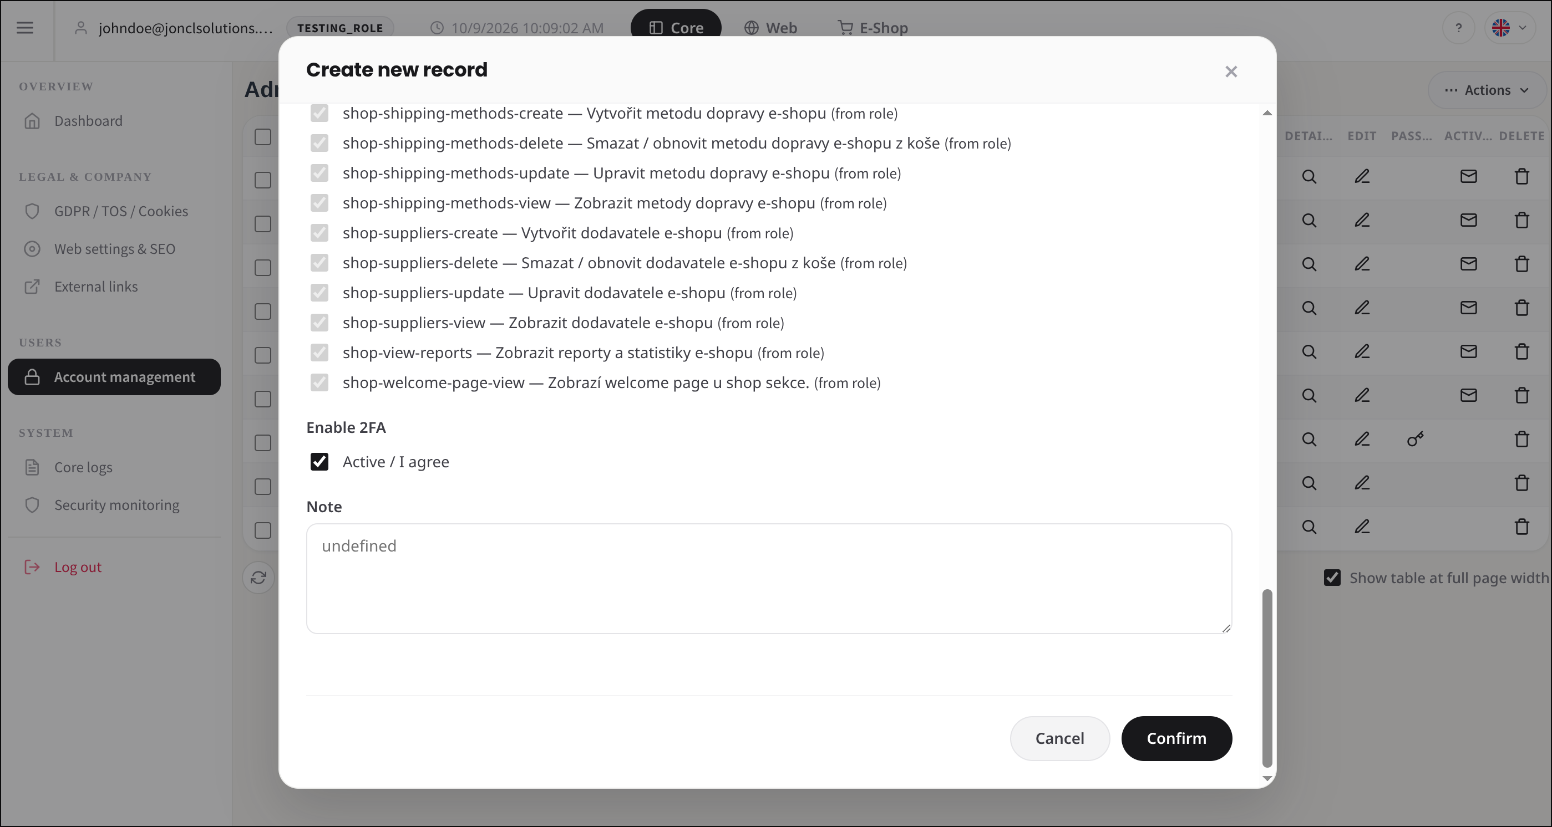 | Pass 9.10.2025
138 | User without sysadmin role is not able to change e-mail of another account |  | Test user: not sysadmin, has core-administrators-view + update. | 1. Log in as user without sysadmin role 2. Go to administrators page 3. Click edit on row of another user 4. Check login e-mail is read-only 5. Change full name and click save 6. Check success message 7. Check e-mail of user is unchanged | 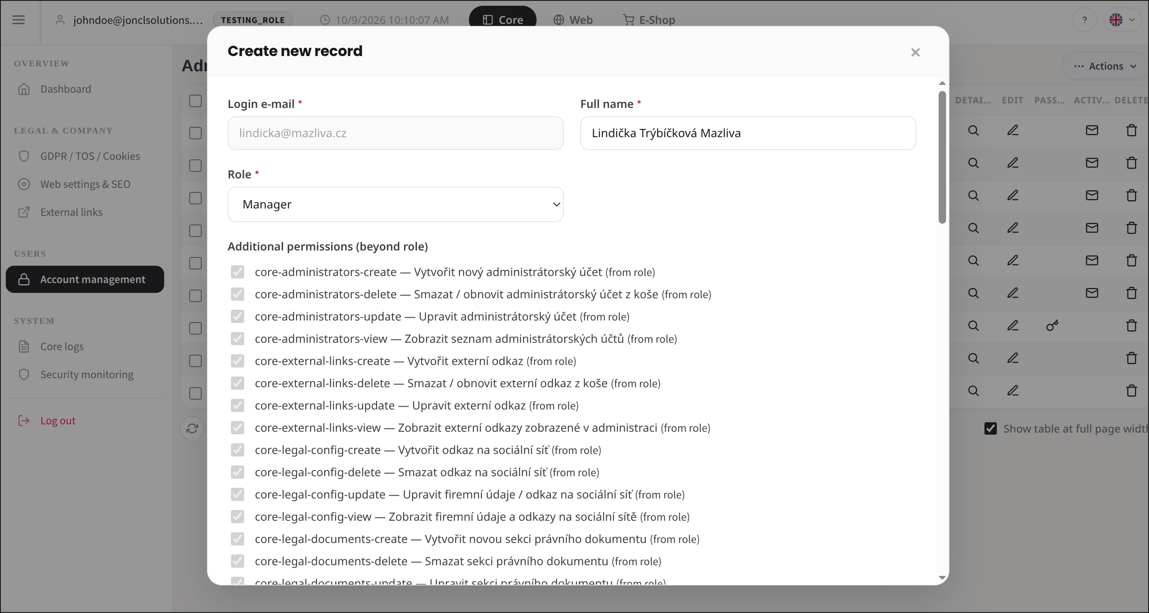 | Pass 9.10.2025
139 | User is able to change own e-mail |  | Test user: not sysadmin, has core-administrators-view + update. | 1. Log in as user without sysadmin role 2. Go to administrators page 3. Click edit on own row 4. Change login e-mail 5. Click save 6. Check success message 7. Log out and log in with new e-mail | 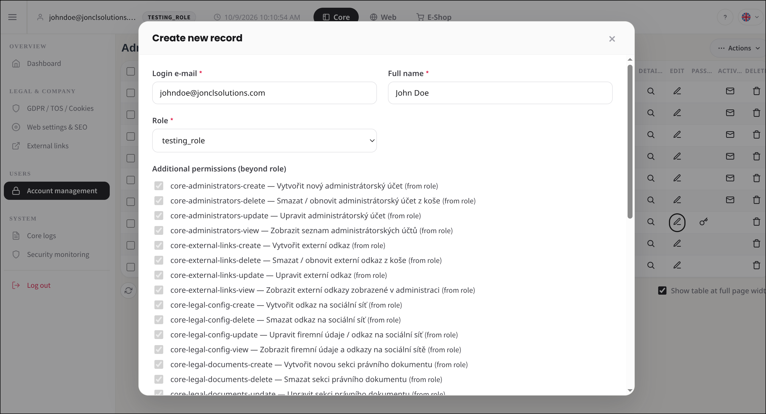 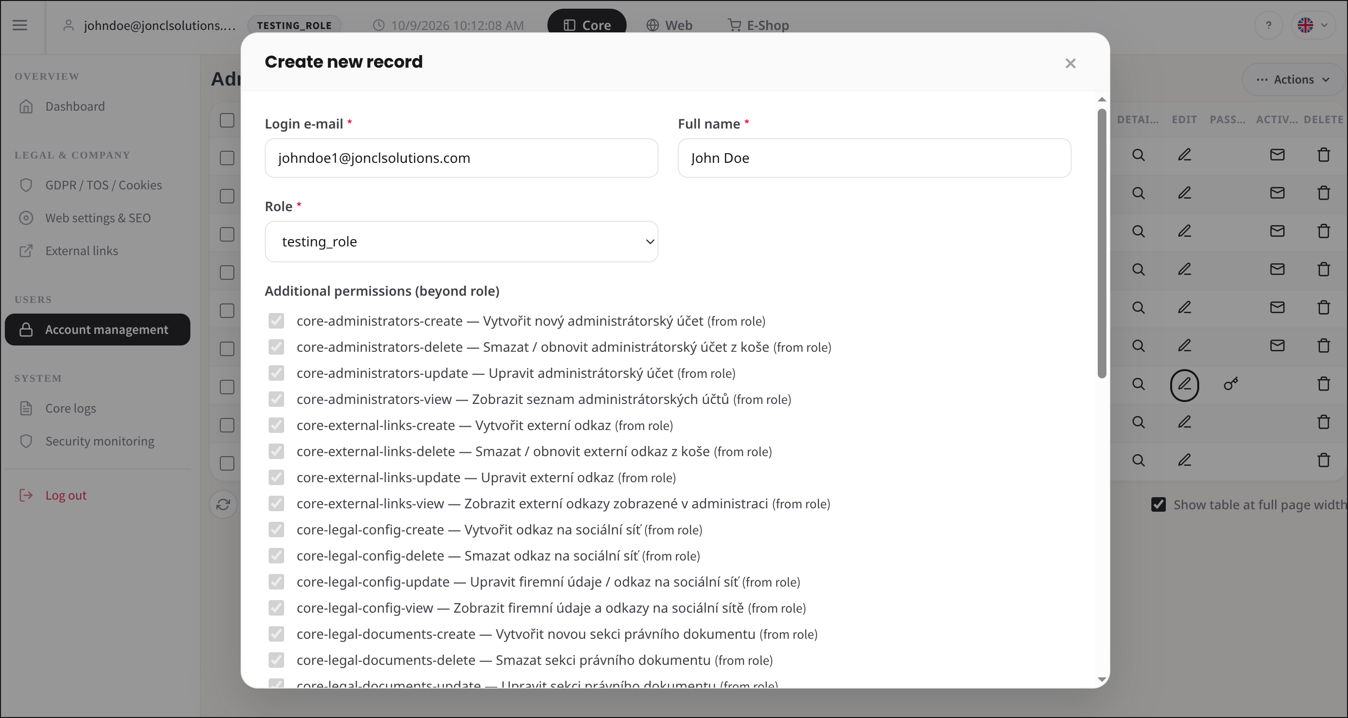 | Pass 9.10.2025
140 | User without sysadmin role sees password button only on own row |  | Test user: not sysadmin, has core-administrators-view + update. | 1. Log in as user without sysadmin role 2. Go to administrators page 3. Check password button is shown on own row 4. Check password button is not shown on other rows | 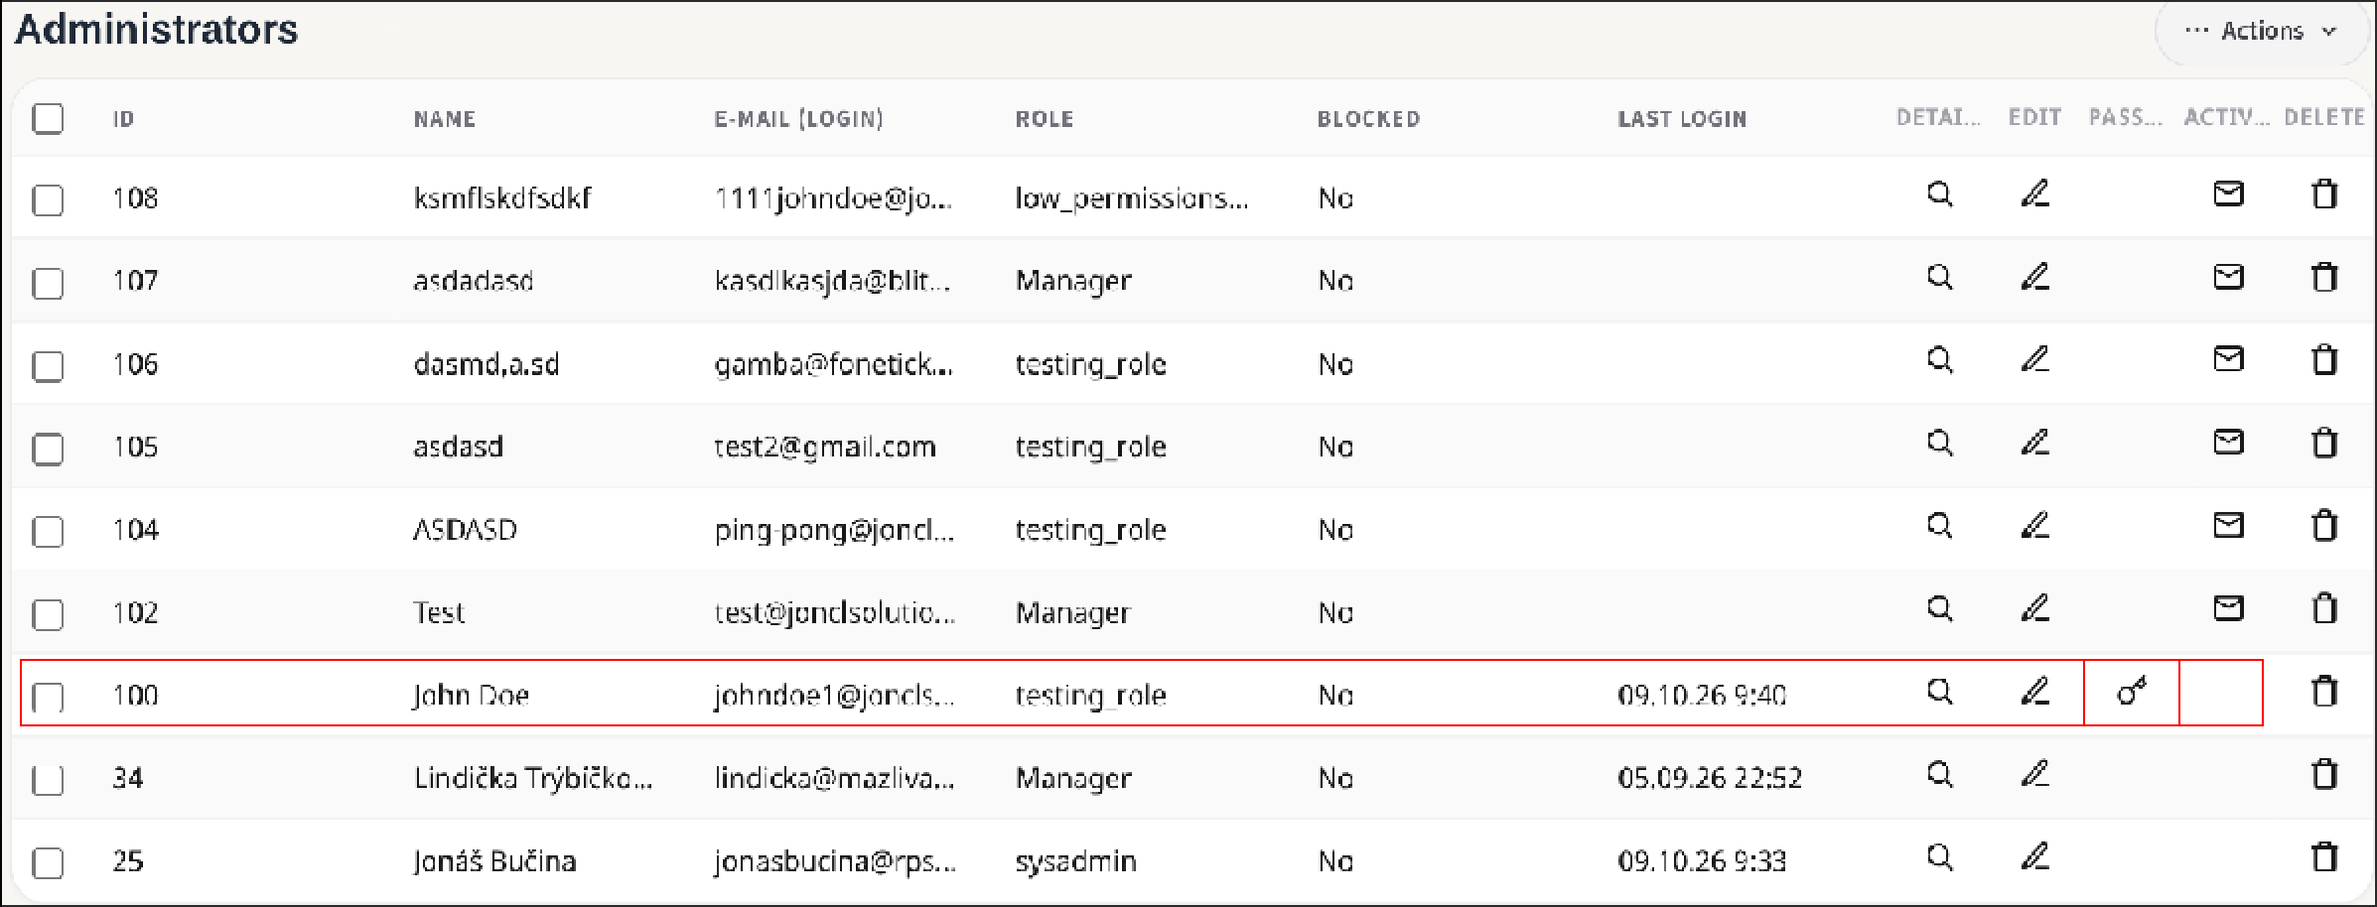 | Pass 9.10.2025
141 | Only permissions from role are marked as from role |  | Test user must NOT have all permissions. User has only core-administrators-… permissions | 1. Log in as user with limited role 2. Go to administrators page 3. Click Actions 4. Click Create record 5. Check permissions the logged-in user does not have are not listed 6. Check no permission is marked "(from role)" 7. Select role 8. Check only permissions of that role are ticked, locked and marked "(from role)" | 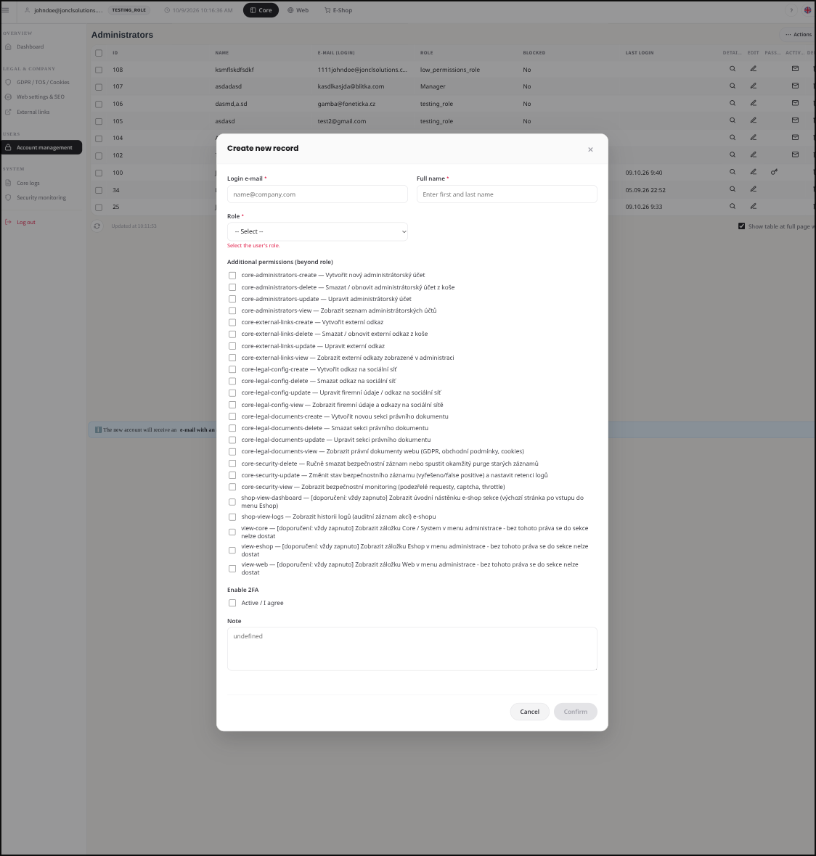 | Pass 9.10.2025
142 | We are not able to change email to restricted domain |  | Log in as sysadmin. | 1. Set primary domain as sysadmin 2. Go to administrators page 3. Click edit on user row 4. Change e-mail to other domain 5. Click save 6. Check domain not allowed error 7. Check e-mail in table is unchanged |  | Pass 9.10.2025
143 | User with restricted domain can still be edited |  | Log in as sysadmin. Needs a user whose e-mail domain is not allowed any more (create it, then change primary domain). | 1. Go to administrators page 2. Click edit on row of user with restricted domain 3. Change full name, keep e-mail 4. Click save 5. Check success message 6. Check new name is in table |  | Pass 9.10.2025
144 | User with restricted domain cannot log in |  | Needs a non-sysadmin user whose domain is no longer allowed (create, then change primary domain). | 1. Log in as that user with correct password 2. Check generic “Login is not allowed” error (no domain shown) 3. Log in with wrong password 4. Check “Invalid credentials” | 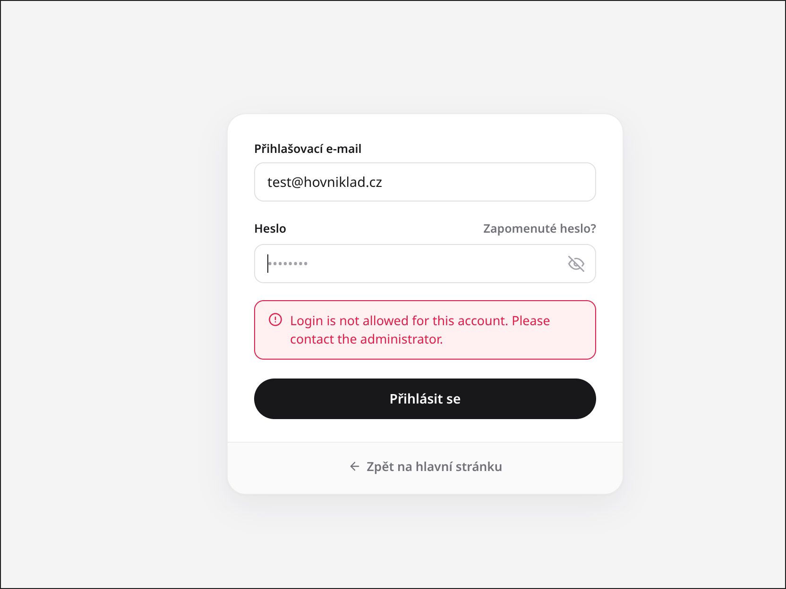 | Pass 9.10.2025

