GNC_Pointing
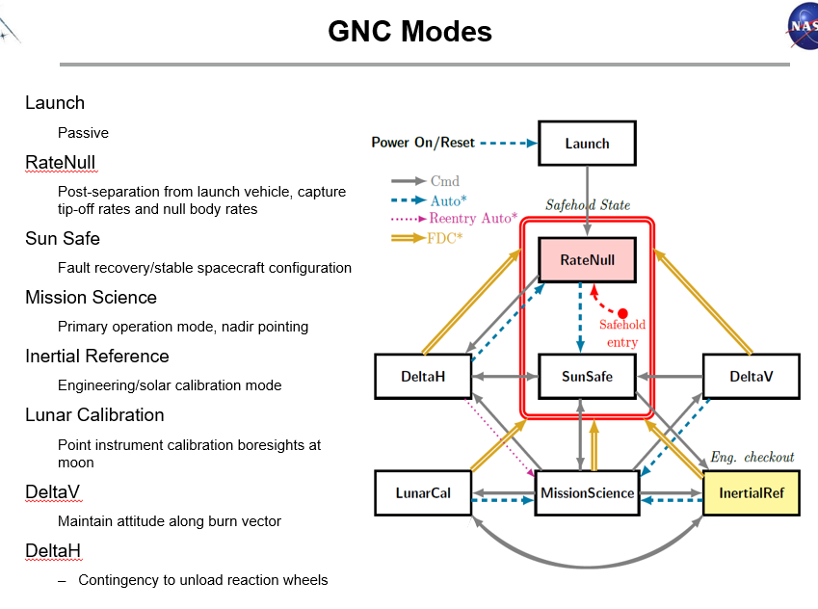
 | Mission Science Mode |  |  | Sun Safe Mode |  |  | Inertial Reference Mode (Solar) |  |  | Lunar Calibration Mode (Stare) |  |  | Lunar Calibration Mode (Sweep) |  |  | DeltaV/DeltaH |  |  | Rate Null |  |  | AGS OCI STOH Residual Calibration Error
Purpose: Define the spacecraft pointing accuracy, control and knowledge (baseline configuration) | CBE (arc-sec)1 |  |  | CBE (arc-sec)2 |  |  | CBE (arc-sec)1 |  |  | CBE (arc-sec)2 |  |  | CBE (arc-sec/sec)2 |  |  | CBE (arc-sec)1 |  |  | CBE (arc-sec/sec)2 |  |  | CBE (arc-sec)3
Error Source / Category | X, 3σ | Y, 3σ | Z, 3σ | X, 3σ | Y, 3σ | Z, 3σ | X, 3σ | Y, 3σ | Z, 3σ | X, 3σ | Y, 3σ | Z, 3σ | X, 3σ | Y, 3σ | Z, 3σ | X, 3σ | Y, 3σ | Z, 3σ | X, 3σ | Y, 3σ | Z, 3σ | X, 3σ | Y, 3σ | Z, 3σ
Pointing Accuracy Requirement | 50.00 | 50.00 | 50.00 | 46800 | 46800 | 46800 | 50.00 | 50.00 | 50.00 | 300.00 | 300.00 | 300.00 | 21.21 | 21.21 | 21.21 | 25202.57 | 25202.57 | 25202.57 | 360.56 | 360.56 | 360.56 | NA | NA | NA
Margin | 29.41 | 32.89 | 20.30 | 19757.74 | 19757.74 | 19757.74 | 15.84 | 10.05 | 11.80 | 233.87 | 257.96 | 257.30 | 12.43 | 12.89 | 11.91 | 21890.54 | 19802.53 | 21242.34 | 334.57 | 328.47 | 347.14 | NA | NA | NA
Total Pointing Accuracy | 20.59 | 17.11 | 29.70 | 27042.26 | 27042.26 | 27042.26 | 34.16 | 39.95 | 38.20 | 66.13 | 42.04 | 42.70 | 8.79 | 8.32 | 9.31 | 3312.03 | 5400.04 | 3960.24 | 25.98 | 32.09 | 13.42 | NA | NA | NA
Pointing Knowledge Requirement | 30.00 | 30.00 | 30.00 | 36000.00 | 36000.00 | 36000.00 | 30.00 | 30.00 | 30.00 | 212.00 | 212.00 | 212.00 | 15.00 | 15.00 | 15.00 | 17640.00 | 17640.00 | 17640.00 | 200.00 | 200.00 | 200.00 | 35.00 | 35.00 | 35.00
Margin | 25.79 | 20.81 | 26.80 | 9102.90 | 9102.90 | 9102.90 | 29.36 | 25.09 | 28.63 | 211.20 | 207.74 | 210.86 | 9.95 | 10.63 | 10.49 | 17625.60 | 17618.40 | 17596.80 | 181.82 | 175.42 | 194.81 | 0.00 | 0.00 | 0.00
Total Pointing Knowledge | 4.21 | 9.19 | 3.20 | 26897.10 | 26897.10 | 26897.10 | 0.64 | 4.91 | 1.37 | 0.80 | 4.26 | 1.14 | 5.05 | 4.37 | 4.51 | 14.40 | 21.60 | 43.20 | 18.18 | 24.58 | 5.19 | 35.00 | 35.00 | 35.00
Pointing Control Requirement | 40.00 | 40.00 | 40.00 | 28800.00 | 28800.00 | 28800.00 | 40.00 | 40.00 | 40.00 | 212.00 | 212.00 | 212.00 | 15.00 | 15.00 | 15.00 | 18000.00 | 18000.00 | 18000.00 | 300.00 | 300.00 | 300.00 | NA | NA | NA
Margin | 19.84 | 25.57 | 10.47 | 26001.80 | 26001.80 | 26001.80 | 5.85 | 0.36 | 1.83 | 145.87 | 170.18 | 169.32 | 7.81 | 7.92 | 6.86 | 14688.00 | 12600.00 | 14040.00 | 281.44 | 279.37 | 287.62 | NA | NA | NA
Total Pointing Control | 20.16 | 14.43 | 29.53 | 2798.20 | 2798.20 | 2798.20 | 34.15 | 39.64 | 38.17 | 66.13 | 41.82 | 42.68 | 7.19 | 7.08 | 8.14 | 3312.00 | 5400.00 | 3960.00 | 18.56 | 20.63 | 12.38 | NA | NA | NA

Notes
1 - the errors that contribute to these GNC pointing errors are described in ACS Design Analysis Document (DAD) (PACE-GNC-DESC-0091)
2 - verification by analysis is shown in PACE-GNC-DESC-0091
3 - verification using DTU error analysis and AGS On-orbit STOH Boresight Calibration

Outline
 |  |  |  |  |  |  |  |  |  |  |  |  |  |  |  |  |  |  |  |  |  |  |  |  |  |  |  |  |  |  | 0 | X |  | RSS |  | RSS |  | RSS |  | RSS |  | RSS |  | RSS |  | RSS |  | RSS |  | RSS |  | RSS |  | RSS |  | RSS |  | RSS | Y |  | RSS |  | RSS |  | RSS |  | RSS |  | RSS |  | RSS |  | RSS |  | RSS |  | RSS |  | RSS |  | RSS |  | RSS |  | RSS | Z |  | RSS |  | RSS |  | RSS |  | RSS |  | RSS |  | RSS |  | RSS |  | RSS |  | RSS |  | RSS |  | RSS |  | RSS |  | RSS
PP Science Knowledge (#22) |  |  |  |  |  |  |  | Term: | Accuracy (Control + Knowledge) |  |  |  |  |  |  |  |  |  |  |  |  |  |  |  |  |  |  |  |  |  | 1 |  |  | 0 |  | 0 |  | 0 |  | 0 |  | 0 |  | 0 |  | 0 |  | 0 |  | 0 |  | 0 |  | 0 |  | 0 |  | 180 |  |  | 0 |  | 0 |  | 0 |  | 0 |  | 0 |  | 0 |  | 0 |  | 0 |  | 0 |  | 0 |  | 0 |  | 0 |  | 180 |  |  | 0 |  | 0 |  | 0 |  | 0 |  | 0 |  | 0 |  | 0 |  | 0 |  | 0 |  | 0 |  | 0 |  | 0 |  | 180
RT Science Knowledge (#11) |  |  |  |  |  |  |  | Worksheet: | RT Solar Cal KnowAccur (#21) |  |  |  |  |  | (Note that knowledge worksheets only show knowledge errors, not control) |  |  |  |  |  |  |  |  |  |  |  |  |  |  |  | 2 |  | Gnc Pointing Control |  | Gnc pointing knowledge |  | Jitter |  | Thermal Distortion |  | Ground Alignment |  | Launch Shift |  | 1-g release |  | Orbit Determination |  | Ephemeris |  | timing |  | articulation |  | Ground Mapping accuracy |  | OBS Calibration |  |  | Gnc Pointing Control |  | Gnc pointing knowledge |  | Jitter |  | Thermal Distortion |  | Ground Alignment |  | Launch Shift |  | 1-g release |  | Orbit Determination |  | Ephemeris |  | timing |  | articulation |  | Ground Mapping accuracy |  | OBS Calibration |  |  | Gnc Pointing Control |  | Gnc pointing knowledge |  | Jitter |  | Thermal Distortion |  | Ground Alignment |  | Launch Shift |  | 1-g release |  | Orbit Determination |  | Ephemeris |  | timing |  | articulation |  | Ground Mapping accuracy |  | OBS Calibration
RT Science KnowAccur (#11_12) |  |  |  |  |  |  |  |  |  |  |  |  |  |  |  |  |  |  |  |  |  |  |  |  |  |  |  |  |  |  | 3 | Static |  |  | 0 |  |  |  |  |  |  |  |  |  |  |  |  |  |  |  |  |  |  |  |  |  |  |  | Static |  |  | 0 |  |  |  |  |  |  |  |  |  |  |  |  |  |  |  |  |  |  |  |  |  |  |  | Static |  |  | 0
Lunar Cal KnowAccur (#18) |  |  |  |  |  |  |  |  |  |  |  |  |  |  |  |  |  |  |  |  |  |  |  |  |  |  |  |  |  |  | 4 |  |  |  |  |  |  |  |  |  |  |  |  |  |  |  |  |  |  |  |  |  |  |  |  |  | 180 |  |  |  |  |  |  |  |  |  |  |  |  |  |  |  |  |  |  |  |  |  |  |  |  |  |  | 180 |  |  |  |  |  |  |  |  |  |  |  |  |  |  |  |  |  |  |  |  |  |  |  |  |  |  | 180
This tab shows how the errors are binned. The bins correspond to tabs. The numbers are examples and for reference only.
PP Solar Cal Knowledge (#19) |  |  |  |  |  |  |  |  |  |  |  |  |  |  |  |  |  |  |  |  |  |  |  |  |  |  |  |  |  |  | 5
RT Solar Cal Knowledge (#20) |  |  |  |  |  |  |  | Mission Mapping Accuracy |  |  |  |  |  |  |  |  |  |  |  |  |  |  |  |  |  |  |  |  |  |  | 6
RT Solar Cal KnowAccur (#21) |  |  |  |  |  |  |  | Error | X |  | Y |  | Z |  |  |  |  |  |  |  |  |  |  |  |  |  |  |  |  |  | 7
 |  |  |  |  |  |  |  |  | Reqt | CBE | Reqt | CBE | Reqt | CBE |  |  |  |  |  |  |  |  |  |  |  |  |  |  |  |  | 8
 |  |  |  |  |  |  |  | Static: | 180.0 |  | 180.0 |  | 180.0 |  |  |  |  |  |  |  |  |  |  |  |  |  |  |  |  |  | 9
 |  |  |  |  |  |  |  | Slow Dyn: | 213.5 |  | 216.3 |  | 213.5 |  |  |  |  |  |  |  |  |  |  |  |  |  |  |  |  |  | 10
 |  |  |  |  |  |  |  | Fast Dyn: | 31.6 |  | 31.6 |  | 31.6 |  |  |  |  |  |  |  |  |  |  |  |  |  |  |  |  |  | 11
 |  |  |  |  |  |  |  | Total | 395.9 |  | 398.6 |  | 395.9 |  |  |  |  |  |  |  |  |  |  |  |  |  |  |  |  |  | 12
 |  |  |  |  |  |  |  |  |  |  |  |  |  |  |  |  |  |  |  |  |  |  |  |  |  |  |  |  |  |  | 13
 |  |  |  |  |  |  |  |  |  |  |  |  |  |  |  |  |  |  |  |  |  |  |  |  |  |  |  |  |  |  | 14
 | OBS Calibration |  |  |  |  |  |  | Ground Mapping Accuracy |  |  |  |  |  |  | OBS Mapping Accuracy |  |  |  |  |  |  |  |  |  |  |  |  |  |  |  | 15
 | Error | X |  | Y |  | Z |  | Error | X |  | Y |  | Z |  | Error | X |  | Y |  | Z |  |  |  |  |  |  |  |  |  |  | 16
 |  | Reqt | CBE | Reqt | CBE | Reqt | CBE |  | Reqt | CBE | Reqt | CBE | Reqt | CBE |  | Reqt | CBE | Reqt | CBE | Reqt | CBE |  |  |  |  |  |  |  |  |  | 17
 | Static: | 180.0 |  | 180.00 |  | 180.0 |  | Static: | 0.0 |  | 0.0 |  | 0.0 |  | Static: | 0.0 |  | 0.0 |  | 0.0 |  |  |  |  |  |  |  |  |  |  | 18
 | Slow Dyn: | 0.0 |  | 0.00 |  | 0.0 |  | Slow Dyn: | 0.0 |  | 0.0 |  | 0.0 |  | Slow Dyn: | 213.5 |  | 216.3 |  | 213.5 |  |  |  |  |  |  |  |  |  |  | 19
 | Fast Dyn: | 0.0 |  | 0.00 |  | 0.0 |  | Fast Dyn: | 0.0 |  | 0.0 |  | 0.0 |  | Fast Dyn: | 31.6 |  | 31.6 |  | 31.6 |  |  |  |  |  |  |  |  |  |  | 20
 | Total | 180.0 |  | 180.0 |  | 180.0 |  | Total | 0.0 |  | 0.0 |  | 0.0 |  | Total | 215.9 |  | 218.6 |  | 215.9 |  |  |  |  |  |  |  |  |  |  | 21
 |  |  |  |  |  |  |  |  |  |  |  |  |  |  |  |  |  |  |  |  |  |  |  |  |  |  |  |  |  |  | 22
 |  |  |  |  |  |  |  |  |  |  |  |  |  |  |  |  |  |  |  |  |  |  |  |  |  |  |  |  |  |  | 23
 |  |  |  |  |  |  |  | Instrument Pointing Accuracy |  |  |  |  |  |  | S/C Mapping Accuracy |  |  |  |  |  |  |  |  |  |  |  |  |  |  |  | 24
 |  |  |  |  |  |  |  | Error | X |  | Y |  | Z |  | Error | X |  | Y |  | Z |  |  |  |  |  |  |  |  |  |  | 25
 |  |  |  |  |  |  |  |  | Reqt | CBE | Reqt | CBE | Reqt | CBE |  | Reqt | CBE | Reqt | CBE | Reqt | CBE |  |  |  |  |  |  |  |  |  | 26
 |  |  |  |  |  |  |  | Static: | 0.0 |  | 0.0 |  | 0.0 |  | Static: | 0.0 |  | 0.0 |  | 0.0 |  |  |  |  |  |  |  |  |  |  | 27
 |  |  |  |  |  |  |  | Slow Dyn: | 0.0 |  | 0.0 |  | 0.0 |  | Slow Dyn: | 213.5 |  | 216.3 |  | 213.5 |  |  |  |  |  |  |  |  |  |  | 28
 |  |  |  |  |  |  |  | Fast Dyn: | 0.0 |  | 0.0 |  | 0.0 |  | Fast Dyn: | 31.6 |  | 31.6 |  | 31.6 |  |  |  |  |  |  |  |  |  |  | 29
 |  |  |  |  |  |  |  | Total | 0.0 |  | 0.0 |  | 0.0 |  | Total | 215.9 |  | 218.6 |  | 215.9 |  | 215.9 | 218.6 | 215.9 |  |  |  |  |  |  | 30
 |  |  |  |  |  |  |  |  |  |  |  |  |  |  |  |  |  |  |  |  |  |  |  |  |  |  |  |  |  |  | 31
 |  |  |  |  |  |  |  |  |  |  |  |  |  |  |  |  |  |  |  |  |  |  |  |  |  |  |  |  |  |  | 32
 | GNC Pointing Accuracy |  |  |  |  |  |  |  |  |  |  |  |  |  | S/C Alignment |  |  |  |  |  |  |  |  | Trajectory |  |  |  |  |  |  | 33
 | Error | X |  | Y |  | Z |  |  |  |  |  |  |  |  | Error | X |  | Y |  | Z |  |  |  | Error | X |  | Y |  | Z |  | 34
 |  | Reqt | CBE | Reqt | CBE | Reqt | CBE |  |  |  |  |  |  |  |  | Reqt | CBE | Reqt | CBE | Reqt | CBE |  |  |  | Reqt | CBE | Reqt | CBE | Reqt | CBE | 35
 | Static: | 0.0 |  | 0.0 |  | 0.0 |  |  |  |  |  |  |  |  | Static: | 0.0 |  | 0.0 |  | 0.0 |  |  |  | Static: | 0.0 |  | 0.0 |  | 0.0 |  | 36
 | Slow Dyn: | 72.1 |  | 72.1 |  | 72.1 |  |  |  |  |  |  |  |  | Slow Dyn: | 201.0 |  | 204.0 |  | 201.0 |  |  |  | Slow Dyn: | 0.0 |  | 0.0 |  | 0.0 |  | 37
 | Fast Dyn: | 30.0 |  | 30.0 |  | 30.0 |  |  |  |  |  |  |  |  | Fast Dyn: | 10.0 |  | 10.0 |  | 10.0 |  |  |  | Fast Dyn: | 0.0 |  | 0.0 |  | 0.0 |  | 38
 | Total | 78.1 |  | 78.1 |  | 78.1 |  |  |  |  |  |  |  |  | Total | 201.2 |  | 204.2 |  | 201.2 |  |  |  | Total | 0.0 |  | 0.0 |  | 0.0 |  | 39
 |  |  |  |  |  |  |  |  |  |  |  |  |  |  |  |  |  |  |  |  |  |  |  |  |  |  |  |  |  |  | 40
 |  |  |  |  |  |  |  |  |  |  |  |  |  |  |  |  |  |  |  |  |  |  |  |  |  |  |  |  |  |  | 41
 | GNC Pointing Control |  |  |  |  |  |  | Dynamic |  |  |  |  |  |  | Static |  |  |  |  |  |  |  |  | Ephemeris |  |  |  |  |  |  | 42
 | Error | X |  | Y |  | Z |  | Error | X |  | Y |  | Z |  | Error | X |  | Y |  | Z |  |  |  | Error | X |  | Y |  | Z |  | 43
 |  | Reqt | CBE | Reqt | CBE | Reqt | CBE |  | Reqt | CBE | Reqt | CBE | Reqt | CBE |  | Reqt | CBE | Reqt | CBE | Reqt | CBE |  |  |  | Reqt | CBE | Reqt | CBE | Reqt | CBE | 44
 | Static: | 0.0 |  | 0.0 |  | 0.0 |  | Static: | 0.0 |  | 0.0 |  | 0.0 |  | Static: | 0.0 |  | 0.0 |  | 0.0 |  |  |  | Static: | 0.0 |  | 0.0 |  | 0.0 |  | 45
 | Slow Dyn: | 40.0 |  | 40.0 |  | 40.0 |  | Slow Dyn: | 201.0 |  | 204.0 |  | 201.0 |  | Slow Dyn: | 0.0 |  | 0.0 |  | 0.0 |  |  |  | Slow Dyn: | 0.0 |  | 0.0 |  | 0.0 |  | 46
 | Fast Dyn: | 0.0 |  | 0.0 |  | 0.0 |  | Fast Dyn: | 10.0 |  | 10.0 |  | 10.0 |  | Fast Dyn: | 0.0 |  | 0.0 |  | 0.0 |  |  |  | Fast Dyn: | 0.0 |  | 0.0 |  | 0.0 |  | 47
 | Total | 40.0 |  | 40.0 |  | 40.0 |  | Total | 201.2 |  | 204.2 |  | 201.2 |  | Total | 0.0 |  | 0.0 |  | 0.0 |  |  |  | Total | 0.0 |  | 0.0 |  | 0.0 |  | 48
 |  |  |  |  |  |  |  |  |  |  |  |  |  |  |  |  |  |  |  |  |  |  |  |  |  |  |  |  |  |  | 49
 |  |  |  |  |  |  |  |  |  |  |  |  |  |  |  |  |  |  |  |  |  |  |  |  |  |  |  |  |  |  | 50
 | GNC Pointing Knowledge |  |  |  |  |  |  | Jitter |  |  |  |  |  |  | Ground Alignment |  |  |  |  |  |  |  |  | Orbit Determination
 | Error | X |  | Y |  | Z |  | Error | X |  | Y |  | Z |  | Error | X |  | Y |  | Z |  |  |  | Error | X |  | Y |  | Z
 |  | Reqt | CBE | Reqt | CBE | Reqt | CBE |  | Reqt | CBE | Reqt | CBE | Reqt | CBE |  | Reqt | CBE | Reqt | CBE | Reqt | CBE |  |  |  | Reqt | CBE | Reqt | CBE | Reqt | CBE
 | Static: | 0.0 |  | 0.0 |  | 0.0 |  | Static: | 0.0 |  | 0.0 |  | 0.0 |  | Static: | 0.0 |  | 0.0 |  | 0.0 |  |  |  | Static: | 0.0 |  | 0.0 |  | 0.0 |  |  |  |  | 40 |  | 60 |  | 0 |  | 0 |  | 0 |  | 0 |  | 0 |  | 0 |  | 0 |  | 0 |  | 200.99751242 |  | 0 |  | 0 |  |  | 40 |  | 60 |  | 0 |  | 0 |  | 0 |  | 0 |  | 0 |  | 0 |  | 0 |  | 0 |  | 203.96078054 |  | 0 |  | 0 |  |  | 40 |  | 60 |  | 0 |  | 0 |  | 0 |  | 0 |  | 0 |  | 0 |  | 0 |  | 0 |  | 200.99751242 |  | 0 |  | 0
 | Slow Dyn: | 60.0 |  | 60.0 |  | 60.0 |  | Slow Dyn: | 0.0 |  | 0.0 |  | 0.0 |  | Slow Dyn: | 0.0 |  | 0.0 |  | 0.0 |  |  |  | Slow Dyn: | 0.0 |  | 0.0 |  | 0.0 |  |  | Slow Dynamic |  |  |  |  |  |  |  |  |  |  |  |  |  |  |  |  |  |  |  |  |  |  |  |  |  |  | Slow Dynamic |  |  |  |  |  |  |  |  |  |  |  |  |  |  |  |  |  |  |  |  |  |  |  |  |  |  | Slow Dynamic
 | Fast Dyn: | 30.0 |  | 30.0 |  | 30.0 |  | Fast Dyn: | 10.0 |  | 10.0 |  | 10.0 |  | Fast Dyn: | 0.0 |  | 0.0 |  | 0.0 |  |  |  | Fast Dyn: | 0.0 |  | 0.0 |  | 0.0
 | Total | 67.1 |  | 67.1 |  | 67.1 |  | Total | 10.0 |  | 10.0 |  | 10.0 |  | Total | 0.0 |  | 0.0 |  | 0.0 |  |  |  | Total | 0.0 |  | 0.0 |  | 0.0

 |  |  |  |  |  |  |  | Thermal Distortion |  |  |  |  |  |  | Launch Shift |  |  |  |  |  |  |  |  | Timing |  |  |  |  |  |  |  |  |  |  | 0 |  |  |  |  |  |  |  |  |  |  |  |  |  |  |  |  |  |  |  |  |  |  |  |  |  |  | 0 |  |  |  |  |  |  |  |  |  |  |  |  |  |  |  |  |  |  |  |  |  |  |  |  |  |  | 0
 |  |  |  |  |  |  |  | Error | X |  | Y |  | Z |  | Error | X |  | Y |  | Z |  |  |  | Error | X |  | Y |  | Z |  |  |  |  |  | 0 |  |  |  |  |  |  |  |  |  |  |  |  |  |  |  |  |  |  |  |  |  |  |  |  |  |  | 0 |  |  |  |  |  |  |  |  |  |  |  |  |  |  |  |  |  |  |  |  |  |  |  |  |  |  | 0
 |  |  |  |  |  |  |  |  | Reqt | CBE | Reqt | CBE | Reqt | CBE |  | Reqt | CBE | Reqt | CBE | Reqt | CBE |  |  |  | Reqt | CBE | Reqt | CBE | Reqt | CBE |  |  |  |  | 0 |  |  |  |  |  |  |  |  |  |  |  |  |  |  |  |  |  |  |  |  |  |  |  |  |  |  | 0 |  |  |  |  |  |  |  |  |  |  |  |  |  |  |  |  |  |  |  |  |  |  |  |  |  |  | 0
 |  |  |  |  |  |  |  | Static: | 0.0 |  | 0.0 |  | 0.0 |  | Static: | 0.0 |  | 0.0 |  | 0.0 |  |  |  | Static: | 0.0 |  | 0.0 |  | 0.0 |  |  |  |  |  | 0 |  |  |  |  |  |  |  |  |  |  |  |  |  |  |  |  |  |  |  |  |  |  |  |  |  |  | 0 |  |  |  |  |  |  |  |  |  |  |  |  |  |  |  |  |  |  |  |  |  |  |  |  |  |  | 0
 |  |  |  |  |  |  |  | Slow Dyn: | 0.0 |  | 0.0 |  | 0.0 |  | Slow Dyn: | 0.0 |  | 0.0 |  | 0.0 |  |  |  | Slow Dyn: | 0.0 |  | 0.0 |  | 0.0 |  |  |  |  |  | 60 |  |  |  |  |  |  |  |  |  |  |  |  |  |  |  |  |  |  |  |  |  |  |  |  |  |  | 60 |  |  |  |  |  |  |  |  |  |  |  |  |  |  |  |  |  |  |  |  |  |  |  |  |  |  | 60
 |  |  |  |  |  |  |  | Fast Dyn: | 0.0 |  | 0.0 |  | 0.0 |  | Fast Dyn: | 0.0 |  | 0.0 |  | 0.0 |  |  |  | Fast Dyn: | 0.0 |  | 0.0 |  | 0.0 |  |  |  |  |  |  |  |  |  |  |  |  |  |  |  |  |  |  |  | 0 |  |  |  |  |  |  |  |  |  |  |  |  |  |  |  |  |  |  |  |  |  |  |  |  |  |  | 0 |  |  |  |  |  |  |  |  |  |  |  |  |  |  |  |  |  |  |  |  |  |  |  |  |  |  | 0
 |  |  |  |  |  |  |  | Total | 0.0 |  | 0.0 |  | 0.0 |  | Total | 0.0 |  | 0.0 |  | 0.0 |  |  |  | Total | 0.0 |  | 0.0 |  | 0.0 |  |  |  |  |  |  |  |  |  |  |  |  |  |  |  |  |  |  |  |  |  | 0 |  |  |  |  |  |  |  |  |  |  |  |  |  |  |  |  |  |  |  |  |  |  |  |  |  |  | 0 |  |  |  |  |  |  |  |  |  |  |  |  |  |  |  |  |  |  |  |  |  |  |  |  |  |  | 0
 |  |  |  |  |  |  |  |  |  |  |  |  |  |  |  |  |  |  |  |  |  |  |  |  |  |  |  |  |  |  |  |  |  |  |  |  |  |  |  |  |  |  |  |  |  |  |  |  |  |  |  |  | 20 |  |  |  |  |  |  |  |  |  |  |  |  |  |  |  |  |  |  |  |  |  |  |  |  |  |  | 40 |  |  |  |  |  |  |  |  |  |  |  |  |  |  |  |  |  |  |  |  |  |  |  |  |  |  | 20

 |  |  |  |  |  |  |  | Tilt System Articulation |  |  |  |  |  |  | 1g Release
 |  |  |  |  |  |  |  | Error | X |  | Y |  | Z |  | Error | X |  | Y |  | Z |  |  |  |  |  |  |  |  |  |  |  |  |  |  |  |  |  |  |  |  |  |  |  |  |  |  |  |  |  |  |  |  | 200 |  |  |  |  |  |  |  |  |  |  |  |  |  |  |  |  |  |  |  |  |  |  |  |  |  |  | 200 |  |  |  |  |  |  |  |  |  |  |  |  |  |  |  |  |  |  |  |  |  |  |  |  |  |  | 200
 |  |  |  |  |  |  |  |  | Reqt | CBE | Reqt | CBE | Reqt | CBE |  | Reqt | CBE | Reqt | CBE | Reqt | CBE |  |  |  |  |  |  |  |  |  |  |  | 40 |  |  |  |  |  |  |  |  |  |  |  |  |  |  |  |  |  |  |  |  |  |  |  |  |  |  | 40 |  |  |  |  |  |  |  |  |  |  |  |  |  |  |  |  |  |  |  |  |  |  |  |  |  |  | 40
 |  |  |  |  |  |  |  | Static: | 0.0 |  | 0.0 |  | 0.0 |  | Static: | 0.0 |  | 0.0 |  | 0.0
 |  |  |  |  |  |  |  | Slow Dyn: | 201.0 |  | 204.0 |  | 201.0 |  | Slow Dyn: | 0.0 |  | 0.0 |  | 0.0
 |  |  |  |  |  |  |  | Fast Dyn: | 0.0 |  | 0.0 |  | 0.0 |  | Fast Dyn: | 0.0 |  | 0.0 |  | 0.0
 |  |  |  |  |  |  |  | Total | 201.0 |  | 204.0 |  | 201.0 |  | Total | 0.0 |  | 0.0 |  | 0.0

 |  |  |  |  |  |  |  |  |  |  |  |  |  |  |  |  |  |  |  |  |  |  |  |  |  |  |  |  |  |  |  |  |  | 0 |  | 30 |  | 10 |  | 0 |  | 0 |  | 0 |  | 0 |  | 0 |  | 0 |  | 0 |  | 0 |  | 0 |  | 0 |  |  | 0 |  | 30 |  | 10 |  | 0 |  | 0 |  | 0 |  | 0 |  | 0 |  | 0 |  | 0 |  | 0 |  | 0 |  | 0 |  |  | 0 |  | 30 |  | 10 |  | 0 |  | 0 |  | 0 |  | 0 |  | 0 |  | 0 |  | 0 |  | 0 |  | 0 |  | 0
 |  |  |  |  |  |  |  |  |  |  |  |  |  |  |  |  |  |  |  |  |  |  |  |  |  |  |  |  |  |  |  | Fast Dynamic |  |  |  |  |  |  |  |  |  |  |  |  |  |  |  |  |  |  |  |  |  |  |  |  |  |  | Fast Dynamic |  |  |  |  |  |  |  |  |  |  |  |  |  |  |  |  |  |  |  |  |  |  |  |  |  |  | Fast Dynamic

 |  |  |  |  |  |  |  |  |  |  |  |  |  |  |  |  |  |  |  |  |  |  |  |  |  |  |  |  |  |  |  |  |  |  | 30 |  |  |  |  |  |  |  |  |  |  |  |  |  |  |  |  |  |  |  |  |  |  |  |  |  |  | 30 |  |  |  |  |  |  |  |  |  |  |  |  |  |  |  |  |  |  |  |  |  |  |  |  |  |  | 30
 |  |  |  |  |  |  |  |  |  |  |  |  |  |  |  |  |  |  |  |  |  |  |  |  |  |  |  |  |  |  |  |  |  |  |  |  | 10 |  |  |  |  |  |  |  |  |  |  |  |  |  |  |  |  |  |  |  |  |  |  |  |  |  |  | 10 |  |  |  |  |  |  |  |  |  |  |  |  |  |  |  |  |  |  |  |  |  |  |  |  |  |  | 10
 |  |  |  |  |  |  |  |  |  |  |  |  |  |  |  |  |  |  |  |  |  |  |  |  |  |  |  |  |  |  |  |  | 0 |  |  |  |  |  |  |  |  |  |  |  |  |  |  |  |  |  |  |  |  |  |  |  |  |  |  | 0 |  |  |  |  |  |  |  |  |  |  |  |  |  |  |  |  |  |  |  |  |  |  |  |  |  |  | 0
 |  |  |  |  |  |  |  |  |  |  |  |  |  |  |  |  |  |  |  |  |  |  |  |  |  |  |  |  |  |  |  |  | 0 |  |  |  |  |  |  |  |  |  |  |  |  |  |  |  |  |  |  |  |  |  |  |  |  |  |  | 0 |  |  |  |  |  |  |  |  |  |  |  |  |  |  |  |  |  |  |  |  |  |  |  |  |  |  | 0
 |  |  |  |  |  |  |  |  |  |  |  |  |  |  |  |  |  |  |  |  |  |  |  |  |  |  |  |  |  |  |  |  | 0 |  |  |  |  |  |  |  |  |  |  |  |  |  |  |  |  |  |  |  |  |  |  |  |  |  |  | 0 |  |  |  |  |  |  |  |  |  |  |  |  |  |  |  |  |  |  |  |  |  |  |  |  |  |  | 0
 |  |  |  |  |  |  |  |  |  |  |  |  |  |  |  |  |  |  |  |  |  |  |  |  |  |  |  |  |  |  |  |  | 0 |  |  |  |  |  |  |  |  |  |  |  |  |  |  |  |  |  |  |  |  |  |  |  |  |  |  | 0 |  |  |  |  |  |  |  |  |  |  |  |  |  |  |  |  |  |  |  |  |  |  |  |  |  |  | 0
 |  |  |  |  |  |  |  |  |  |  |  |  |  |  |  |  |  |  |  |  |  |  |  |  |  |  |  |  |  |  |  |  | 0 |  |  |  |  |  |  |  |  |  |  |  |  |  |  |  |  |  |  |  |  |  |  |  |  |  |  | 0 |  |  |  |  |  |  |  |  |  |  |  |  |  |  |  |  |  |  |  |  |  |  |  |  |  |  | 0

Verification
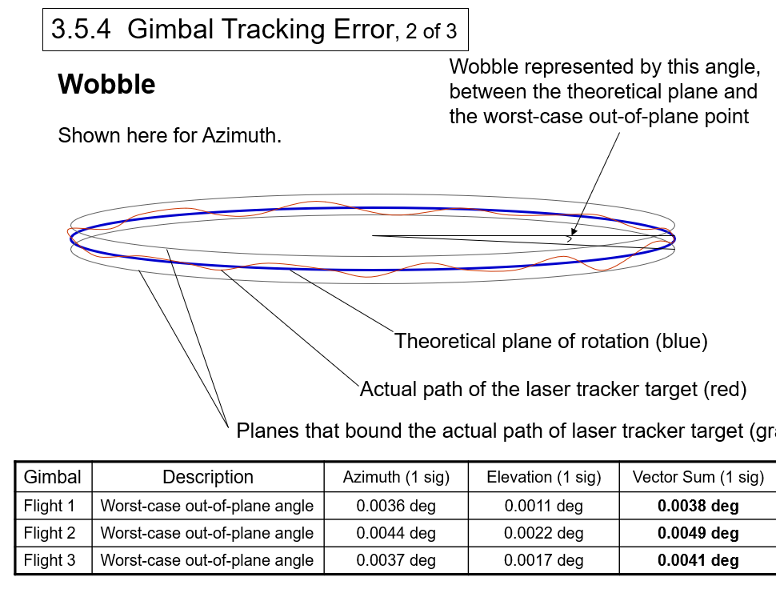
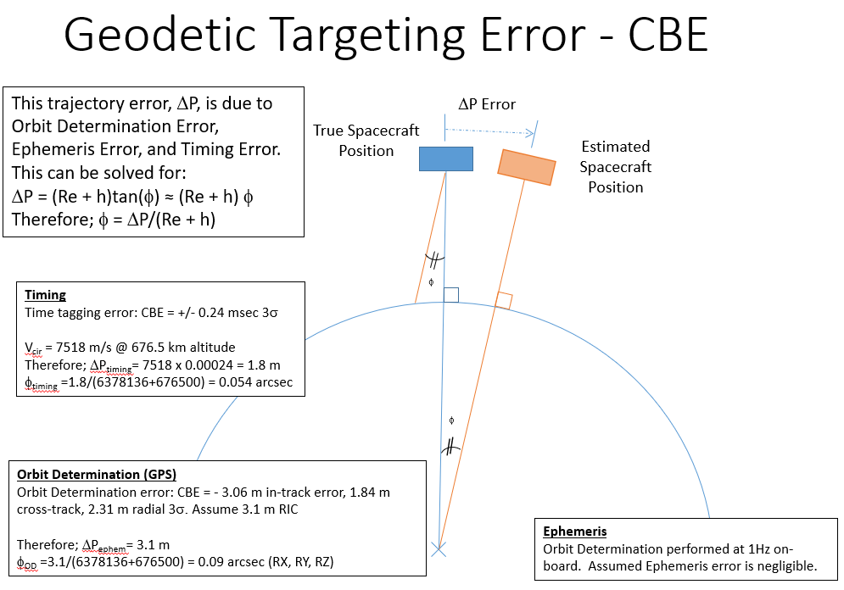
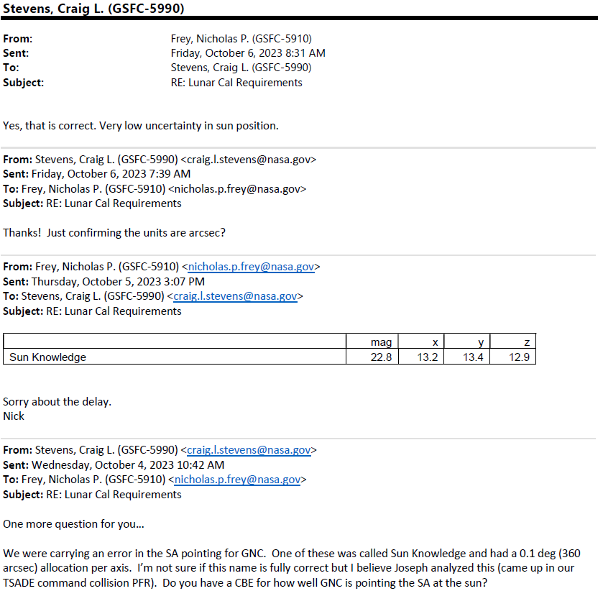
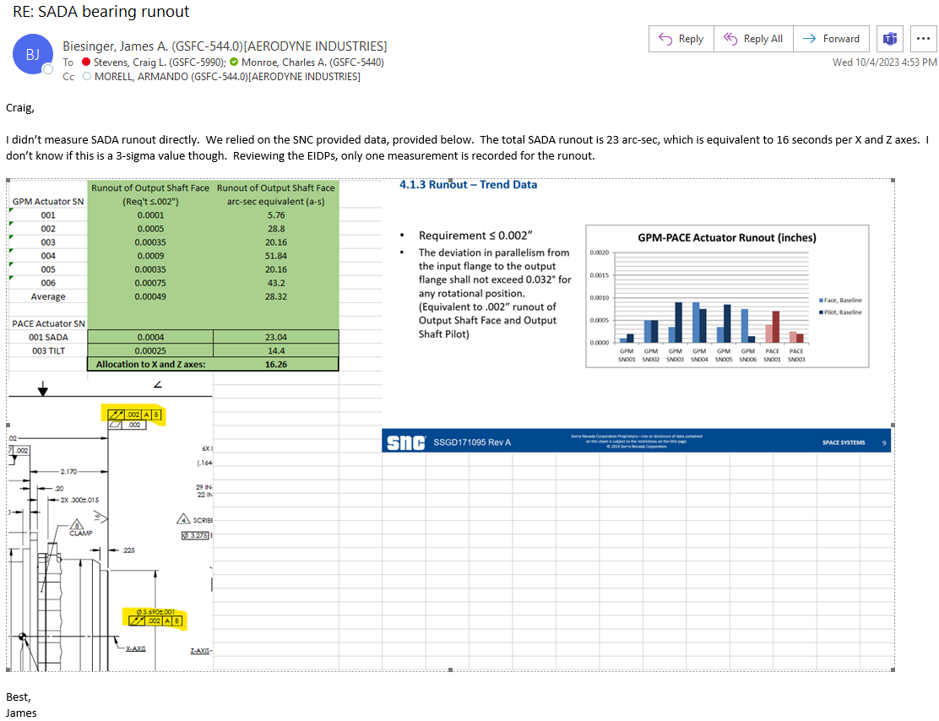
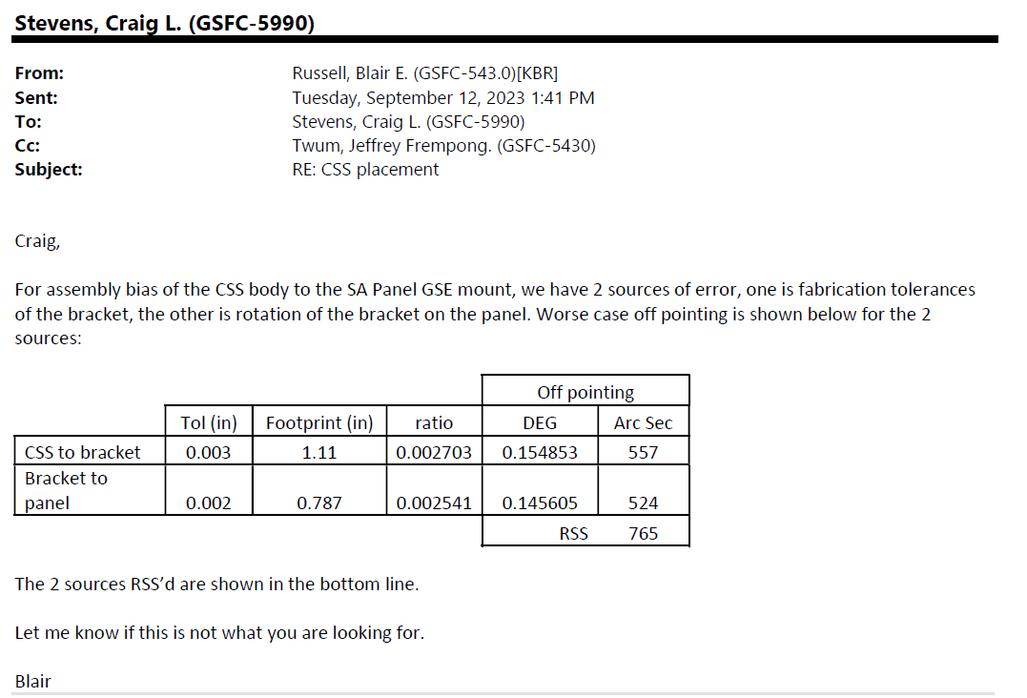
SADA Control Error | SA CSS Placement
 |  | SADA Bearing Runout - from SDO measurements with identical actuator (Gimbal Pointing Summary, 2008-12-16) | Trajectory:
 |  |  | Orbit Determination (GPS): Specific GNSSR Performance Analysis & PACE Mission Specific Test Report - 3.06 m in-track error, 1.84 m cross-track, 2.31 m radial | Sun Knowledge Error Email:
 |  | Assume 0.0044 deg (worst case measurement for each motor) = 16 arcsec per axis (X,Z). James Biesinger confirmed with SADA measurement below. | Timing: PACE OCI Time Distribution Analysis: 108.8 + 96 + 35 µs 3s = 239.8 µs 3s Specific GNSSR Performance Analysis PACE Mission Specific Test Report: 0.04 µs 3 sigma Total timing error: 239.8 + 0.04 = 239.84 µs 3 sigma
 |  |  | Conversion to Pointing Error Below:

