pagerank 1
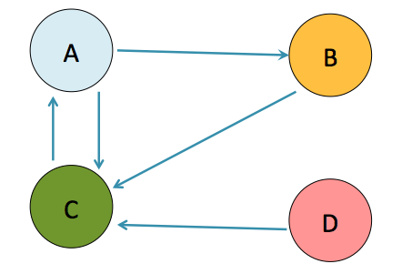

 | beta | N
 | 0.85 | 4

A | B | C | D
 |  |  |  | 0
 |  |  |  | 1
 |  |  |  | 2
 |  |  |  | 3
 |  |  |  | 4
 |  |  |  | 5
 |  |  |  | 6
 |  |  |  | 7
 |  |  |  | 8
 |  |  |  | 9
 |  |  |  | 10
 |  |  |  | 11
 |  |  |  | 12
 |  |  |  | 13
 |  |  |  | 14
 |  |  |  | 15
 |  |  |  | 16
 |  |  |  | 17
 |  |  |  | 18
 |  |  |  | 19
 |  |  |  | 20
 |  |  |  | 21
 |  |  |  | 22
 |  |  |  | 23
 |  |  |  | 24
 |  |  |  | 25

pagerank 2
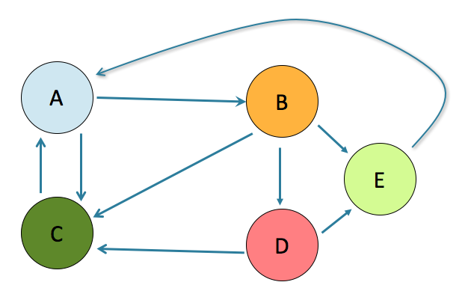

 | beta | N
 | 0.85 | 5

A | B | C | D | E
 |  |  |  |  | 0
 |  |  |  |  | 1
 |  |  |  |  | 2
 |  |  |  |  | 3
 |  |  |  |  | 4
 |  |  |  |  | 5
 |  |  |  |  | 6
 |  |  |  |  | 7
 |  |  |  |  | 8
 |  |  |  |  | 9
 |  |  |  |  | 10
 |  |  |  |  | 11
 |  |  |  |  | 12
 |  |  |  |  | 13
 |  |  |  |  | 14
 |  |  |  |  | 15
 |  |  |  |  | 16
 |  |  |  |  | 17
 |  |  |  |  | 18
 |  |  |  |  | 19
 |  |  |  |  | 20
 |  |  |  |  | 21
 |  |  |  |  | 22
 |  |  |  |  | 23
 |  |  |  |  | 24
 |  |  |  |  | 25

