configuration helper
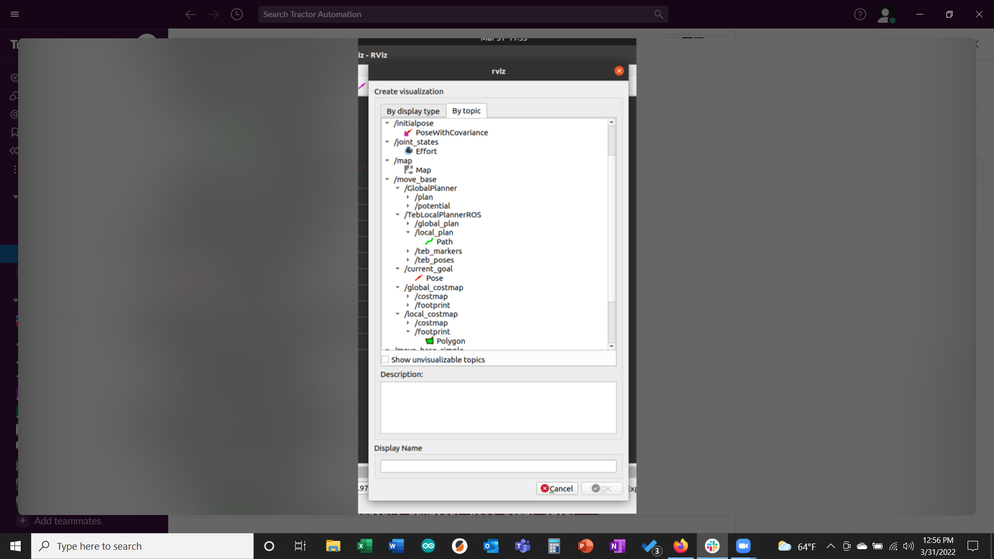
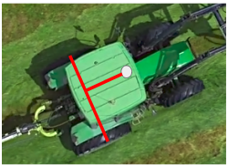
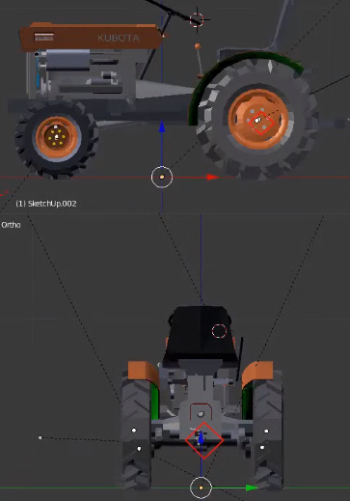
Transforms calculation helper (gps_transform)
You need to take four measurements on your tractor in order to craft the "arg" statement for your gps_transform.
What is the position of the GPS in relation to the rear axle? |  | Inches | Meters (calc'ed)
X | From the view looking down, how many inches away from the rear axle is the center of the GPS? If the GPS is towards the front of the tractor the value is positive. If the GPS is behind the rear axle the value is negative. | 18 | 0.457

What is the position of the GPS in relation to the tractor centerline?
Y | How many inches off the centerline of the tractor is the center of the GPS? If the GPS is right of the centerline the value is negative. If the GPS is left of the centerline the value is positive. If the GPS is on the centerline the value is zero. | 0 | 0 |  |  |  |  | base link

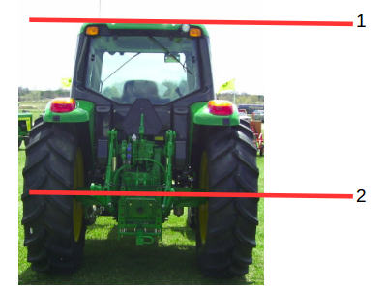
What is the height of the GPS in relation to the rear axle? The value of Z is the distance from the center of the rear axle (base_link frame) to the gps height. Below you will input two measurements in order to calculate Z.
1 | How far off the ground is the GPS (inches)? | 34 | 0.864
2 | How far off the ground is the center line of the rear axle (inches)? You may be able to look up the loaded radius of your tire (eg. http://www.titanstore.com/info/48D638) | 10 | 0.254
Z |  |  | 0.610

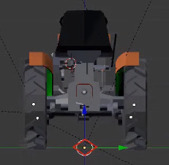
For roll, pitch and yaw of the GPS antenna we will assume it is mounted flat in relation to the ground plane so these are all zero.
 | GPS Antenna - roll | 0
 | GPS Antenna - pitch | 0
 | GPS Antenna - yaw | 0

Node example for your launch file: |  |  |  |  |  |  | if you want to go from the parent to the child you have to go "z" distance
 | <node pkg="tf" type="static_transform_publisher"
 | name="gps_transform" |  |  |  |  |  | Base_footprint
 | args = "0.457 0 0.61 0 0 0 base_link gps 10"/> | < - As you change numbers above this statement will be updated

Update URDF
https://github.com/ros-agriculture/ros_lawn_tractor/blob/master/lawn_tractor_sim/urdf/lawn_tractor.urdf.xacro
 | /home/ubuntu/catkin_ws/src/lawn_tractor/lawn_tractor_sim/urdf/lawn_tractor.urdf.xacro |  | < - location on RPi

<!-- define base footprint joint -->
<joint name="base_footprint_joint" type="fixed">
<parent link="base_footprint"/>
<child link="base_link"/>
<origin xyz="0 0 0.25" rpy="0 0 0" />
</joint> |  |  |  | 0.254

<!-- define gps joint -->
<joint name="gps_joint" type="fixed">
<parent link="base_link"/>
<child link="gps"/> |  |  |  |  |  | Further reading:
<origin xyz="1.25 0 1.0" rpy="0 0 0" /> |  | 0.457 | 0 | 0.610 |  | Setting up your robot using tf
</joint> |  |  |  |  |  | steering axis of carlike robot with teb_local_planner
 |  |  |  |  |  | Planning for car-like robots

Update Yaml file |  |  |  |  |  | Notes on enhancements: The goal is to have a complete URDF file
 | teb_local_planner_params_carlike.yaml |  |  |  |  | Add origin statement for joint - base_link
 | /home/ubuntu/catkin_ws/src/lawn_tractor/lawn_tractor_navigation/config/teb_local_planner_params_carlike.yaml |  |  |  |  | Add origin statement for joint - base_footprint
 |  |  |  |  |  | Add origin statement for GPS
 | You also need to update: |  |  |  |  | Add origin statement for imu
 | min_turning_radius: 2.2 # 14 feet diameter |  |  |  |  | Add origin statement for camera
 | wheelbase: 1.27 # 50 inches front axle to rear axle
 | xy_goal_tolerance: 1.0 # from 0.4 , just trying 1.0
 | yaw_goal_tolerance: 1.0 # from 0.2, just trying 1.0

 | Vinny suggested setting this to zero might prevent the tractor from going into reverse |  | Jeff also found this:

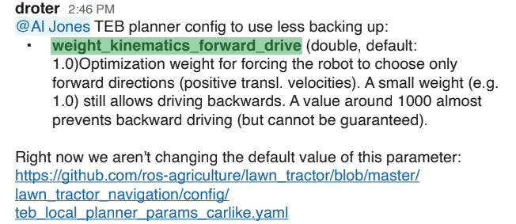

 | 13 <geometry> | x | y | z
 | 14 <box size="0.6 0.1 0.2"/> | length | width | height
 | 15 </geometry> |  |  |  | inches
 |  | 1.3 | 0.96 | 0.82 | meters
 |  | 130 | 96 | 82 | cm
 | <box size= " 1.3 0.96 0.82"/>

 | In RVIS
 | Add - Add by Topic -> Local Planner - >Teb Planner -> Local cost map -> Polygon
 | Add, By Topic, Move Base, Local Cost Map, Foot Print, Polygon

