Figure (capital)
Real Capital Stock in the UK
1975 | 0 | 0
1976 | 0 | 154,983
1977 | 0 | 311,035
1978 | 0 | 469,523
1979 | 0 | 639,698
1980 | 0 | 824,494
1981 | 0 | 997,356
1982 | 0 | 1,158,741
1983 | 0 | 1,328,427
1984 | 0 | 1,510,383
1985 | 0 | 1,704,055
1986 | 0 | 1,901,601
1987 | 0 | 2,096,624
1988 | 0 | 2,315,825
1989 | 0 | 2,568,949
1990 | 0 | 2,834,352
1991 | 0 | 3,092,962
1992 | 0 | 3,331,019
1993 | 0 | 3,565,224
1994 | 0 | 3,801,211
1995 | 0 | 4,040,963 | 3983638.3797
1996 | 0 | 4,279,583 | 3953722.0956
1997 | 0 | 4,529,341 | 4124980.8355
1998 | 0 | 4,775,182 | 4312123.8852
1999 | 0 | 5,040,193 | 4521402.3497
2000 | 0 | 5,310,209 | 4716064.9819
2001 | 0 | 5,592,377 | 4923542.2278
2002 | 0 | 5,878,912 | 5053870.3882
2003 | 0 | 6,172,911 | 5299085.486
2004 | 0 | 6,474,793 | 5396551.0383
2005 | 0 | 6,780,912 | 5707890.983
2006 | 0 | 7,100,126 | 5945666.9864
2007 | 0 | 7,429,553 | 6171464.4731
2008 | 0 | 7,772,032 | 6471669.0371
2009 | 0 | 8,099,460 | 6462110.1575
2010 | 0 | 8,387,924 | 6393445.4946
2011 | 0 | 8,688,155 | 6544723.4461
2012 | 0 | 8,985,307 | 6682007.0926
2013 | 0 | 9,288,122 | 6842631.8343
2014 | 0 | 9,602,195 | 6958707.0484
2015 | 0 | 9,938,144 | 7099000
2016 | 0 | 10,291,974 | 7278423.5973
2017 | 0 | 10,661,543 | 7499210.624
2018 | 0 | 11,041,330 | 7685480.2748
2019 | 0 | 11,422,579 | 7793098.4026
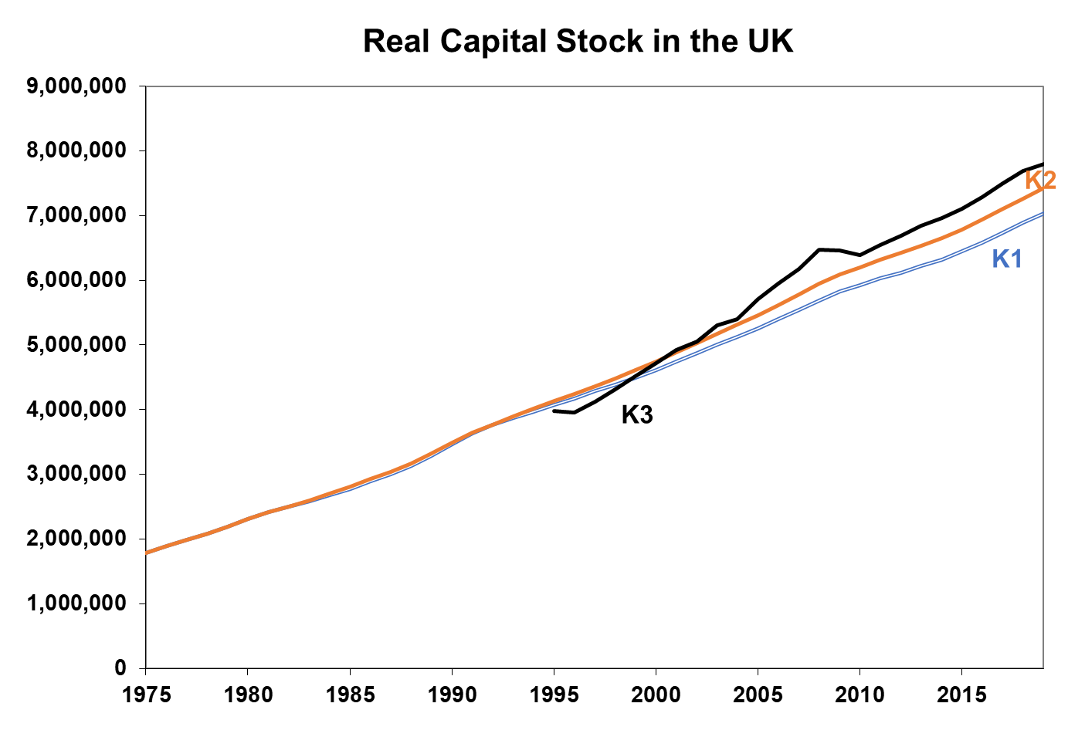
----------- | ----------- | ----------- | ----------- | ---->>> | similar looking?

