Overlays & Stats
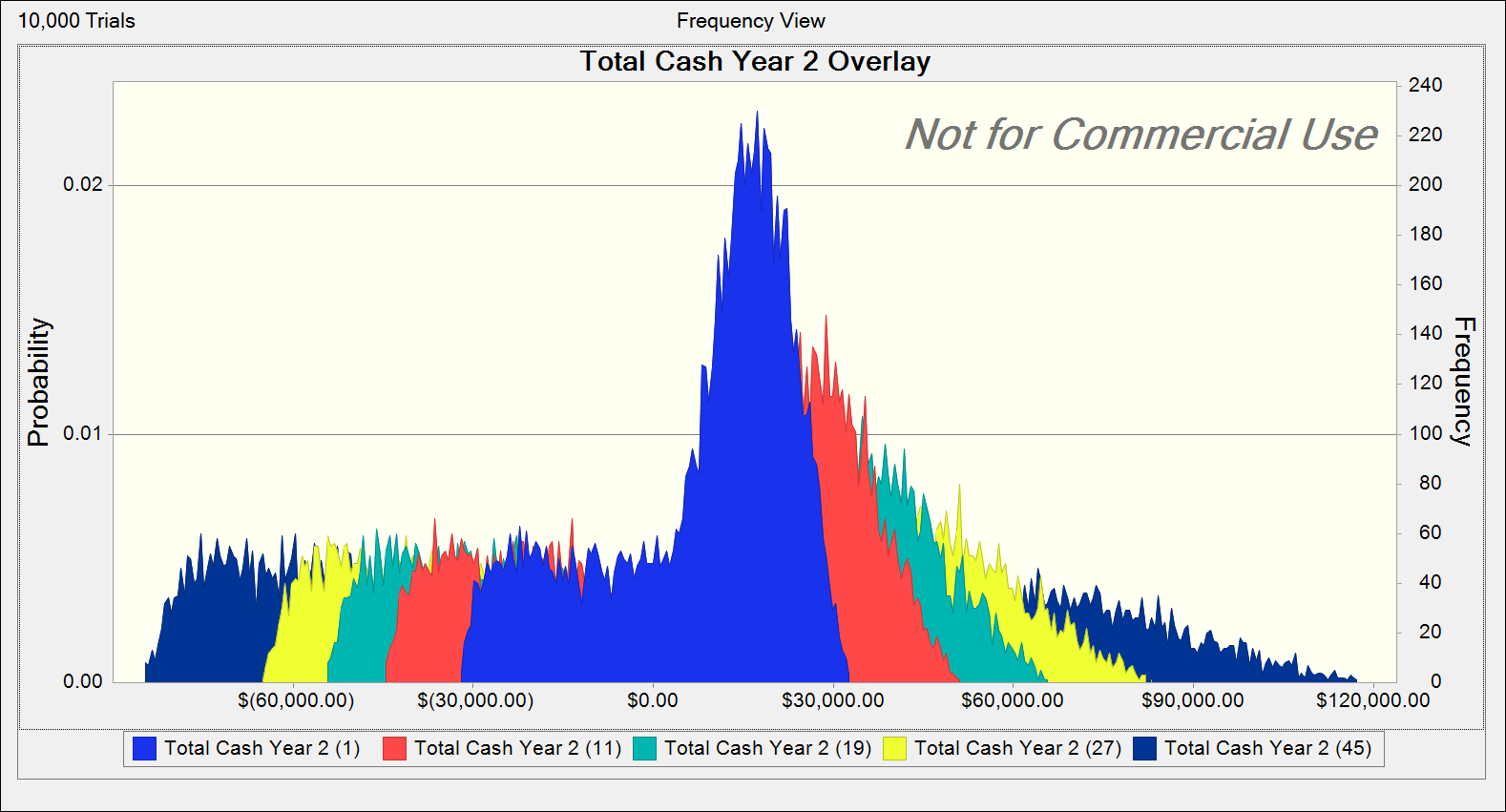
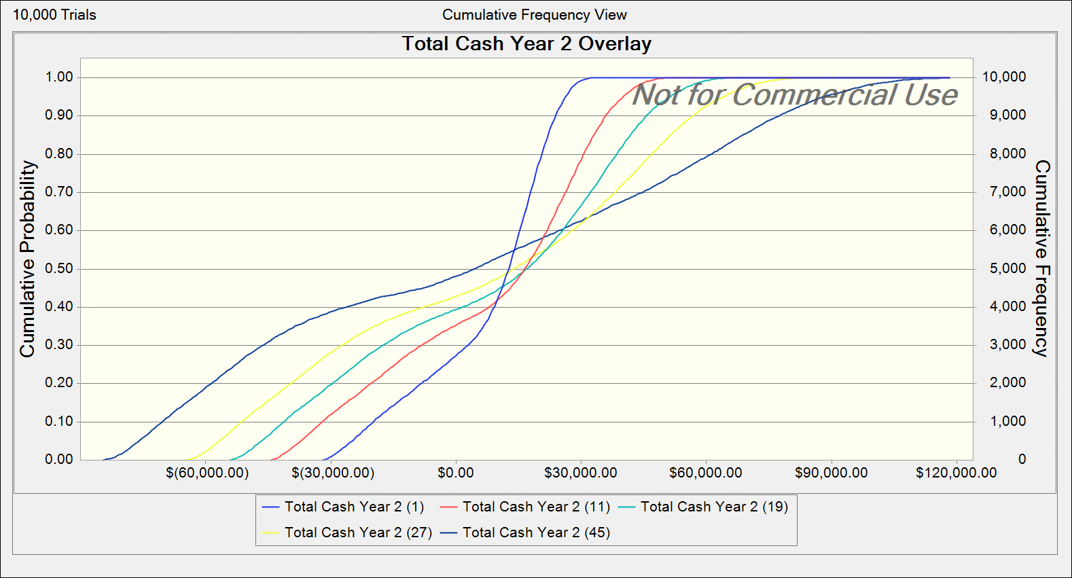
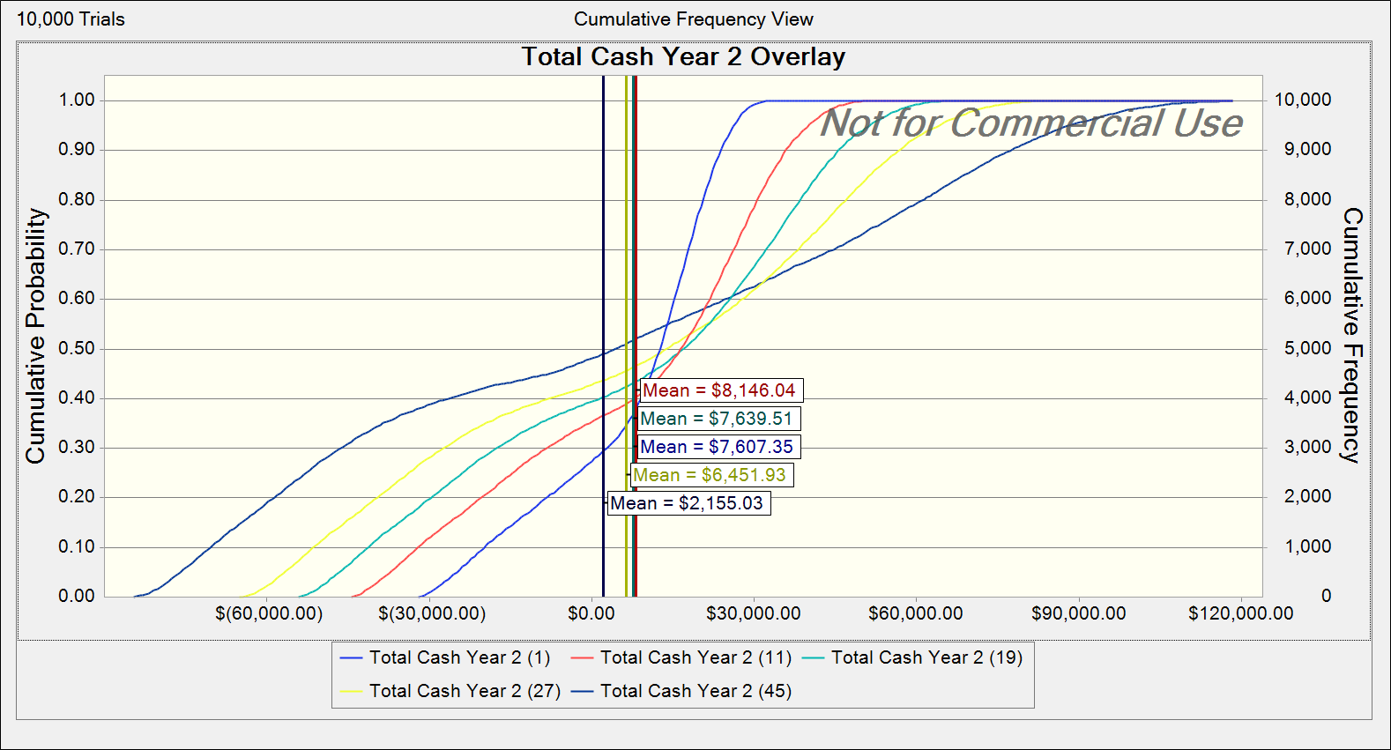
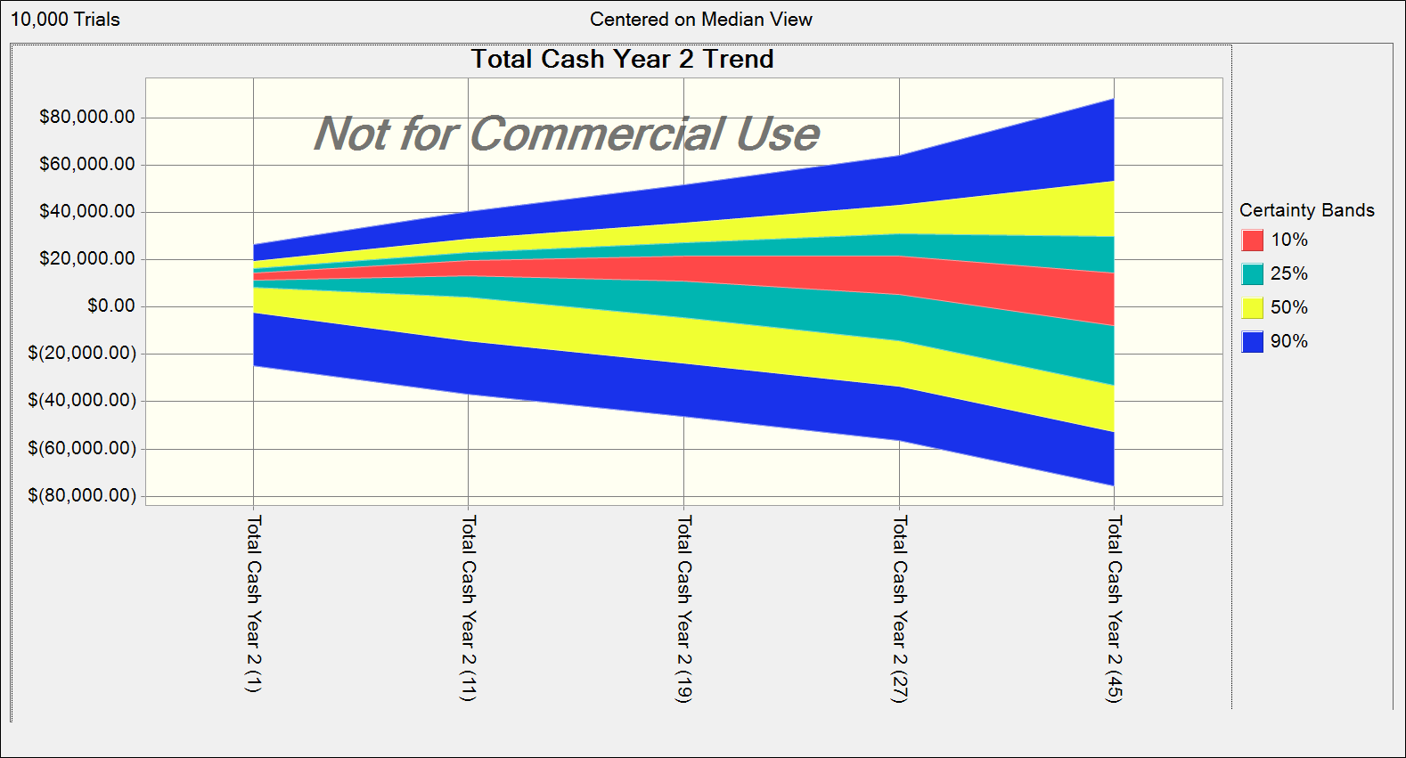
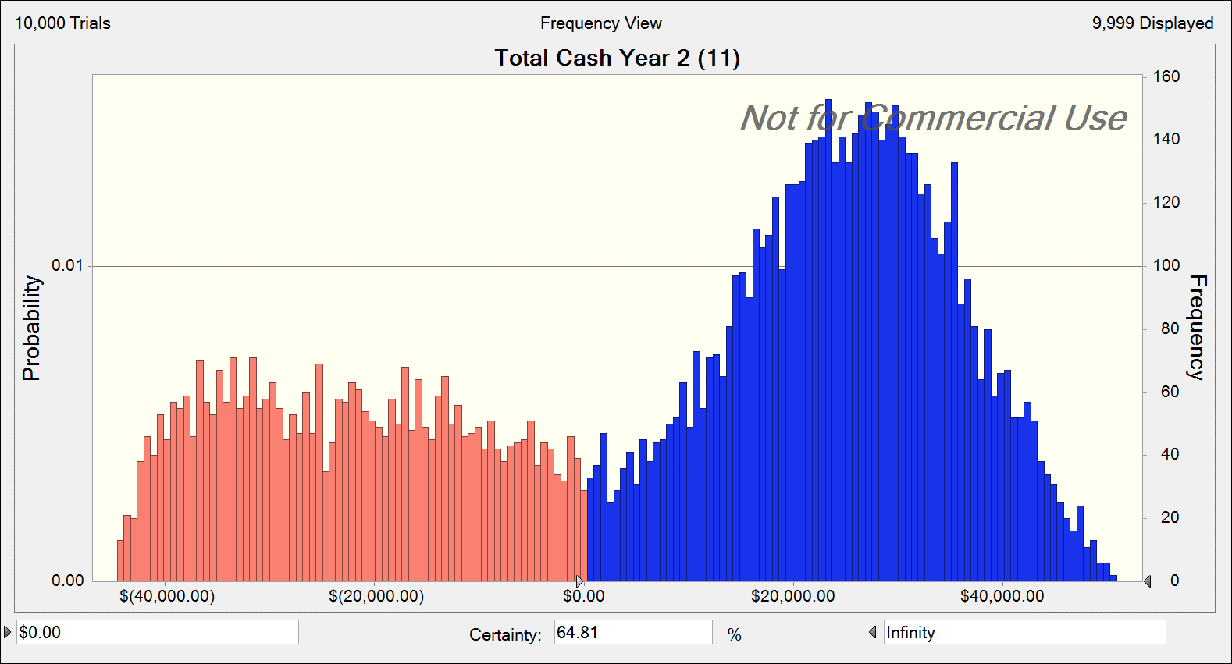
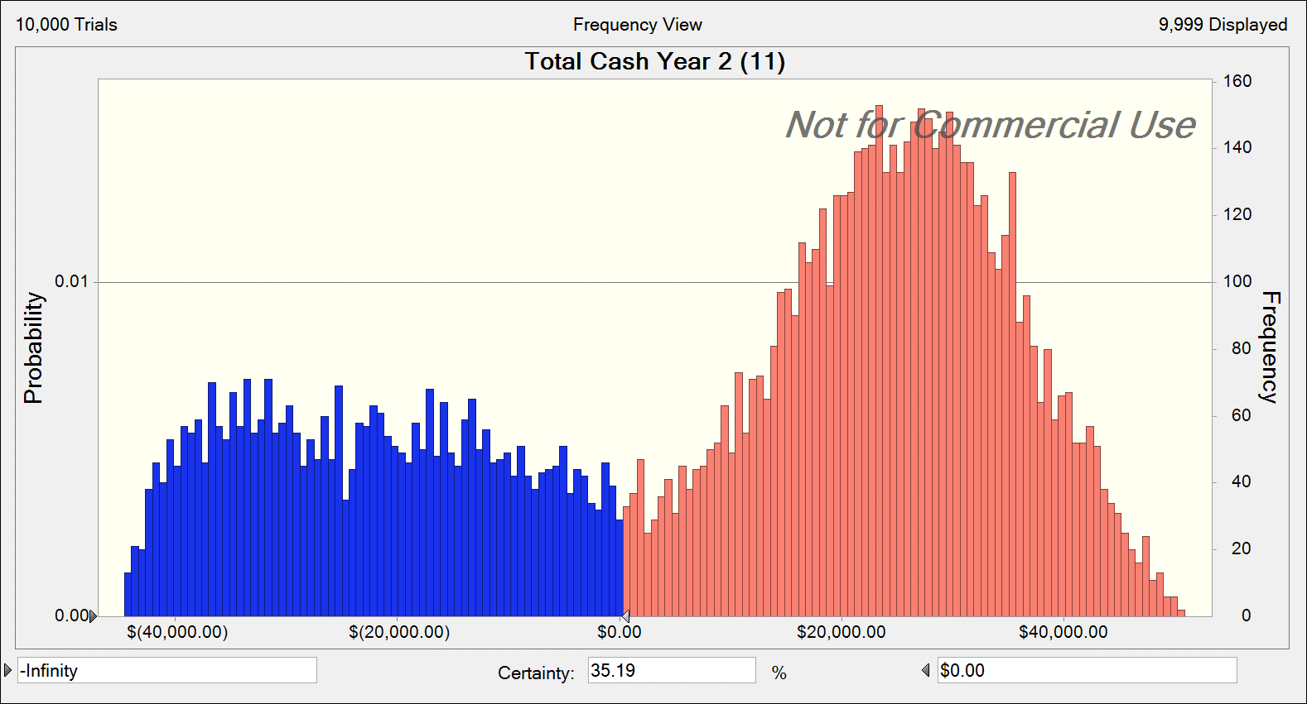
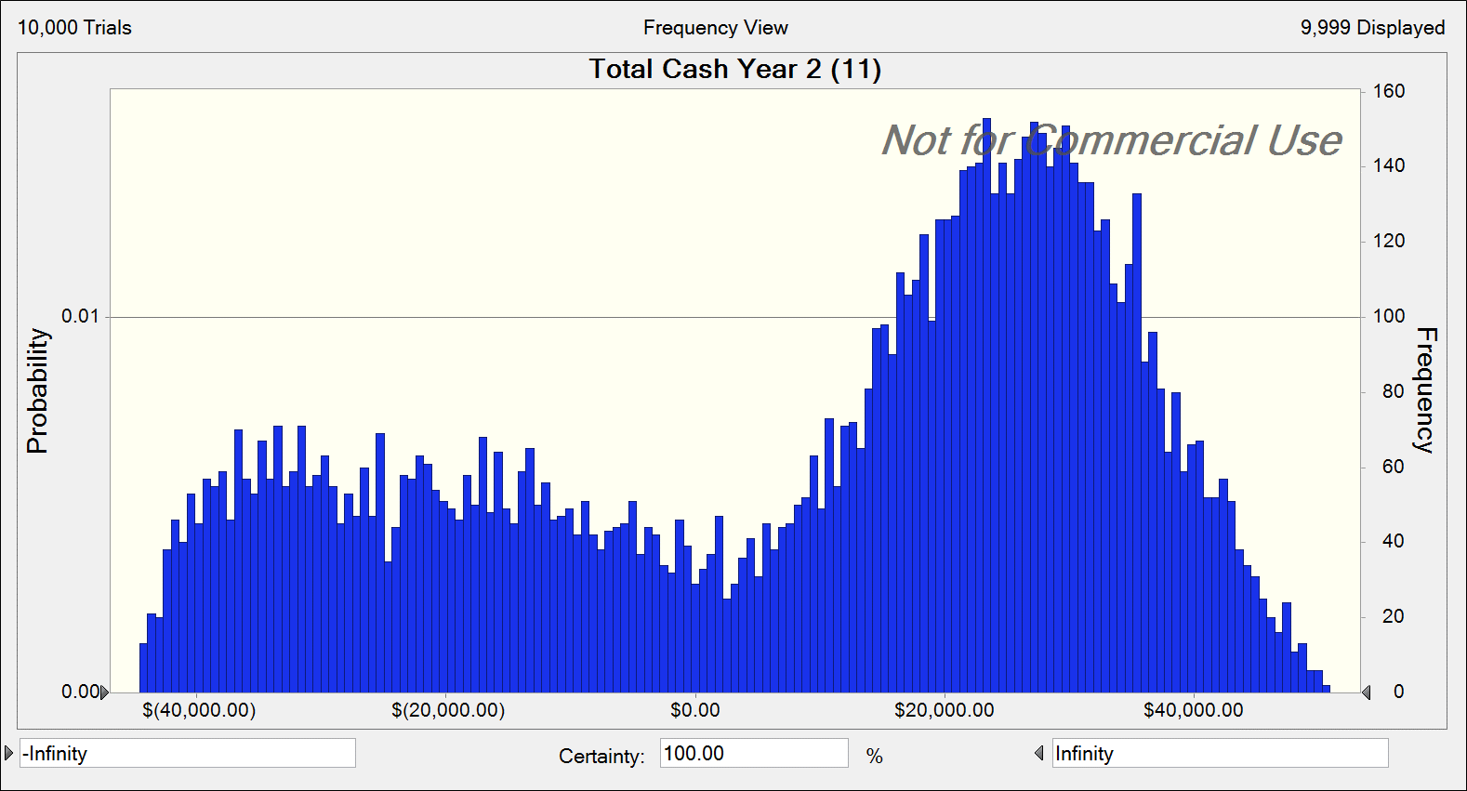
Overlay: Total Cash Year 2 Overlay
Statistic | Total Cash Year 2 (1) 550 Gallons | Total Cash Year 2 (11) 1100 Gallons | Total Cash Year 2 (19) 1540 Gallons | Total Cash Year 2 (27) 2035 Gallons | Total Cash Year 2 (45) 3025 Gallons
Trials | 10,000 | 10,000 | 10,000 | 10,000 | 10,000
Base Case | '--- | '--- | '--- | '--- | '---
Mean | $7,607.35 | $8,146.04 | $7,639.51 | $6,451.93 | $2,155.03
Median | $12,909.32 | $16,656.03 | $17,056.37 | $13,961.05 | $4,577.76
Mode | '--- | '--- | '--- | '--- | '---
Standard Deviation | $15,905.34 | $25,311.08 | $32,821.41 | $41,054.77 | $56,252.01
Variance | $252,979,801.53 | $640,650,856.27 | $1,077,244,712.75 | $1,685,494,345.97 | $3,164,288,095.21
Skewness | -0.852 | -0.5107 | -0.3183 | -0.149 | 0.097
Kurtosis | 2.62 | 1.95 | 1.73 | 1.63 | 1.63
Coeff. of Variation | 2.09 | 3.11 | 4.3 | 6.36 | 26.1
Minimum | ($31,879.80) | ($44,577.27) | ($54,335.24) | ($64,827.96) | ($84,893.41)
Maximum | $32,722.85 | $50,898.48 | $65,838.98 | $83,132.04 | $118,638.17
Mean Std. Error | $159.05 | $253.11 | $328.21 | $410.55 | $562.52

