Sheet1
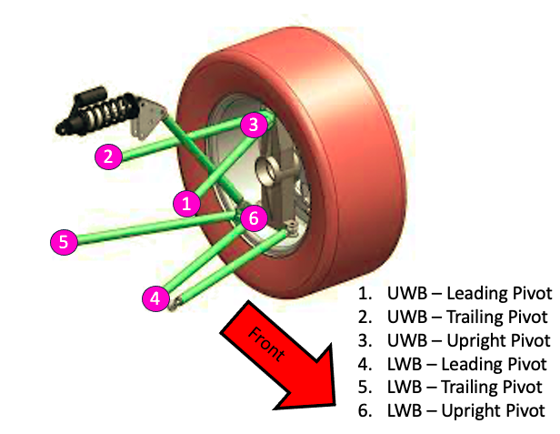
Insert coordinates for either right or left wishbones. These will then be mirrored automatically by the program.
 | Front |  |  | Rear
 | x | y | z | x | y | z
Upper Wishbone - Leading Pivot | 0.233 | 0.266 | 1 | 0.315 | 0.226 | -0.368
Upper Wishbone - Trailing Pivot | 0.233 | 0.237 | 0.749 | 0.277 | 0.257 | -0.613
Upper Wishbone - Upright Pivot | 0.574 | 0.288 | 0.896 | 0.558 | 0.288 | -0.651
Lower Wishbone - Leading Pivot | 0.226 | 0.11 | 1 | 0.314 | 0.105 | -0.368
Lower Wishbone - Trailing Pivot | 0.226 | 0.106 | 0.738 | 0.278 | 0.116 | -0.612
Lower Wishbone - Upright Pivot | 0.592 | 0.118 | 0.907 | 0.576 | 0.118 | -0.604

