Sheet1
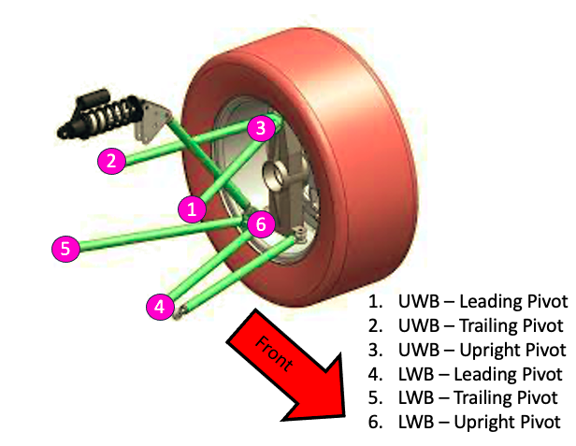
Insert coordinates for either right or left wishbones. These will then be mirrored automatically by the program.
 | Front |  |  | Rear
 | x | y | z | x | y | z
Upper Wishbone - Leading Pivot
Upper Wishbone - Trailing Pivot
Upper Wishbone - Upright Pivot
Lower Wishbone - Leading Pivot
Lower Wishbone - Trailing Pivot
Lower Wishbone - Upright Pivot

