Comparison
What should be the REAL IMV for a car like my 2016 Nissan Sentra S with manual transmission, and in an equivalently good condition? |  |  |  |  |  |  |  |  |  |  |  | Starting point: → | $11,367.00
(all following specifications logged exactly as indicated in details retrieved from original links included within each row) |  |  |  |  |  |  |  |  |  |  |  | Comparable results: ↓ | 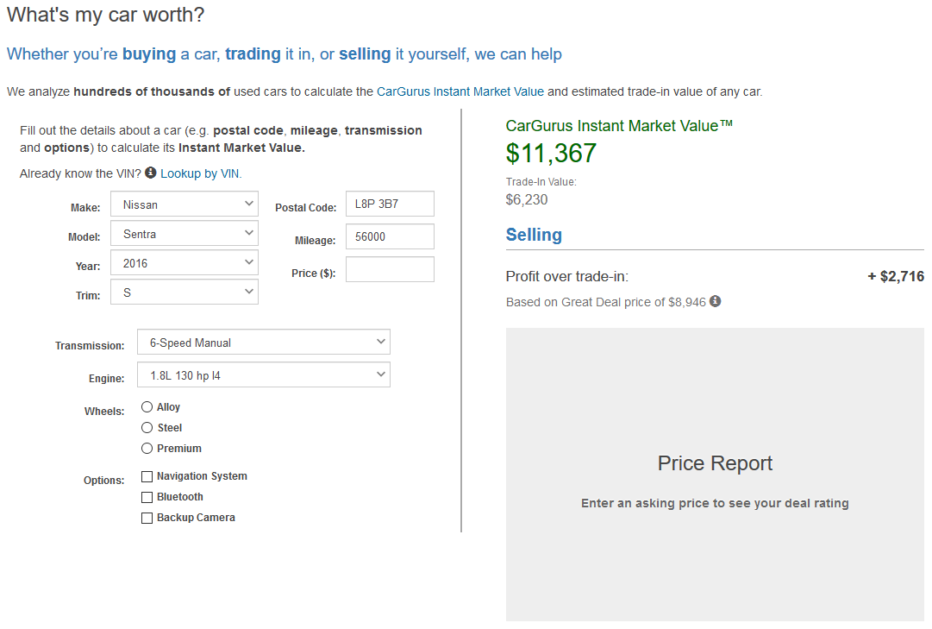
Sample | Year | 2016 | Trim Level | S Trim | Transmission | Manual | Mileage (km) | IMV | Market | Local | Distance (km) | Snippet
1 | 2016 | Yes | S | Yes | CVT | No | 72000 | $12,197.00 | Local | Yes | 43
2 | 2016 | Yes | S | Yes | CVT | No | 64522 | $12,346.00 | Local | Yes | 112
3 | 2016 | Yes | SV | No | Manual | Yes | 71397 | $11,664.00 | Local | Yes | 34
4 | 2016 | Yes | S | Yes | Manual | Yes | 64000 | $11,207.00 | National | No | 562
5 | 2016 | Yes | S | Yes | Manual | Yes | 66079 | $11,165.00 | National | No | 2697
6 | 2016 | Yes | S | Yes | Manual | Yes | 83065 | $10,828.00 | National | No | 3313
7 | 2015 | No | S | Yes | Manual | Yes | 113006 | $7,776.00 | Local | Yes | 116
8 | 2017 | No | S | Yes | Manual | Yes | 48118 | $13,613.00 | Local | Yes | 64
9 | 2017 | No | S | Yes | Manual | Yes | 44045 | $13,769.00 | National | No | 573
10 | 2015 | No | S | Yes | Manual | Yes | 84072 | $9,953.00 | National | No | 2695
11 | 2015 | No | S | Yes | Manual | Yes | 70733 | $8,887.00 | National | No | 550
12 | 2017 | No | S | Yes | Manual | Yes | 49153 | $13,573.00 | National | No | 564

