rank partition
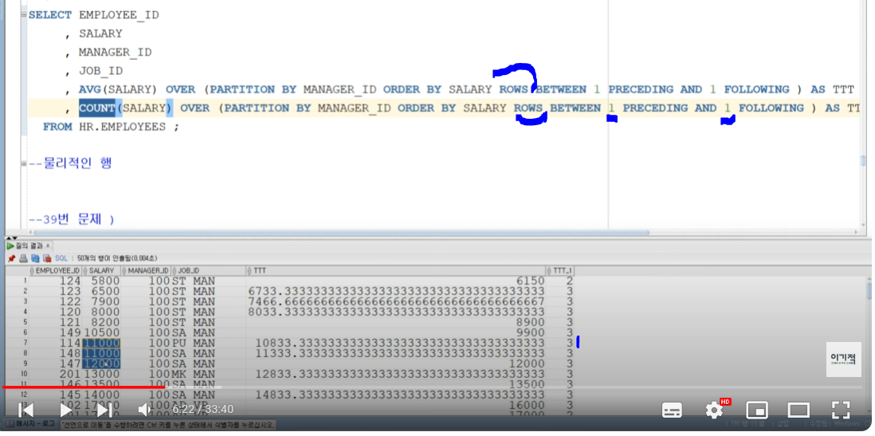
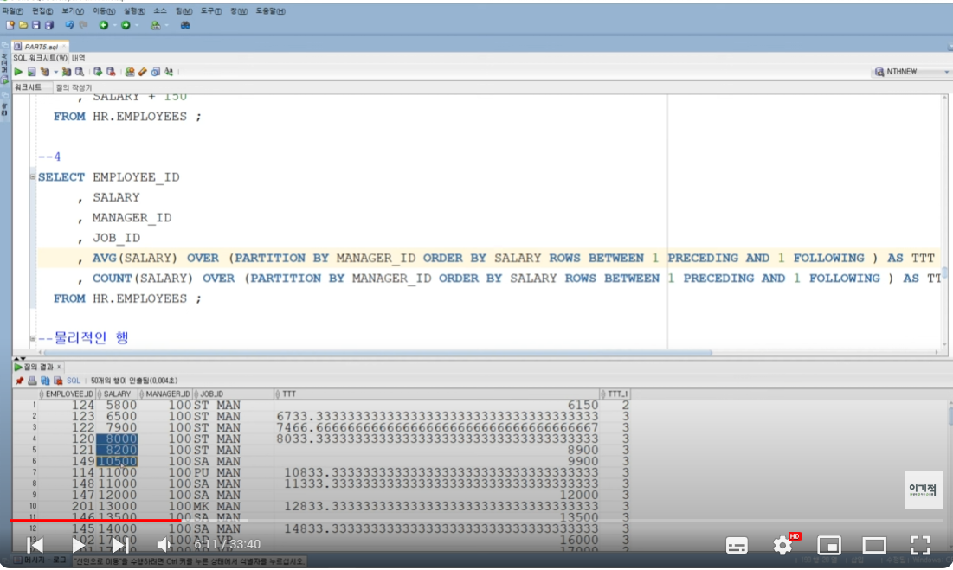
 |  |  | 윈도우 함수를 읽을때는 over뒤를 먼저 읽는다
rank | range between
 | rows between
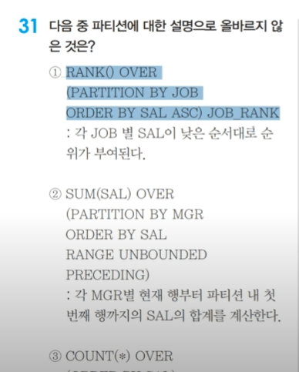
 |  | 2번 분석 | RANGE UNBOUNDED PRECEDING <- 요건 범위를 안정하는 경우 BETWEEN과 AND를 뺴고 사용한다.
 |  |  | 원래는 RANGE BETWEEN이라 명시해야한다
 |  |  | 아무것도 안쓰면
 |  |  | RANGE UNBOUNDED PRECEDING = RANGE UNBOUNDED PRECEDING AND CURRENT ROW

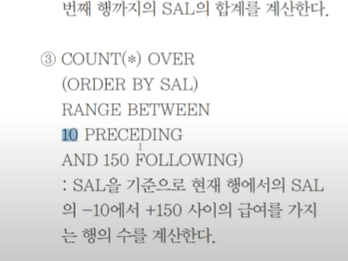

 |  | 3번 분석 | RANGE BETWEEN 10 UNBOUNDED AND 150 PRECEDING -> 범위를 정하는 경우
 |  | 아래와 같이 실행된다.

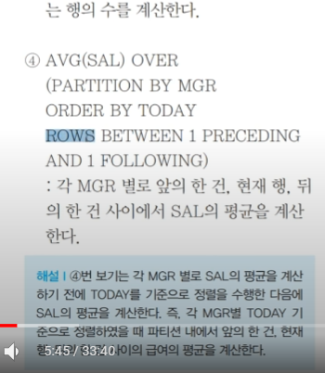
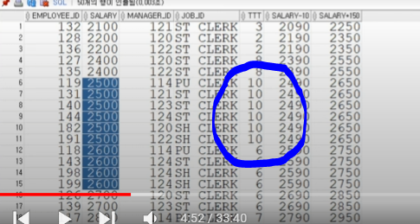

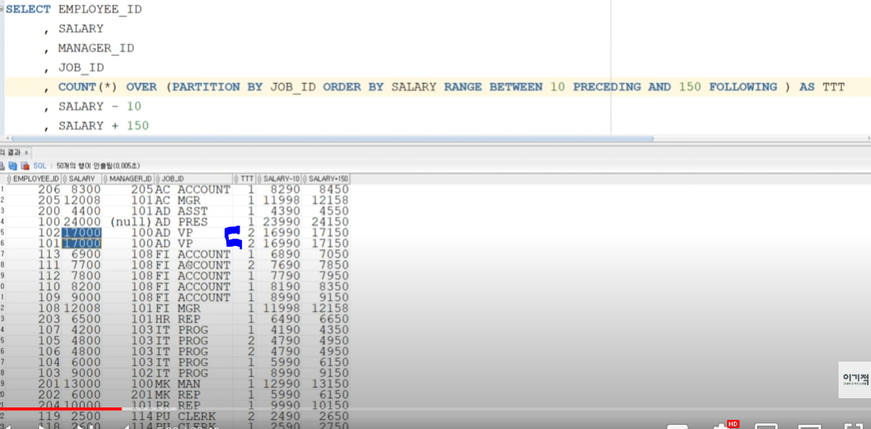

 |  | 4번분석 | AVG는 내 기준으로 위로하나 아래로 하나 평균을 구하겠다
 |  |  | COUNT는 내 기준으로 위로하나 아래로 하나 COUNT를 구하겠다

union
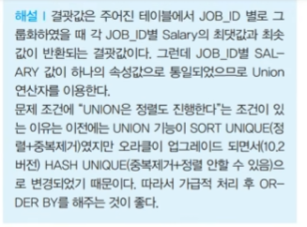
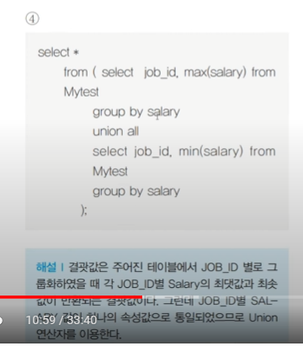
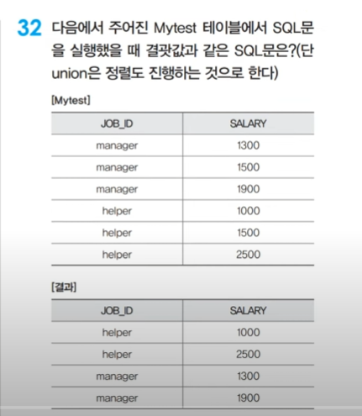

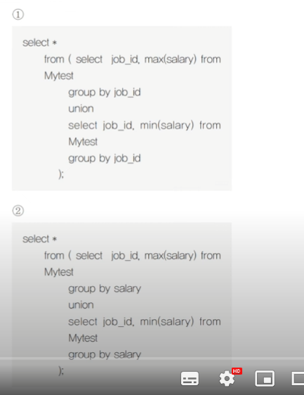
 | 정답 1번 | manager 1900
 |  | helper 2500
 |  | manager 1300
 |  | helper 1000

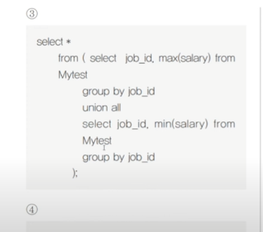
3번 union all은 정렬이 없다.

case when
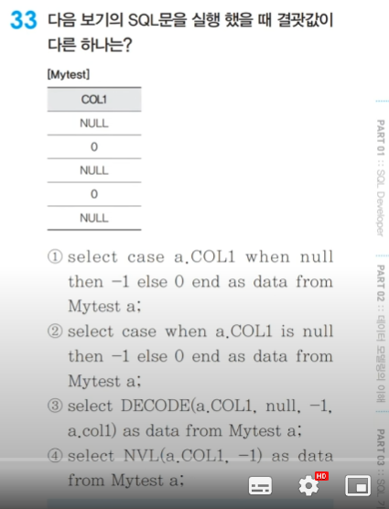

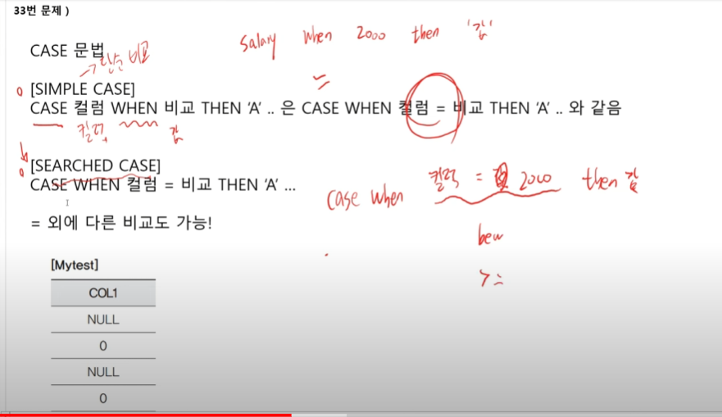
정답 : 1번 문법 오류 아님

with test_table as(
select null col1 from dual union all
select 0 col1 from dual union all
select null col1 from dual union all
select 0 col1 from dual union all
select null col1 from dual
)
select case col1 when null then -1 else 0 end data from test_table
WITH test_table AS (
SELECT NULL col1 FROM dual UNION ALL
SELECT 0 col1 FROM dual UNION ALL
SELECT NULL col1 FROM dual UNION ALL
SELECT 0 col1 FROM dual UNION ALL
SELECT NULL col1 FROM dual
)
SELECT
CASE NVL(col1, -99999)
WHEN -99999 THEN -1
ELSE 0
END AS data
FROM test_table;
with test_table as(
select null col1 from dual union all
select 0 col1 from dual union all
select null col1 from dual union all
select 0 col1 from dual union all
select null col1 from dual
)
select case when col1 is null then -1 else 0 end data from test_table

안봐도됨
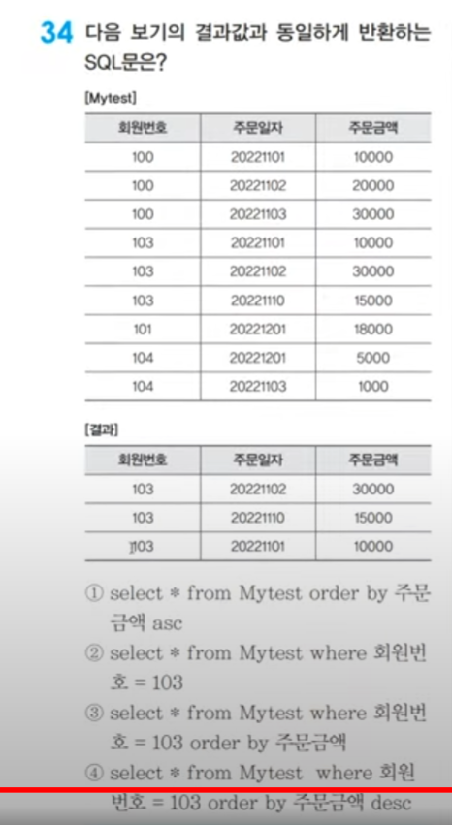
34번 부터 | 정답 4번

TO_DATE
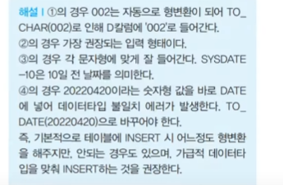
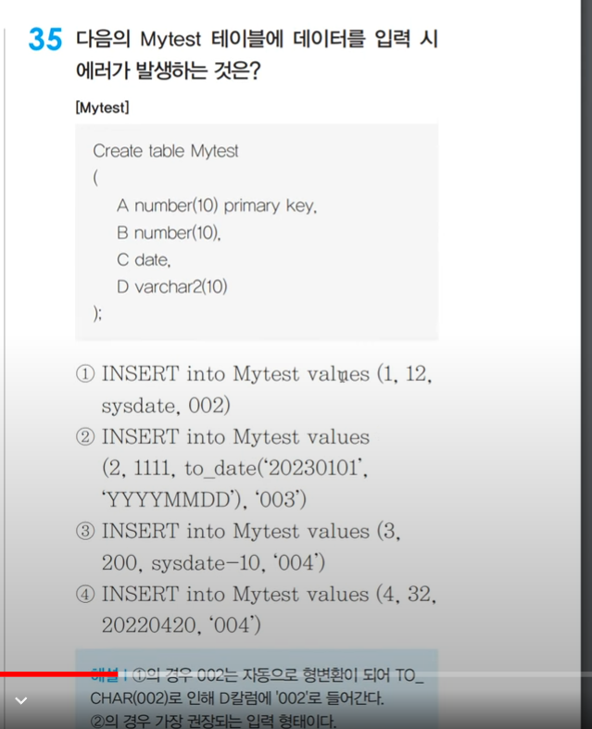

1) 숫자는 VARCHAR2에도 들어간다.

정답 4번

SQL결과값
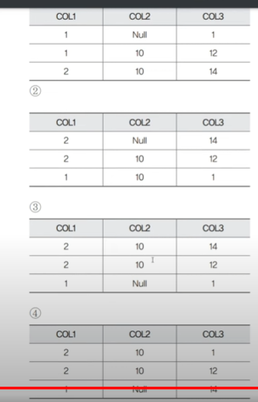
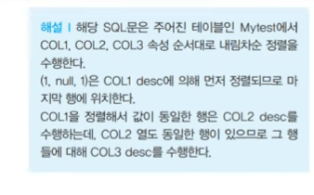
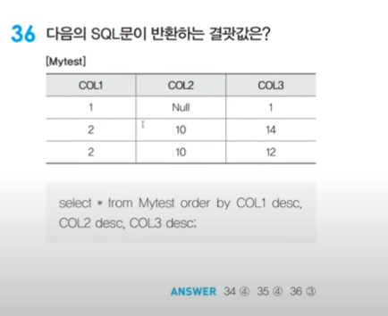
정답 3번

Sheet6
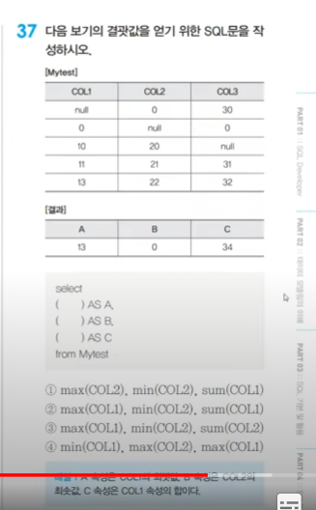

정답 2번

ROLL UP
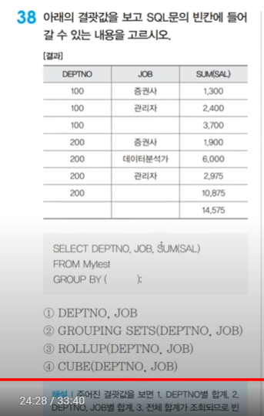

정답 3번

ANSI SQL
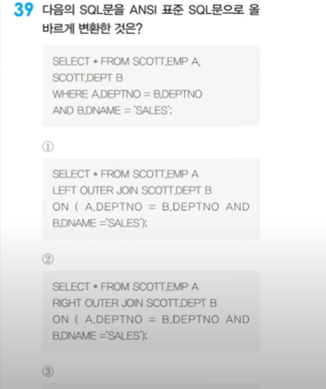

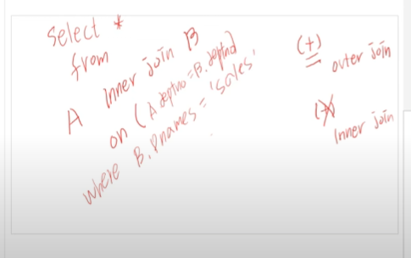



정답 4번

JOIN
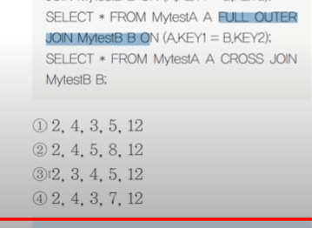
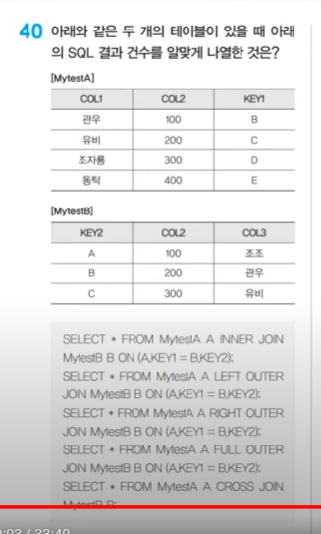

정답 1번 | FULL OUTER JOIN 5

WITH
table1 AS (
SELECT '관우' COL1, 100 COL2, 'B' KEY1 FROM dual UNION ALL
SELECT '유비' COL1, 200 COL2, 'C' KEY1 FROM dual UNION ALL
SELECT '조자룡' COL1, 300 COL2, 'D' KEY1 FROM dual UNION ALL
SELECT '동탁' COL1, 400 COL2, 'E' KEY1 FROM dual
),
table2 AS (
SELECT 'A' KEY2, 100 COL2, '조조' COL3 FROM dual UNION ALL
SELECT 'B' KEY2, 200 COL2, '관우' COL3 FROM dual UNION ALL
SELECT 'C' KEY2, 300 COL2, '유비' COL3 FROM dual
)
SELECT
*
FROM
table1 t1
FULL OUTER JOIN
table2 t2
ON
t1.KEY1 = t2.KEY2
WITH
table1 AS (
SELECT 1 AS id, 'A' AS name FROM dual UNION ALL
SELECT 2 AS id, 'B' AS name FROM dual UNION ALL
SELECT 3 AS id, 'C' AS name FROM dual
),
table2 AS (
SELECT 2 AS id, 'X' AS name FROM dual UNION ALL
SELECT 3 AS id, 'Y' AS name FROM dual UNION ALL
SELECT 4 AS id, 'Z' AS name FROM dual
)
SELECT
t1.id AS id1,
t1.name AS name1,
t2.id AS id2,
t2.name AS name2
FROM
table1 t1
FULL OUTER JOIN
table2 t2
ON
t1.id = t2.id
ORDER BY
COALESCE(t1.id, t2.id);

