Sheet1
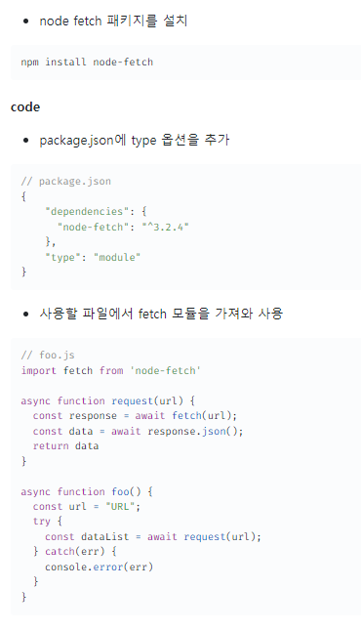
https://velog.io/@ahn0min/Node.js-fetch-%EC%82%AC%EC%9A%A9%ED%95%98%EA%B8%B0

