PC
db = database
collection table
documents 기존의 raw
replication 같은 디비를 분산으로 다른쪽에 복사해서 동기화
디폴트로 파티셔닝이 된다.
mongod --dbpath c:\mongodb\db
mongod
show dbs;

docker
C:\Users\jooladen>docker ps
CONTAINER ID IMAGE COMMAND CREATED STATUS PORTS NAMES
51a354e95ce0 minio/minio:RELEASE.2021-02-11T08-23-43Z "/usr/bin/docker-ent…" 9 hours ago Up 9 hours 0.0.0.0:9000->9000/tcp resources-hk-s3-1
63a8aad53f31 elasticsearch:7.9.2 "/tini -- /usr/local…" 9 hours ago Up 9 hours 0.0.0.0:9200->9200/tcp, 0.0.0.0:9300->9300/tcp resources-elasticsearch-1
06e4e1917d58 mongo "docker-entrypoint.s…" 9 hours ago Up 9 hours 0.0.0.0:27017->27017/tcp resources-mongo-1
e67abd78fcee mysql:5.7 "docker-entrypoint.s…" 3 days ago Up 2 days 33060/tcp, 0.0.0.0:9876->3306/tcp mysql57-db-1
C:\Users\jooladen>docker exec -it mongo bash
Error response from daemon: No such container: mongo
C:\Users\jooladen>docker exec -it resources-mongo-1 bash
root@06e4e1917d58:/# mongosh -u root -p hk123
show databases; or show dbs;
use jooladen; --> 몽고디비는 create없이도 이게 가능하다.
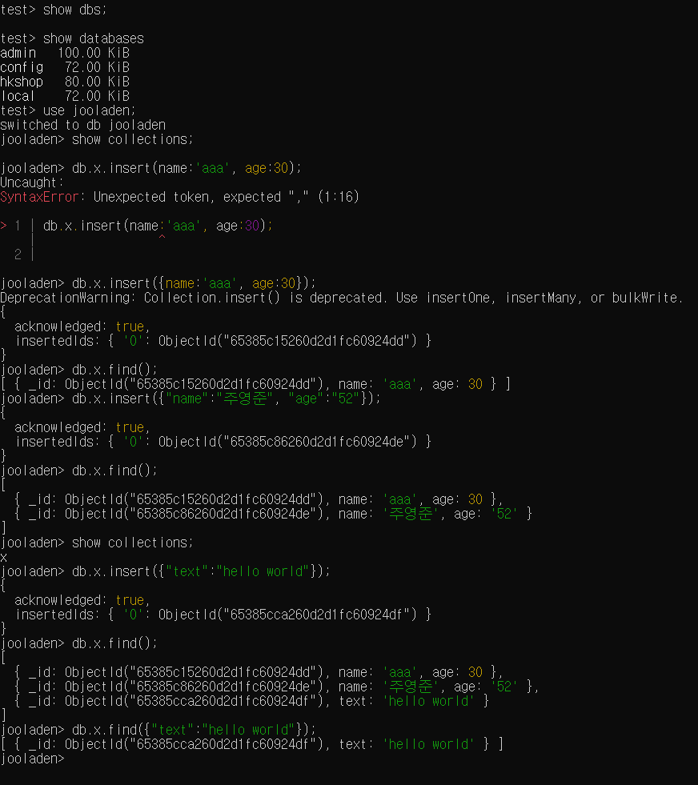

최초상태
도커 최초상태
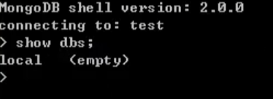
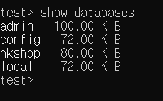

https://devfunny.tistory.com/920

test> show dbs;
test> show databases
admin 100.00 KiB
config 72.00 KiB
hkshop 80.00 KiB
local 72.00 KiB
test> use jooladen;
switched to db jooladen
jooladen> show collections;
jooladen> db.x.insert(name:'aaa', age:30);
Uncaught:
SyntaxError: Unexpected token, expected "," (1:16)
> 1 | db.x.insert(name:'aaa', age:30);
| ^
2 |
jooladen> db.x.insert({name:'aaa', age:30});
DeprecationWarning: Collection.insert() is deprecated. Use insertOne, insertMany, or bulkWrite.
{
acknowledged: true,
insertedIds: { '0': ObjectId("65385c15260d2d1fc60924dd") }
}
jooladen> db.x.find();
[ { _id: ObjectId("65385c15260d2d1fc60924dd"), name: 'aaa', age: 30 } ]
jooladen> db.x.insert({"name":"주영준", "age":"52"});
{
acknowledged: true,
insertedIds: { '0': ObjectId("65385c86260d2d1fc60924de") }
}
jooladen> db.x.find();
[
{ _id: ObjectId("65385c15260d2d1fc60924dd"), name: 'aaa', age: 30 },
{ _id: ObjectId("65385c86260d2d1fc60924de"), name: '주영준', age: '52' }
]
jooladen> show collections;
x
jooladen> db.x.insert({"text":"hello world"});
{
acknowledged: true,
insertedIds: { '0': ObjectId("65385cca260d2d1fc60924df") }
}
jooladen> db.x.find();
[
{ _id: ObjectId("65385c15260d2d1fc60924dd"), name: 'aaa', age: 30 },
{ _id: ObjectId("65385c86260d2d1fc60924de"), name: '주영준', age: '52' },
{ _id: ObjectId("65385cca260d2d1fc60924df"), text: 'hello world' }
]
jooladen> db.x.find({"text":"hello world"});
[ { _id: ObjectId("65385cca260d2d1fc60924df"), text: 'hello world' } ]
jooladen>

