CPSC_VSL_Guidance
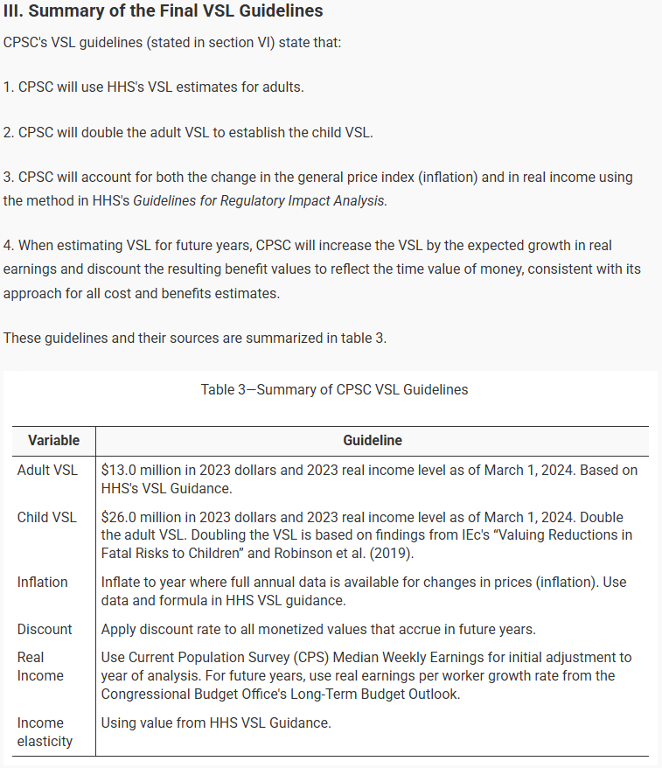
Data Year | Agency | VSL_USD2022
2024 | EPA | 11 | Source | https://www.federalregister.gov/documents/2024/04/18/2024-08300/notice-of-availability-of-final-guidance-for-estimating-value-per-statistical-life
2024 | DOT | 12.5 | Citation | Consumer Product Safety Commission (CPSC) 2024 Notice of Availability of Final Guidance for Estimating Value per Statistical Life Fed. Regist. Online: https://www.federalregister.gov/documents/2024/04/18/2024-08300/notice-of-availability-of-final-guidance-for-estimating-value-per-statistical-life
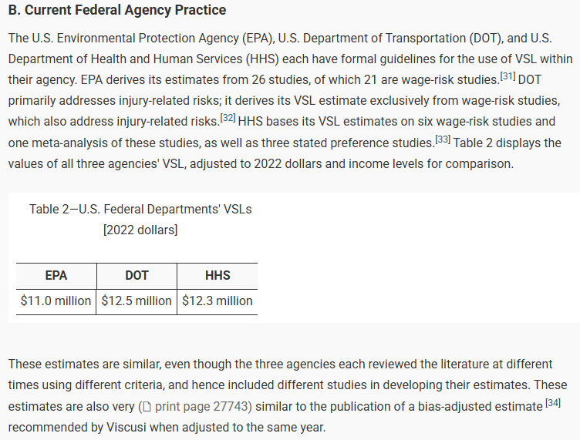
2024 | HHS | 12.3

CBO_Table_C1
This file presents the data from the tables and figures in CBO’s June 2023 report The 2023 Long-Term Budget Outlook.
www.cbo.gov/publication/59014

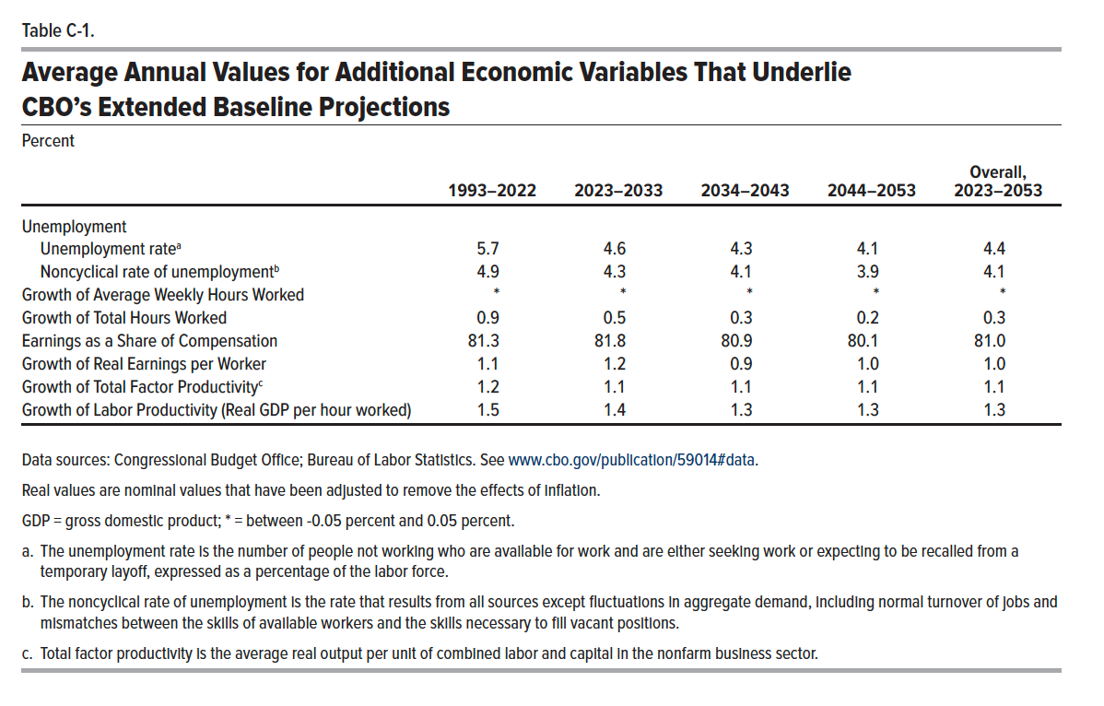
Table C-1. Average Annual Values for Additional Economic Variables That Underlie CBO’s Extended Baseline Projections
Percent

 | 1993–2022 | 2023–2033 | 2034–2043 | 2044–2053 | Overall, 2023–2053
Unemployment
Unemployment rate | 5.7 | 4.6 | 4.3 | 4.1 | 4.4
Noncyclical Rate of Unemployment | 4.9 | 4.3 | 4.1 | 3.9 | 4.1
Growth of Average Weekly Hours Worked | 0.0 | 0.0 | 0.0 | 0.0 | 0.0
Growth of Total Hours Worked | 0.9 | 0.5 | 0.3 | 0.2 | 0.3
Earnings as a Share of Compensation | 81.3 | 81.8 | 80.9 | 80.1 | 81.0
Growth of Real Earnings per Worker | 1.1 | 1.2 | 0.9 | 1.0 | 1.0
Growth of Total Factor Productivity | 1.2 | 1.1 | 1.1 | 1.1 | 1.1
Growth of Labor Productivity (Real GDP per hour worked) | 1.5 | 1.4 | 1.3 | 1.3 | 1.3

Back to Table of Contents

CPSC_HHS_VSL_Guidelines
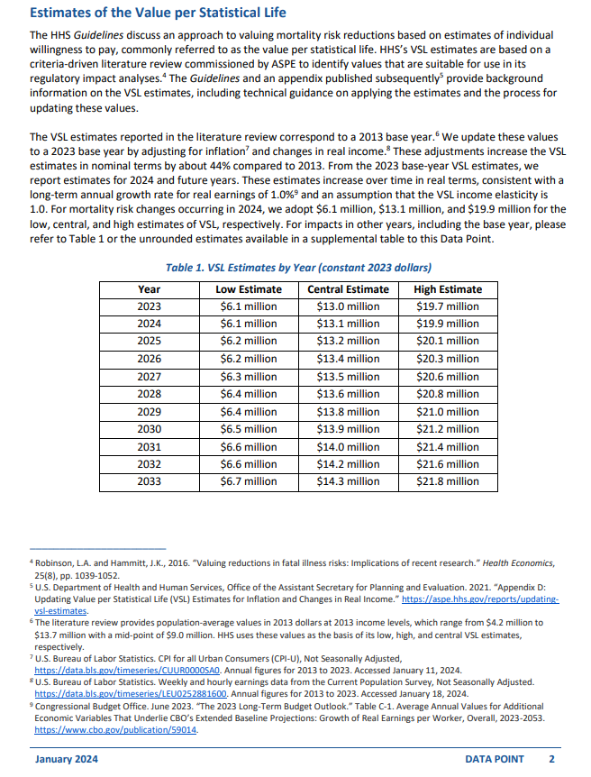
cbo_real_growth_rate | income_elasticity | cpi_ratio_2023_2022
1 | 1.01 | 1.0411645111 | Source | https://aspe.hhs.gov/sites/default/files/documents/cd2a1348ea0777b1aa918089e4965b8c/standard-ria-values.pdf
 |  |  | Citation | Consumer Product Safety Commission (CPSC) 2024 Notice of Availability of Final Guidance for Estimating Value per Statistical Life Fed. Regist. Online: https://www.federalregister.gov/documents/2024/04/18/2024-08300/notice-of-availability-of-final-guidance-for-estimating-value-per-statistical-life

