ML
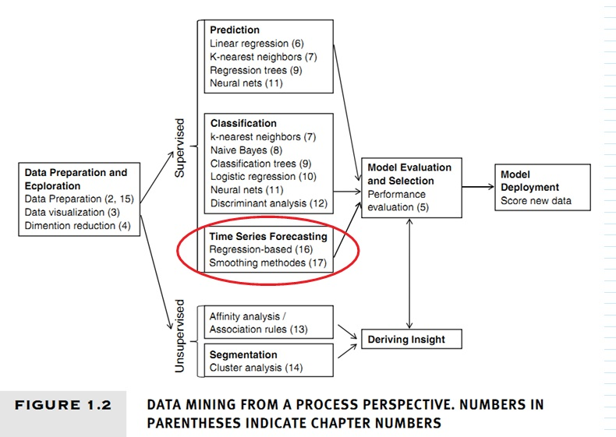
 |  | tópicos
Arrumação dos exemplos |  |  | linear regression
 | Escolher entre featureNormalize.m em... |  |  | loss function
 | C:\Users\Jorge Aracaty\Dropbox\__ML\ocMATLAB\mlclass-ex7 |  |  | cost
 | ou... |  |  | gradient
 | C:\Users\Jorge Aracaty\Dropbox\__ML\ocMATLAB\ex1_jorge |  |  | alpha
 | entre os dois métodos escolher o mais rápido e deixar anotação a respeito do mais lento. |  |  | gama
 |  |  |  | regularization
 | Logistic Regression Cost and Gradient with Regularization Matlab code |  | logistic regression
 | ML no dropbox

MLSC
 |  |  |  |  | Machine Learning
 |  |  |  |  | Multivariate Linear Regression
 |  |  |  |  | Logistic Regression
 |  | n Features |  |  | Regularization
 |  |  | m Training Examples |  | Neural Networks
Mulltivariate Linear Regression
noninvertibility |  |  |  | Parameters | Advice for Applying M.L.
normal equation |  |  |  | loss function | M.L. System Design
combining and polynomial features |  |  |  | Hypothesis function | Support Vector Machines
mean normalization |  |  |  | Cost function | Clustering
 | feature scaling |  | alpha |  | Dimensionality Reduction
 |  | Gradient descent |  |  | Anomaly Detection
 |  |  |  |  | Recommender Systems
 |  | Multivariate Linear Regression |  |  | Large Scale Machine Learning
 | Matlab/Octave |  | Logistic Regression |  | Linear Algebra
Machine Learning
Linear Algebra |  |  |  | Regularization | Matlab/Octave
Large Scale Machine Learning |  |  |  | Neural Networks
Recommender Systems |  |  |  | Advice for Applying M.L.
Anomaly Detection |  |  |  | M.L. System Design
 | Dimensionality Reduction |  | Support Vector Machines
 |  | Clustering

