ClassDiagram
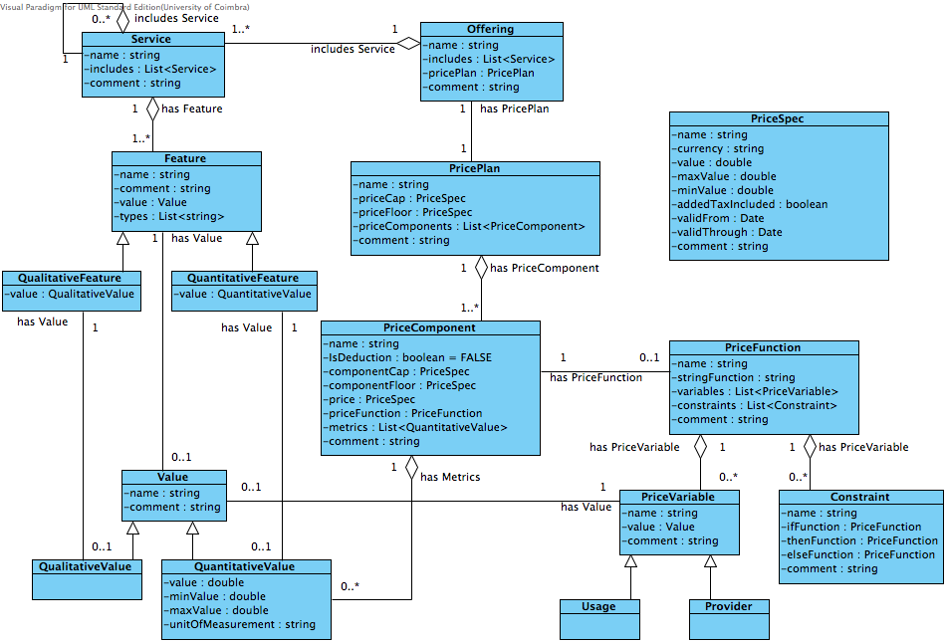
Comments | Date Added
Still a few considerations need to be made about the Pricing Variables structure. | 2014-02-22
Discuss the better way to interact with the Jena Library | 2014-02-22

