TestData1
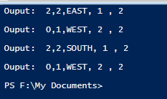
Input file
PLACE 1,2,EAST
PLACE 1,1,NORTH
ROBOT 1
MOVE
REPORT
ROBOT 2
LEFT
MOVE
REPORT
ROBOT 1
RIGHT
REPORT
ROBOT 2
REPORT

Expected output:
There are 2 PLACE calls, hence 2 Robots on the table
There are 4 REPORT calls, hence 4 output
1st output is ROBOT 1 position just after the MOVE | 2,2,EAST,1,2
2nd output is for ROBOT 2 after LEFT and MOVE | 0,1,WEST,2,2
3rd output is for Robot 1 after the RIGHT | 2,2,SOUTH,1,2
4th output is for Robot 2 with no action done | 0,1,WEST,2,2

Output from test run:

TestData2
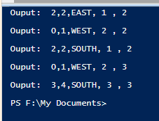
Input file
PLACE 1,2,EAST
PLACE 1,1,NORTH
ROBOT 1
MOVE
REPORT
ROBOT 2
LEFT
MOVE
REPORT
ROBOT 1
RIGHT
REPORT
PLACE 3,4,SOUTH
ROBOT 2
REPORT
ROBOT 3
REPORT

Expected output:
There are 2 PLACE calls, hence 2 Robots initially on the table
There are 5 REPORT calls, hence 5 output
1st output is ROBOT 1 position just after the MOVE | 2,2,EAST,1,2
2nd output is for ROBOT 2 after LEFT and MOVE | 0,1,WEST,2,2
3rd output is for Robot 1 after the RIGHT | 2,2,SOUTH,1,2
PLACE call to add Robot 3
4th output is for Robot 2 with no action done, but count now 3 | 0,1,WEST,2,3
5th output is for Robot 3 with no action done | 3,4,SOUTH,3,3

Output from test run:

