TestData4
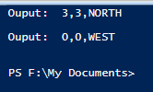
Input file
PLACE 1,2,EAST
MOVE
MOVE
LEFT
MOVE
REPORT
PLACE 0,0,WEST
REPORT

Expected output:
Ouput: 3,3,NORTH
Output: 0,0,WEST

Output from test run

