Residential Controller (2)
Floor 10 |  |  |  | Floor 10 |  |  |  |  | Floor 10 |  |  |  |  |  |  | Floor 10

Floor 9 |  |  |  | Floor 9 |  |  |  |  | Floor 9 |  |  |  |  |  |  | Floor 9
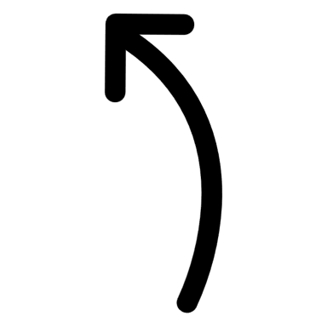

Floor 8 |  |  |  | Floor 8 |  |  |  |  | Floor 8 |  |  |  |  |  |  | Floor 8

Floor 7 |  |  |  | Floor 7 |  |  |  |  | Floor 7 |  |  |  |  |  |  | Floor 7

 |  |  | 7
Floor 6 |  |  |  | Floor 6 |  |  |  |  | Floor 6 |  |  |  |  |  |  | Floor 6
 |  |  |  |  |  |  |  |  |  |  |  |  |  |  |  |  |  |  | 6
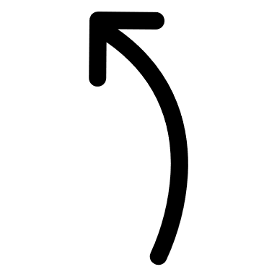
 |  |  |  |  |  |  |  |  |  |  |  |  | 6
Floor 5 |  |  |  | Floor 5 |  |  |  |  | Floor 5 |  |  |  |  |  |  | Floor 5

Floor 4 |  |  |  | Floor 4 |  |  |  |  | Floor 4 |  |  |  |  |  |  | Floor 4

Floor 3 |  |  |  | Floor 3 |  |  |  |  | Floor 3 |  |  |  |  |  |  | Floor 3

 |  |  | 3 |  |  |  |  |  |  |  |  |  |  |  |  |  |  |  | 3
Floor 2 |  |  |  | Floor 2 |  |  | Sceneario 2 |  | Floor 2 |  |  |  |  | 2 minutes later |  | Floor 2 |  |  |  | 3er Person
 |  |  |  |  |  |  |  | Elev 1 @ 10 floor |  |  |  |  |  |  | Elev 1 @ 10 floor |  |  |  |  |  | Elev 1 @ 10 floor
 |  |  |  |  |  |  |  | Elev 2 @ 3 floor |  |  |  |  |  |  | Elev 2 @ 6 floor |  |  |  |  |  | Elev 2 @ 6 floor
Floor 1 |  |  |  | Floor 1 |  |  |  | Req elev | Floor 1 |  |  | 1 |  |  | Req elev | Floor 1 |  |  |  |  | Req elev
 |  |  |  |  |  |  |  | Elev sent |  |  |  |  |  |  | Elev sent |  |  |  |  |  | Elev sent

 | Elevator 1 | Elevator 2 |  |  | Elevator 1 | Elevator 2 |  |  |  | Elevator 1 | Elevator 2 |  |  |  |  |  | Elevator 1 | Elevator 2
Elevator 1 @ Floor 7 and Idle

