Residential Controller
Floor 10 |  |  |  | Scenario |  | With elevator 1 Idle at floor 2 and elevator 2 Idle at floor 6, someone is on | Floor 10 |  |  |  |  | Floor 10 |  |  |  |  |  |  | Floor 10
 |  |  |  |  |  | floor 3 and requests the 7th floor, elevator 1 is expected to be sent.
 |  |  |  |  | Elev 1 @ 2 floor
Floor 9 |  |  |  |  | Elev 2 @ 6 floor |  | Floor 9 |  |  |  |  | Floor 9 |  |  |  |  |  |  | Floor 9
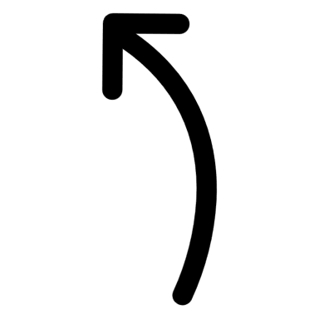
 |  |  |  |  | Req elev UP to 7
 |  |  |  |  | Elev sent
Floor 8 |  |  |  |  |  |  | Floor 8 |  |  |  |  | Floor 8 |  |  |  |  |  |  | Floor 8
 |  |  |  | elevator1Position = 2
 |  |  |  | elevator2Position = 6
Floor 7 |  |  |  |  |  |  | Floor 7 |  |  |  |  | Floor 7 |  |  |  |  |  |  | Floor 7
 |  |  |  | externalButton
 |  |  | 7 | requestDirection = up
Floor 6 |  |  |  | requestFloor = 3 |  |  | Floor 6 |  |  |  |  | Floor 6 |  |  |  |  |  |  | Floor 6
 |  |  |  | externalButtonStatus = on |  |  |  |  |  |  |  |  |  |  |  |  |  |  |  |  |  | 6
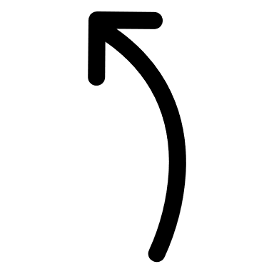
 |  |  |  |  |  |  |  |  |  |  |  |  |  |  |  | 6
Floor 5 |  |  |  | findElevator |  |  | Floor 5 |  |  |  |  | Floor 5 |  |  |  |  |  |  | Floor 5
 |  |  |  | elevartors correctWay = False
 |  |  |  | elevatorStatus = idle
Floor 4 |  |  |  | return elevator 1 and 2 |  |  | Floor 4 |  |  |  |  | Floor 4 |  |  |  |  |  |  | Floor 4
 |  |  |  | gap1 = abs(2 - 3) = 1
 |  |  |  | gap2 = abs(6 -3) = 3
Floor 3 |  |  |  | 1 < 3 elevatorID = 1 |  |  | Floor 3 |  |  |  |  | Floor 3 |  |  |  |  |  |  | Floor 3

 |  |  | 3 | addElevatorToQueue |  |  |  |  |  |  |  |  |  |  |  |  |  |  |  |  |  | 3
Floor 2 |  |  |  | elevatorQueue = 3 |  |  | Floor 2 |  |  | Sceneario 2 |  | Floor 2 |  |  |  |  | 2 minutes later |  | Floor 2 |  |  |  | 3er Person
 |  |  |  | elevator Is UP sort ascending |  |  |  |  |  |  | Elev 1 @ 10 floor |  |  |  |  |  |  | Elev 1 @ 10 floor |  |  |  |  |  | Elev 1 @ 10 floor
 |  |  |  |  |  |  |  |  |  |  | Elev 2 @ 3 floor |  |  |  |  |  |  | Elev 2 @ 6 floor |  |  |  |  |  | Elev 2 @ 6 floor
Floor 1 |  |  |  | moveElevator |  |  | Floor 1 |  |  |  | Req elev | Floor 1 |  |  | 1 |  |  | Req elev | Floor 1 |  |  |  |  | Req elev
 |  |  |  | request = 3 |  |  |  |  |  |  | Elev sent |  |  |  |  |  |  | Elev sent |  |  |  |  |  | Elev sent
 |  |  |  | elevetor currentFlor = 2
 | Elevator 1 | Elevator 2 |  | call moveUp |  |  |  | Elevator 1 | Elevator 2 |  |  |  | Elevator 1 | Elevator 2 |  |  |  |  |  | Elevator 1 | Elevator 2

