Cover

Fintech DA Take Home Test

Jorge Completo
September 2023

A.a
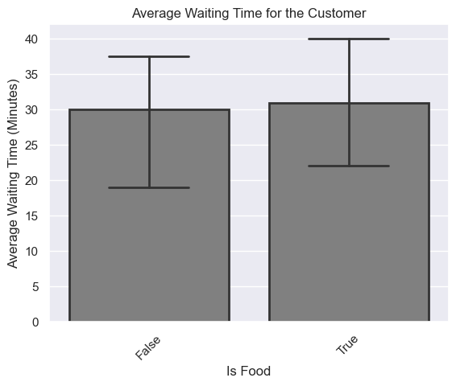
A.a Customer Delivery Time. How long the customer waited for the order

Answer:
Let’s assume that the time that the customer waited for their order was the time elapsed between the moment he ordered and the moment the order was delivered.

Total Waiting Time = termination_time - activation_time_local

The average waiting time for a customer considering all the orders that have been Delivered in Glovalia for the week being considered was around 37 minutes and 46 seconds.
Let's try to understand how the total waiting time for a customer might change depending on some features of the order:

Transport | Average waiting time
BICYCLE | 37m:12s | On average the fastest method to deliver orders to the customers was the motorbike.
CAR | 41m:18s | However, the motorbike appeared to be only marginaly better comparing to the bicycle.
MOTORBIKE | 36m:50s
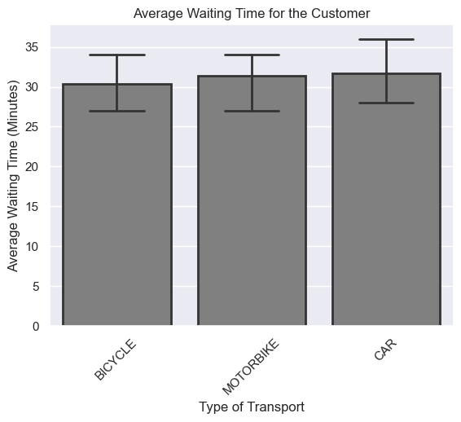

Vertical | Average waiting time
WALL - Partner | 37m:44s | On average Partners of Glovo tend to result in lower waiting times for customers by about 5 min when compared to non Partners.
QUIERO | 36m:34s
WALL - NonPartner | 42m:32s

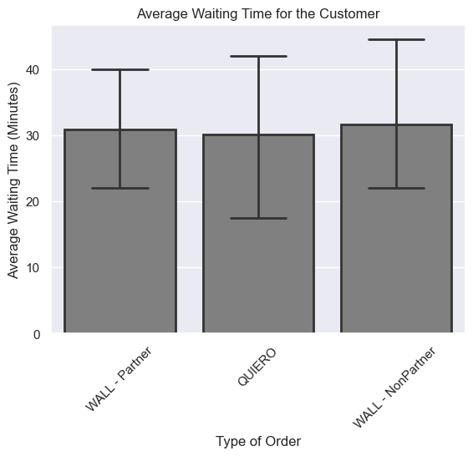

Is_food | Average waiting time
FALSE | 35m:47s | On average food orders tend to lead to longer waiting periods for clients.
TRUE | 37m:50s

B
B. Regarding reassignments can you see any trends / correlation between this metric and any of the dimensions in the dataset?

Answer:

To better analyse the reassignments I've created a new feature called Reassigned. This is a bolean variable that is 1 if the number_of_assignments is higher than 1 and 0 if not.

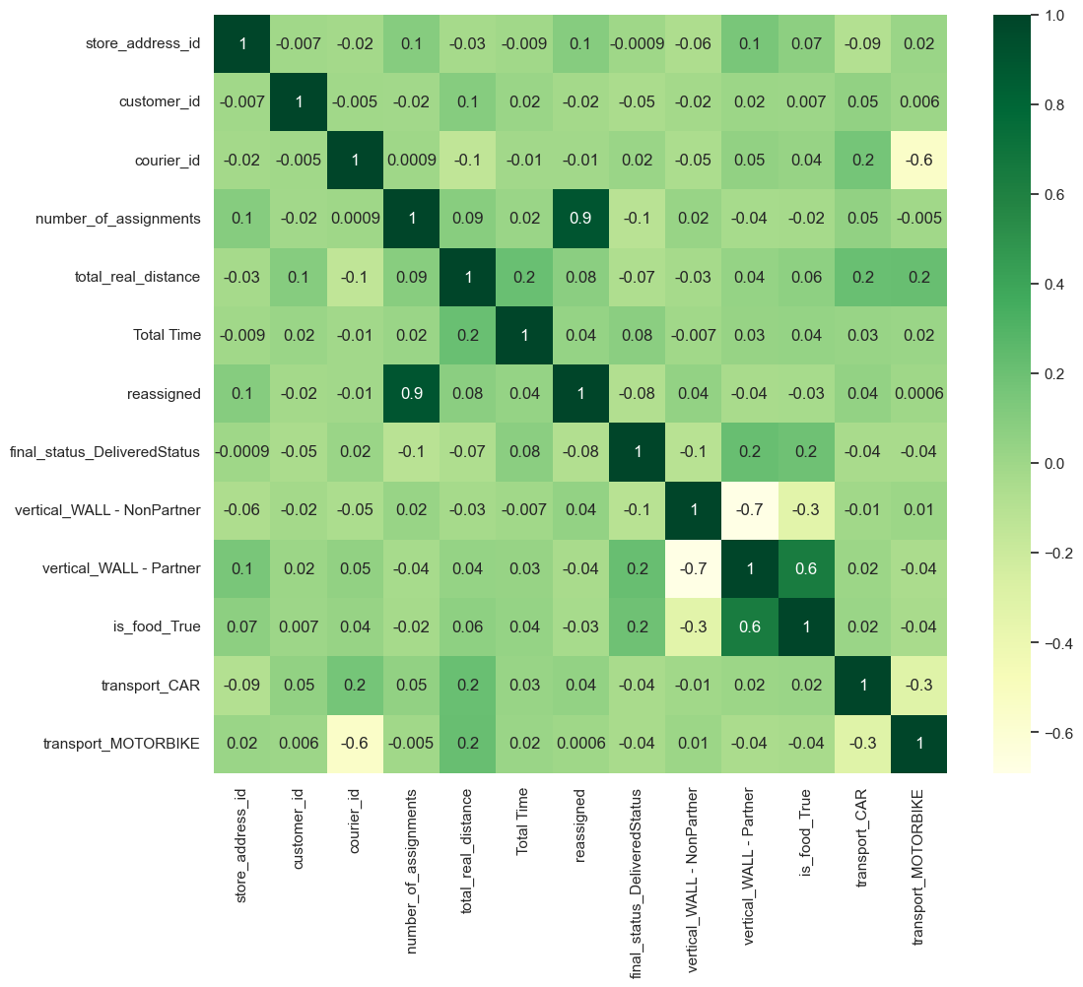
The following heatmap shows the correlation between each variable of the dataset:
 |  |  |  | The following table depicts the correlation between the Reassigned feature and all
 |  |  |  | the other features of the dataset (except for the datetime/timestamp variables)

 |  |  |  |  | reassigned
 |  |  |  | store_address_id | 0.097598
 |  |  |  | customer_id | -0.017201
 |  |  |  | courier_id | -0.010988
 |  |  |  | number_of_assignments | 0.896742
 |  |  |  | total_real_distance | 0.081339
 |  |  |  | Total Time | 0.040476
 |  |  |  | reassigned | 1
 |  |  |  | final_status_DeliveredStatus | -0.08277
 |  |  |  | vertical_WALL - NonPartner | 0.043377
 |  |  |  | vertical_WALL - Partner | -0.043365
 |  |  |  | is_food_True | -0.033666
 |  |  |  | transport_CAR | 0.044972
 |  |  |  | transport_MOTORBIKE | 0.000614

The variables that are correlated the most with the Reassigned feature are:
i) store_address_id
ii) total_real_distance
iii) final_status

However, their correlation coeficient does not seem high enough to indicate a linear correlation that might be captured by Pearson's correlation coeficient. Hence, I've tried to visualize the relationship between the Reassigned and the other 3 variables, as I suspected that these variables might have some influence in determining if an order gets reassigned or not: Reassigned vs Final Status:

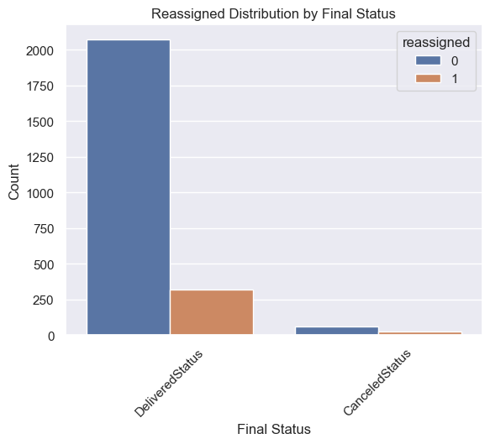

final_status | reassigned | # Orders | In addition to the Pearson correlation coeficient, I've computed the Cramer's V metric between reassigned and final_status: 0.0794986765799978
CanceledStatus | 0 | 58
 | 1 | 24
DeliveredStatus | 0 | 2071
 | 1 | 318

The percentage of reassigned orders is higher in orders that have been canceled (30%), when compared with orders that have been delivered (13.3%). However both the Pearson correlation coeficient and Cramer's V show that the correlation between both variables is very low, being close to 0 (0.08). This might indicate customers are more prone to cancel their orders when their order has been reassigned to multiple couriers.

Reassigned vs Total Distance:

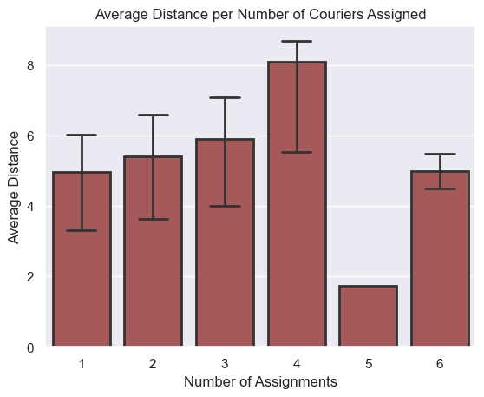
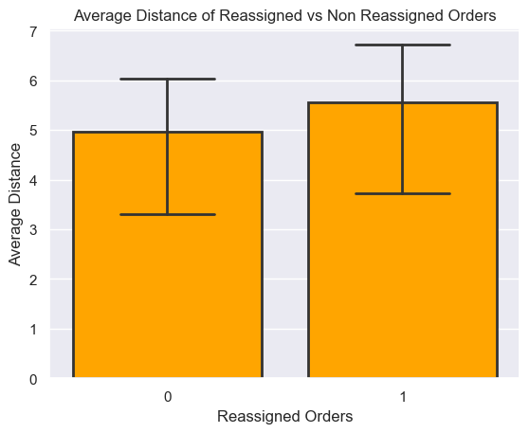

According to this plot we can see that until the 4th courier assignment there is a positive correlation between the distance and the number of couriers assigned to an order. Meaning that as total distance increases, so does the number of couriers being assigned. If we observe the plot at the right we see that 5km seems to be the threshold between reassigned and non reassigned orders, hence orders that result in a distance higher than 5km to the courier tend to be refused by the courier and need be reassigned.

Reassigned vs Store ID:

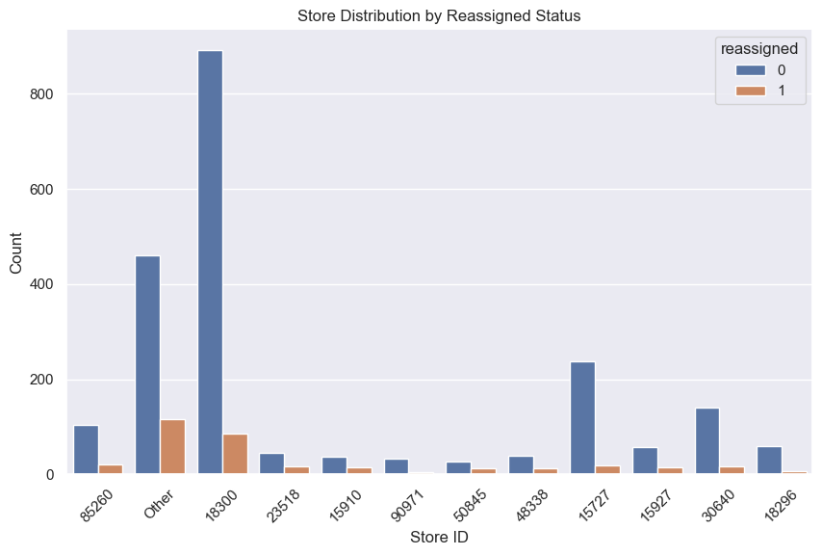

It does not appear that store ID has any visual effect on the probability of an order being reassigned.

Reassigned vs Total Waiting Time

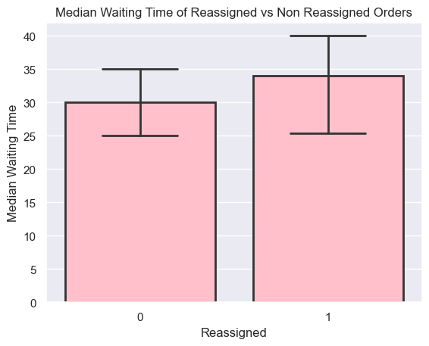

The Pearson's correlation coeficient between total waiting and reassigned orders is low (0.04), however we can observe that the median waiting time for customers is higher when a order gets reassigned. This indicates that reassigning an order will result in longer waiting times for customers, however, it's the fact that an order gets reassigned that results in longer waiting times for customers and not the other way around, hence a longer waiting time does not cause an order to get reassigned.

C
C. Once the courier arrives at the store, the time until the order is picked-up (waiting_time_at_pickup), can present high variation. With the data given, present an analysis showcasing this. Can you identify any clear trends in terms of worst offenders? What could be the possible causes when the courier is waiting for a very long time before picking up the order?

Answer:

The total waiting time at pickup can be computed using the following formula:
Pickup Time - Courier Enters Pickup

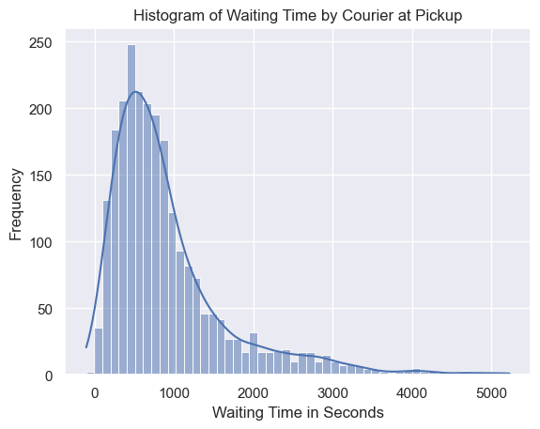

The histogram above shows the distribution of the total waiting time at pickup in seconds. We can observe that the distribution is not gaussian and it is right (or positivelty) skewed, which means that the majority of the waiting time at pickup is low (is located at the left part of the histogram), however, there are a few instances where waiting times are much longer. Let's analyze these outliers and try to detect some reasons/trends to this behavior and detect some worst offenders if possible.

Waiting Time at Pickup vs Store ID

Are there any stores that might represent worst offenders in terms of waiting time at pickup spot?
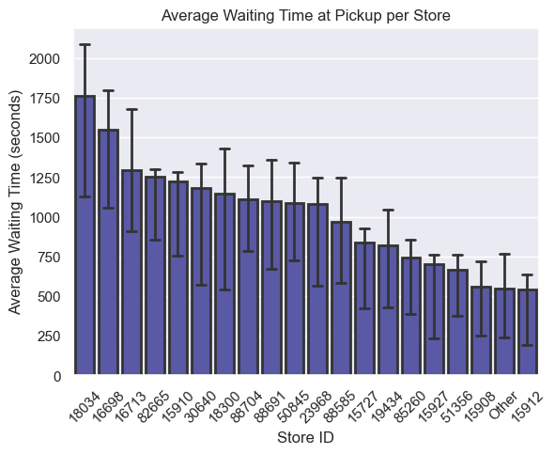

 | store_address_id | waiting_time_seconds | number_of_orders | weighted_waiting_time | waiting_time_at_pickup | is_food_True | vertical
 | 18300 | 1,146 | 977 | 1,598 | 19:06min | 100% | WALL - Partner
 | Other | 547 | 633 | 494 | 09:06min | 88% | NaN
 | 15727 | 837 | 256 | 306 | 13:57min | 100% | WALL - Partner
 | 30640 | 1,183 | 157 | 265 | 19:43min | 100% | WALL - Partner
 | 85260 | 740 | 124 | 131 | 12:20min | 100% | WALL - Partner
 | 15910 | 1,225 | 52 | 91 | 20:24min | 100% | WALL - Partner
 | 15927 | 701 | 71 | 71 | 11:41min | 100% | WALL - Partner
 | 50845 | 1,085 | 38 | 59 | 18:05min | 100% | WALL - Partner
 | 19434 | 822 | 36 | 42 | 13:41min | 100% | WALL - Partner
 | 88585 | 966 | 18 | 25 | 16:06min | 100% | WALL - Partner
 | 82665 | 1,252 | 13 | 23 | 20:52min | 100% | WALL - Partner
 | 51356 | 665 | 24 | 23 | 11:04min | 100% | WALL - Partner
 | 15912 | 544 | 22 | 17 | 09:03min | 100% | WALL - Partner
 | 23968 | 1,081 | 9 | 14 | 18:00min | 100% | WALL - Partner
 | 88704 | 1,113 | 8 | 13 | 18:32min | 100% | WALL - Partner
 | 15908 | 556 | 15 | 12 | 09:16min | 100% | WALL - Partner
 | 88691 | 1,098 | 7 | 11 | 18:17min | 100% | WALL - Partner
 | 16698 | 1,549 | 4 | 9 | 25:49min | 100% | WALL - NonPartner
 | 18034 | 1,761 | 3 | 8 | 29:21min | 0% | WALL - NonPartner
 | 16713 | 1,293 | 4 | 7 | 21:33min | 0% | WALL - NonPartner

To improve the readability and clarity of the plot, I've grouped stores where the waiting time at pickup is below the 75th percentile of the average waiting time at pickup. By observing the plot to the left we can spot a few stores that tend to have a higher average waiting time at pickup. The table on the right gives us a few additional details regarding number of orders of such stores, do they serve food or not, and are they partners or not. Combining both the plot with the table it's possible to compute a weighted average waiting time per store: (waiting_time_seconds * number_of_orders) / median waiting time in seconds. With this information we can spot a clear worst offender, store 18300 has a average waiting time at pickup of 19min and 6s and it is a very popular store with Glovo's customer base from Glovalia, because it has 977 orders in just one week. Additionally, this store is responsible for the highest waiting time at pickup registered in the dataset, with an order that took 1 hour, 27 minutes and 14 seconds to be delivered to the courier (after he arrived to the store). Stores 18034, 16698 and 16713 represent the top 3 highest average waiting time at pickup. They have low order amounts when compared to the rest of the dataset and are not Partners of Glovo, which means that the courier has to enter the store and place an order like a regular customer, which will increase the waiting time for such courier. We can also observe that 17 out of 19 stores with the highest waiting time at pickup are restaurants/food selling places, which might indicate that a courier has to wait for the food to be cooked/served before he/she can pick it up.

Waiting Time at Pickup vs Is Food

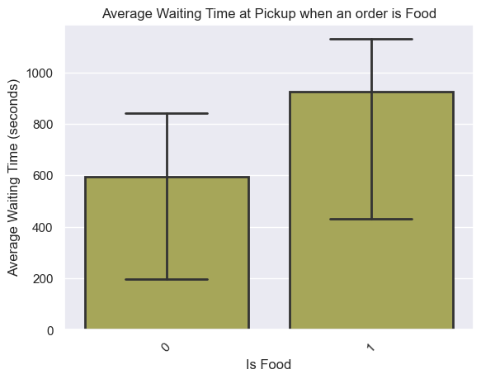

Orders that are food tend to take longer to deliver to the courier after he arrives at the store. This was also observed in the previous analysis, where the majority of stores with the highest values for waiting times at pickup were restaurants/food selling places. This is probably due to the fact that food needs to be prepared before being delivered to the courier.

Waiting Time at Pickup vs Vertical
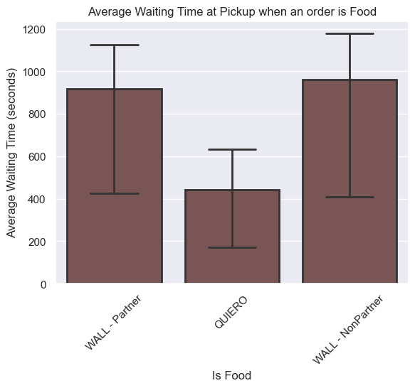

Orders placed at stores that are not partners with Glovo tend to have longer waiting times for couriers to pickup the order. This is due to the fact that courier needs to go inside the store and place an order like a regular customer which will most likely increase the waiting time.

Waiting Time at Pickup vs Courier ID

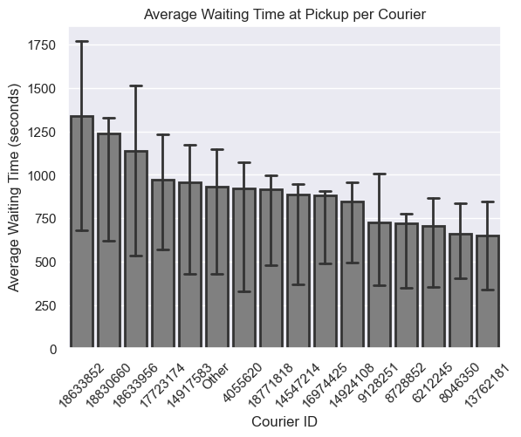

Finally, I've checked the average waiting time at pickup per courier. To improve readability I've grouped all the couriers with less than 50 orders into 'Other'. We can observe that there are a few couriers that have a higher average waiting time, however, if we consider only the top 3 couriers with the highest waiting time at pickup (18633852, 18830660, 18633956), these 3 couriers have their majority of orders with store 18300 which is the store that I've previously identified as a worst offender. Hence, there is no evidence that there is a particular courier that can be identified as a worst offender in terms of having abnormal average waiting times at pickup.

