Summary
PlanetX ESG Framework Mapping Product Brief

Background

- We are aiming to build a series of standalone products that we can use to sell as part of our ESG solutions packages on planetx.com.
- These products will also be integrated into our SaaS platform to work alongside one another and enhance the overall SaaS offering to merchants.
- The first product we are aiming to build is an ESG framework mapping tool.
- This aims to allow users to see how different ESG codes map to one another encouraging them to disclose more information to our SaaS product or to use the tool to see how their data interacts with other frameworks.

- ESG (Environment, social and governance) frameworks are systems for standardising the reporting and disclosure of ESG (sustainability) metrics.
- They are often voluntary, but may be required by a certain investor or by regulations in some countries.
- These frameworks are put together by nonprofit organisations, NGOs, business groups, and others. As a result, they vary widely in areas of focus and the metrics they recommend.
- For example, one of the most commonly used ESG frameworks is the Global Reporting Initiative (GRI) framework, a set of standards for responsible environmental, social, economic, and governance conduct covering a wide range of topics. 73% of the world’s 250 largest companies report on sustainability using the GRI framework.
- ESG frameworks help companies make a positive impact on the world. In addition, reporting on ESG has been shown to have other benefits for the organisation.
- There are more than a dozen very popular frameworks, and many more that are used by smaller numbers of organisations in certain industries and regions including:
o CDP
o Climate Disclosure Standards Board (CDSB)
o Global Reporting Initiative (GRI)
o Science Based Targets initiative (SBTi)
o Sustainability Accounting Standards Board (SASB)
o Task Force on Climate-related Financial Disclosures (TCFD)
o UN Principles for Responsible Investment (PRI)
o World Economic Forum (WEF)
- The large number of ESG frameworks is a problem; standards don’t have the same power if they’re not standardised.
- ESG standards and frameworks were developed independently by many different parties, with each framework placing emphasis on different topics and metrics. The intentions were good, but the result is a very confusing landscape with too many frameworks to choose from.
- Many frameworks are now being mapped to other frameworks to allow for increased disclosure by companies and simplicity in understanding how metrics ca impact different areas.
- Whilst this mapping is occurring there is no product currently on the market that accurately maps these various frameworks to one another allowing for better disclosures, business intelligence and enhanced sustainability.
- PlanetX is hoping to build a mapping document that maps each of the frameworks to one another to create a universal comparison tool.

Project Aims and Outcomes

- The aim of this task is to build an ESG framework mapping system tool that allows for the comparison of multiple ESG frameworks to one another.
- Often frameworks will allow for a comparison of one framework to another but they do not allow for all published frameworks to be compared to all others globally.
- This task can be broken down by the following:

1. Take all the various ESG frameworks and respective mapping sheets (presented in the excel)
2. Run a script to map each of the ESG frameworks to one another:
a. Many of the mapping sheets take two frameworks and joins them together e.g. ‘SDG’s to GRI’
b. These code sheets can be combined with others to build out a larger and more comprehensive product. E.g. ‘SDG’s to GRI’can be combined with ‘GRI to TCFD’ which can also be combined with ‘TCFD to CDP’ which can be combined with…. Etc’
c. We need all the codes within each of the documents fully mapped together and the written descriptions attached to the codes also included so that the codes make sense.
3. Once the coding systems have been combined, we then need to productise the system:
a. As an API so that this can be integrated into our data warehouse and also sold separately.
b. As CSV bulk downloads (likely organised by framework e.g. GRI; SASB; TCFD etc.

The attached excel includes the full list of all ESG Frameworks that we are aiming to map as part of MVP. Tab 2 highlights a small example of one of the outputs (mapping the GRI framework to others).

For the POC please can you map 4 frameworks to one another and present them in the POC outputs excel file. Those frameworks are SDG's; GRI; TCFD's and COH4B

Following the POC we will then send the full versions of documents aiming to be mappe. The MVP includes the documents mapped below:
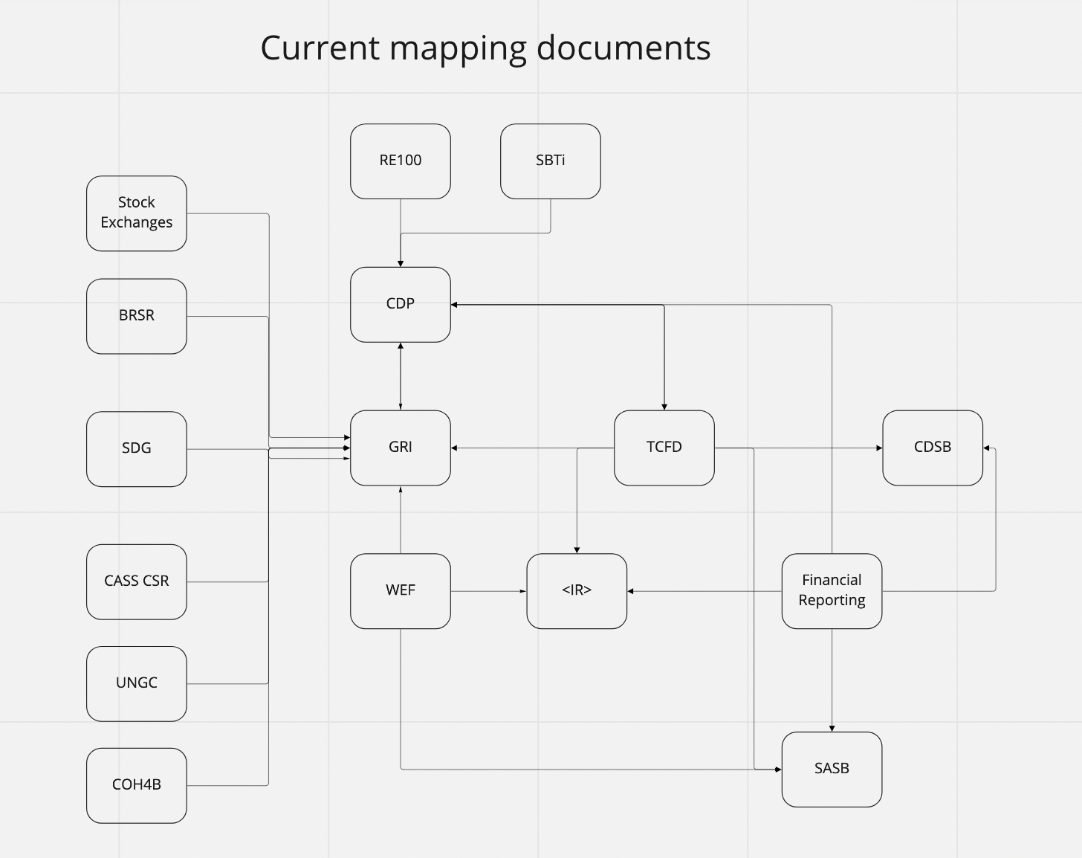

The documents that can be mapped to one another are seen above. SASB, CDP, RE100 and SBTi may require more work to ensure they are complete.
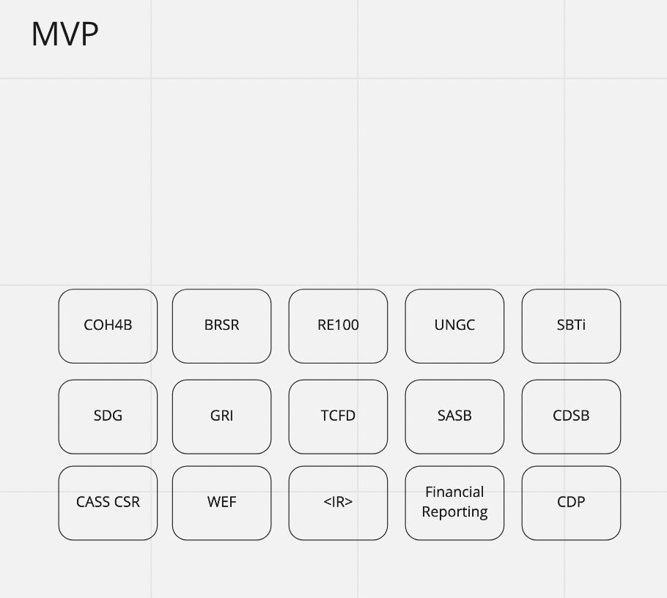

Above is the product MVP the aim is to have indicators that can be ordered by any of the frameworks to display how they map to the others. E.g. selecting SASB will order the indicators based off SASB standard and show how they map to the other frameworks. Ideally PDF/word/excel/csv style reports would then be able to be downloaded based on the alignment to the various frameworks.
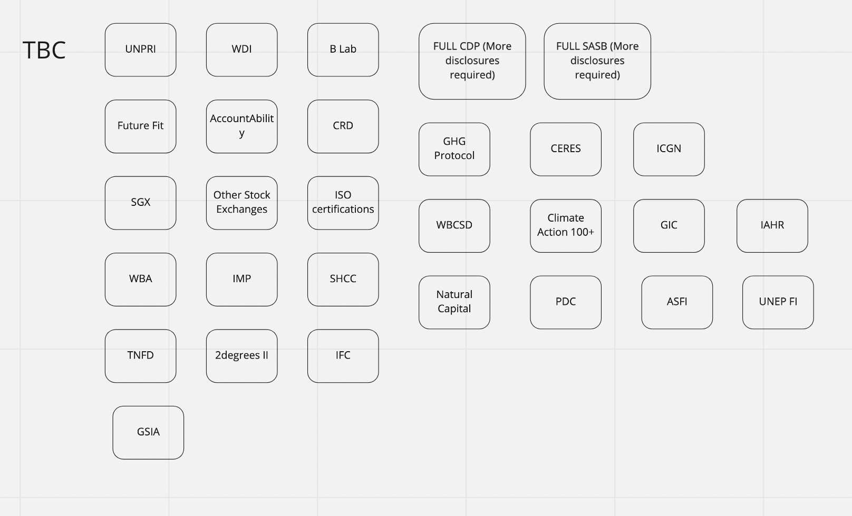

Following the MVP the aim is to add in additional frameworks to the product over time.

The full vision of the product map can be seen below:
https://widgets.weforum.org/esgecosystemmap/index.html#/framework-developers/sgx-103

SDG's to GRI


 | Table of Content

 | GOAL 1: No Poverty | 3 | Annex | 69
 | GOAL 2: Zero Hunger | 7 | GOAL 1: No Poverty | 74
 | GOAL 3: Good Health and Well-being | 8 | GOAL 2: Zero Hunger | 76
 | GOAL 4: Quality Education | 16 | GOAL 3: Good Health and Well-being | 78
 | GOAL 5: Gender Equality | 17 | GOAL 4: Quality Education | 80
 | GOAL 6: Clean Water and Sanitation | 21 | GOAL 6: Clean Water and Sanitation | 81
 | GOAL 7: Affordable and Clean Energy | 25 | GOAL 7: Affordable and Clean Energy | 83
 | GOAL 8: Decent Work and Economic Growth | 27 | GOAL 8: Decent Work and Economic Growth | 85
 | GOAL 9: Industry, Innovation and Infrastructure | 38 | GOAL 9: Industry, Innovation and Infrastructure | 87
 | GOAL 10: Reduced Inequalities | 40 | GOAL 10: Reduced Inequalities | 88
 | GOAL 11: Sustainable Cities and Communities | 42 | GOAL 11: Sustainable Cities and Communities | 90
 | GOAL 12: Responsible Consumption and Production | 44 | GOAL 12: Responsible Consumption and Production | 91
 | GOAL 13: Climate Action | 52 | GOAL 13: Climate Action | 93
 | GOAL 14: Life Below Water | 54 | GOAL 14: Life Below Water | 94
 | GOAL 15: Life on Land | 57 | GOAL 15: Life on Land | 95
 | GOAL 16: Peace, Justice and Strong Institutions | 63 | GOAL 16: Peace, Justice and Strong Institutions | 97
 | GOAL 17: Partnerships for the Goals | 70 | GOAL 17: Partnerships for the Goals | 98

SDG | Target | Available Business Disclosures | Disclosure | Sources
 | 1.1 | a. A description of the approach to tax, including: | 207-1 | GRI 207: Tax 2019
 |  | i. whether the organization has a tax strategy and, if so, a link to this strategy if publicly available;
 |  | ii. the governance body or executive-level position within the organization that formally reviews
 |  | and approves the tax strategy, and the frequency of this review;
 |  | iii. the approach to regulatory compliance;
 |  | iv. how the approach to tax is linked to the business and sustainable development
 |  | strategies of the organization.
 | 1.1 | a. A description of the tax governance and control framework, including: | 207-2 | GRI 207: Tax 2019
 |  | i. the governance body or executive-level position within the organization accountable for
 |  | compliance with the tax strategy;
 |  | ii. how the approach to tax is embedded within the organization;
 |  | iii. the approach to tax risks, including how risks are identified, managed, and monitored;
 |  | iv. how compliance with the tax governance and control framework is evaluated.
 |  | b. A description of the mechanisms for reporting concerns about unethical or unlawful behavior and the
 |  | organization’s integrity in relation to tax.
 |  | c. A description of the assurance process for disclosures on tax and, if applicable, a reference to the
 |  | assurance report, statement, or opinion.
 | 1.1 | a. A description of the approach to stakeholder engagement and management of stakeholder concerns | 207-3 | GRI 207: Tax 2019
 |  | related to tax, including:
 |  | i. the approach to engagement with tax authorities;
 |  | ii. the approach to public policy advocacy on tax;
 |  | iii. the processes for collecting and considering the views and concerns of stakeholders, including
 |  | external stakeholders.

SDG | Target | Available Business Disclosures | Disclosure | Sources
 | 1.1 | The reporting organization shall report the following information: | 207-4 | GRI 207: Tax 2019
 |  | a. All tax jurisdictions where the entities included in the organization’s audited consolidated financial
 |  | statements, or in the financial information filed on public record, are resident for tax purposes.
 |  | b. For each tax jurisdiction reported in Disclosure 207-4-a:
 |  | i. Names of the resident entities;
 |  | ii. Primary activities of the organization;
 |  | iii. Number of employees, and the basis of calculation of this number;
 |  | iv. Revenues from third-party sales;
 |  | v. Revenues from intra-group transactions with other tax jurisdictions;
 |  | vi. Profit/loss before tax;
 |  | vii. Tangible assets other than cash and cash equivalents;
 |  | viii. Corporate income tax paid on a cash basis;
 |  | ix. Corporate income tax accrued on profit/loss;
 |  | x. Reasons for the difference between corporate income tax accrued on profit/loss and the
 |  | tax due if the statutory tax rate is applied to profit/loss before tax.
 |  | c. The time period covered by the information reported in Disclosure 207-4.
 | 1.2 | a. When a significant proportion of employees are compensated based on wages subject to minimum | 202-1 | GRI 202: Market Presence 2016
 |  | wage rules, report the relevant ratio of the entry level wage by gender at significant locations of
 |  | operation to the minimum wage.
 |  | b. When a significant proportion of other workers (excluding employees) performing the organization’s
 |  | activities are compensated based on wages subject to minimum wage rules, describe the actions
 |  | taken to determine whether these workers are paid above the minimum wage.
 |  | c. Whether a local minimum wage is absent or variable at significant locations of operation, by gender.
 |  | In circumstances in which different minimums can be used as a reference, report which minimum
 |  | wage is being used.
 |  | d. The definition used for ‘significant locations of operation’.
 | 1.2 | a. Examples of significant identified indirect economic impacts of the organization, including positive | 203-2 | GRI 203: Indirect
 |  | and negative impacts. |  | Economic Impacts 2016
 |  | b. Significance of the indirect economic impacts in the context of external benchmarks and stakeholder
 |  | priorities, such as national and international standards, protocols, and policy agendas.

SDG | Target | Available Business Disclosures | Disclosure | Sources
 | 1.3 | a. A description of the approach to tax, including: | 207-1 | GRI 207: Tax 2019
 |  | i. whether the organization has a tax strategy and, if so, a link to this strategy if publicly available;
 |  | ii. the governance body or executive-level position within the organization that formally reviews
 |  | and approves the tax strategy, and the frequency of this review;
 |  | iii. the approach to regulatory compliance;
 |  | iv. how the approach to tax is linked to the business and sustainable development strategies of the
 |  | organization.
 | 1.3 | a. A description of the tax governance and control framework, including: | 207-2 | GRI 207: Tax 2019
 |  | i. the governance body or executive-level position within the organization accountable for
 |  | compliance with the tax strategy;
 |  | ii. how the approach to tax is embedded within the organization;
 |  | iii. the approach to tax risks, including how risks are identified, managed, and monitored;
 |  | iv. how compliance with the tax governance and control framework is evaluated.
 |  | b. A description of the mechanisms for reporting concerns about unethical or unlawful behavior and the
 |  | organization’s integrity in relation to tax.
 |  | c. A description of the assurance process for disclosures on tax and, if applicable, a reference to the
 |  | assurance report, statement, or opinion.
 | 1.3 | a. A description of the approach to stakeholder engagement and management of stakeholder concerns | 207-3 | GRI 207: Tax 2019
 |  | related to tax, including:
 |  | i. the approach to engagement with tax authorities;
 |  | ii. the approach to public policy advocacy on tax;
 |  | iii. the processes for collecting and considering the views and concerns of stakeholders, including
 |  | external stakeholders.

SDG | Target | Available Business Disclosures | Disclosure | Sources
 | 1.3 | The reporting organization shall report the following information: | 207-4 | GRI 207: Tax 2019
 |  | a. All tax jurisdictions where the entities included in the organization’s audited consolidated financial
 |  | statements, or in the financial information filed on public record, are resident for tax purposes.
 |  | b. For each tax jurisdiction reported in Disclosure 207-4-a:
 |  | i. Names of the resident entities;
 |  | ii. Primary activities of the organization;
 |  | iii. Number of employees, and the basis of calculation of this number;
 |  | iv. Revenues from third-party sales;
 |  | v. Revenues from intra-group transactions with other tax jurisdictions;
 |  | vi. Profit/loss before tax;
 |  | vii. Tangible assets other than cash and cash equivalents;
 |  | viii. Corporate income tax paid on a cash basis;
 |  | ix. Corporate income tax accrued on profit/loss;
 |  | x. Reasons for the difference between corporate income tax accrued on profit/loss and the tax due
 |  | if the statutory tax rate is applied to profit/loss before tax.
 |  | c. The time period covered by the information reported in Disclosure 207-4.
 | 1.4 | a. Examples of significant identified indirect economic impacts of the organization, including positive | 203-2 | GRI 203: Indirect
 |  | and negative impacts. |  | Economic Impacts 2016
 |  | b. Significance of the indirect economic impacts in the context of external benchmarks and stakeholder
 |  | priorities, such as national and international standards, protocols, and policy agendas.
 | 1.4 | Operations with significant actual and potential negative impacts on local communities, including: | 413-2-a | GRI 413: Local
 |  | i. The location of the operations; |  | Communities 2016
 |  | ii. The significant actual and potential negative impacts of operations.

SDG | Target | Available Business Disclosures | Disclosure | Sources
 | 2.3 | a. Total number of identified incidents of violations involving the rights of indigenous peoples during the | 411-1 | GRI 411: Rights of Indigenous Peoples 2016
 |  | reporting period.
 |  | b. Status of the incidents and actions taken with reference to the following: i. Incident reviewed by the organization
 |  | ii. Remediation plans being implemented;
 |  | iii. Remediation plans that have been implemented, with results reviewed through routine internal management review processes;
 |  | iv. Incident no longer subject to action.
 | 2.3 | 2.3 Operations with significant actual and potential negative impacts on local communities, including: | 413-2-a | GRI 413: Local
 |  | i. The location of the operations; |  | Communities 2016
 |  | ii. The significant actual and potential negative impacts of operations

SDG | Target | Available Business Disclosures | Disclosure | Sources
 | 3.2 | a. Benefits which are standard for full-time employees of the organization but are not provided to temporary or part-time employees, by significant locations of operation. These include, as a minimum: | 401-2-a | GRI 401: Employment 2016
 |  | i. life insurance;
 |  | i. health care;
 |  | i. disability and invalidity coverage; iv. parental leave;
 |  | v. retirement provision;
 |  | v. stock ownership;
 |  | v. others.
 |  | b. The definition used for ‘significant locations of operation’.
 | 3.3 | A description of any voluntary health promotion services and programs offered to workers to address major non-work-related health risks, including the specific health risks addressed, and how the organization facilitates workers’ access to these services and programs. | 403-6-b | GRI 403: Occupational Health and Safety 2018
 | 3.3 | 3.3 For all employees: | 403-10 | GRI 403: Occupational Health and Safety 2018
 |  | i. The number of fatalities as a result of work-related ill health;
 |  | ii. The number of cases of recordable work-related ill health;
 |  | iii. The main types of work-related ill health.
 |  | b. For all workers who are not employees but whose work and/or workplace is controlled by the
 |  | organization:
 |  | i. The number of fatalities as a result of work-related ill health;
 |  | ii. The number of cases of recordable work-related ill health;
 |  | iii. The main types of work-related ill health.
 |  | c. The work-related hazards that pose a risk of ill health, including:
 |  | i. how these hazards have been determined;
 |  | ii. which of these hazards have caused or contributed to cases of ill health during the reporting period;
 |  | iii. actions taken or underway to eliminate these hazards and minimize risks using the hierarchy of controls.
 |  | d. Whether and, if so, why any workers have been excluded from this disclosure, including the types of worker excluded.
 |  | e. Any contextual information necessary to understand how the data have been compiled, such as any standards, methodologies, and assumptions used.

SDG | Target | Available Business Disclosures | Disclosure | Sources
 | 3.4 | 3.3 For all employees: | 403-10 | GRI 403: Occupational Health and Safety 2018
 |  | i. The number of fatalities as a result of work-related ill health;
 |  | ii. The number of cases of recordable work-related ill health;
 |  | iii. The main types of work-related ill health.
 |  | b. For all workers who are not employees but whose work and/or workplace is controlled by the
 |  | organization:
 |  | i. The number of fatalities as a result of work-related ill health;
 |  | ii. The number of cases of recordable work-related ill health;
 |  | iii. The main types of work-related ill health.
 |  | c. The work-related hazards that pose a risk of ill health, including:
 |  | i. how these hazards have been determined;
 |  | ii. which of these hazards have caused or contributed to cases of ill health during the reporting period;
 |  | iii. actions taken or underway to eliminate these hazards and minimize risks using the hierarchy of controls.
 |  | d. Whether and, if so, why any workers have been excluded from this disclosure, including the types of worker excluded.
 |  | e. Any contextual information necessary to understand how the data have been compiled, such as any standards, methodologies, and assumptions used.
 | 3.5 | A description of any voluntary health promotion services and programs offered to workers to address major non-work-related health risks, including the specific health risks addressed, and how the organization facilitates workers’ access to these services and programs. | 403-6-b | GRI 403: Occupational Health and Safety 2018
 | 3.6 | Report the information for all employees about: | 403-9-a | GRI 403: Occupational Health and Safety 2018
 |  | i. The number and rate of fatalities as a result of work-related injury;
 |  | ii. The number and rate of high-consequence work-related injuries (excluding fatalities);
 |  | iii. The number and rate of recordable work-related injuries;
 |  | iv. The main types of work-related injury;
 |  | v. The number of hours worked.
 |  | Whether and, if so, why any workers have been excluded from this disclosure, including the types of worker excluded.
 |  | Any contextual information necessary to understand how the data have been compiled, such as any standards, methodologies, and assumptions used.

SDG | Target | Available Business Disclosures | Disclosure | Sources
 | 3.6 | Report the information for all workers who are not employees but whose work and/or workplace is | 403-9-b | GRI 403: Occupational
 |  | controlled by the organization: |  | Health and Safety 2018
 |  | i. The number and rate of fatalities as a result of work-related injury;
 |  | ii. The number and rate of high-consequence work-related injuries (excluding fatalities);
 |  | iii. The number and rate of recordable work-related injuries;
 |  | iv. The main types of work-related injury;
 |  | v. The number of hours worked.
 |  | Whether and, if so, why any workers have been excluded from this disclosure, including the types of
 |  | worker excluded.
 |  | Any contextual information necessary to understand how the data have been compiled, such as any
 |  | standards, methodologies, and assumptions used.
 | 3.6 | The work-related hazards that pose a risk of high-consequence injury, including: | 403-9-c | GRI 403: Occupational
 |  | i. how these hazards have been determined; |  | Health and Safety 2018
 |  | ii. which of these hazards have caused or contributed to high-consequence injuries during the
 |  | reporting period;
 |  | iii. actions taken or underway to eliminate these hazards and minimize risks using the hierarchy of
 |  | controls.
 |  | Any actions taken or underway to eliminate other work-related hazards and minimize risks using the
 |  | hierarchy of controls.
 | 3.7 | An explanation of how the organization facilitates workers’ access to non-occupational medical and | 403-6-a | GRI 403: Occupational
 |  | healthcare services, and the scope of access provided. |  | Health and Safety 2018
 | 3.7 | A description of any voluntary health promotion services and programs offered to workers to address | 403-6-b | GRI 403: Occupational
 |  | major non-work-related health risks, including the specific health risks addressed, and how the |  | Health and Safety 2018
 |  | organization facilitates workers’ access to these services and programs.
 | 3.8 | a. Examples of significant identified indirect economic impacts of the organization, including positive | 203-2 | GRI 203: Indirect
 |  | and negative impacts. |  | Economic Impacts 2016
 |  | b. Significance of the indirect economic impacts in the context of external benchmarks and stakeholder
 |  | priorities, such as national and international standards, protocols, and policy agendas.
 | 3.8 | An explanation of how the organization facilitates workers’ access to non-occupational medical and healthcare services, and the scope of access provided. | 403-6-a | GRI 403: Occupational Health and Safety 2018

SDG | Target | Available Business Disclosures | Disclosure | Sources
 | 3.9 | a. Gross direct (Scope 1) GHG emissions in metric tons of CO2 equivalent. | 305-1 | GRI 305: Emissions 2016
 |  | b. Gases included in the calculation; whether CO2, CH4, N2O, HFCs, PFCs, SF6, NF3, or all.
 |  | Biogenic CO2 emissions in metric tons of CO2 equivalent
 | 3.9 | a. Gross location-based energy indirect (Scope 2) GHG emissions in metric tons of CO2 equivalent | 305-2 | GRI 305: Emissions 2016
 |  | b. If applicable, gross market-based energy indirect (Scope 2) GHG emissions in metric tons of CO2
 |  | equivalent.
 |  | c. If available, the gases included in the calculation; whether CO2, CH4, N2O, HFCs, PFCs, SF6, NF3, or al
 | 3.9 | a. Gross other indirect (Scope 3) GHG emissions in metric tons of CO2 equivalent. | 305-3 | GRI 305: Emissions 2016
 |  | b. If available, the gases included in the calculation; whether CO2, CH4, N2O, HFCs, PFCs, SF6, NF3,
 |  | or all.
 |  | c. Biogenic CO2 emissions in metric tons of CO2 equivalent.
 |  | d. Other indirect (Scope 3) GHG emissions categories and activities included in the calculation
 | 3.9 | Production, imports, and exports of ODS in metric tons of CFC-11 (trichlorofluoromethane) equivalent | 305-6-a | GRI 305: Emissions 2016
 | 3.9 | a. Significant air emissions, in kilograms or multiples, for each of the following: | 305-7 | GRI 305: Emissions 2016
 |  | i. NOX
 |  | ii. SOX
 |  | iii. Persistent organic pollutants (POP)
 |  | iv. Volatile organic compounds (VOC)
 |  | v. Hazardous air pollutants (HAP)
 |  | vi. Particulate matter (PM)
 |  | vii. Other standard categories of air emissions identified in relevant regulations
 |  | b. Source of the emission factors used.
 |  | c. Standards, methodologies, assumptions, and/or calculation tools used.
 | 3.9 | a. For the organization’s significant actual and potential waste-related impacts, a description of: | 306-1 | GRI 306: Waste 2020
 |  | i. the inputs, activities, and outputs that lead or could lead to these impacts;
 |  | ii. whether these impacts relate to waste generated in the organization’s own activities or to waste
 |  | generated upstream or downstream in its value chain."

SDG | Target | Available Business Disclosures | Disclosure | Sources
 | 3.9 | Total weight of hazardous waste, with a breakdown by the following disposal methods where applicable: | 306-2-a | GRI 306: Waste 2016
 |  | i. Reuse
 |  | i. Recycling
 |  | ii. Composting
 |  | iii. Recovery, including energy recovery
 |  | iv. Incineration (mass burn)
 |  | v. Deep well injection
 |  | vi. Landfill
 |  | vii. On-site storage
 |  | iv. Other (to be specified by the organization)

 | 3.9 | Total weight of non-hazardous waste, with a breakdown by the following disposal methods where applicable | 306-2-b | GRI 306: Waste 2016
 |  | i. Reuse
 |  | ii. Recycling
 |  | iii. Composting
 |  | iv. Recovery, including energy recovery
 |  | v. Incineration (mass burn)
 |  | vi. Deep well injection
 |  | vii. Landfill
 |  | viii. On-site storage
 |  | iv. Other (to be specified by the organization)
 | 3.9 | Actions, including circularity measures, taken to prevent waste generation in the organization’s own activities and upstream and downstream in its value chain, and to manage significant impacts from waste generated. | 306-2-a | GRI 306: Waste 2020
 | 3.9 | If the waste generated by the organization in its own activities is managed by a third party, a description of the processes used to determine whether the third party manages the waste in line with contractual or legislative obligations. | 306-2-b | GRI 306: Waste 2020
 | 3.9 | The processes used to collect and monitor waste-related data. | 306-2-c | GRI 306: Waste 2020
 | 3.9 | Total number and total volume of recorded significant spills | 306-3-a | GRI 306: Waste 2016
 | 3.9 | Total weight of waste diverted from disposal in metric tons, and a breakdown of this total by composition of the waste. | 306-3-a | GRI 306: Waste 2020

SDG | Target | Available Business Disclosures | Disclosure | Sources
 | 3.9 | The following additional information for each spill that was reported in the organization’s financial | 306-3-b | GRI 306: Waste 2016
 |  | statements:
 |  | i. Location of spill;
 |  | ii. Volume of spill;
 |  | iii. Material of spill, categorized by: oil spills (soil or water surfaces), fuel spills (soil or water
 |  | surfaces), spills of wastes (soil or water surfaces), spills of chemicals (mostly soil or water
 |  | surfaces), and other (to be specified by the organization)
 | 3.9 | Impacts of significant spills | 306-3-c | GRI 306: Waste 2016
 | 3.9 | Total weight for each of the following: | 306-4-a | GRI 306: Waste 2016
 |  | i. Hazardous waste transported
 |  | ii. Hazardous waste imported
 |  | iii. Hazardous waste exported
 |  | iv. Hazardous waste treated
 | 3.9 | Total weight of waste diverted from disposal in metric tons, and a breakdown of this total by composition | 306-4-a | GRI 306: Waste 2020
 |  | of the waste.
 | 3.9 | Percentage of hazardous waste shipped internationally | 306-4-b | GRI 306: Waste 2016
 | 3.9 | Total weight of hazardous waste diverted from disposal in metric tons, and a breakdown of this total by | 306-4-b | GRI 306: Waste 2020
 |  | the following recovery operations:
 |  | i. Preparation for reuse;
 |  | ii. Recycling;
 |  | iii. Other recovery operations.
 | 3.9 | Total weight of non-hazardous waste diverted from disposal in metric tons, and a breakdown of this total | 306-4-c | GRI 306: Waste 2020
 |  | by the following recovery operations:
 |  | i. Preparation for reuse;
 |  | ii. Recycling;
 |  | iii. Other recovery operations.

SDG | Target | Available Business Disclosures | Disclosure | Sources
 | 3.9 | A breakdown of the total weight in metric tons of hazardous waste and of non-hazardous waste diverted | 306-4-d | GRI 306: Waste 2020
 |  | from disposal:
 |  | i. onsite;
 |  | ii. offsite.
 | 3.9 | Total weight of waste directed to disposal in metric tons, and a breakdown of this total by composition of | 306-5-a | GRI 306: Waste 2020
 |  | the waste.
 | 3.9 | Total weight of hazardous waste directed to disposal in metric tons, and a breakdown of this total by the | 306-5-b | GRI 306: Waste 2020
 |  | following disposal operations:
 |  | i. Incineration (with energy recovery);
 |  | ii. Incineration (without energy recovery);
 |  | iii. Landfilling;
 |  | iv. Other disposal operations.
 | 3.9 | Total weight of non-hazardous waste directed to disposal in metric tons, and a breakdown of this total by | 306-5-c | GRI 306: Waste 2020
 |  | the following disposal operations:
 |  | i. Incineration (with energy recovery);
 |  | ii. Incineration (without energy recovery);
 |  | iii. Landfilling;
 |  | iv. Other disposal operations.
 | 3.9 | For each disposal operation listed in Disclosures 306-5-b and 306-5-c, a breakdown of the total weight in | 306-5-d | GRI 306: Waste 2020
 |  | metric tons of hazardous waste and of non-hazardous waste directed to disposal:
 |  | i. onsite;
 |  | ii. offsite.
 | 3.9 | Report the information for all workers who are not employees but whose work and/or workplace is | 403-9-b | GRI 403: Occupational
 |  | controlled by the organization: |  | Health and Safety 2018
 |  | i. The number and rate of fatalities as a result of work-related injury;
 |  | ii. The number and rate of high-consequence work-related injuries (excluding fatalities);
 |  | iii. The number and rate of recordable work-related injuries;
 |  | iv. The main types of work-related injury;
 |  | v. The number of hours worked.
 |  | Whether and, if so, why any workers have been excluded from this disclosure, including the types of worker excluded.
 |  | Any contextual information necessary to understand how the data have been compiled, such as any standards, methodologies, and assumptions used.

SDG | Target | Available Business Disclosures | Disclosure | Sources
 | 3.9 | The work-related hazards that pose a risk of high-consequence injury, including: | 403-9-c | GRI 403: Occupational Health and Safety 2018
 |  | i. how these hazards have been determined;
 |  | ii. which of these hazards have caused or contributed to high-consequence injuries during the reporting period;
 |  | iii. actions taken or underway to eliminate these hazards and minimize risks using the hierarchy of controls.
 |  | Any actions taken or underway to eliminate other work-related hazards and minimize risks using the hierarchy of controls.
 | 3.9 | a. For all employees: | 403-10 | GRI 403: Occupational Health and Safety 2018
 |  | i. The number of fatalities as a result of work-related ill health;
 |  | ii. The number of cases of recordable work-related ill health;
 |  | iii. The main types of work-related ill health.
 |  | b. For all workers who are not employees but whose work and/or workplace is controlled by the
 |  | organization:
 |  | i. The number of fatalities as a result of work-related ill health;
 |  | ii. The number of cases of recordable work-related ill health;
 |  | iii. The main types of work-related ill health.
 |  | c. The work-related hazards that pose a risk of ill health, including:
 |  | i. how these hazards have been determined;
 |  | ii. which of these hazards have caused or contributed to cases of ill health during the reporting period;
 |  | iii. actions taken or underway to eliminate these hazards and minimize risks using the hierarchy of controls.
 |  | d. Whether and, if so, why any workers have been excluded from this disclosure, including the types of worker excluded.
 |  | e. Any contextual information necessary to understand how the data have been compiled, such as any standards, methodologies, and assumptions used.

SDG | Target | Available Business Disclosures | Disclosure | Sources
 | 4.3 | Average hours of training that the organization’s employees have undertaken during the reporting | 404-1-a | GRI 404: Training and
 |  | period, by: |  | Education 2016
 |  | i. Gender;
 |  | ii. Employee category
 | 4.4 | Average hours of training that the organization’s employees have undertaken during the reporting | 404-1-a | GRI 404: Training and
 |  | period, by: |  | Education 2016
 |  | i. Gender;
 |  | ii. Employee category.
 | 4.5 | Average hours of training that the organization’s employees have undertaken during the reporting | 404-1-a | GRI 404: Training and
 |  | period, by: |  | Education 2016
 |  | i. Gender;
 |  | ii. Employee category.

SDG | Target | Available Business Disclosures | Disclosure | Sources
 | 5.1 | a. When a significant proportion of employees are compensated based on wages subject to minimum | 202-1 | GRI 202: Market Presence
 |  | wage rules, report the relevant ratio of the entry level wage by gender at significant locations of |  | 2016
 |  | operation to the minimum wage.
 |  | b. When a significant proportion of other workers (excluding employees) performing the organization’s
 |  | activities are compensated based on wages subject to minimum wage rules, describe the actions
 |  | taken to determine whether these workers are paid above the minimum wage.
 |  | c. Whether a local minimum wage is absent or variable at significant locations of operation, by gender.
 |  | In circumstances in which different minimums can be used as a reference, report which minimum
 |  | wage is being used.
 |  | d. The definition used for ‘significant locations of operation’.
 | 5.1 | a. Total number and rate of new employee hires during the reporting period, by age group, gender and | 401-1 | GRI 401: Employment
 |  | region. |  | 2016
 |  | b. Total number and rate of employee turnover during the reporting period, by age group, gender and
 |  | region.
 | 5.1 | Average hours of training that the organization’s employees have undertaken during the reporting | 404-1-a | GRI 404: Training and
 |  | period, by: |  | Education 2016
 |  | i. Gender;
 |  | ii. Employee category.
 | 5.1 | a. Total number of employees that were entitled to parental leave, by gender. | 401-3 | GRI 401: Employment
 |  | b. Total number of employees that took parental leave, by gender. |  | 2016
 |  | c. Total number of employees that returned to work in the reporting period after parental leave ended, by gender
 |  | d. Total number of employees that returned to work after parental leave ended that were still employed 12 months after their return to work, by gender.
 |  | e.
 |  | Return to work and retention rates of employees that took parental leave, by gender.

SDG | Target | Available Business Disclosures | Disclosure | Sources
 | 5.1 | Percentage of total employees by gender and by employee category who received a regular performance and career development review during the reporting period | 404-3-a | GRI 404: Training and Education 2016
 | 5.1 | a. Percentage of individuals within the organization’s governance bodies in each of the following diversity categories: | 405-1 | GRI 405: Diversity and
 |  | i. Gender; |  | Equal Opportunity 2016
 |  | ii. Age group: under 30 years old, 30-50 years old, over 50 years old;
 |  | iii. Other indicators of diversity where relevant (such as minority or vulnerable groups).
 |  | b. Percentage of employees per employee category in each of the following diversity categories:
 |  | i. Gender;
 |  | ii. Age group: under 30 years old, 30-50 years old, over 50 years old;
 |  | Other indicators of diversity where relevant (such as minority or vulnerable groups).
 | 5.1 | Ratio of the basic salary and remuneration of women to men for each employee category, by significant | 405-2-a | GRI 405: Diversity and
 |  | locations of operation. |  | Equal Opportunity 2016
 | 5.1 | a. Total number of incidents of discrimination during the reporting period. | 406-1 | GRI 406: Non-
 |  | b. Status of the incidents and actions taken with reference to the following: |  | discrimination 2016
 |  | i. Incident reviewed by the organization;
 |  | ii. Remediation plans being implemented;
 |  | iii. Remediation plans that have been implemented, with results reviewed through routine internal
 |  | management review processes;
 |  | iv. Incident no longer subject to action.
 | 5.2 | Operations and suppliers considered to have significant risk for incidents of: | 408-1-a | GRI 408: Child Labor 2016
 |  | i. child labor;
 |  | ii. young workers exposed to hazardous work.
 | 5.2 | Operations and suppliers considered to have significant risk for incidents of forced or compulsory | 409-1-a | GRI 409: Forced Or
 |  | labor either in terms of: |  | Compulsory Labor 2016
 |  | i. type of operation (such as manufacturing plant) and supplier;
 |  | ii. countries or geographic areas with operations and suppliers considered at risk
 | 5.2 | Percentage of new suppliers that were screened using social criteria | 414-1-a | GRI 414: Supplier Social
 |  |  |  | Assessment 2016

SDG | Target | Available Business Disclosures | Disclosure | Sources
 | 5.2 | a. Number of suppliers assessed for social impacts. | 414-2 | GRI 414: Supplier Social
 |  | b. Number of suppliers identified as having significant actual and potential negative social impacts. |  | Assessment 2016
 |  | c. Significant actual and potential negative social impacts identified in the supply chain.
 |  | d. Percentage of suppliers identified as having significant actual and potential negative social impacts
 |  | with which improvements were agreed upon as a result of assessment.
 |  | e. Percentage of suppliers identified as having significant actual and potential negative social impacts
 |  | with which relationships were terminated as a result of assessment, and why.
 | 5.4 | a. Extent of development of significant infrastructure investments and services supported. | 203-1 | GRI 203: Indirect
 |  | b. Current or expected impacts on communities and local economies, including positive and negative |  | Economic Impacts 2016
 |  | impacts where relevant.
 |  | c. Whether these investments and services are commercial, in-kind, or pro bono engagements.
 | 5.4 | a. Benefits which are standard for full-time employees of the organization but are not provided | 401-2 | GRI 401: Employment
 |  | to temporary or part-time employees, by significant locations of operation. These include, as a |  | 2016
 |  | minimum:
 |  | i. life insurance;
 |  | ii. health care;
 |  | iii. disability and invalidity coverage;
 |  | iv. parental leave;
 |  | v. retirement provision;
 |  | vi. stock ownership;
 |  | vii. others.
 |  | b. The definition used for ‘significant locations of operation’.
 | 5.4 | a. Total number of employees that were entitled to parental leave, by gender. | 401-3 | GRI 401: Employment
 |  | b. Total number of employees that took parental leave, by gender. |  | 2016
 |  | c. Total number of employees that returned to work in the reporting period after parental leave ended,
 |  | by gender.
 |  | d. Total number of employees that returned to work after parental leave ended that were still employed
 |  | 12 months after their return to work, by gender.
 |  | e. Return to work and retention rates of employees that took parental leave, by gender.

SDG | Target | Available Business Disclosures | Disclosure | Sources
 | 5.5 | Composition of the highest governance body and its committees by: | 102-22-a | GRI 102: General
 |  | i. Executive or non-executive; |  | Disclosures 2016
 |  | ii. Independence;
 |  | iii. Tenure on the governance body;
 |  | iv. Number of each individual’s other significant positions and commitments, and the nature of the
 |  | commitments;
 |  | v. Gender;
 |  | vi. Membership of under-represented social groups;
 |  | vii. Competencies relating to economic, environmental, and social topics;
 |  | viii. Stakeholder representation.
 | 5.5 | a. Nomination and selection processes for the highest governance body and its committees. | 102-24 | GRI 102: General
 |  | b. Criteria used for nominating and selecting highest governance body members, including whether |  | Disclosures 2016
 |  | and how:
 |  | i. stakeholders (including shareholders) are involved;
 |  | ii. diversity is considered;
 |  | iii. independence is considered;
 |  | iv. expertise and experience relating to economic, environmental, and social topics are considered.
 | 5.5 | a. Percentage of individuals within the organization’s governance bodies in each of the following | 405-1 | GRI 405: Diversity and
 |  | diversity categories: |  | Equal Opportunity 2016
 |  | i. Gender;
 |  | ii. Age group: under 30 years old, 30-50 years old, over 50 years old;
 |  | iii. Other indicators of diversity where relevant (such as minority or vulnerable groups).
 |  | b. Percentage of employees per employee category in each of the following diversity categories:
 |  | i. Gender;
 |  | ii. Age group: under 30 years old, 30-50 years old, over 50 years old;
 |  | iii. Other indicators of diversity where relevant (such as minority or vulnerable groups).

SDG | Target | Available Business Disclosures | Disclosure | Sources
 | 6.3 | A description of how the organization interacts with water, including how and where water is withdrawn, | 303-1-a | GRI 303: Water and
 |  | consumed, and discharged, and the water-related impacts caused or contributed to, or directly linked |  | Effluents 2018
 |  | to the organization’s activities, products or services by a business relationship (e.g., impacts caused by
 |  | runoff).
 | 6.3 | A description of how water-related impacts are addressed, including how the organization works with | 303-1-c | GRI 303: Water and
 |  | stakeholders to steward water as a shared resource, and how it engages with suppliers or customers |  | Effluents 2018
 |  | with significant water-related impacts.
 | 6.3 | A description of any minimum standards set for the quality of effluent discharge, and how these minimum | 303-2-a | GRI 303: Water and
 |  | standards were determined, including: |  | Effluents 2018
 |  | i. how standards for facilities operating in locations with no local discharge requirements were
 |  | determined;
 |  | ii. any internally developed water quality standards or guidelines;
 |  | iii. any sector-specific standards considered;
 | 6.3 | iv. whether the profile of the receiving waterbody was considered.”
 |  | Report a breakdown of total water discharge to all area in megaliters by level of treatment levels were | 303-4 | GRI 303: Water and Effluents 2018
 |  | determined |  | (recommendation 2.4.2)
 | 6.3 | a. For the organization’s significant actual and potential waste-related impacts, a description of: | 306-1 | GRI 306: Waste 2020
 |  | i. the inputs, activities, and outputs that lead or could lead to these impacts;
 |  | ii. whether these impacts relate to waste generated in the organization’s own activities or to waste
 |  | generated upstream or downstream in its value chain.
 | 6.3 | Actions, including circularity measures, taken to prevent waste generation in the organization’s own | 306-2-a | GRI 306: Waste 2020
 |  | activities and upstream and downstream in its value chain, and to manage significant impacts from
 |  | waste generated.
 | 6.3 | If the waste generated by the organization in its own activities is managed by a third party, a description | 306-2-b | GRI 306: Waste 2020
 |  | of the processes used to determine whether the third party manages the waste in line with contractual or
 |  | legislative obligations.
 | 6.3 | The processes used to collect and monitor waste-related data. | 306-2-c | GRI 306: Waste 2020

SDG | Target | Available Business Disclosures | Disclosure | Sources
 | 6.4 | A description of how the organization interacts with water, including how and where water is withdrawn, | 303-1-a | GRI 303: Water and
 |  | consumed, and discharged, and the water-related impacts caused or contributed to, or directly linked |  | Effluents 2018
 |  | to the organization’s activities, products or services by a business relationship (e.g., impacts caused by
 |  | runoff).
 | 6.4 | A description of how water-related impacts are addressed, including how the organization works with | 303-1-c | GRI 303: Water and
 |  | stakeholders to steward water as a shared resource, and how it engages with suppliers or customers |  | Effluents 2018
 |  | with significant water-related impacts.
 | 6.4 | Report a breakdown of total water withdrawal from each of the sources listed in Disclosures 303-3-a and | 303-3-c | GRI 303: Water and
 |  | 303-3-b in megaliters by the following categories: |  | Effluents 2018
 |  | i. Freshwater (≤1,000 mg/L Total Dissolved Solids);
 |  | ii. Other water (>1,000 mg/L Total Dissolved Solids).
 | 6.4 | Report the total water consumption from all areas in megaliters. | 303-5-a | GRI 303: Water and
 |  |  |  | Effluents 2018
 | 6.4 | Report the total water consumption from all areas with water stress in megaliters. | 303-5-b | GRI 303: Water and
 |  |  |  | Effluents 2018
 | 6.4 | For each operational site owned, leased, managed in, or adjacent to, protected areas and areas of high | 304-1-a | GRI 304: Biodiversity 2016
 |  | biodiversity value outside protected areas, the following information:
 |  | i. Geographic location;
 |  | ii. Subsurface and underground land that may be owned, leased, or managed by the organization;
 |  | iii. Position in relation to the protected area (in the area, adjacent to, or containing portions of the
 |  | protected area) or the high biodiversity value area outside protected areas;
 |  | iv. Type of operation (office, manufacturing or production, or extractive);
 |  | v. Size of operational site in km2 (or another unit, if appropriate);
 |  | vi. Biodiversity value characterized by the attribute of the protected area or area of high biodiversity
 |  | value outside the protected area (terrestrial, freshwater, or maritime ecosystem);
 |  | vii. Biodiversity value characterized by listing of protected status (such as IUCN Protected Area
 |  | Management Categories, Ramsar Convention, national legislation).

SDG | Target | Available Business Disclosures | Disclosure | Sources
 | 6.6 | a. Nature of significant direct and indirect impacts on biodiversity with reference to one or more of the | 304-2 | GRI 304: Biodiversity 2016
 |  | following:
 |  | i. Construction or use of manufacturing plants, mines, and transport infrastructure;
 |  | ii. Pollution (introduction of substances that do not naturally occur in the habitat from point and
 |  | non-point sources);
 |  | iii. Introduction of invasive species, pests, and pathogens;
 |  | iv. Reduction of species;
 |  | v. Habitat conversion;
 |  | vi. Changes in ecological processes outside the natural range of variation (such as salinity or
 |  | changes in groundwater level).
 |  | b. Significant direct and indirect positive and negative impacts with reference to the following:
 |  | i. Species affected;
 |  | ii. Extent of areas impacted;
 |  | iii. Duration of impacts;
 |  | iv. Reversibility or irreversibility of the impacts.
 | 6.6 | Size and location of all habitat areas protected or restored, and whether the success of the restoration | 304-3-a | GRI 304: Biodiversity 2016
 |  | measure was or is approved by independent external professionals.
 | 6.6 | Whether partnerships exist with third parties to protect or restore habitat areas distinct from where the | 304-3-b | GRI 304: Biodiversity 2016
 |  | organization has overseen and implemented restoration or protection measures.
 | 6.6 | Total number of IUCN Red List species and national conservation list species with habitats in areas | 304-4-a | GRI 304: Biodiversity 2016
 |  | affected by the operations of the organization, by level of extinction risk:
 |  | i. Critically endangered
 |  | ii. Endangered
 |  | iii. Vulnerable
 |  | iv. Near threatened
 |  | v. Least concern
 | 6.6 | Total volume of planned and unplanned water discharges by: | 306-1-a | GRI 306: Waste 2016
 |  | i. Destination;
 |  | ii. Quality of the water, including treatment method;
 |  | iii.
 |  | Whether the water was reused by another organization.
 | 6.6 | Total number and total volume of recorded significant spills. | 306-3-a | GRI 306: Waste 2016

SDG | Target | Available Business Disclosures | Disclosure | Sources
 | 6.6 | The following additional information for each spill that was reported in the organization’s financial statements: | 306-3-b | GRI 306: Waste 2016
 |  | i. Location of spill;
 |  | ii. Volume of spill;
 |  | iii. Material of spill, categorized by: oil spills (soil or water surfaces), fuel spills (soil or water surfaces), spills of wastes (soil or water surfaces), spills of chemicals (mostly soil or water surfaces), and other (to be specified by the organization).
 | 6.6 | Impacts of significant spills. | 306-3-c | GRI 306: Waste 2016
 | 6.6 | Water bodies and related habitats that are significantly affected by water discharges and/or runoff, | 306-5-a | GRI 306: Waste 2016
 |  | including information on:
 |  | i. The size of the water body and related habitat;
 |  | ii. Whether the water body and related habitat is designated as a nationally or internationally protected area;
 |  | iii. The biodiversity value, such as total number of protected species.
 | 6.A | A description of how the organization interacts with water, including how and where water is withdrawn, consumed, and discharged, and the water-related impacts caused or contributed to, or directly linked to the organization’s activities, products or services by a business relationship (e.g., impacts caused by runoff). | 303-1-a | GRI 303: Water and Effluents 2018
 | 6.A | A description of how water-related impacts are addressed, including how the organization works with stakeholders to steward water as a shared resource, and how it engages with suppliers or customers with significant water-related impacts | 303-1-c | GRI 303: Water and Effluents 2018
 | 6.B | A description of how the organization interacts with water, including how and where water is withdrawn, consumed, and discharged, and the water-related impacts caused or contributed to, or directly linked to the organization’s activities, products or services by a business relationship (e.g., impacts caused by runoff). | 303-1-a | GRI 303: Water and Effluents 2018
 | 6.B | A description of how water-related impacts are addressed, including how the organization works with stakeholders to steward water as a shared resource, and how it engages with suppliers or customers with significant water-related impacts. | 303-1-c | GRI 303: Water and Effluents 2018

SDG | Target | Available Business Disclosures | Disclosure | Sources
 | 7.2 | a. Total fuel consumption within the organization from non-renewable sources, in joules or multiples, and including fuel types used. | 302-1 | GRI 302: Energy 2016
 |  | b. Total fuel consumption within the organization from renewable sources, in joules or multiples, and including fuel types used.
 |  | c. In joules, watt-hours or multiples, the total:
 |  | i. electricity consumption
 |  | ii. heating consumption
 |  | iii. cooling consumption
 |  | iv. steam consumption
 |  | d. In joules, watt-hours or multiples, the total:
 |  | i. electricity sold
 |  | ii. heating sold
 |  | iii. cooling sold iv. steam sold
 |  | e. Total energy consumption within the organization, in joules or multiples.
 |  | f. Standards, methodologies, assumptions, and/or calculation tools used.
 |  | g. Source of the conversion factors used.
 | 7.2 | Energy consumption outside of the organization, in joules or multiples. | 302-2 | GRI 302: Energy 2016
 | 7.3 | a. Total fuel consumption within the organization from non-renewable sources, in joules or multiples, and including fuel types used. | 302-1 | GRI 302: Energy 2016
 |  | b. Total fuel consumption within the organization from renewable sources, in joules or multiples, and including fuel types used.
 |  | c. In joules, watt-hours or multiples, the total:
 |  | i. electricity consumption
 |  | ii. heating consumption
 |  | iii. cooling consumption
 |  | iv. steam consumption
 |  | d. In joules, watt-hours or multiples, the total:
 |  | i. electricity sold
 |  | ii. heating sold
 |  | iii. cooling sold iv. steam sold
 |  | e. Total energy consumption within the organization, in joules or multiples.
 |  | f. Standards, methodologies, assumptions, and/or calculation tools used.
 |  | g. Source of the conversion factors used.
 | 7.3 | Energy consumption outside of the organization, in joules or multiples. | 302-2-a | GRI 302: Energy 2016

SDG | Target | Available Business Disclosures | Disclosure | Sources
 | 7.3 | Energy intensity ratio for the organization. | 302-3-a | GRI 302: Energy 2016
 | 7.3 | Amount of reductions in energy consumption achieved as a direct result of conservation and efficiency | 302-4-a | GRI 302: Energy 2016
 |  | initiatives, in joules or multiples.
 | 7.3 | Reductions in energy requirements of sold products and services achieved during the reporting period, in joules or multiples. | 302-5-a | GRI 302: Energy 2016

SDG | Target | Available Business Disclosures | Disclosure | Sources
 | 8.1 | a. Direct economic value generated and distributed (EVG&D) on an accruals basis, including the basic | 201-1 | GRI 201: Economic
 |  | components for the organization’s global operations as listed below. If data are presented on a cash |  | Performance 2016
 |  | basis, report the justification for this decision in addition to reporting the following basic components:
 |  | i. Direct economic value generated: revenues;
 |  | ii. Economic value distributed: operating costs, employee wages and benefits, payments to
 |  | providers of capital, payments to government by country, and community investments
 |  | iii. Economic value retained: ‘direct economic value generated’ less ‘economic value distributed’.
 |  | b. Where significant, report EVG&D separately at country, regional, or market levels, and the criteria used for defining significance.
 | 8.2 | Direct economic value generated and distributed (EVG&D) on an accruals basis, including the basic | 201-1 | GRI 201: Economic
 |  | components for the organization’s global operations as listed below. If data are presented on a cash |  | Performance 2016
 |  | basis, report the justification for this decision in addition to reporting the following basic components:
 |  | i. Direct economic value generated: revenues;
 |  | ii. Economic value distributed: operating costs, employee wages and benefits, payments to
 |  | providers of capital, payments to government by country, and community investments;
 |  | iii. Economic value retained: ‘direct economic value generated’ less ‘economic value distributed’.
 |  | Where significant, report EVG&D separately at country, regional, or market levels, and the criteria
 |  | used for defining significance.
 | 8.2 | Examples of significant identified indirect economic impacts of the organization, including positive | 203-2 | GRI 203: Indirect
 |  | and negative impacts. |  | Economic Impacts 2016
 |  | Significance of the indirect economic impacts in the context of external benchmarks and stakeholder
 |  | priorities, such as national and international standards, protocols, and policy agendas.
 | 8.2 | Average hours of training that the organization’s employees have undertaken during the reporting period, by: | 404-1-a | GRI 404: Training and Education 2016
 |  | i. Gender;
 |  | ii. Employee category.
 | 8.2 | Type and scope of programs implemented and assistance provided to upgrade employee skills. Transition assistance programs provided to facilitate continued employability and the management of career endings resulting from retirement or termination of employment. | 404-2 | GRI 404: Training and Education 2016
 | 8.3 | Examples of significant identified indirect economic impacts of the organization, including positive | 203-2 | GRI 203: Indirect
 |  | and negative impacts. |  | Economic Impacts 2016
 |  | Significance of the indirect economic impacts in the context of external benchmarks and stakeholder
 |  | priorities, such as national and international standards, protocols, and policy agendas.

SDG | Target | Available Business Disclosures | Disclosure | Sources
 | 8.3 | Percentage of the procurement budget used for significant locations of operation that is spent on | 204-1-a | GRI 204: Procurement
 |  | suppliers local to that operation (such as percentage of products and services purchased locally). |  | Practices 2016
 | 8.4 | Total weight or volume of materials that are used to produce and package the organization’s primary | 301-1-a | GRI 301: Materials 2016
 |  | products and services during the reporting period, by:
 |  | i. Non-renewable materials used;
 |  | ii. Renewable materials used.
 | 8.4 | Percentage of recycled input materials used to manufacture the organization’s primary products and | 301-2-a | GRI 301: Materials 2016
 |  | services.
 | 8.4 | a. Percentage of reclaimed products and their packaging materials for each product category. | 301-3 | GRI 301: Materials 2016
 |  | b. How the data for this disclosure have been collected.
 | 8.4 | a. Total fuel consumption within the organization from non-renewable sources, in joules or multiples, | 302-1 | GRI 302: Energy 2016
 |  | and including fuel types used.
 |  | b. Total fuel consumption within the organization from renewable sources, in joules or multiples, and
 |  | including fuel types used.
 |  | c. In joules, watt-hours or multiples, the total:
 |  | i. electricity consumption
 |  | ii. heating consumption
 |  | iii. cooling consumption
 |  | iv. steam consumption
 |  | d. In joules, watt-hours or multiples, the total:
 |  | i. electricity sold
 |  | ii. heating sold
 |  | iii. cooling sold
 |  | iv. steam sold
 |  | e. Total energy consumption within the organization, in joules or multiples.
 |  | f. Standards, methodologies, assumptions, and/or calculation tools used.
 |  | g. Source of the conversion factors used.
 | 8.4 | Energy consumption outside of the organization, in joules or multiples. | 302-2-a | GRI 302: Energy 2016
 | 8.4 | Energy intensity ratio for the organization. | 302-3-a | GRI 302: Energy 2016
 | 8.4 | Amount of reductions in energy consumption achieved as a direct result of conservation and efficiency | 302-4-a | GRI 302: Energy 2016
 |  | initiatives, in joules or multiples.

SDG | Target | Available Business Disclosures | Disclosure | Sources
 | 8.4 | Reductions in energy requirements of sold products and services achieved during the reporting period, | 302-5-a | GRI 302: Energy 2016
 |  | in joules or multiples.
 | 8.4 | Actions, including circularity measures, taken to prevent waste generation in the organization’s | 306-2-a | GRI 306: Waste 2020
 |  | own activities and upstream and downstream in its value chain, and to manage significant
 |  | impacts from waste generated.
 | 8.5 | Total number of employees by employment contract (permanent and temporary), by gender. | 102-8-a | GRI 102: General Disclosures 2016
 | 8.5 | Total number of employees by employment contract (permanent and temporary), by region. | 102-8-b | GRI 102: General Disclosures 2016
 | 8.5 | Total number of employees by employment type (full-time and part-time), by gender. | 102-8-c | GRI 102: General Disclosures 2016
 | 8.5 | Whether a significant portion of the organization’s activities are performed by workers who are not | 102-8-d | GRI 102: General Disclosures 2016
 |  | employees. If applicable, a description of the nature and scale of work performed by workers who are
 |  | not employees.
 | 8.5 | a. When a significant proportion of employees are compensated based on wages subject to minimum | 202-1 | GRI 202: Market Presence
 |  | wage rules, report the relevant ratio of the entry level wage by gender at significant locations of |  | 2016
 |  | operation to the minimum wage.
 |  | b. When a significant proportion of other workers (excluding employees) performing the organization’s
 |  | activities are compensated based on wages subject to minimum wage rules, describe the actions
 |  | taken to determine whether these workers are paid above the minimum wage.
 |  | c. Whether a local minimum wage is absent or variable at significant locations of operation, by gender.
 |  | In circumstances in which different minimums can be used as a reference, report which minimum
 |  | wage is being used.
 |  | d. The definition used for ‘significant locations of operation’.
 | 8.5 | Percentage of senior management at significant locations of operation that are hired from the local | 202-2-a | GRI 202: Market Presence
 |  | community. |  | 2016
 | 8.5 | a. Examples of significant identified indirect economic impacts of the organization, including positive | 203-2 | GRI 203: Indirect
 |  | and negative impacts. |  | Economic Impacts 2016
 |  | Significance of the indirect economic impacts in the context of external benchmarks and stakeholder
 |  | priorities, such as national and international standards, protocols, and policy agendas.

SDG | Target | Available Business Disclosures | Disclosure | Sources
 | 8.5 | a. Total number and rate of new employee hires during the reporting period, by age group, gender and region. | 401-1 | GRI 401: Employment
 |  | b. Total number and rate of employee turnover during the reporting period, by age group, gender and region. |  | 2016
 | 8.5 | Benefits which are standard for full-time employees of the organization but are not provided to temporary or part-time employees, by significant locations of operation. These include, as a minimum: | 401-2-a | GRI 401: Employment
 |  | i. Life insurance; |  | 2016
 |  | ii. Health care;
 |  | iii. Disability and invalidity coverage;
 |  | iv. Parental leave;
 |  | v. Retirement provision;
 |  | vi. Stock ownership;
 |  | Others.
 | 8.5 | Total number of employees that were entitled to parental leave, by gender. | 401-3 | GRI 401: Employment
 |  | b. Total number of employees that took parental leave, by gender. |  | 2016
 |  | c. Total number of employees that returned to work in the reporting period after parental leave ended, by gender.
 |  | d. Total number of employees that returned to work after parental leave ended that were still employed 12 months after their return to work, by gender.
 |  | Return to work and retention rates of employees that took parental leave, by gender.
 | 8.5 | Average hours of training that the organization’s employees have undertaken during the reporting period, by: | 404-1-a | GRI 404: Training and Education 2016
 |  | i. Gender;
 |  | Employee category.
 | 8.5 | a. Type and scope of programs implemented and assistance provided to upgrade employee skills. | 404-2 | GRI 404: Training and Education 2016
 |  | b. Transition assistance programs provided to facilitate continued employability and the management of
 |  | career endings resulting from retirement or termination of employment.
 | 8.5 | Percentage of total employees by gender and by employee category who received a regular performance and career development review during the reporting period. | 404-3-a | GRI 404: Training and Education 2016

SDG | Target | Available Business Disclosures | Disclosure | Sources
 | 8.5 | a. Percentage of individuals within the organization’s governance bodies in each of the following | 405-1 | GRI 405: Diversity and
...

