Sheet1
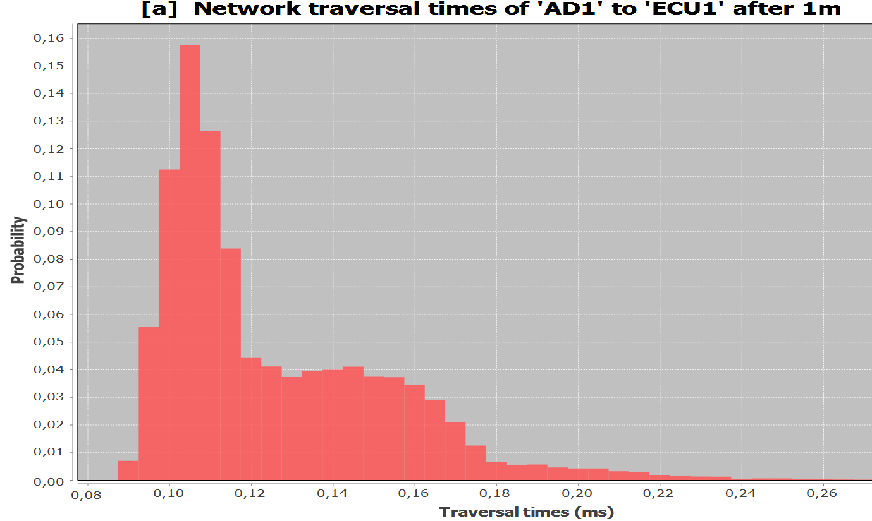
Value | Width | Count
0.09 | 0.005 | 310
0.095 | 0.005 | 2491
0.1 | 0.005 | 5058
0.105 | 0.005 | 7083
0.11 | 0.005 | 5681
0.115 | 0.005 | 3771
0.12 | 0.005 | 1989
0.125 | 0.005 | 1848
0.13 | 0.005 | 1676
0.135 | 0.005 | 1772
0.14 | 0.005 | 1794
0.145 | 0.005 | 1846
0.15 | 0.005 | 1682
0.155 | 0.005 | 1675
0.16 | 0.005 | 1544
0.165 | 0.005 | 1301
0.17 | 0.005 | 936
0.175 | 0.005 | 560
0.18 | 0.005 | 292
0.185 | 0.005 | 235
0.19 | 0.005 | 252
0.195 | 0.005 | 202
0.2 | 0.005 | 188
0.205 | 0.005 | 187
0.21 | 0.005 | 141
0.215 | 0.005 | 129
0.22 | 0.005 | 81
0.225 | 0.005 | 64
0.23 | 0.005 | 56
0.235 | 0.005 | 54
0.24 | 0.005 | 18
0.245 | 0.005 | 24
0.25 | 0.005 | 26
0.255 | 0.005 | 16
0.26 | 0.005 | 11
0.265 | 0.005 | 7
0.27 | 0.005 | 4
0.275 | 0.005 | 1
0.28 | 0.005 | 3
0.285 | 0.005 | 1

