Final Model

SUMMARY OUTPUT |  | SUMMARY OUTPUT

Regression Statistics |  | Regression Statistics
Multiple R | 0.82480529024 | Multiple R
R Square | 0.68030376681 | R Square
Adjusted R Square | 0.67309257358 | Adjusted R Square
Standard Error | 1069439.1668 | Standard Error
Observations | 545 | Observations

ANOVA |  | ANOVA
 | df |  | MS | F | Significance F
Regression | 12 | Regression | 107896638296909 | 94.339971918 | 3.1410620823E-123
Residual | 532 | Residual | 1.1437001316E+12
Total | 544 | Total

 | Coefficients |  | t Stat | P-value | Lower 95% | Upper 95% | Lower 95.0% | Upper 95.0%
Intercept | 224417.82296 | Intercept | 1.0996904966 | 0.27196436931 | -176471.16161 | 625306.80753 | -176471.16161 | 625306.80753
area | 247.17287517 | area | 10.193944609 | 2.0707962029E-22 | 199.5412072 | 294.80454315 | 199.5412072 | 294.80454315
bathrooms | 1024077.9449 | bathrooms | 10.148818507 | 3.0521086607E-22 | 825854.6106 | 1222301.2791 | 825854.6106 | 1222301.2791
stories | 486503.38926 | stories | 8.0867463922 | 4.1646423845E-15 | 368321.94401 | 604684.83451 | 368321.94401 | 604684.83451
mainroad | 393735.4855 | mainroad | 2.7854846158 | 0.0055353718685 | 116057.76004 | 671413.21095 | 116057.76004 | 671413.21095
guestroom | 295836.19574 | guestroom | 2.2435234124 | 0.02527372498 | 36801.491254 | 554870.90023 | 36801.491254 | 554870.90023
basement | 374040.80323 | basement | 3.4192026302 | 0.00067621944438 | 159143.28894 | 588938.31751 | 159143.28894 | 588938.31751
hotwaterheating | 861783.02832 | hotwaterheating | 3.8570428735 | 0.00012883037942 | 422867.72772 | 1300698.3289 | 422867.72772 | 1300698.3289
airconditioning | 863270.42875 | airconditioning | 7.9562709937 | 1.074401693E-14 | 650125.72412 | 1076415.1334 | 650125.72412 | 1076415.1334
parking | 283577.52412 | parking | 4.8503903594 | 1.6205283615E-06 | 168727.16318 | 398427.88506 | 168727.16318 | 398427.88506
prefarea | 655385.52569 | prefarea | 5.6586682083 | 2.4955377042E-08 | 427865.37561 | 882905.67577 | 427865.37561 | 882905.67577
furnishing = furnished | 44100.391322 | furnishing = furnished | 0.37779937022 | 0.70573032503 | -185207.21641 | 273407.99906 | -185207.21641 | 273407.99906
furnishing = unfurnished | -373890.66593 | furnishing = unfurnished | -3.4242019014 | 0.0006641656927 | -588388.30145 | -159393.03041 | -588388.30145 | -159393.03041

FINAL MODEL — INTERPRETATION & DOCUMENTATION

Why This Is Our Final Model
Model 1 (all 12 predictors) found that only "bedrooms" and the dummy variable "furnished" were not statistically significant (p = 0.101). In Model 2, we removed bedrooms and reran the regression on the remaining 11 predictors. R Square barely changed (68.0% to 67.8%), confirming bedrooms added negligible explanatory value, our dummy variable was kept on the advice of Professor Nenova. All 11 remaining predictors are now statistically significant at alpha = 0.05, so no further variables need to be removed. This model is therefore our final model.

Significance Confirmation
All 11 predictors in this final model — area, bathrooms, stories, mainroad, guestroom, basement, hotwaterheating, airconditioning, parking, prefarea, and unfurnished — have p-values below 0.05 and are statistically significant predictors of price, excluding furnished, which is a dummy variable for furnishing status

R Square Interpretation — Our Own Words (First Draft)
Our model explains about 68% of the differences in house prices, using features like area, bathrooms, and amenities. The remaining 32% is likely due to factors not captured in our dataset, such as condition, negotiation, staging, and seller motivation.

R Square Interpretation — AI-Polished Version
Our regression model accounts for approximately 68% of the variation in house prices across the dataset, using predictors such as area, bathrooms, and amenities. The remaining 32% of price variation is likely attributable to factors outside our dataset — such as property condition, negotiation dynamics, staging, and seller motivation — that our model does not capture.

Size & Structure Variables (area, bathrooms, stories) — Our Own Words (First Draft)
Among the size and structure variables, area has the smallest individual impact — each additional square foot adds about $247 to price. However, bathrooms shows a much larger effect: each additional bathroom adds about $1,026,884 more to price. Stories follows a similar pattern, adding about $487,540 per additional story. This makes sense because adding a bathroom or story involves major construction — plumbing, framing, an entire new room — while area alone doesn't capture that added complexity.

Size & Structure Variables — AI-Polished Version
Among the size and structure variables, area has the smallest per-unit impact, with each additional square foot adding approximately $247 to price. Bathrooms show a substantially larger effect, with each additional bathroom associated with roughly $1,026,884 in added price, while each additional story contributes about $487,540. This pattern makes sense: adding a bathroom or story requires major construction — plumbing, framing, and an entirely new room — whereas an additional square foot of area reflects only a marginal increase in space.

Amenities (hotwaterheating, airconditioning, prefarea, mainroad, basement, guestroom) — Our Own Words
Among the amenities, Hot Water Heating is the rarest amenity and has the biggest impact on price. Hot water heating adds about $880,184 to price. Since hot water is rare and desirable, buyers are willing to pay a premium to have a hot water system within their home. The remaining amenities follow a similar pattern at smaller scales: air conditioning (+$851,458), a preferred-area location (+$650,895), a main road location (+$394,465), a basement (+$383,161), and a guestroom (+$293,051) each add meaningfully to price, generally in proportion to how uncommon and desirable the feature is.

Amenities — AI-Polished Version
Among the amenities, hot water heating is both the rarest feature in the dataset — present in only about 5% of homes — and the one with the largest price impact, adding roughly $880,184. Because the feature is uncommon and highly desirable, buyers appear willing to pay a substantial premium for homes that already include it. The remaining amenities follow the same pattern at smaller scales: air conditioning (+$851,458), a preferred-area location (+$650,895), main road access (+$394,465), a basement (+$383,161), and a guestroom (+$293,051) each add meaningfully to price, generally in proportion to how rare and desirable the feature is.

Parking & Furnishing Status — Our Own Words (First Draft)
Among parking and furnishing status, an additional parking spot adds about $286,629 to price — a smaller effect than bathrooms or stories, since a parking spot is closer to added open space than to major construction like plumbing or framing. Furnishing status adds about $433,975 per level increase because a fully furnished house adds convenience for the buyer, letting them avoid the cost and stress of buying and moving furniture themselves.

Parking & Furnishing Status — AI-Polished Version
Parking and furnishing status also contribute meaningfully to price. An additional parking spot adds approximately $286,629 — a smaller effect than bathrooms or stories, since a parking spot more closely resembles added open space than substantial construction. Furnishing status adds about $433,975 per level increase, reflecting the convenience furnished homes offer buyers, who avoid the cost and effort of furnishing a home themselves.

AI USAGE DOCUMENTATION (per Responsible AI Guidelines)

Claude (Anthropic) was used as a co-collaborator to help refine the wording and professionalism of our regression interpretation paragraphs, and to help us understand the statistical concepts (p-values, alpha, R Square, coefficients, confidence intervals) needed to interpret our own results (see AI interactions log).
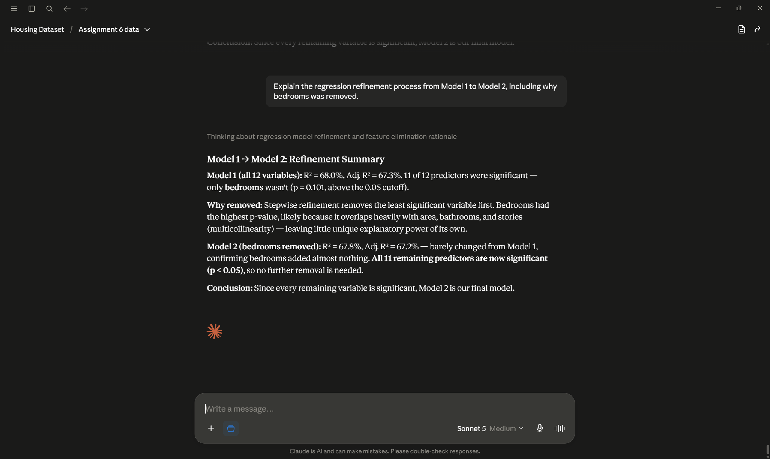
Description of Use, Refinement, and Limitations
Claude was used to help interpret and communicate the regression coefficients and R Square value from our Model 2 output. We first wrote our own interpretation of each coefficient group in plain language, then used Claude to polish the wording for clarity and professional tone; both versions are shown above. Claude also helped us understand why the model flagged "bedrooms" as insignificant and walked us through interpreting p-values, alpha, confidence intervals, and R Square. One limitation we faced was not initially understanding why some coefficients (like hot water heating) had larger effects than others; we addressed this by asking Claude to check how common each amenity was in the dataset, which showed that rarer features carried larger price premiums. All final interpretations and conclusions were reviewed and approved by our team.

AI Interactions Log
All interactions took place in a single Claude (Anthropic) conversation titled "Housing Dataset / Assignment 6 data." Screenshots of each interaction are embedded to the right of this section.

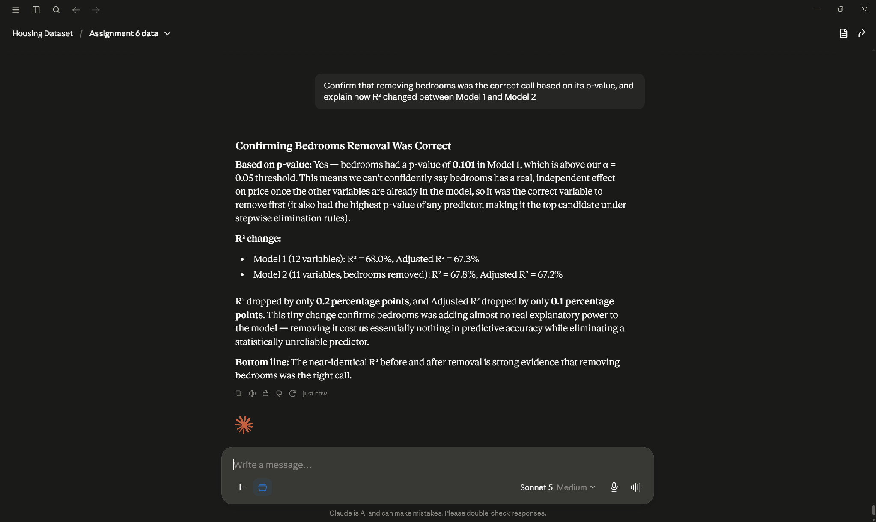
# | Our Prompt to Claude |  | What Claude Provided |  | How We Used / Verified It |  | Screenshot
1 | "Explain the regression and why bedrooms was removed." |  | Walked through the Model 1 → Model 2 refinement: Model 1 (12 predictors) had R² = 68.0% with only bedrooms insignificant (p = 0.101, above alpha = 0.05). Explained that stepwise refinement removes the highest p-value variable first, and that bedrooms likely overlapped with area and bathrooms (multicollinearity), leaving little unique explanatory value. Model 2 R² = 67.8%. |  | Used to understand WHY bedrooms was the correct variable to drop rather than just accepting the p-value. We confirmed p = 0.101 against our own Model 1 output (cell F20 on the Model 1 tab) before accepting the explanation. Informed the "Why This Is Our Final Model" paragraph above. |  | Picture 1
2 | "Confirm that removing bedrooms was correct and explain how R² changed between the models." |  | Confirmed the removal on two grounds: (1) bedrooms' p-value exceeded the 0.05 threshold and was the highest in the model, so stepwise elimination rules call for dropping it first; (2) R² fell only 0.2 percentage points (68.0% → 67.8%), showing bedrooms contributed essentially no unique explanatory power. Bottom line: near-identical R² before and after confirms it was the right call. |  | Served as a check on our own reasoning rather than a source of new conclusions. We verified both R² figures directly against our regression output (C6 on the Model 1 and Model 2 tabs) and confirmed all 11 remaining p-values were below 0.05 ourselves. |  | Picture 2
3 | "Here is my draft interpretation of [size/structure, amenities, parking/furnishing]. Can you polish the wording?" — submitted with our own full draft paragraphs. |  | Returned polished versions of our draft paragraphs with improved clarity and professional tone. Substance, figures, and conclusions were left as we wrote them; changes were to phrasing (e.g. "smallest individual impact" → "smallest per-unit impact", tightening run-on sentences). |  | We wrote every interpretation ourselves FIRST, then used Claude only for wording. Both our original draft and the polished version are shown side by side in the interpretation section above so the extent of AI editing is fully visible. All coefficient figures quoted were taken from our own output, not from Claude. |  | Picture 3


Limitations Encountered
Claude initially could not explain why certain coefficients (such as hot water heating) were larger than others, since it had no visibility into how common each feature was in our data. We resolved this by asking it to check the frequency of each amenity in the dataset, which revealed that rarer features carried larger price premiums. We also noted that Claude cannot verify our regression output itself — every figure cited in this workbook was read directly from our own Excel regression results, and all final interpretations and conclusions were reviewed and approved by our team.

