Sheet1
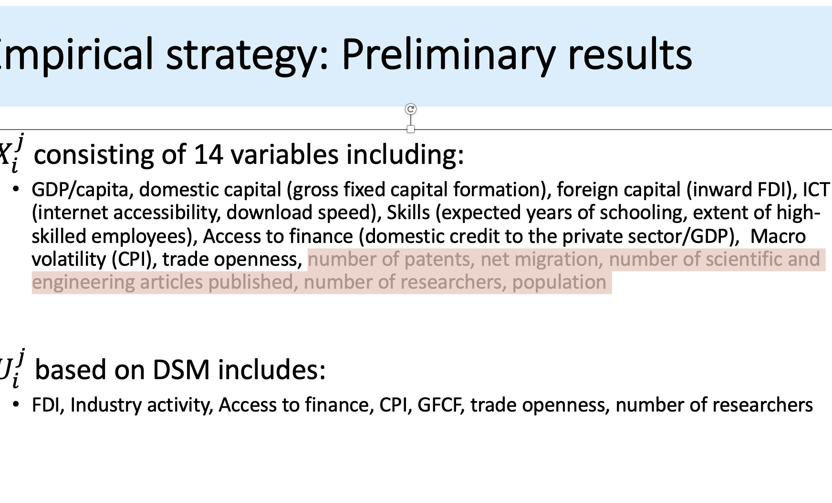

 |  |  | VARIABLE | INDICATOR
 |  |  | Level of Development | GDP/capita
 |  |  | Domestic Capital | Gross Fixed Capital Formation
 |  |  | Foreign Capital | Inward FDI
 |  |  | ICT | Internet accessibility + download speed
 |  |  | Skills | years of schooling + extrent of high-skill empl.
 |  |  | Access to Finance | domestic credit to the private sector/GDP
 |  |  | Trade openness | Exports+Imports/GDP
 |  |  | Macroeconomic volatility | CPI
 |  |  | Research activity | patents + STEM articles + researchers no.
 |  |  | Transfer of knowledge | Net migration
 |  |  | Market size | Total population

•FDI, Industry activity, Access to finance, CPI, GFCF, trade openness, number of researchers

 |  |  | VARIABLE | INDICATOR
 |  |  | Level of Development | GDP/capita
 |  |  | Domestic Capital | Gross Fixed Capital Formation
 |  |  | Foreign Capital | Inward FDI
 |  |  | ICT | Internet accessibility + download speed
 |  |  | Skills | years of schooling + extrent of high-skill empl.
 |  |  | Access to Finance | domestic credit to the private sector/GDP
 |  |  | Trade openness | Exports+Imports/GDP
 |  |  | Macroeconomic volatility | CPI
 |  |  | Research activity | patents + STEM articles + researchers no.
 |  |  | Transfer of knowledge | Net migration
 |  |  | Market size | Total population

New Taipei City | 29
Taipei City | 12
Kaishiung City | 38
Taichung City | 29
Taoyuan City | 13

 |  | Kaohsiung City | 40 | 0.23
 |  | New Taipei City | 56 | 0.36
 |  | Taichung City | 38 | 0.29
 |  | Taipei City | 36 | 3.79
 |  | Taoyuan City | 42 | 0.35
 |  |  | 212 | 5.02

 |  |  | Same-sex marriage | Church density
 |  | Kaohsiung City | 0.189 | 0.046
 |  | New Taipei City | 0.264 | 0.072
 |  | Taichung City | 0.179 | 0.058
 |  | Taipei City | 0.170 | 0.755
 |  | Taoyuan City | 0.198 | 0.070

Same-sex marriage vs church: city level

