1. Title Page
Customer profile analysis

Project Name:
Date: April 1st. 2021
Analyst Name: José L. Sanabria

Contents:
Population Flow
Consistency checks
Wrangling steps
Column derivations
Visualizations
Recommendations

Data Citation:
“The Instacart Online Grocery Shopping Dataset 2017”, Accessed from https://www.instacart.com/datasets/grocery-shopping-2017 on September 26, 2020.

2. Population Flow
Title page

Population flow

Exclusion flag
Condition: max_order <
Obervations to be removed:
Final total count of order_products_all: 32,404,859

Orders_products_combined
Orders_products_merged
Orders_products_all

Total: 32,404,859
Total: 32,434,489
Total: 32,404,859

1.) The grey boxes in the first row of the population flow represent the original data sets as they were when you downloaded them. In the Total fields you need to add the count of the rows when you imported the data set into Jupyter.
2.) The second row of boxes (coloured) represents the data sets after you manipulated them, e.g., removed missing values and duplicates. In the Total fields you need to add the count of the rows after conducting these operations. This offers a visual oveview of how the data flows throughout the data consistency checks.
3.) The third row, where also the arrows are coloured, represents the merges you performed between the datasets. In the Total fields you need to add the count of the rows in the merged datasets, so that you end up with the final dataset (in the red box). Keep in mind the final dataset should be without exclusions (based on the exclusion flag).

3. Consistency checks
 |  |  |  | Title page
Consistency checks

Dataset | Missing values | Missing values treatment | Duplicates
orders | 206209 | Those values were substituted by the number zero indicating that order was the first one made by that customer | 0
products | 16 values from product_name column | Removed from df | 5
orders_products_prior | 0 | n/a | 0
customers | first_name & last _name (whole columns) | Customer first and last name columns were removed due to Personally Identifiable information (PII) | 0

4. Wrangling steps
 |  |  |  | Title page
Wrangling steps

Columns dropped | Columns renamed | Columns' type changed | Comment/Reason
Eval_set |  |  | No needed for this analysis
 | order_dow to order_day_of_week |  | to add clarity
first_name (PII) |  |  | Due to PII
last_name (PII) |  |  | Due to PII
Gender (df size reduction to export faster) |  |  | df size reduction to merge and export faster
_merge |  |  | no needed
 | income to annual_income |  | to add clarity
 | n_dependants to number_of_dependants |  | to add clarity
 | fam_status to family_status |  | to add clarity

5. Column derivations
 |  |  |  |  | Title page

Column derivations and aggregations

In this tab you should add tables below that the frequences of flags/label variables that you produced after deriving them. NB: don't do this for continuous variables, only for flags.
Dataset | New column | Column/s it was derived from | Conditions | TABLES PRODUCED
ords_prods_merged | price_range | prices | price <= 5 low range, >5 and <= 15 mid-range, >15 high-range | Mid-range product 756450 Low-range product 243550
ords_prods_merged | busiest_day | order_day_of_week | value == 0 or value == 1: result.append("Busiest days") elif value == 3 or value == 4: result.append("Slowest days") else: result.append("Busiest days") elif value == 3 or value == 4: result.append("Slowest days") else: result.append("Regularly busy") | Regularly busy 22416875 Busiest day 6204182 Least busy 3783802
ords_prods_merged | busiest_period_of_day | order_hour_of_day | >= 9 and <= 16: "Most Orders" >= 0 and <= 6: "Fewest Orders" "Average Orders") | Most Orders 21118071 Average Orders 10399967 Fewest Orders 886821
ords_prods_merged | loyalty_flag | max_order | >40 orders loyal customer. <=40 & <=10 regular custome. <10 new customer | Most Orders 21118071 Average Orders 10399967 Fewest Orders 886821
ords_prods_merged | mean_spend | user _id & prices | <10 low spender. >=10 high spender | High Spender, Low Spender
ords_prods_merged | median_ordering | user _id & days_since_prior_order | >20 Frequent customer. >10 & <=20 Regular customer. <10 Non-Frequent customer | Frequent customer, Regualr Customer and Non Frequent customer
PROFILES_Final_Task | US_Region | STATE | Northwest, Midwest,South & West. | South 5681692 West 4296663 Midwest 3997298 Northeast 3051876
PROFILES_Final_Task | Activity_Flag | order_number | <5 low activity, >5 High activity | High_Activity 12845909 Low_Activity 4181620
PROFILES_Final_Task | Age_Profile | Age | Young <30. Middle age >30 & <50. Mature >50 & <70. Elderly >70 | Middle Age 4016885 Mature Age 3972623 Young 2435154 Elderly 2421247
PROFILES_Final_Task | income flag | annual_income | High income> 1st quartile. Medium Income <1st quartile & > 3rd quartile. Low income<3rd quartile | Medium Income 6422427 Low Income 3211951 High Income 3211531
PROFILES_Final_Task | Pet Owner (based on whether customers order from department id 8, pets) | department_id | 1 if they shop, 0 if they don't. | No Pet Owner 12807629 Pet Owner 38280
PROFILES_Final_Task | Dependancy_Status | number_of_dependants & age | Elderly parent >50 and dep , mature parent >30 & <50 and dep, young parent <30 and dep, No dependants = 0 | Elderly Parent 4812617 No Dependants 3180911 Mature Parent 3012876 Young Parent 1839505

6. Visualizations
Visualisations

What are the busiest days of the week?

In this tab you should include all the visualtions from Exercises 4.9 and 4.10, alongside the questions from the project brief that they answer. Include any commentary on the relationship between different variables.

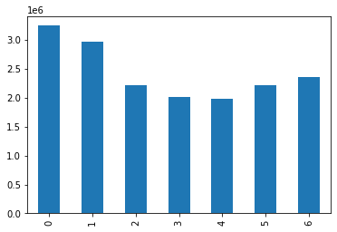
0. Sunday
1. Monday
2. Tuesday
3. Wednesday
4. Thursday
5. Friday
6. Saturday
The day with most orders is Sunday followed by Monday. Wednesday and Thursday however are the lowest days in terms of orders.

Particular times of the day when people spend the most money,
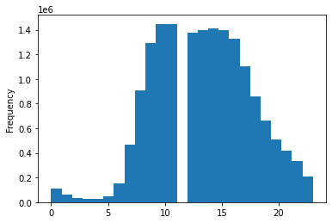
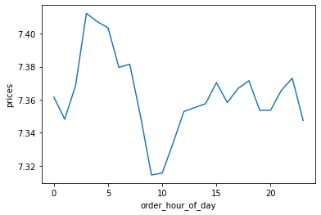
This line chart shows when the most money is spent in instacart products.
Products with the highest prices are sold the most early morning and then declines until 10am. Then increases again as the day progresses with few peaks along the afternon and evening.
This chart shows the average price of a product bought across all hours of the day. We can see that the most expeisve products are bought in the very early hours of the morning. and the cheapest products are bought around 9am.
This interesting discovery tells us two things: People buy the most expensive items late at night perhpas when browsing online and not sleeping. The cheapest buys are done when people are on their way to work or school, perhaps snacks, or basic items.

Marketing and sales want to use simpler price range groupings to help direct their efforts.
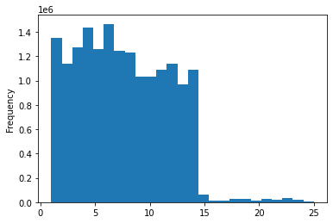
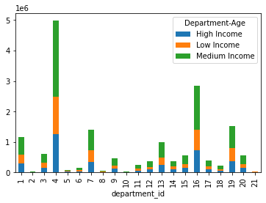
This histogram shows two main groups of products. From zero to 14 and then 14 and up. This could be a useful way to group products by price range.
This chart shows the most popular departments for instacart customers.
Number 4, 16, 19, 7 and 1 have the most sales to customers of all types of income.

● Are there differences in ordering habits based on a customer’s loyalty status
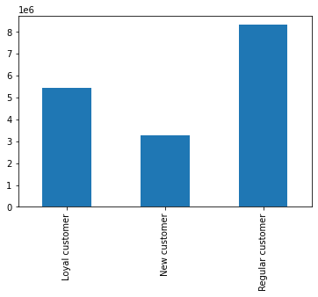
number
of
customers
According to this chart, the mayority of Instacart customer are regular.

● Are there differences in ordering habits based on a customer’s region?

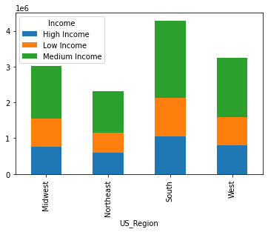
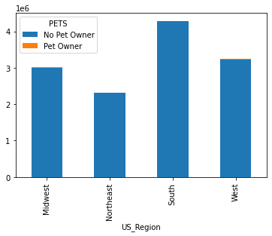

comparing these two charts with income and orders from one particular department (pets) we don't apreciate a sigificant difference. The fact that the South places the highest number of orders for pet products is solely based to the fact that this region is more populated than the rest.

Is there a connection between age and family status in terms of ordering habits?
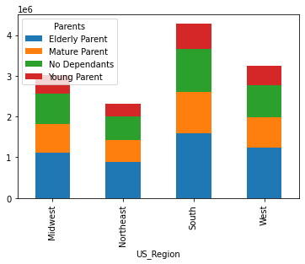
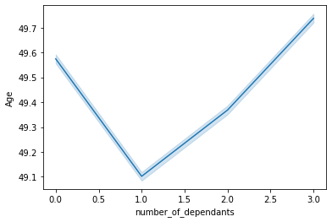
This line charts shows that the average age of people with zero dependants is quite high. After that the average age of people with dependants increases as the average age increases too.

7. Recommendations
 |  |  | Title page

Recommendations

In this tab you should include any recommendations you would made to Instcart in terms of their marketing strategy based on the questions posed in the brief. Every key question has been covered in the Tasks of the Exercises - here you need to add an item - a visualisation or table/crosstable that is showing the answer in the data, acompanied by a comment from you. Please, list the questions below and add the answer underneath.

0. Sunday
1. Monday
2. Tuesday
3. Wednesday
4. Thursday
5. Friday
6. Saturday
Questions | Answers | Visualizations
The sales team needs to know what days of the week and hours of the day are the busiest (i.e., the days and times with the most orders) in order to schedule ads at times when there are fewer orders. | The days of the week with less orders are Wednesday and Thursday and between midnihght and 5am is the quietest time of the day. Therefore this is when ads should be scheduled.
The sales team also wants to know whether there are particular times of the day when people spend the most money, as this might inform the type of products they advertise at these times. | The time when customers spend the most money is interstingly very similar (from midnight and peaking at 5am) to the time when they place the less orders. This means that the average spent per order is much higher. The most expensive products area bought at this time.
Instacart has a lot of products with different price tags. Marketing and sales want to use simpler price range groupings to help direct their efforts. | This chart helps to understand which are the most sold producsts. Products sold up to 14 are highly sold. On the other hand 15 to 25 show very los fiugres. The easiest way to group those products will be Non-Premium (1 - 14) and Permium (15 - 25).
Are there certain types of products that are more popular than others? The marketing and sales teams want to know which departments have the highest frequency of product orders. | The most popular department is Produced (4), followed by Dairy (16), then is Snacks (19) and finally Frozen (1)
The marketing and sales teams are particularly interested in the different types of customers in their system and how their ordering behaviors differ. For example:

Elderly Parent
(more than 50)
Mature Parent
(30 - 50)
Young Parent
(18 - 30)
NO dependant
● What’s the distribution among users in regards to their brand loyalty (i.e., how often do they return to Instacart)? | Loyal and new customers make for the most of total instacart customers. Loyal customers are above 32%, New custoemers are 17% and Regular customers are 50%. So 82% shop frequently.
● Are there differences in ordering habits based on a customer’s region? | These two charts help to understand ordering habits in two ways. First chart shows amount of customers with different type of income ordered by region and it shows that region is not a factor in terms of ordering. Differences are only based in the population size of those regions. Mor populated regions equals more orders. This is shown with orders from a particulart department (Pets) and this relation (more citizens - more orders) is mantained.
● Is there a connection between age and family status in terms of ordering habits? | There is a consistency across the four regions of the US showing that parents overt 50 years of age make the most number of orders among all age groups . Young partents on the other hand seem to be the ones who order less. Interestingly enough customers with no dependents order more than young parents. THis could be due to several factors including having more disposable income and being a group made of all ages since the only condition to be in it is not to have dependentants. Af far as strictly demographics is concerned the second chart shows how the number of dependents increases as the average age increases.

