Scanner
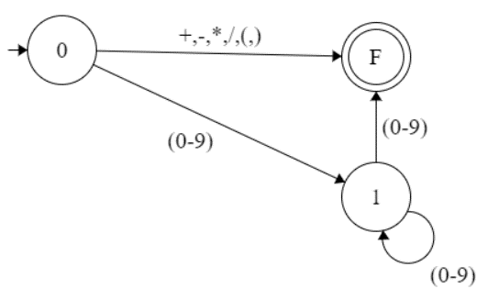
SCANNER
TOKENS |  |  | AUTOMATA
o | Suma (+)
o | Resta (-)
o | Multiplicación (*)
o | División (/)
o | Inverso Aditivo (-x) | Se maneja en la operatoria

Token | Lexeme
T_ADD | +
T_SUB | -
T_MUL | *
T_DIV | /
T_LPAREN | (
T_RPAREN | )
T_INT | (0|1|2|3|4|5|6|7|8|9)^+
T_UNKNOWN | Todo lo demas

