locations of the obs. points
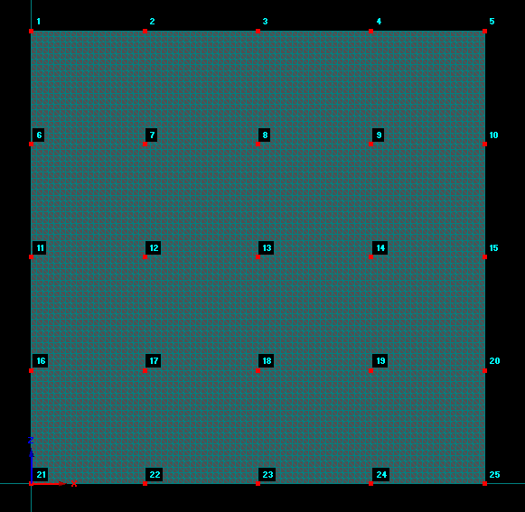


example of wetting fronts

