Help
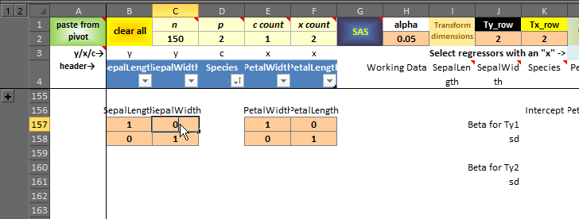
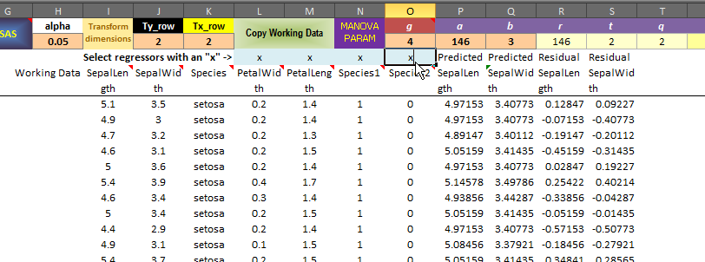
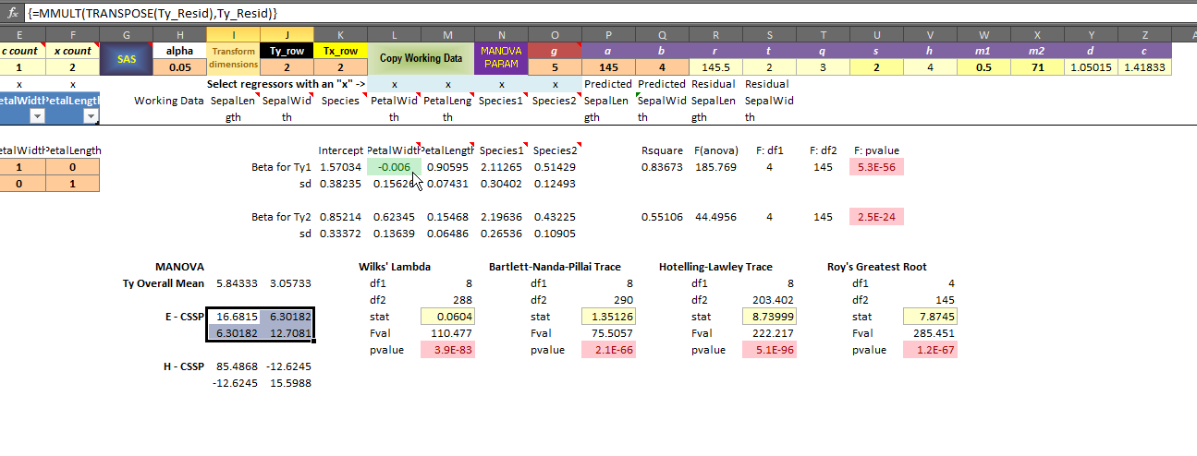
 | Only cells with this style ("Input") are modifiable. Leave all other cells untouched!!


How to close addins if they bother you
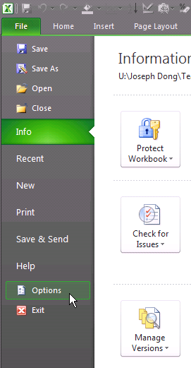
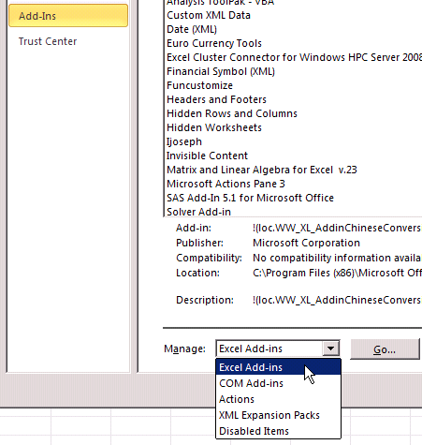
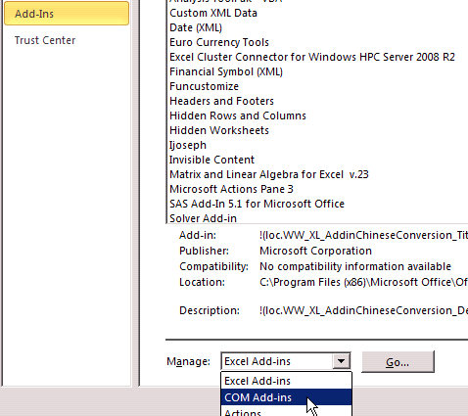

 |  |  |  |  |  |  |  |  |  |  |  |  |  |  | Untick them all if you don't use any |  |  |  |  |  |  |  |  | Untick them all if you don't use any
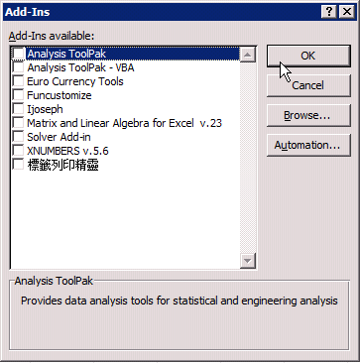
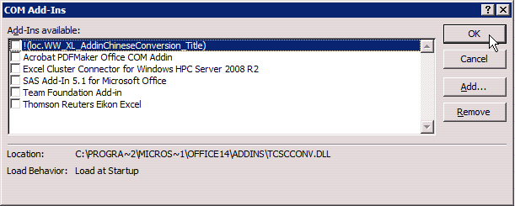

sheet = pivot
copy from an existing Excel data table |  |  |  | in the pivot sheet |  |  |  |  | double click the green button |  |  |  |  |  |  |  |  |  | select the variables on the "PivotTable Field List" panel |  |  |  |  |  |  | change summary type to average by double clicking on the blue button |  |  | click any where in the pivot table to activate ribbon options, find "Pivot Chart" |  |  |  |  |  | click on the "Pivot Chart" button and select a Line plot, click OK |  |  |  | You will see the mean profile plot against the IVs (row fields) |  |  | click on the pivot chart to activate the design ribbon |  | find "Switch Row/Column" to make a DV mean plot
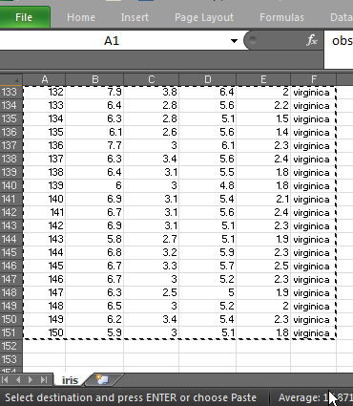
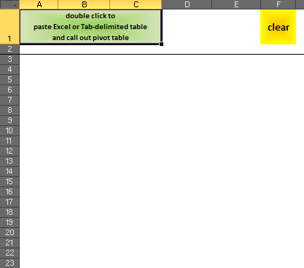
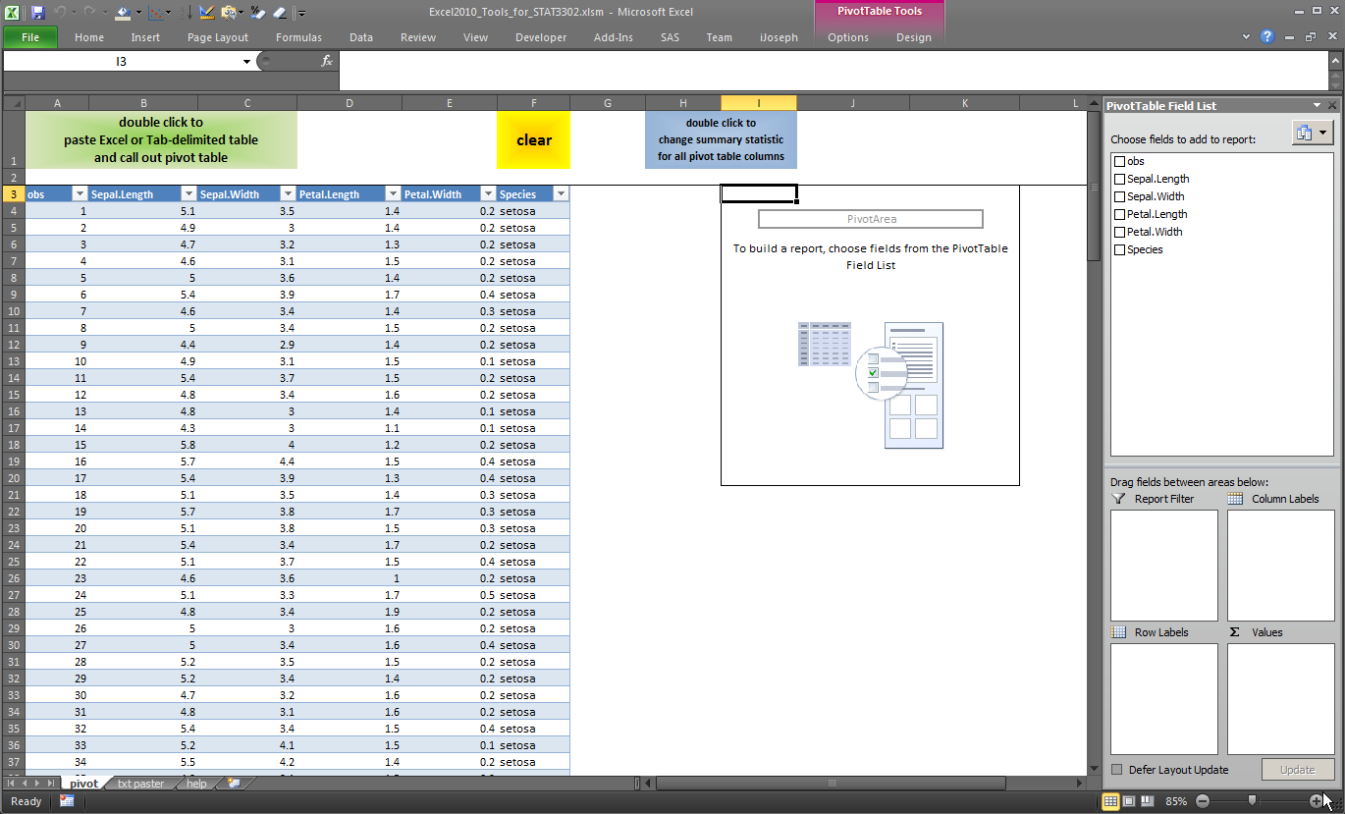
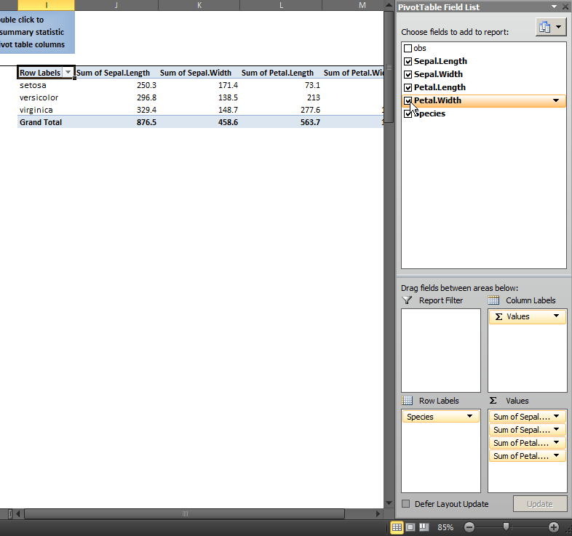
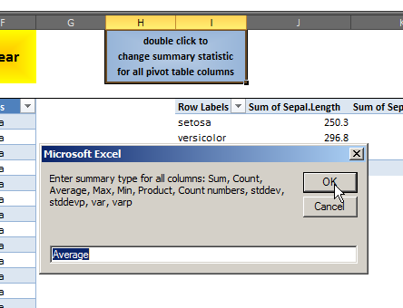
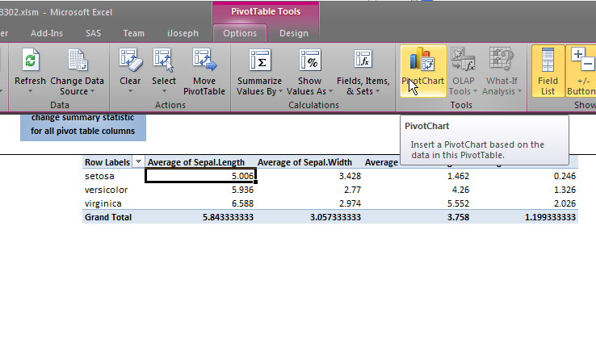
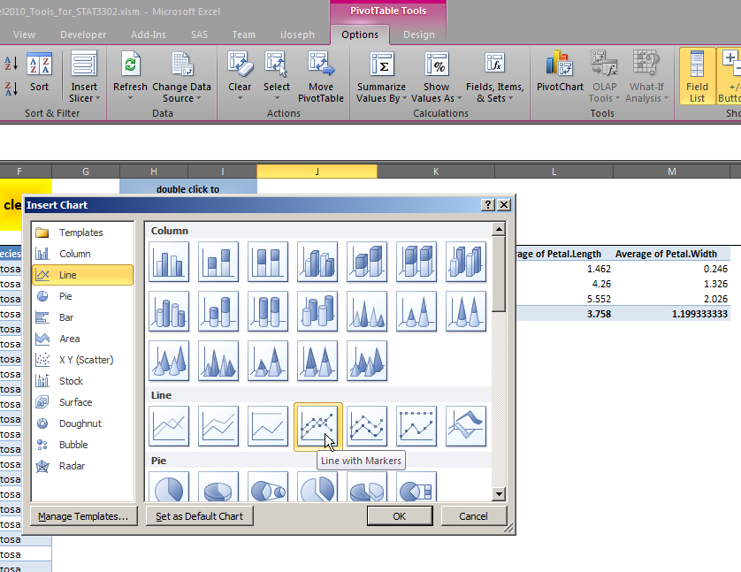
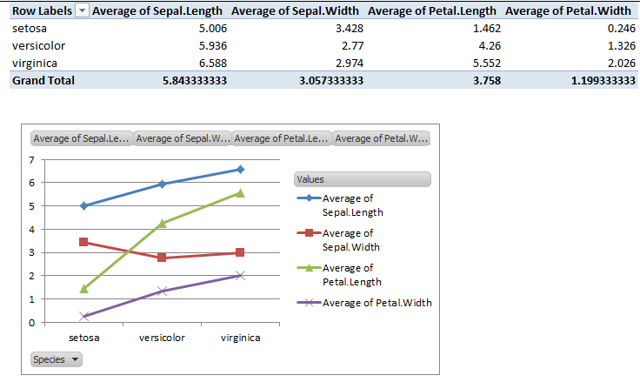
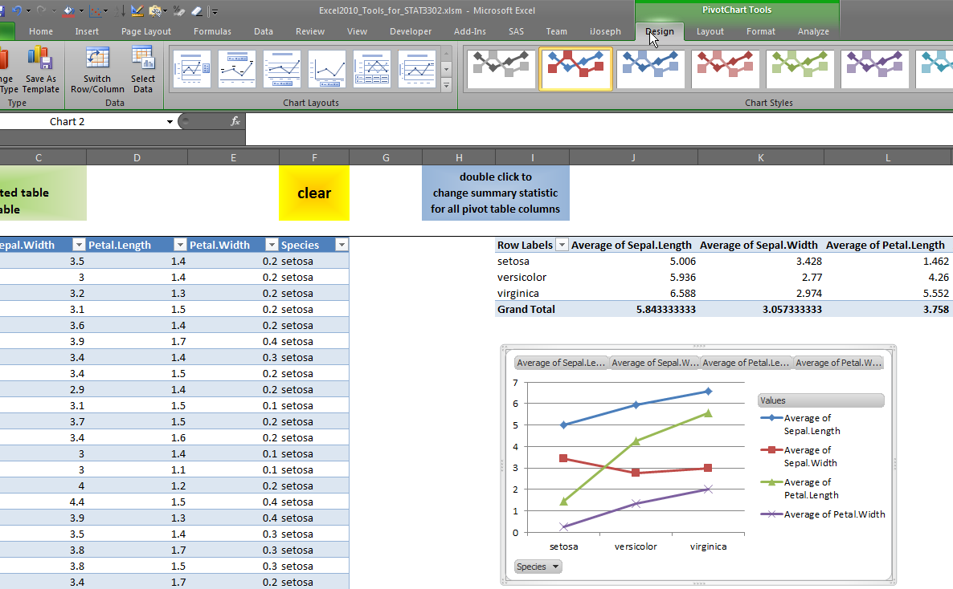
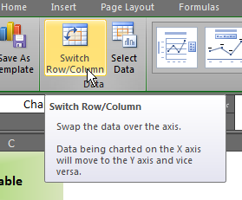
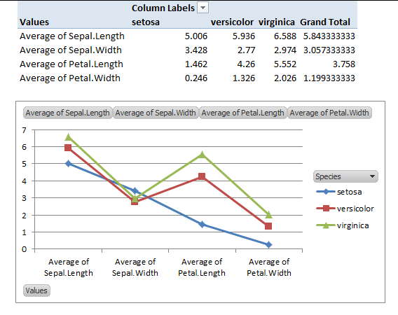

sheet = txt paster
copy from an existing text-based data table |  |  |  | in the txt paster sheet, decide whether to treat consecutive delimitors as one |  |  |  |  |  |  | double click on the yellow button to paste and automatically arrange |  |  |  |  |  |  | after double click, if you are lucky, the table will be just right
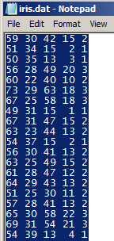
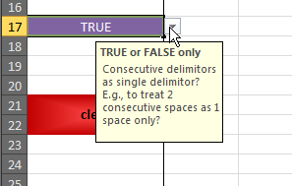
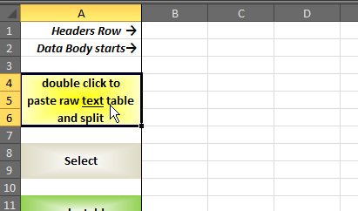
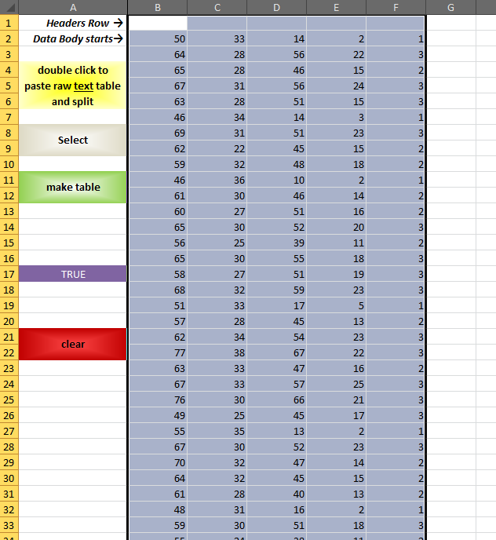

sheet = Cov2Correl
Copy some covariance matrix onto the clipboard, for example, from pivot output |  |  |  |  |  |  |  |  | In Cov2Correl: double click on "Clear + Paste + Split"
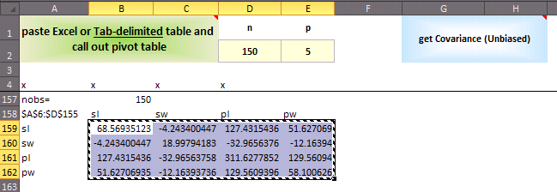
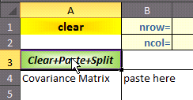

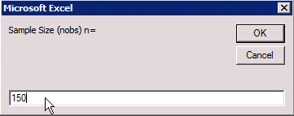
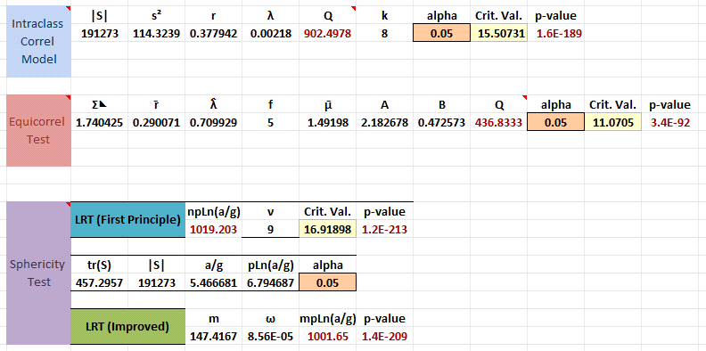
sheet = One-Cov |  | Require: Cov2Correl is prepared
In Cov2Correl, prepare the sheet as above, |  |  |  |  |  | An input box will ask you to enter sample size |  |  |  |  |  |  | After entering sample size, some tests that do not require further specifications are output |  |  |  |  |  |  |  | To have a test of equality of the sample covariance matrix to some given matrix |  |  |  |  |  |  |  |  | To have a block independence test:
Then in One-Cov: Double click on the "Paste Cov & Correl" button |  |  |  |  |  |  |  |  |  |  |  |  |  |  |  |  |  |  |  |  | Simply type in the given matrix Σ₀ beside the cell with text "Hypothesized Covariance". The Σ = Σ₀ test will be shown upon completing typing. |  |  |  |  |  |  |  |  | Enter the number of blocks(groups) in the input cell below "g" |  |  |  |  |  |  | Then enter the dimensions of each blocks: |  |  | Then double click on the Green button (or the orange button, the two buttons do the same thing).
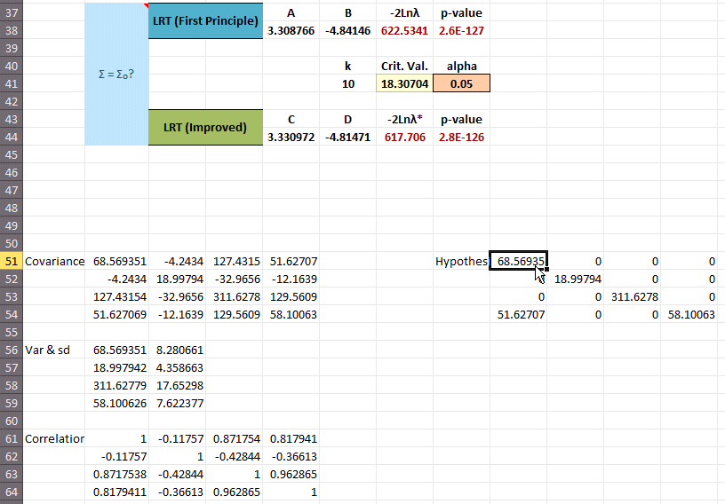
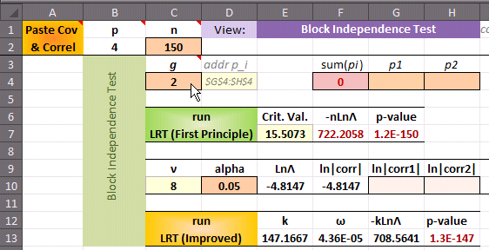
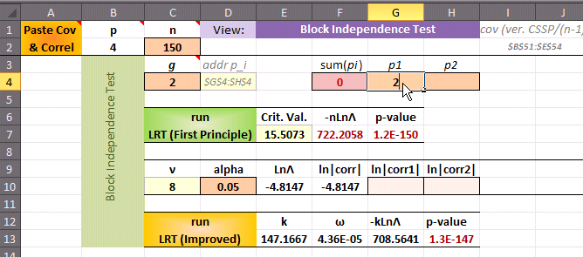
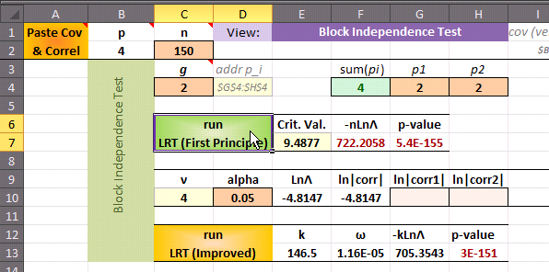

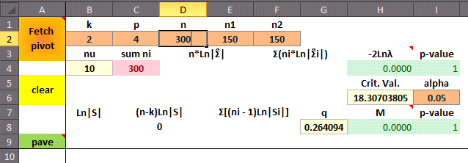
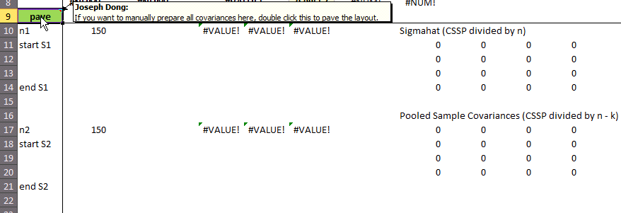
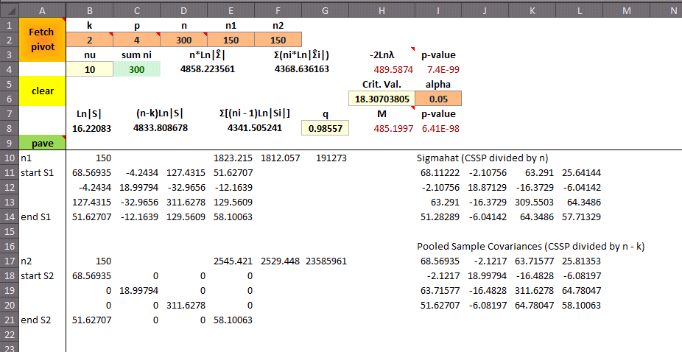
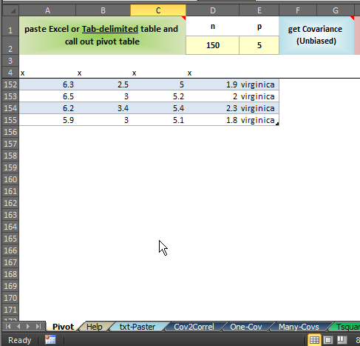
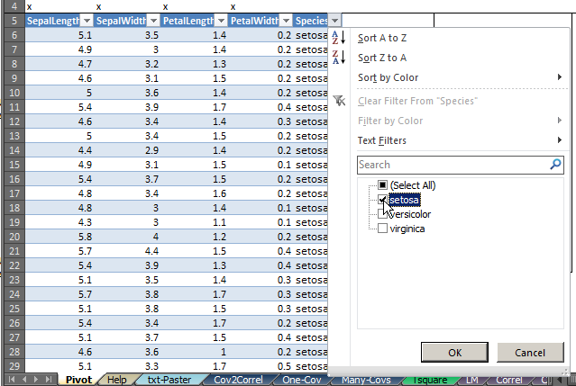
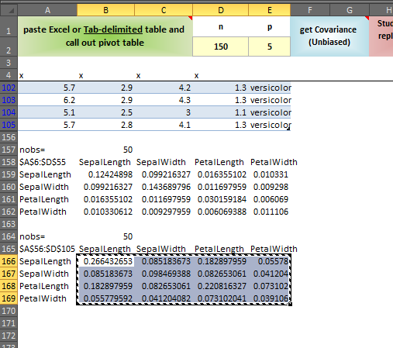
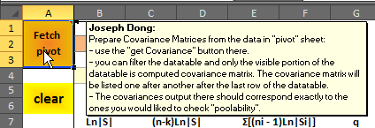
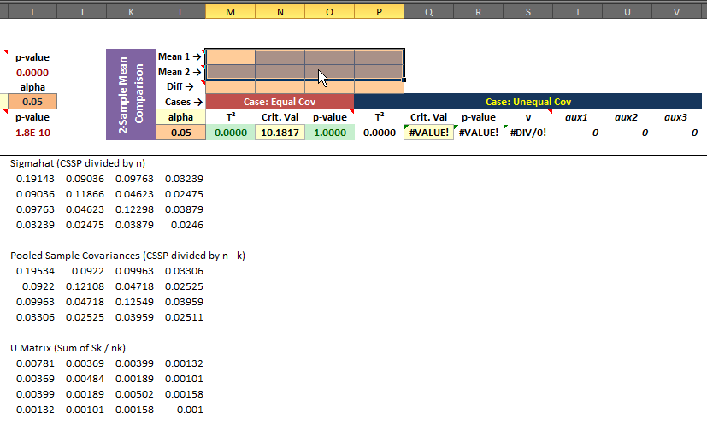
sheet = Many-Covs |  |  |  |  |  |  |  |  |  |  |  |  |  |  |  |  |  |  |  |  |  |  |  |  |  |  |  |  |  |  |  |  | In sheet pivot: |  |  |  |  | Then prepare the covarainces for species = setosa and species = versicolor, one by one |  |  |  |  |  |  | Switch back to sheet "Many-Covs"
Enter the dimension letters first: make sure n = n1 + … |  |  |  |  |  |  |  |  | Then Double-click on the Green "pave". It will pave the template for you to enter the covariances |  |  |  |  |  |  |  |  |  |  | Type in the covariances you want to compare: |  |  |  | Result: |  |  |  |  |  |  |  |  | First manually clear the range below the data table |  |  |  |  | Filter the datatable by speicies = setosa |  |  | double click on the "get Covariance (Unbiased)" button to compute the covariances for the filtered part of the selected columns |  | Repeat for the second sub-sample: Species = versicolor |  | Click on "Fetch pivot" | Fill the mean vectors for the two sub-samples under comparison. You can obtain the sub-sample means using the pivot table in the pivot sheet | Finally, fill the hypothesized mean vector difference, and check the p-values
 |  |  |  |  |  |  |  |  |  |  |  |  |  |  |  |  |  |  |  |  |  |  |  |  |  |  |  |  |  |  |  | 2-Sample Mean Comparison

sheet=Correl |  | Prerequisite: Sheet Pivot has a data table ready.
double click on the green button to fecth data |  |  |  |  |  | Indicating the response column with a "y" and predictor columns with multiple "x"s
 |  |  |  |  |  | Regression coefficients will be estimated on the fly, with an sd
 |  |  |  |  |  | The multiple correlation is computed at cell under "r". It is always non-negative.
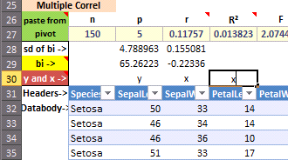

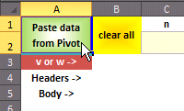
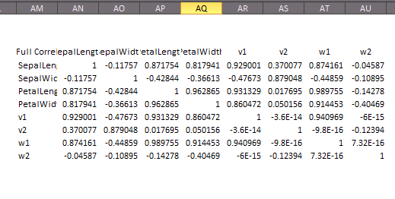
sheet=CanCorr |  | Prerequisite: Sheet Pivot has a data table ready. |  |  |  |  |  |  |  |  |  |  |  |  |  |  |  |  |  |  |  |  |  |  |  |  | The middle calculation area gives the important intermediate calculations, resulting in 4 matrices of "studentized eigenvectors" |  |  |  |  |  |  | The two tables created on-the-fly are the canonical transformation of the dataset in its original form and its standardized(studentized) form. |  |  |  |  |  | At the far east is the full correlation matrix.
double click on the green button to fetch data |  |  |  |  | "v" and "w" are used to indicate the two groups of variables. |  |  |  |  |  |  | The top row cells are self-explanatory with their names, comments, and formulae |  |  |  |  |  |  |  |  |  |  |  |  |  |  | These are the coefficients for construction the canonical variates for the 2 groups. There are two versions of them depending on whether |  |  |  |  |  |  | The construction is as simple as multiplying the dataset with the respective "studentized eigenvectors" matrices. |  |  |  |  |  | You can conditional format it to make the numbers look vivid.
 |  |  |  |  | We compute the cancorr between the v-group and the w-group |  |  |  |  |  |  |  |  |  |  |  |  |  |  |  |  |  |  |  |  |  | the dataset is in the original form or in the standardized form.
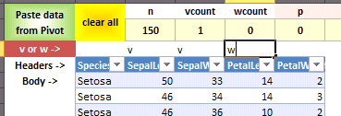
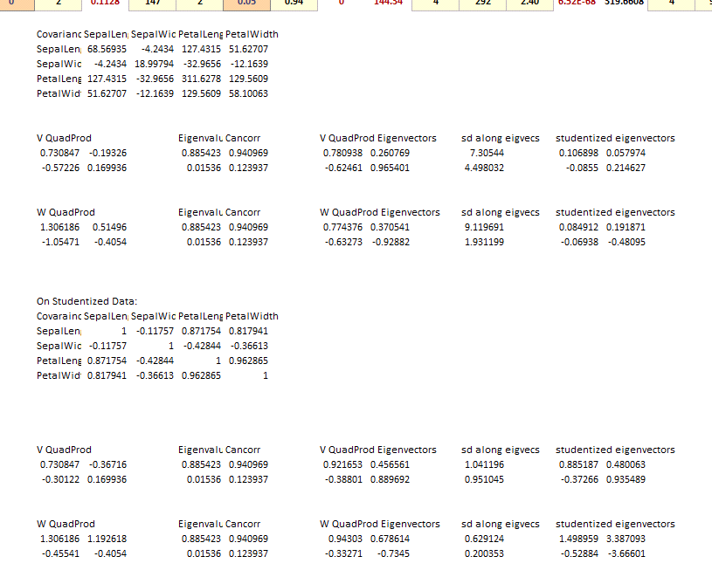

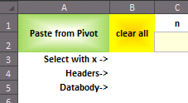
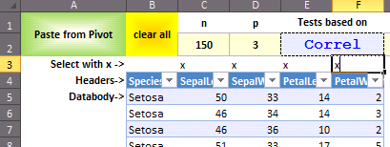
sheet=PCA |  | Prerequisite: Sheet Pivot has a data table ready. |  |  |  |  |  |  |  | Top row implements some tests. Use should be self-explanatory with their names, comments, and formulae
double click on the green button to fetch data |  |  |  | select variables with an "x" |  |  |  |  |  | You can select "Tests based on" Correl and Cov. |  |  |  |  |  | The middle calculation area decomposes both cov and correl on the left and right.
 |  |  |  |  |  |  |  |  |  |  |  |  |  |  |  | The two new tables below are rotated dataset about the mean. Understandably there are 2 versions.
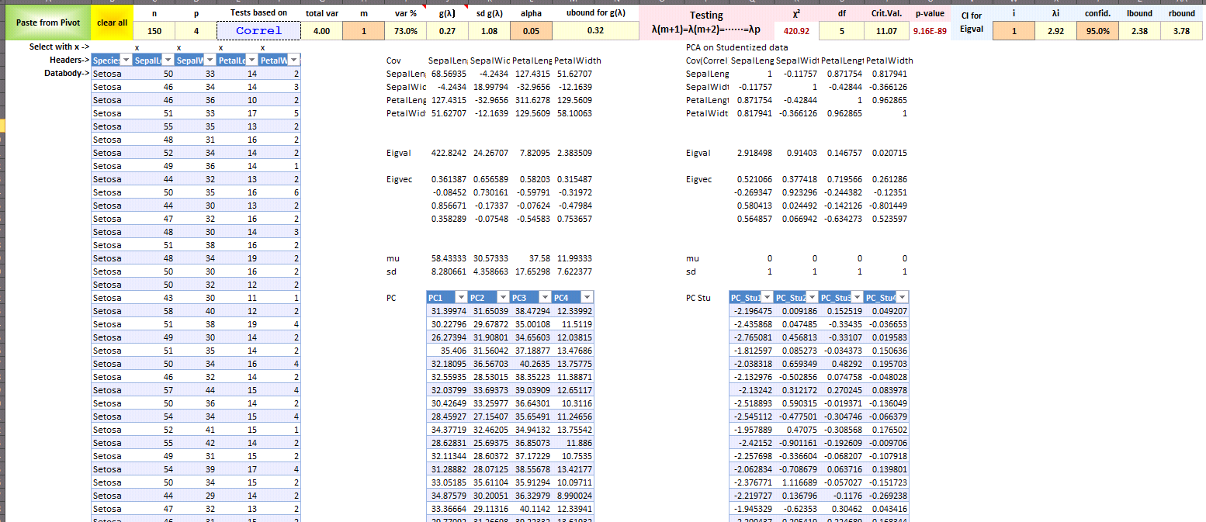

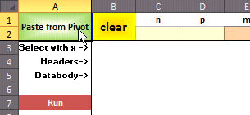
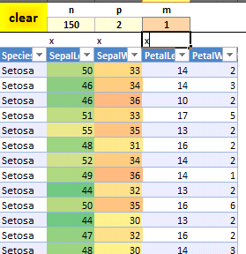
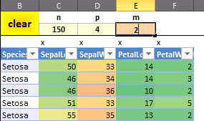


sheet = Factor |  |  | Prerequisite: Sheet Pivot has a data table ready.
double click on the green button to fetch data |  |  |  | select variables with an "x" |  |  |  | Change number of factors to employ. |  |  |  |  |  | This sheet only carries out PCFA. The Factor scores constructed by different scoring methods and based on standardized or original dataset are computed on-the-fly. |  |  |  |  |  |  |  |  |  |  |  |  |  |  |  | In order to compute MLFA factor scores, you can paste the MLFA loadings matrix |  |  |  |  |  | You can specify (by paste and overwriting) the rotation matrix at the region below the datatable
 |  |  |  |  |  |  |  |  |  |  |  |  |  |  |  |  |  |  |  |  |  |  |  |  |  |  |  |  |  | to overwrite the selected region, which currently holds the PCFA loadings matrix.


sheet = Discrim |  |  | Prerequisite: Sheet Pivot has a data table ready. |  |  |  |  |  |  |  |  |  |  |  |  |  |  |  |  |  |  |  |  |  |  |  |  |  |  |  |  |  | At the far east is the full set of discriminant functions. (not all are employed)
double click on the green button to fetch data |  |  |  | Indicate the class label by a "y" and predictors by multiple "x"s. |  |  |  |  |  |  |  | In this sheet, you need to double click run to get some results. |  |  |  |  |  | Change the "m" to specify how many discriminant functions to employ. |  |  |  | Top row tests whether we need the m-th dimension in the discriminant space. |  |  |  |  |  | In the middle there is a row for you to input a new data point for classification based on mahalanobis distance. |  |  |  |  | You can rescale them by changing the first row values |  |  |  |  | Double click on the button to do some validation on the classification rule.










sheet = Tsquare |  |  | Prerequisite: Sheet Pivot has a data table ready.
double click on the green button to fetch data from sheet pivot. |  |  |  |  |  |  | Indicate which columns to analyze by a "y" ahead |  |  |  |  |  |  | click on the top-left little "1" icon to collapse the data area so that you can see the transformation matrix at the bottom |  |  |  |  |  |  |  |  | Expand the hidden rows by clicking on the "+" icon. |  |  |  | The Ty1-Ty3 columns are the Transformed dataset we will work directly on. |  |  |  | You may change the "T_Mean Hypothesized" cells as your null hypothesis value of the mean vector.
 |  |  |  |  |  |  |  |  |  |  |  |  |  |  |  |  | Change the transformation matrix as you wish |  |  |  |  |  |  |  |  |  |  |  |  |  | Below that row, you have Bonferroni and Scheffe Simultaneous Confidence Intervals calculated

 |  |  |  |  |  |  |  |  |  |  |  |  |  |  |  |  |  |  |  |  |  |  |  |  |  |  |  |  |  |  | The T_Cov below is the sample covariance of the Transformed Dataset.
 |  |  |  |  |  |  |  |  |  |  |  |  |  |  |  |  |  |  |  |  |  |  |  |  |  |  |  |  |  |  | At the top, the T-squared statistic of the hypothesis is computed, along with other computations.
 |  |  |  |  |  |  |  |  |  |  |  |  |  |  |  |  |  |  |  |  |  |  |  |  |  |  |  |  |  |  | The p-value cell turns green color only if its value is greater than alpha.


 |  |  |  |  |  |  |  |  |  |  |  |  |  |  |  |  | Specify the number of rows of the Transformation matrix by entering a number in the T_row cell.
 |  |  |  |  |  |  |  |  |  |  |  |  |  |  |  |  | The number of columns of the transformation matrix is always the number of "y"s


 |  |  |  |  |  |  |  |  |  |  |  |  |  |  |  |  | After commiting the change to T_row, the Transformation matrix will highlight the used range



sheet=LM |  |  | Prerequisite: Sheet Pivot has a data table ready. |  |  |  | Indicate DV columns by a "y", continuous IV columns by an "x", and categorical IV columns by a "c" |  |  |  |  |  |  |  |  |  | click on the top-left little "1" icon to collapse the data area so that you can see the transformation matrices at the bottom.
 |  |  |  |  |  |  | Reordering of columns will occur to make sure the three types of columns are order in "y" - "c" - "x" |  |  |  |  |  |  |  |  |  | You may change the transformation matrix to transform either or both the "y"s and the "x"s
 |  |  |  |  |  |  |  |  |  |  |  |  |  |  |  |  | Change Ty_row and/or Tx_row to specify the number of rows of the tranformation matrices. |  |  |  |  |  |  |  | The transformed data are the Working Data |  |  |  |  |  |  | Collapse the data area to see the regression estimates and MANOVA below the "Working Data" range.
 |  |  |  |  |  |  |  |  |  |  |  |  |  |  |  |  | Number of columns need not be specified since they are always equal the number of "y"s and "x"s |  |  |  |  |  |  |  | Select the regressor columns with an "x" ahead |  |  |  |  |  |  | Most cells are formula filed. A regression beta turns green if it falls in +/- (1-alpha/2) * its standard deviation

Cov2Correl
clear | nrow= | 2 | get Dimensions & Copy Covariance | Split out Correlation & get Eigenvalues & Eigenvectors | complete covaraince matrix | Copy All | Pick a 2x2 Cov and Plot it
 | ncol= | 2
Clear+Paste+Run
Covariance Matrix | 63.534391534 | 28.396825397
-5.0585399349 | -9.5761486209
-5.8769290741 | -9.0213568314
-6.1831930976 | -8.7370918948
-6.4043093316 | -8.4978057395
-6.580997548 | -8.2819884034
-6.7290714412 | -8.0812864025
-6.8566611406 | -7.8914050474
-6.96860774 | -7.709787061
-7.0680727255 | -7.5347624081
-7.1572569845 | -7.365168484
-7.2377664615 | -7.2001569586
-7.3773516937 | -6.8814561358
-7.4937541477 | -6.5750014689
-7.5915042311 | -6.2783997988
-7.6737604211 | -5.9899826798
-7.7428302561 | -5.7085311695
-7.8004611902 | -5.4331221862
-7.8480146437 | -5.1630365684
-7.8865759673 | -4.8977009862
-7.9170270239 | -4.6366496013
-7.9536484279 | -4.176366124
-7.9696361942 | -3.7269822351
-7.9675080252 | -3.2871679746
-7.9492068042 | -2.8558970265
-7.9162656933 | -2.4323595076
-7.8699161936 | -2.0159048852
-7.8111615426 | -1.6060032056
-7.7408281178 | -1.20221794
-7.6596023696 | -0.80418647529
-7.5680579335 | -0.41160579223
-7.4666758886 | -0.024221763771
-7.3558601197 | 0.35817895963
-7.2359490982 | 0.73577517338
-7.1072249911 | 1.1087159304
-6.9699207334 | 1.4771242772
-6.8242255166 | 1.8411001529
-6.6702890167 | 2.2007226229
-6.5082245963 | 2.5560515703
-6.3381116457 | 2.9071289326
-6.1599971803 | 3.2539795453
-6.1599971803 | 3.2539795453
-6.1599971803 | 3.2539795453
-5.9738967704 | 3.5966116333
-5.7797948457 | 3.9350169717
-5.5776443908 | 4.269170725
-5.3673660154 | 4.5990309557
-5.1488463569 | 4.9245377807
-4.9219357392 | 5.2456121347
-4.686444971 | 5.5621540783
-4.4421411172 | 5.8740405653
...
 | 28.396825397 | 102.29100529

Var & sd | 63.534391534 | 7.9708463499
 | 102.29100529 | 10.113901586

Correlation Matrix | 1 | 0.35224645429
 | 0.35224645429 | 1

Cov Eigenvalue | 117.29144868 | 48.533948143

Cov Eigenvector | 0.46708079177 | -0.88421464247
 | 0.88421464247 | 0.46708079177

Corr Eigenvalue | 1.3522464543 | 0.64775354571

Corr Eigenvector | 0.70710678119 | -0.70710678119
 | 0.70710678119 | 0.70710678119

PCA
Paste from Pivot | clear all | n | p | Tests based on |  | total var | m | var % | g(λ) | sd g(λ) | alpha | ubound for g(λ) |  | Testing λ(m+1)=λ(m+2)=······=λp |  |  | χ² | df | Crit.Val. | p-value | CI for Eigval | i | λi | confid. | lbound | rbound
 |  | 54 | 8 | Correl |  | 8.00 | 3 | 2.8% | 0.05 | 0.18 | 0.05 | 0.07 |  |  |  |  | 105.56 | 14 | 23.68 | 4.0429125057E-16 |  | 3 | 0.23 | 95.0% | 0.16 | 0.37
Select with x -> |  | x | x | x | x | x | x | x | x |  |  |  |  |  |  |  |  |  |  |  |  |  | PCA on Studentized data
Headers-> | country | m100 | m200 | m400 | m800 | m1500 | m5000 | m10000 | marathon |  |  | Cov | m100 | m200 | m400 | m800 | m1500 | m5000 | m10000 | marathon |  |  | Correl | m100 | m200 | m400 | m800 | m1500 | m5000 | m10000 | marathon
Databody-> | Argentina | 10.23 | 20.37 | 46.18 | 1.77 | 3.68 | 13.33 | 27.65 | 129.57 |  |  | m100 | 0.048972921034 | 0.11104437456 | 0.25602155835 | 0.0082638714186 | 0.025720125786 | 0.124575297 | 0.26561285814 | 1.3401386443 |  |  | m100 | 1 | 0.91475542354 | 0.80411470401 | 0.71193879032 | 0.76579188234 | 0.73988026714 | 0.71479209367 | 0.67648728842
 | Australia | 9.93 | 20.06 | 44.38 | 1.74 | 3.53 | 12.93 | 27.53 | 127.51 |  |  | m200 | 0.11104437456 | 0.30090342418 | 0.66681837876 | 0.022929210342 | 0.066193081761 | 0.3177338225 | 0.68893556953 | 3.5410380853 |  |  | m200 | 0.91475542354 | 1 | 0.84491587026 | 0.79691617702 | 0.79508710618 | 0.76130275327 | 0.74795193872 | 0.72111569303
 | Austria | 10.15 | 20.45 | 45.8 | 1.77 | 3.58 | 13.26 | 27.72 | 132.22 |  |  | m400 | 0.25602155835 | 0.66681837876 | 2.0699557303 | 0.057937875611 | 0.16847295597 | 0.85348640811 | 1.8499407407 | 9.1788570929 |  |  | m400 | 0.80411470401 | 0.84491587026 | 1 | 0.76774880268 | 0.77155224936 | 0.77969293398 | 0.76574811694 | 0.712682334
 | Belgium | 10.14 | 20.19 | 45.02 | 1.73 | 3.57 | 12.83 | 26.87 | 127.2 |  |  | m800 | 0.0082638714186 | 0.022929210342 | 0.057937875611 | 0.002751222921 | 0.0071308176101 | 0.034348287911 | 0.07425695318 | 0.37890475192 |  |  | m800 | 0.71193879032 | 0.79691617702 | 0.76774880268 | 1 | 0.8957609222 | 0.86069587554 | 0.84310736797 | 0.80696569982
 | Bermuda | 10.27 | 20.3 | 45.26 | 1.79 | 3.7 | 14.64 | 30.49 | 146.37 |  |  | m1500 | 0.025720125786 | 0.066193081761 | 0.16847295597 | 0.0071308176101 | 0.023033962264 | 0.1058327044 | 0.22970125786 | 1.192563522 |  |  | m1500 | 0.76579188234 | 0.79508710618 | 0.77155224936 | 0.8957609222 | 1 | 0.91652240562 | 0.90133803354 | 0.87777884437
 | Brazil | 10 | 19.89 | 44.29 | 1.7 | 3.57 | 13.48 | 28.13 | 126.05 |  |  | m5000 | 0.124575297 | 0.3177338225 | 0.85348640811 | 0.034348287911 | 0.1058327044 | 0.57887522711 | 1.2625334731 | 6.430488819 |  |  | m5000 | 0.73988026714 | 0.76130275327 | 0.77969293398 | 0.86069587554 | 0.91652240562 | 1 | 0.98823235427 | 0.94414656896
 | Canada | 9.84 | 20.17 | 44.72 | 1.75 | 3.53 | 13.23 | 27.6 | 130.09 |  |  | m10000 | 0.26561285814 | 0.68893556953 | 1.8499407407 | 0.07425695318 | 0.22970125786 | 1.2625334731 | 2.819568833 | 14.342538015 |  |  | m10000 | 0.71479209367 | 0.74795193872 | 0.76574811694 | 0.84310736797 | 0.90133803354 | 0.98823235427 | 1 | 0.95416300285
 | Chile | 10.1 | 20.15 | 45.92 | 1.76 | 3.65 | 13.39 | 28.09 | 132.19 |  |  | marathon | 1.3401386443 | 3.5410380853 | 9.1788570929 | 0.37890475192 | 1.192563522 | 6.430488819 | 14.342538015 | 80.135356254 |  |  | marathon | 0.67648728842 | 0.72111569303 | 0.712682334 | 0.80696569982 | 0.87777884437 | 0.94414656896 | 0.95416300285 | 1
Eigenvalues of Correlation matrix
 | China | 10.17 | 20.42 | 45.25 | 1.77 | 3.61 | 13.42 | 28.17 | 129.18
 | Columbia | 10.29 | 20.85 | 45.84 | 1.8 | 3.72 | 13.49 | 27.88 | 131.17
 | CookIslands | 10.97 | 22.46 | 51.4 | 1.94 | 4.24 | 16.7 | 35.38 | 171.26 |  |  | Eigval | 84.507243797 | 1.1413453458 | 0.22876477328 | 0.080566005696 | 0.011779277224 | 0.0062565230602 | 0.0030646813161 | 0.00039717193972 |  |  | Eigval | 6.7032899507 | 0.63841010952 | 0.22752449404 | 0.20584918089 | 0.097577440631 | 0.070687912305 | 0.046942050213 | 0.0097188617495
 | CostaRica | 10.32 | 20.96 | 46.42 | 1.87 | 3.84 | 13.75 | 28.81 | 133.23
 | CzechRepublic | 10.24 | 20.61 | 45.77 | 1.75 | 3.58 | 13.42 | 27.8 | 131.57 |  |  | Eigvec | 0.016521364474 | -0.099947749367 | 0.0080589006748 | -0.32409132763 | 0.31205768851 | 0.88272101475 | 0.028882865134 | 0.085010273795 |  |  | Eigvec | 0.33238772702 | -0.52939910534 | 0.34385930256 | 0.38074525075 | -0.29967117195 | 0.36203712833 | 0.34764701467 | -0.06570144498
 | Denmark | 10.29 | 20.52 | 45.89 | 1.69 | 3.52 | 13.42 | 27.91 | 129.43 |  |  |  | 0.04360396105 | -0.25282206931 | 0.080820782745 | -0.89738426223 | -0.1724649557 | -0.29215397809 | -0.073606578671 | -0.042815260758 |  |  |  | 0.34605106029 | -0.47039049745 | -0.0037861044661 | 0.21702322236 | 0.54143422068 | -0.34859223529 | -0.43989686199 | 0.060755402603
 | DominicanRepub | 10.16 | 20.65 | 44.9 | 1.81 | 3.73 | 14.31 | 30.43 | 146 |  |  |  | 0.11358190135 | -0.91633442232 | 0.25345835766 | 0.28818053316 | -0.011540098402 | 0.0018800733965 | 0.00038860918888 | -0.0020880219458 |  |  |  | 0.33912401927 | -0.34532928733 | -0.067060507488 | -0.85129980399 | -0.13298631269 | -0.077083853336 | 0.11355525581 | -0.0034697259454
 | Finland | 10.21 | 20.47 | 45.49 | 1.74 | 3.61 | 13.27 | 27.52 | 131.15 |  |  |  | 0.0046437384166 | -0.014052432093 | -0.012268778601 | -0.026379042767 | 0.043536917647 | -0.12653530696 | 0.19445472527 | 0.9711927207 |  |  |  | 0.35301338119 | 0.089455228262 | -0.78271115212 | 0.1342791054 | 0.22728254186 | 0.34130844821 | 0.25888304153 | -0.039274026955
 | France | 10.02 | 20.16 | 44.64 | 1.72 | 3.48 | 12.98 | 27.38 | 126.36 |  |  |  | 0.01458347027 | -0.030765659856 | -0.037064086077 | -0.064854290144 | 0.20572293636 | -0.11011622853 | 0.94466488499 | -0.21545699311 |  |  |  | 0.36598490806 | 0.15365241336 | -0.24427003969 | 0.23302034332 | -0.65162402573 | -0.52977961028 | -0.14703618049 | -0.039745509103
 | Germany | 10.06 | 20.23 | 44.33 | 1.73 | 3.53 | 12.91 | 27.36 | 128.47 |  |  |  | 0.07859340534 | -0.1165393249 | -0.37676523598 | -0.035021431959 | 0.82619415984 | -0.30471879038 | -0.24569382011 | -0.035317622378 |  |  |  | 0.36982035821 | 0.29475984734 | 0.18286314678 | -0.054624414391 | -0.071816362035 | 0.35914381547 | -0.32832023236 | 0.70568458459
 | GreatBritain | 9.87 | 19.94 | 44.36 | 1.7 | 3.49 | 13.01 | 27.3 | 127.13 |  |  |  | 0.17518941086 | -0.20893762896 | -0.87277505279 | 0.018098919736 | -0.38199750315 | 0.12019212839 | 0.056311811954 | 0.0071143206418 |  |  |  | 0.36594893494 | 0.33360619091 | 0.24398069443 | -0.087069268232 | 0.061332631073 | 0.27308617144 | -0.35111331186 | -0.69718171465
 | Greece | 10.11 | 19.85 | 45.57 | 1.75 | 3.61 | 13.48 | 28.12 | 132.04 |  |  |  | 0.97356170623 | 0.16745844686 | 0.15475564905 | 0.012738647065 | 0.0025283033982 | 0.0031099678551 | -0.0026157491792 | 0.00088449968603 |  |  |  | 0.35427791577 | 0.38656084938 | 0.33463296931 | 0.018121149236 | 0.33789097026 | -0.37516985653 | 0.59415714047 | 0.069316890535
 | Guatemala | 10.32 | 21.09 | 48.44 | 1.82 | 3.74 | 13.98 | 29.34 | 132.53
 | Hungary | 10.08 | 20.11 | 45.43 | 1.76 | 3.59 | 13.45 | 28.03 | 132.1
 | India | 10.33 | 20.73 | 45.48 | 1.76 | 3.63 | 13.5 | 28.81 | 132 |  |  | mu | 10.216851852 | 20.541481481 | 45.829074074 | 1.7681481481 | 3.6533333333 | 13.617592593 | 28.535185185 | 133.47851852 |  |  | mu | 0 | 0 | 0 | 0 | 0 | 0 | 0 | 0
 | Indonesia | 10.2 | 20.93 | 46.37 | 1.83 | 3.77 | 14.21 | 29.65 | 139.18 |  |  | sd | 9.1927821576 | 1.0683376553 | 0.47829360572 | 0.2838415151 | 0.10853237869 | 0.079098186201 | 0.055359563908 | 0.019929173082 |  |  | sd | 1 | 1 | 1 | 1 | 1 | 1 | 1 | 1
 | Ireland | 10.35 | 20.54 | 45.58 | 1.75 | 3.56 | 13.07 | 27.78 | 129.15
 | Israel | 10.2 | 20.89 | 46.59 | 1.8 | 3.7 | 13.66 | 28.72 | 134.21 |  |  | PC | PC1 | PC2 | PC3 | PC4 | PC5 | PC6 | PC7 | PC8 |  |  | PC Stu | PC_Stu1 | PC_Stu2 | PC_Stu3 | PC_Stu4 | PC_Stu5 | PC_Stu6 | PC_Stu7 | PC_Stu8
 | Italy | 10.01 | 19.72 | 45.26 | 1.73 | 3.55 | 13.09 | 27.28 | 127.29 |  |  |  | 6.2669862213 | 19.82505961 | 46.179311897 | 1.9613852236 | 3.7791769988 | 13.645873954 | 28.60491169 | 133.48270103 |  |  |  | -0.41633264981 | -0.39453936217 | -0.40914140735 | -0.14854648607 | -0.47868377163 | -0.085262257925 | 0.21895143825 | 0.038404235959
 | Japan | 10 | 20.03 | 44.78 | 1.77 | 3.62 | 13.22 | 27.58 | 126.16 |  |  |  | 3.9837411227 | 21.314581003 | 45.63818488 | 1.8141913877 | 3.4377851891 | 13.589612671 | 28.567740552 | 133.48886314 |  |  |  | -2.3525021511 | 0.55021916668 | -0.29073598648 | 0.0013818639118 | 0.25761030718 | -0.076218471204 | -0.087573946618 | -0.17790842916
 | Kenya | 10.28 | 20.43 | 44.18 | 1.7 | 3.44 | 12.66 | 26.46 | 124.55 |  |  |  | 8.8112336014 | 20.601410314 | 46.467906863 | 1.8499744545 | 3.6463547186 | 13.600166329 | 28.516307033 | 133.50012829 |  |  |  | -0.73063181538 | -0.18057229367 | -0.26293173706 | -0.17646561074 | 0.28227637123 | -0.030269593738 | 0.28746758446 | 0.024650921744
 | Korea,South | 10.34 | 20.41 | 45.37 | 1.74 | 3.64 | 13.84 | 28.51 | 127.2 |  |  |  | 3.6408199618 | 20.770821624 | 46.376971232 | 1.7991852904 | 3.6500199068 | 13.685249002 | 28.588542325 | 133.48004489 |  |  |  | -1.9797765358 | -0.37705596423 | -0.041836010871 | 0.11202119282 | -0.19904491725 | -0.19581474049 | 0.26106135058 | -0.051509239917
 | Korea,North | 10.6 | 21.23 | 46.95 | 1.82 | 3.77 | 13.9 | 28.45 | 129.26 |  |  |  | 23.116815946 | 22.748143077 | 45.567459747 | 1.9638198385 | 3.8592508784 | 13.689582364 | 28.427766392 | 133.49493238 |  |  |  | 1.4861337513 | 1.6421880535 | 0.72124975281 | 0.31154610321 | 0.098093186014 | 0.51043955084 | 0.30056465676 | 0.16674540771
 | Luxembourg | 10.41 | 20.77 | 47.9 | 1.76 | 3.67 | 13.64 | 28.77 | 134.03 |  |  |  | 2.6946000913 | 20.998417443 | 44.644377247 | 1.889584201 | 3.7179912825 | 13.601536264 | 28.514723383 | 133.43836692 |  |  |  | -2.2082525763 | 0.79165724437 | 0.52070899238 | -0.0067287324876 | -0.42683129099 | 0.16963237156 | -0.54426281377 | 0.051878998304
 | Malaysia | 10.3 | 20.92 | 46.41 | 1.79 | 3.76 | 14.11 | 29.5 | 149.27 |  |  |  | 6.5733454018 | 21.366527007 | 45.957548769 | 1.8659911334 | 3.6148820333 | 13.402426243 | 28.482606093 | 133.47768926 |  |  |  | -2.0076617327 | 0.84818237446 | -0.41769283964 | -0.30546754531 | 0.57158460234 | -0.20163671574 | -0.21383283512 | 0.12185411478
 | Mauritius | 10.13 | 20.06 | 44.69 | 1.8 | 3.83 | 14.15 | 29.84 | 143.07 |  |  |  | 8.8577609521 | 20.472800331 | 46.094651968 | 2.1674616084 | 3.661062061 | 13.642223643 | 28.590147137 | 133.48169235 |  |  |  | -0.72256354526 | 0.3438854024 | -0.22370135229 | -0.3988899584 | -0.30098424343 | -0.11447470745 | 0.20634149766 | -0.03814427061
 | Mexico | 10.21 | 20.4 | 44.31 | 1.78 | 3.63 | 13.13 | 27.14 | 127.19 |  |  |  | 5.880005961 | 20.48831508 | 45.401641014 | 1.6737848316 | 3.6228947101 | 13.61812499 | 28.541200281 | 133.4926594 |  |  |  | -0.72128316567 | -0.02019086558 | -0.26409652158 | 0.17659670119 | 0.034202947565 | 0.22237789504 | -0.094442129973 | -0.053116695339
 | Myanmar(Burma) | 10.64 | 21.52 | 48.63 | 1.8 | 3.8 | 14.19 | 29.62 | 139.57 |  |  |  | 7.8615794483 | 20.208841224 | 46.117151277 | 1.4287695316 | 3.7769528651 | 13.533628504 | 28.584257121 | 133.48587842 |  |  |  | 0.38603599067 | -0.59964294258 | -0.68374393761 | 0.46380681941 | -0.042784382488 | -0.17245996706 | -0.00017944001264 | 0.1069314386
 | Netherlands | 10.19 | 20.19 | 45.68 | 1.73 | 3.55 | 13.22 | 27.44 | 128.31 |  |  |  | 49.179059468 | 19.393334036 | 46.089914972 | 1.8624806964 | 3.6488533256 | 13.646960972 | 28.534796989 | 133.46252021 |  |  |  | 10.711196508 | 0.28855118587 | 0.53639979255 | -0.40054900778 | -0.030231901502 | -0.23037050105 | 0.11042035778 | 0.0027041943026
 | NewZealand | 10.11 | 20.42 | 46.09 | 1.74 | 3.54 | 13.21 | 27.7 | 128.59 |  |  |  | 10.123721658 | 19.762235031 | 45.677139549 | 1.5118182204 | 3.6531456388 | 13.545950548 | 28.687325042 | 133.52389245 |  |  |  | 1.8082749889 | -0.28962869251 | -1.6280043024 | 0.51648062667 | -0.15316466499 | -0.00010405618648 | 0.063816758811 | -0.10405967644
 | Norway | 10.08 | 20.17 | 46.11 | 1.71 | 3.62 | 13.11 | 27.54 | 130.17 |  |  |  | 8.2099718148 | 20.435525274 | 46.2435095 | 1.6566712818 | 3.7463088504 | 13.594179772 | 28.470122856 | 133.47591096 |  |  |  | -0.56671041846 | -0.51017435265 | 0.20143575638 | -0.0087195361004 | 0.19772331939 | 0.002534539994 | 0.070549265333 | 0.1408519086
 | PapuaNewGuinea | 10.4 | 21.18 | 46.77 | 1.8 | 4 | 14.72 | 31.36 | 148.13 |  |  |  | 6.1551985061 | 19.964666612 | 45.842831205 | 1.7360171395 | 3.7136628832 | 13.685600185 | 28.421683051 | 133.43730989 |  |  |  | -1.1293214681 | -0.81504052421 | 1.2020543395 | -0.28506446847 | -0.049044529333 | 0.061692050138 | -0.17230481049 | 0.11414586044
 | Philippines | 10.57 | 21.43 | 45.57 | 1.8 | 3.82 | 13.97 | 29.04 | 138.44 |  |  |  | 22.693235857 | 22.988360589 | 45.621697676 | 1.5849250292 | 3.5250989652 | 13.575913126 | 28.509584195 | 133.49520843 |  |  |  | 1.4756825182 | 1.6003473081 | 0.11609777497 | 0.59709004676 | 0.59863669958 | 0.0027485985442 | 0.018710008737 | -0.067826218197
 | Poland | 10 | 19.98 | 44.62 | 1.72 | 3.59 | 13.29 | 27.89 | 129.23 |  |  |  | 7.7022217912 | 20.735360876 | 46.395889676 | 1.7044907163 | 3.7520280495 | 13.61678298 | 28.52803326 | 133.46669794 |  |  |  | -0.91160091223 | -0.36970775984 | 0.1773420704 | 0.094851050738 | -0.058014219297 | -0.21110687721 | 0.13057166719 | 0.10843581367
 | Portugal | 9.86 | 20.12 | 46.11 | 1.75 | 3.5 | 13.05 | 27.21 | 126.36 |  |  |  | 2.8763529841 | 20.876812345 | 45.649099012 | 1.7548666223 | 3.5301683593 | 13.611526279 | 28.494234701 | 133.47918845 |  |  |  | -2.4020295037 | 0.04193943498 | 0.16245506441 | -0.084159609894 | 0.28481467555 | 0.085336817597 | -0.12267229823 | -0.06636044843
 | Romania | 10.21 | 20.75 | 45.77 | 1.76 | 3.57 | 13.25 | 27.67 | 132.3 |  |  |  | 4.890841211 | 21.503175582 | 45.944894327 | 1.6152116678 | 3.5000181455 | 13.644518859 | 28.549847978 | 133.4833744 |  |  |  | -2.1378639566 | 0.088327508972 | 0.068021180388 | 0.30848435502 | 0.24257076806 | -0.11128802684 | 0.034913264225 | -0.13060040844
 | Russia | 10.11 | 20.23 | 44.6 | 1.71 | 3.54 | 13.2 | 27.9 | 129.16 |  |  |  | 3.5705170986 | 21.346134228 | 45.736696896 | 1.9274035495 | 3.5830121335 | 13.527932867 | 28.497654576 | 133.45391488 |  |  |  | -2.9149827736 | 0.66163055196 | 0.25067370033 | -0.29589279878 | 0.19038314252 | -0.20141847339 | -0.25749946717 | 0.033841709271
 | Samoa | 10.78 | 21.86 | 49.98 | 1.94 | 4.01 | 16.28 | 34.71 | 161.5 |  |  |  | 8.6707563686 | 20.827860238 | 45.900075678 | 2.3309109909 | 3.7738151762 | 13.7194236 | 28.552620057 | 133.49192636 |  |  |  | -1.0987096197 | 0.63802673413 | 0.044207281337 | -0.38861502873 | -0.46293663384 | 0.23948787755 | 0.36933619588 | 0.014325012211
 | Singapore | 10.37 | 21.14 | 47.6 | 1.84 | 3.86 | 14.96 | 31.32 | 144.22 |  |  |  | 9.7865687565 | 17.627389916 | 45.546396244 | 1.9777077696 | 3.570461224 | 13.520546196 | 28.549518659 | 133.48212312 |  |  |  | 1.9883631275 | -0.90829154643 | -0.70986644059 | -0.95427158909 | -0.027643635885 | 0.05687343784 | -0.28743545735 | -0.043054593187
 | Spain | 10.17 | 20.59 | 44.96 | 1.73 | 3.48 | 13.04 | 27.24 | 127.23 |  |  |  | 8.7057399126 | 20.926234614 | 45.985119789 | 2.0681879023 | 3.72729473 | 13.616166567 | 28.517758511 | 133.49302978 |  |  |  | -1.025496309 | 0.49033595043 | -0.13275532373 | -0.2526922958 | -0.02173182574 | 0.13625558902 | 0.20713539872 | 0.060123314908
 | Sweden | 10.18 | 20.43 | 45.54 | 1.76 | 3.61 | 13.29 | 27.93 | 130.38 |  |  |  | 8.7863883835 | 20.511906484 | 45.333355386 | 1.4536939039 | 3.4491316173 | 13.729603633 | 28.549049272 | 133.48270905 |  |  |  | 0.039708241569 | -0.44087400062 | 0.30632513285 | 0.41031881738 | 0.095325544862 | 0.16358833995 | -0.12344469355 | -0.23427872845
 | Switzerland | 10.16 | 20.41 | 44.99 | 1.71 | 3.53 | 13.13 | 27.9 | 129.56 |  |  |  | 16.089549512 | 20.597607899 | 45.678513236 | 1.6437048268 | 3.6795224036 | 13.440759243 | 28.530862191 | 133.48630706 |  |  |  | 1.8014507853 | 0.49811228513 | -0.64733656841 | 0.053321816713 | 0.32341132428 | -0.086225771264 | -0.21342086255 | 0.1006082189
 | Taiwan | 10.36 | 20.81 | 46.72 | 1.79 | 3.77 | 13.91 | 29.2 | 134.35 |  |  |  | 5.7998338478 | 20.256665495 | 45.966137381 | 1.6114489156 | 3.5031394029 | 13.810296585 | 28.550682012 | 133.50304342 |  |  |  | -0.80892203584 | -0.93200802025 | 0.23639589845 | 0.25582442206 | 0.024069263865 | 0.23992467265 | 0.29846197065 | -0.22892629314
 | Thailand | 10.23 | 20.69 | 46.05 | 1.81 | 3.77 | 14.25 | 29.67 | 139.33 |  |  |  | 11.066879012 | 19.834842521 | 45.983769896 | 1.6874498025 | 3.5564606893 | 13.504723329 | 28.557693654 | 133.48191892 |  |  |  | 0.79065356403 | -0.25488589736 | -0.55008310789 | -0.19930388107 | 0.26449750485 | -0.2260339294 | -0.14230093343 | -0.026038828197
 | Turkey | 10.38 | 21.04 | 46.63 | 1.78 | 3.59 | 13.45 | 28.33 | 130.25 |  |  |  | 3.825028807 | 20.582442864 | 45.95764037 | 2.3330096431 | 3.7420459067 | 13.680792966 | 28.559554645 | 133.48673864 |  |  |  | -2.2439000264 | 0.44518779613 | -0.094159936361 | -0.51005183198 | -0.42939397123 | 0.13277873172 | 0.28011120758 | 0.011307900263
 | U.S.A. | 9.78 | 19.32 | 43.18 | 1.71 | 3.46 | 12.97 | 27.23 | 125.38 |  |  |  | 2.747717339 | 20.675132883 | 45.372183094 | 1.9006220357 | 3.69709153 | 13.560655972 | 28.59807512 | 133.49392729 |  |  |  | -1.6546381139 | 0.51874702646 | -0.76643077932 | 0.062105296841 | -0.23668967866 | 0.11858311054 | -0.086304148464 | -0.011245964593
 |  |  |  |  |  |  |  |  |  |  |  |  | 0.89102688418 | 21.132004895 | 46.201563231 | 1.2703667344 | 3.6434259524 | 13.749526904 | 28.471565681 | 133.48304143 |  |  |  | -2.6083472889 | -1.1606827796 | 0.6706086022 | 0.69657567137 | 0.25511357527 | 0.14842319604 | 0.18331133624 | -0.015924570769
 |  |  |  |  |  |  |  |  |  |  |  |  | 4.0612280251 | 19.911837621 | 44.67047286 | 1.6273126652 | 3.8932662908 | 13.678552979 | 28.490533167 | 133.45752341 |  |  |  | -0.37364381341 | -0.32312883464 | 0.47024843457 | 0.31159024102 | -0.5777260966 | 0.5370181763 | -0.37077618935 | 0.14267615774
 |  |  |  |  |  |  |  |  |  |  |  |  | 6.2827469368 | 18.57611329 | 45.482062814 | 1.2750320781 | 3.9226734106 | 13.627938641 | 28.553153351 | 133.49018065 |  |  |  | 1.8561128368 | -1.6591857862 | -0.52537701314 | 0.55582696084 | -0.40808575269 | 0.35562599505 | -0.10292452606 | 0.15506320069
 |  |  |  |  |  |  |  |  |  |  |  |  | 11.045231555 | 18.6070205 | 46.245437428 | 2.1069064422 | 3.5835790519 | 13.747525202 | 28.545183089 | 133.47069246 |  |  |  | 0.99164938171 | -1.0729625695 | 0.35689857047 | -0.81058428582 | -0.30700572562 | -0.025735725712 | 0.20509197358 | -0.10773305954
 |  |  |  |  |  |  |  |  |  |  |  |  | 25.884077164 | 22.287008027 | 47.419587925 | 1.7628207167 | 3.7083833028 | 13.582013297 | 28.507006951 | 133.46984879 |  |  |  | 1.9794715042 | 0.54668641077 | 0.45059142306 | 0.11537586394 | 0.42884967964 | -0.6382610143 | 0.51133136822 | 0.14994305991
 |  |  |  |  |  |  |  |  |  |  |  |  | 19.676101093 | 22.981284473 | 45.638747338 | 2.0149657638 | 3.7258314359 | 13.680390702 | 28.658337111 | 133.48596177 |  |  |  | 0.86045395766 | 2.0069145006 | -0.16209024565 | 0.60039310052 | -0.51340251707 | -0.12296675445 | 0.2798507588 | -0.068583071898
 |  |  |  |  |  |  |  |  |  |  |  |  | 3.6327408798 | 21.265731984 | 45.861488609 | 1.3724827066 | 3.8030536353 | 13.612423684 | 28.582755662 | 133.50543585 |  |  |  | -1.2240474476 | -0.23872372106 | -0.63315234462 | 0.92021112014 | -0.080717307249 | 0.12514398323 | 0.14865686152 | 0.065600779774
 |  |  |  |  |  |  |  |  |  |  |  |  | 16.752400053 | 18.406956387 | 46.395888703 | 1.6269072089 | 3.6897805011 | 13.66522868 | 28.525731712 | 133.45897003 |  |  |  | 3.2368454686 | -1.6205232371 | 0.33173535172 | -0.32043411982 | -0.14225007345 | -0.19301644056 | 0.046686244609 | 0.041404538065
 |  |  |  |  |  |  |  |  |  |  |  |  | 4.9274813017 | 20.182992922 | 46.072756523 | 1.9852748858 | 3.7611754299 | 13.685949475 | 28.504723314 | 133.47848954 |  |  |  | -1.4396174832 | -0.36306278775 | 0.25533029197 | -0.27849226645 | -0.21598323008 | 0.15071148214 | 0.1972684131 | 0.070953220088
 |  |  |  |  |  |  |  |  |  |  |  |  | 5.3000182763 | 19.75103966 | 46.015044191 | 1.9319653374 | 3.583317207 | 13.583910951 | 28.494506 | 133.47530217 |  |  |  | -1.2119684069 | -0.40051982367 | 0.023038280296 | -0.56968472901 | 0.18874510214 | -0.02248720549 | -0.052913588405 | -0.00073724332035
 |  |  |  |  |  |  |  |  |  |  |  |  | 6.7942584982 | 20.10654554 | 46.418903789 | 2.1881341599 | 3.6144875446 | 13.641647065 | 28.593215088 | 133.44083256 |  |  |  | -1.4399630912 | -0.091645440508 | 0.3079106406 | -0.66734026461 | -0.42948014678 | -0.52767594112 | 0.057923633246 | -0.032140559345
 |  |  |  |  |  |  |  |  |  |  |  |  | 25.205436221 | 21.223259232 | 45.494024327 | 1.5827867072 | 3.5309834374 | 13.601442476 | 28.67741024 | 133.41514897 |  |  |  | 3.6813449407 | 0.81476070101 | 0.42615244836 | 0.42881594706 | -0.50299427361 | -0.79365522439 | -0.42264402479 | -0.13747045394
 |  |  |  |  |  |  |  |  |  |  |  |  | 15.181025117 | 21.197669166 | 46.025950852 | 0.83004133852 | 3.7598243226 | 13.615589154 | 28.572386243 | 133.46159698 |  |  |  | 2.1238269618 | -0.87042933808 | 0.15463743733 | 1.4084165292 | 0.017610413499 | -0.30702428423 | -0.11078668985 | 0.082373371376
 |  |  |  |  |  |  |  |  |  |  |  |  | 5.7753390396 | 21.277182099 | 45.507480089 | 1.9449137557 | 3.6463889162 | 13.610069957 | 28.555858332 | 133.45675483 |  |  |  | -1.9096646941 | 0.70565918023 | 0.21240452476 | -0.051952119737 | -0.23850983215 | -0.10690659763 | -0.16781587621 | -0.011117119667
 |  |  |  |  |  |  |  |  |  |  |  |  | 3.0150811224 | 19.582230025 | 46.13804939 | 2.2586252153 | 3.5983675157 | 13.436979423 | 28.491084325 | 133.485375 |  |  |  | -2.073977249 | 0.17092164857 | -0.64213746503 | -1.1337684674 | 0.35742841018 | -0.098965167028 | -0.091890507373 | 0.080975469027
 |  |  |  |  |  |  |  |  |  |  |  |  | 8.8900458743 | 20.572513992 | 46.545313067 | 1.5540449737 | 3.6222324955 | 13.565079888 | 28.483987265 | 133.48495783 |  |  |  | -0.56233650448 | -0.61169459604 | -0.011733492414 | 0.025724412232 | 0.50165147348 | -0.16751753849 | 0.11918904325 | 0.062347580282
 |  |  |  |  |  |  |  |  |  |  |  |  | 5.7115392992 | 21.219664897 | 45.539826714 | 1.6851017512 | 3.5487538784 | 13.669273252 | 28.514306904 | 133.45969265 |  |  |  | -1.8236592559 | 0.12935430578 | 0.58943558527 | 0.15147908061 | 0.038703242175 | -0.013208715881 | -0.16588890901 | -0.083625806565
 |  |  |  |  |  |  |  |  |  |  |  |  | 39.332769146 | 19.426828618 | 44.921090732 | 1.9464422655 | 3.5463725414 | 13.694293274 | 28.446640645 | 133.5260116 |  |  |  | 8.4215373475 | 0.64828377573 | 0.11854316282 | -0.4326043484 | 0.4003753279 | 0.82084387651 | 0.077390997729 | -0.13062990664
 |  |  |  |  |  |  |  |  |  |  |  |  | 21.500842033 | 19.805183612 | 45.045011144 | 1.8166818885 | 3.6955631211 | 13.508462156 | 28.504344258 | 133.46937071 |  |  |  | 3.6914922878 | 0.56428106595 | -0.12473281812 | -0.26535649479 | 0.024147619263 | 0.1578447992 | -0.39384622142 | 0.080650944834
 |  |  |  |  |  |  |  |  |  |  |  |  | 3.7611613091 | 20.627686911 | 46.000264778 | 1.4187791589 | 3.6048105433 | 13.585240138 | 28.444084219 | 133.48022764 |  |  |  | -1.7296517242 | -0.71238485902 | 0.25502247711 | 0.18500769851 | 0.54193111132 | 0.074492111203 | -0.096121691537 | 0.048986977954
 |  |  |  |  |  |  |  |  |  |  |  |  | 7.0295109745 | 20.485436203 | 45.920307694 | 1.7609016427 | 3.6078167638 | 13.640340528 | 28.554207656 | 133.48670915 |  |  |  | -0.76690338408 | -0.18557689796 | -0.13417924668 | 0.024771818788 | 0.0091939706982 | 0.0010862884493 | 0.072710352135 | -0.05982663117
 |  |  |  |  |  |  |  |  |  |  |  |  | 6.1482883314 | 20.887237901 | 45.742272627 | 1.6279539275 | 3.4699329332 | 13.68523028 | 28.509359039 | 133.46040269 |  |  |  | -1.5853887216 | -0.25819080922 | 0.66192969341 | 0.068436964459 | 0.17725370446 | -0.081592139455 | -0.13446392775 | -0.13868412729
 |  |  |  |  |  |  |  |  |  |  |  |  | 11.321812073 | 19.611959389 | 45.517613902 | 1.7422889246 | 3.6561958404 | 13.645080555 | 28.597675962 | 133.46858973 |  |  |  | 1.3443131753 | -0.34816911018 | -0.13535442593 | 0.0067254631616 | -0.38780393078 | -0.039618256433 | -0.13266525735 | -0.059892949277
 |  |  |  |  |  |  |  |  |  |  |  |  | 16.195822899 | 20.965073268 | 45.569183953 | 1.7585360383 | 3.7588848786 | 13.529968497 | 28.536286928 | 133.4792396 |  |  |  | 1.5148129036 | 0.7007956323 | -0.26757485206 | 0.1445233989 | -0.0085690521971 | 0.01822077011 | -0.10928495738 | 0.11082463783
 |  |  |  |  |  |  |  |  |  |  |  |  | 7.1391068288 | 19.188763994 | 45.818474975 | 1.4635453779 | 3.5282656358 | 13.639309252 | 28.484057358 | 133.49613087 |  |  |  | 0.42141312644 | -1.2990348466 | -0.052972834581 | -0.046742223158 | 0.40683681046 | 0.22821783624 | -0.059472847442 | -0.082693452224
 |  |  |  |  |  |  |  |  |  |  |  |  | 1.6884380288 | 22.320171197 | 45.19311356 | 2.1524201213 | 3.6590037392 | 13.627775948 | 28.524300725 | 133.49081574 |  |  |  | -3.8284249934 | 1.5735324147 | -0.016032670848 | -0.015325683485 | -0.0833324932 | 0.32143299667 | -0.00065455438825 | -0.026480241483

temp
country | m100 | m200 | m400 | m800 | m1500 | m5000 | m10000 | marathon
Argentina | 10.23 | 20.37 | 46.18 | 1.77 | 3.68 | 13.33 | 27.65 | 129.57
Australia | 9.93 | 20.06 | 44.38 | 1.74 | 3.53 | 12.93 | 27.53 | 127.51
Austria | 10.15 | 20.45 | 45.8 | 1.77 | 3.58 | 13.26 | 27.72 | 132.22
Belgium | 10.14 | 20.19 | 45.02 | 1.73 | 3.57 | 12.83 | 26.87 | 127.2
Bermuda | 10.27 | 20.3 | 45.26 | 1.79 | 3.7 | 14.64 | 30.49 | 146.37
Brazil | 10 | 19.89 | 44.29 | 1.7 | 3.57 | 13.48 | 28.13 | 126.05
Canada | 9.84 | 20.17 | 44.72 | 1.75 | 3.53 | 13.23 | 27.6 | 130.09
Chile | 10.1 | 20.15 | 45.92 | 1.76 | 3.65 | 13.39 | 28.09 | 132.19
China | 10.17 | 20.42 | 45.25 | 1.77 | 3.61 | 13.42 | 28.17 | 129.18
Columbia | 10.29 | 20.85 | 45.84 | 1.8 | 3.72 | 13.49 | 27.88 | 131.17
CookIslands | 10.97 | 22.46 | 51.4 | 1.94 | 4.24 | 16.7 | 35.38 | 171.26
CostaRica | 10.32 | 20.96 | 46.42 | 1.87 | 3.84 | 13.75 | 28.81 | 133.23
CzechRepublic | 10.24 | 20.61 | 45.77 | 1.75 | 3.58 | 13.42 | 27.8 | 131.57
Denmark | 10.29 | 20.52 | 45.89 | 1.69 | 3.52 | 13.42 | 27.91 | 129.43
DominicanRepub | 10.16 | 20.65 | 44.9 | 1.81 | 3.73 | 14.31 | 30.43 | 146
Finland | 10.21 | 20.47 | 45.49 | 1.74 | 3.61 | 13.27 | 27.52 | 131.15
France | 10.02 | 20.16 | 44.64 | 1.72 | 3.48 | 12.98 | 27.38 | 126.36
Germany | 10.06 | 20.23 | 44.33 | 1.73 | 3.53 | 12.91 | 27.36 | 128.47
GreatBritain | 9.87 | 19.94 | 44.36 | 1.7 | 3.49 | 13.01 | 27.3 | 127.13
Greece | 10.11 | 19.85 | 45.57 | 1.75 | 3.61 | 13.48 | 28.12 | 132.04
Guatemala | 10.32 | 21.09 | 48.44 | 1.82 | 3.74 | 13.98 | 29.34 | 132.53
Hungary | 10.08 | 20.11 | 45.43 | 1.76 | 3.59 | 13.45 | 28.03 | 132.1
India | 10.33 | 20.73 | 45.48 | 1.76 | 3.63 | 13.5 | 28.81 | 132
Indonesia | 10.2 | 20.93 | 46.37 | 1.83 | 3.77 | 14.21 | 29.65 | 139.18
Ireland | 10.35 | 20.54 | 45.58 | 1.75 | 3.56 | 13.07 | 27.78 | 129.15
Israel | 10.2 | 20.89 | 46.59 | 1.8 | 3.7 | 13.66 | 28.72 | 134.21
Italy | 10.01 | 19.72 | 45.26 | 1.73 | 3.55 | 13.09 | 27.28 | 127.29
Japan | 10 | 20.03 | 44.78 | 1.77 | 3.62 | 13.22 | 27.58 | 126.16
Kenya | 10.28 | 20.43 | 44.18 | 1.7 | 3.44 | 12.66 | 26.46 | 124.55
Korea,South | 10.34 | 20.41 | 45.37 | 1.74 | 3.64 | 13.84 | 28.51 | 127.2
Korea,North | 10.6 | 21.23 | 46.95 | 1.82 | 3.77 | 13.9 | 28.45 | 129.26
Luxembourg | 10.41 | 20.77 | 47.9 | 1.76 | 3.67 | 13.64 | 28.77 | 134.03
Malaysia | 10.3 | 20.92 | 46.41 | 1.79 | 3.76 | 14.11 | 29.5 | 149.27
Mauritius | 10.13 | 20.06 | 44.69 | 1.8 | 3.83 | 14.15 | 29.84 | 143.07
Mexico | 10.21 | 20.4 | 44.31 | 1.78 | 3.63 | 13.13 | 27.14 | 127.19
Myanmar(Burma) | 10.64 | 21.52 | 48.63 | 1.8 | 3.8 | 14.19 | 29.62 | 139.57
Netherlands | 10.19 | 20.19 | 45.68 | 1.73 | 3.55 | 13.22 | 27.44 | 128.31
NewZealand | 10.11 | 20.42 | 46.09 | 1.74 | 3.54 | 13.21 | 27.7 | 128.59
Norway | 10.08 | 20.17 | 46.11 | 1.71 | 3.62 | 13.11 | 27.54 | 130.17
PapuaNewGuinea | 10.4 | 21.18 | 46.77 | 1.8 | 4 | 14.72 | 31.36 | 148.13
Philippines | 10.57 | 21.43 | 45.57 | 1.8 | 3.82 | 13.97 | 29.04 | 138.44
Poland | 10 | 19.98 | 44.62 | 1.72 | 3.59 | 13.29 | 27.89 | 129.23
Portugal | 9.86 | 20.12 | 46.11 | 1.75 | 3.5 | 13.05 | 27.21 | 126.36
Romania | 10.21 | 20.75 | 45.77 | 1.76 | 3.57 | 13.25 | 27.67 | 132.3
Russia | 10.11 | 20.23 | 44.6 | 1.71 | 3.54 | 13.2 | 27.9 | 129.16
Samoa | 10.78 | 21.86 | 49.98 | 1.94 | 4.01 | 16.28 | 34.71 | 161.5
Singapore | 10.37 | 21.14 | 47.6 | 1.84 | 3.86 | 14.96 | 31.32 | 144.22
Spain | 10.17 | 20.59 | 44.96 | 1.73 | 3.48 | 13.04 | 27.24 | 127.23
Sweden | 10.18 | 20.43 | 45.54 | 1.76 | 3.61 | 13.29 | 27.93 | 130.38
Switzerland | 10.16 | 20.41 | 44.99 | 1.71 | 3.53 | 13.13 | 27.9 | 129.56
Taiwan | 10.36 | 20.81 | 46.72 | 1.79 | 3.77 | 13.91 | 29.2 | 134.35
Thailand | 10.23 | 20.69 | 46.05 | 1.81 | 3.77 | 14.25 | 29.67 | 139.33
Turkey | 10.38 | 21.04 | 46.63 | 1.78 | 3.59 | 13.45 | 28.33 | 130.25
U.S.A. | 9.78 | 19.32 | 43.18 | 1.71 | 3.46 | 12.97 | 27.23 | 125.38

N | E | S | W
72 | 66 | 76 | 77
60 | 53 | 66 | 63
56 | 57 | 64 | 58
41 | 29 | 36 | 38
32 | 32 | 35 | 36
30 | 35 | 34 | 26
39 | 39 | 31 | 27
42 | 43 | 31 | 25
37 | 40 | 31 | 25
33 | 29 | 27 | 36
32 | 30 | 34 | 28
63 | 45 | 74 | 63
54 | 46 | 60 | 52
47 | 51 | 52 | 45
91 | 79 | 100 | 75
56 | 68 | 47 | 50
79 | 65 | 70 | 61
81 | 80 | 68 | 58
78 | 55 | 67 | 60
46 | 38 | 37 | 38
39 | 35 | 34 | 37
32 | 30 | 30 | 32
60 | 50 | 67 | 54
35 | 37 | 48 | 39
39 | 36 | 39 | 31
50 | 34 | 37 | 40
43 | 37 | 39 | 50
48 | 54 | 57 | 43

63.534391534 | 28.396825397
28.396825397 | 102.29100529

name | m100 | longjump | shotput | highjump | m400 | m110 | discus | polevault | javelin | m1500
Schenk | 11.25 | 7.43 | 15.48 | 2.27 | 48.9 | 15.13 | 49.28 | 4.7 | 61.32 | 268.95
Voss | 10.87 | 7.45 | 14.97 | 1.97 | 47.71 | 14.46 | 44.36 | 5.1 | 61.76 | 273.02
Steen | 11.18 | 7.44 | 14.2 | 1.97 | 48.29 | 14.81 | 43.66 | 5.2 | 64.16 | 263.2
Thompson | 10.62 | 7.38 | 15.02 | 2.03 | 49.06 | 14.72 | 44.8 | 4.9 | 64.04 | 285.11
Blondel | 11.02 | 7.43 | 12.92 | 1.97 | 47.44 | 14.4 | 41.2 | 5.2 | 57.46 | 256.64
Plaziat | 10.83 | 7.72 | 13.58 | 2.12 | 48.34 | 14.18 | 43.06 | 4.9 | 52.18 | 274.07
Bright | 11.18 | 7.05 | 14.12 | 2.06 | 49.34 | 14.39 | 41.68 | 5.7 | 61.6 | 291.2
De_Wit | 11.05 | 6.95 | 15.34 | 2 | 48.21 | 14.36 | 41.32 | 4.8 | 63 | 265.86
Johnson | 11.15 | 7.12 | 14.52 | 2.03 | 49.15 | 14.66 | 42.36 | 4.9 | 66.46 | 269.62
Tarnovetsky | 11.23 | 7.28 | 15.25 | 1.97 | 48.6 | 14.76 | 48.02 | 5.2 | 59.48 | 292.24
Keskitaio | 10.94 | 7.45 | 15.34 | 1.97 | 49.94 | 14.25 | 41.86 | 4.8 | 66.64 | 295.89
Gaehwiler | 11.18 | 7.34 | 14.48 | 1.94 | 49.02 | 15.11 | 42.76 | 4.7 | 65.84 | 256.74
Szabo | 11.02 | 7.29 | 12.92 | 2.06 | 48.23 | 14.94 | 39.54 | 5 | 56.8 | 257.85
Smith | 10.99 | 7.37 | 13.61 | 1.97 | 47.83 | 14.7 | 43.88 | 4.3 | 66.54 | 268.97
Shirley | 11.03 | 7.45 | 14.2 | 1.97 | 48.94 | 15.44 | 41.66 | 4.7 | 64 | 267.48
Poelman | 11.09 | 7.08 | 14.51 | 2.03 | 49.89 | 14.78 | 43.2 | 4.9 | 57.18 | 268.54
Olander | 11.46 | 6.75 | 16.07 | 2 | 51.28 | 16.06 | 50.66 | 4.8 | 72.6 | 302.42
Freimuth | 11.57 | 7 | 16.6 | 1.94 | 49.84 | 15 | 46.66 | 4.9 | 60.2 | 286.04
Warming | 11.07 | 7.04 | 13.41 | 1.94 | 47.97 | 14.96 | 40.38 | 4.5 | 51.5 | 262.41
Hraban | 10.89 | 7.07 | 15.84 | 1.79 | 49.68 | 15.38 | 45.32 | 4.9 | 60.48 | 277.84
Werthner | 11.52 | 7.36 | 13.93 | 1.94 | 49.99 | 15.64 | 38.82 | 4.6 | 67.04 | 266.42
Gugler | 11.49 | 7.02 | 13.8 | 2.03 | 50.6 | 15.22 | 39.08 | 4.7 | 60.92 | 262.93
Penalver | 11.38 | 7.08 | 14.31 | 2 | 50.24 | 14.97 | 46.34 | 4.4 | 55.68 | 272.68
Kruger | 11.3 | 6.97 | 13.23 | 2.15 | 49.98 | 15.38 | 38.72 | 4.6 | 54.34 | 277.84
Lee_Fu_An | 11 | 7.23 | 13.15 | 2.03 | 49.73 | 14.96 | 38.06 | 4.5 | 52.82 | 285.57
Mellado | 11.33 | 6.83 | 11.63 | 2.06 | 48.37 | 15.39 | 37.52 | 4.6 | 55.42 | 270.07
Moser | 11.1 | 6.98 | 12.69 | 1.82 | 48.63 | 15.13 | 38.04 | 4.7 | 49.52 | 261.9
Valenta | 11.51 | 7.01 | 14.17 | 1.94 | 51.16 | 15.18 | 45.84 | 4.6 | 56.28 | 303.17
Oconnel | 11.26 | 6.9 | 12.41 | 1.88 | 48.24 | 15.61 | 38.02 | 4.4 | 52.68 | 272.06
Richards | 11.5 | 7.09 | 12.94 | 1.82 | 29.47 | 15.56 | 42.32 | 4.5 | 53.5 | 293.85
Gong | 11.43 | 6.22 | 13.98 | 1.91 | 51.25 | 15.88 | 46.18 | 4.6 | 57.84 | 294.99
Miller | 11.47 | 6.43 | 12.33 | 1.94 | 50.3 | 15 | 38.72 | 4 | 57.26 | 293.72
Kwang_LK | 11.57 | 7.19 | 10.27 | 1.91 | 50.71 | 16.2 | 34.36 | 4.1 | 54.94 | 269.98
Kunwar | 12.12 | 5.83 | 9.71 | 1.7 | 52.32 | 17.05 | 27.1 | 2.6 | 39.1 | 281.24

NQQ plot of lpsa
-2.5652792973 | -2.5202256913 | -2.5652792973
-2.1579999582 | -2.2878275022 | -2.1579999582
-1.9469027762 | -2.2878275022 | -1.9469027762
-1.7980761039 | -2.2878275022 | -1.7980761039
-1.6808940023 | -1.8251496611 | -1.6808940023
-1.5830851323 | -1.4839087672 | -1.5830851323
-1.4984336523 | -1.4839087672 | -1.4984336523
-1.423334621 | -1.4068531963 | -1.423334621
-1.3555018111 | -1.2397399614 | -1.3555018111
-1.2933897637 | -1.2397399614 | -1.2933897637
-1.2359023985 | -1.0494747992 | -1.2359023985
-1.1822326469 | -1.0494747992 | -1.1822326469
-1.1317680611 | -1.0494747992 | -1.1317680611
-1.084032215 | -0.97919540779 | -1.084032215
-1.038646713 | -0.93532253477 | -1.038646713
-0.99530565372 | -0.89356485666 | -0.99530565372
-0.95375793715 | -0.87341734199 | -0.95375793715
-0.91379468024 | -0.8537277652 | -0.91379468024
-0.87524006259 | -0.79720963416 | -0.87524006259
-0.83794453379 | -0.7614806901 | -0.83794453379
-0.8017796843 | -0.72716713186 | -0.8017796843
-0.76663431187 | -0.7105069243 | -0.76663431187
-0.73241136224 | -0.67811795242 | -0.73241136224
-0.69902551986 | -0.66236653511 | -0.69902551986
-0.66640128845 | -0.64689640846 | -0.66640128845
-0.6344714459 | -0.6167610539 | -0.6344714459
-0.60317578841 | -0.5876388463 | -0.60317578841
-0.57246010056 | -0.57343682165 | -0.57246010056
-0.54227530374 | -0.5457127249 | -0.54227530374
-0.51257674651 | -0.50572235912 | -0.51257674651
-0.48332360886 | -0.48005221219 | -0.48332360886
-0.45447839865 | -0.40731266008 | -0.45447839865
-0.42600652313 | -0.40731266008 | -0.42600652313
-0.3978759219 | -0.39576176765 | -0.3978759219
-0.37005675057 | -0.37311200465 | -0.37005675057
-0.34252110644 | -0.34021042678 | -0.34252110644
-0.31524278904 | -0.27793422542 | -0.31524278904
-0.28819708986 | -0.24839827099 | -0.28819708986
-0.26136060643 | -0.22925264999 | -0.26136060643
-0.23471107698 | -0.17423072661 | -0.23471107698
-0.20822723216 | -0.15664019163 | -0.20822723216
-0.18188866123 | -0.14797707796 | -0.18188866123
-0.15567569037 | -0.13090649437 | -0.15567569037
-0.12956927094 | -0.089646120723 | -0.12956927094
-0.10355087609 | 0.03754019988 | -0.10355087609
-0.077602404174 | 0.06493549698 | -0.077602404174
-0.051706087511 | 0.07831497716 | -0.051706087511
-0.025844405373 | 0.07831497716 | -0.025844405373
0 | 0.098004553957 | 0
0.025844405373 | 0.098004553957 | 0.025844405373
...

