Sheet3
Issue No | API end ponit | Issue descripition | Screen shot | PT Story
1 | create travel record(https://travelpro.optisolbusiness.com/travelProGateway/travelProGateway/travelProTravel/travel/create) | The user should be able to enter a minimum of three keywords in the From and To fields, | 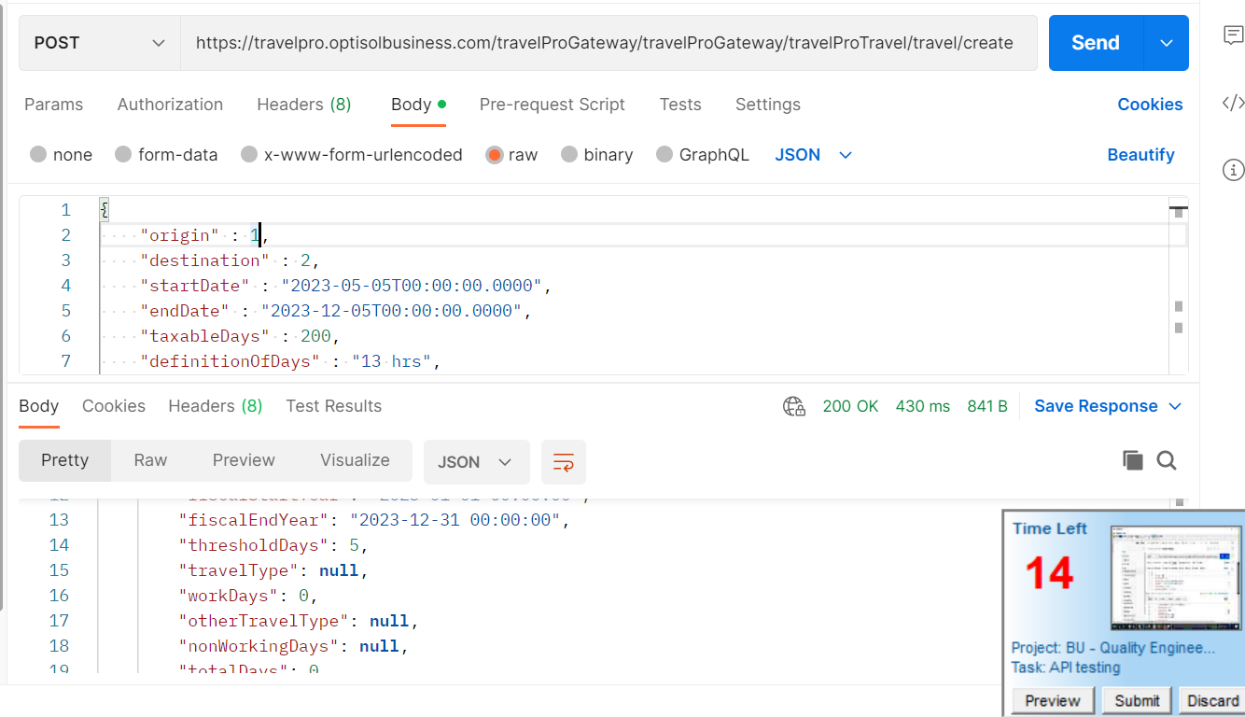 | #185070020
2 | create travel record(https://travelpro.optisolbusiness.com/travelProGateway/travelProGateway/travelProTravel/travel/create) | While end date is less than start date API must fail | 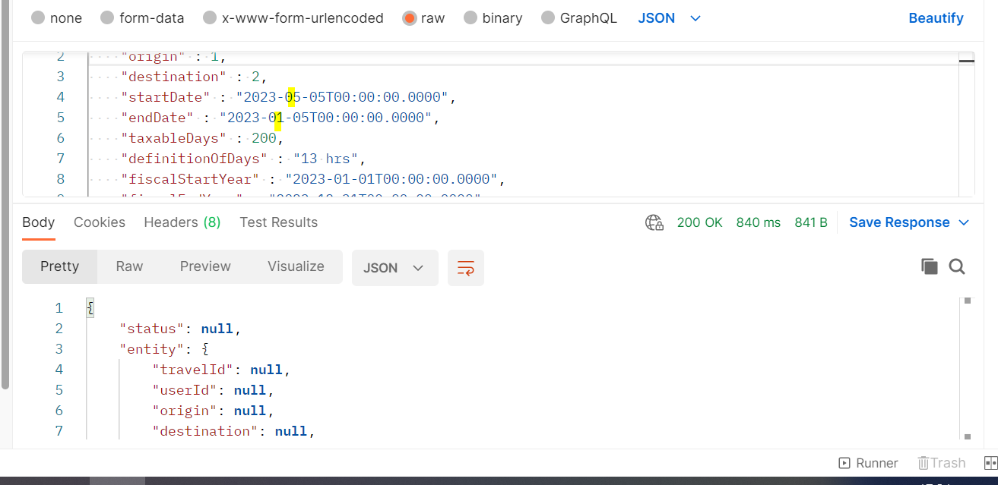
3 | create travel record(https://travelpro.optisolbusiness.com/travelProGateway/travelProGateway/travelProTravel/travel/create) | Definition of Day mandatory field without entering it we should not get a postive response | 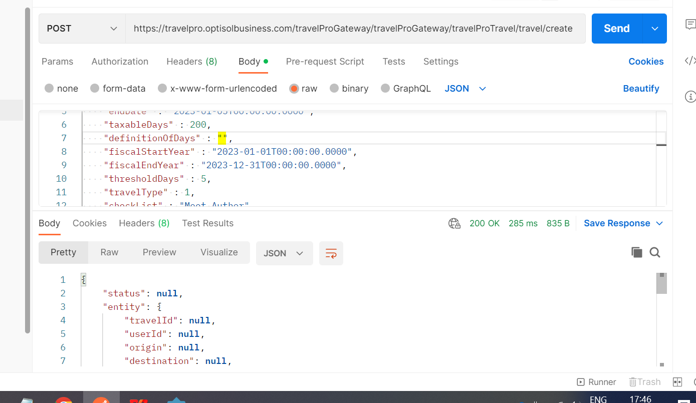
4 | create travel record(https://travelpro.optisolbusiness.com/travelProGateway/travelProGateway/travelProTravel/travel/create) | input for Fiscal Year Start and End Dates, and it should not exceed 12 months. | 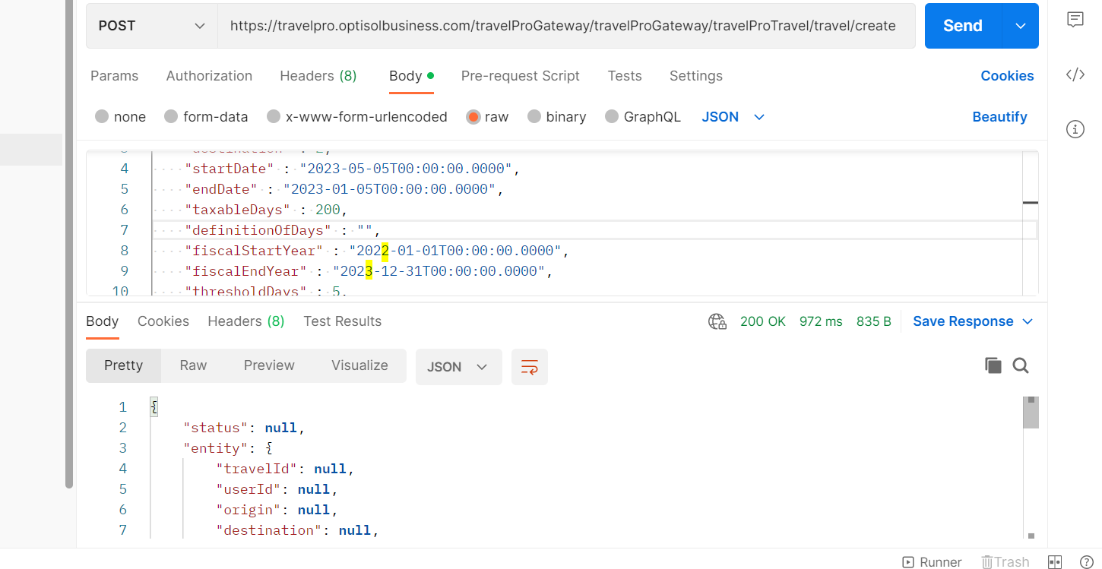
5 | non-working days(https://travelpro.optisolbusiness.com/travelProGateway/travelProGateway/travelProTravel/travel/nonworkday) | Without userId non working days API getting postive response | 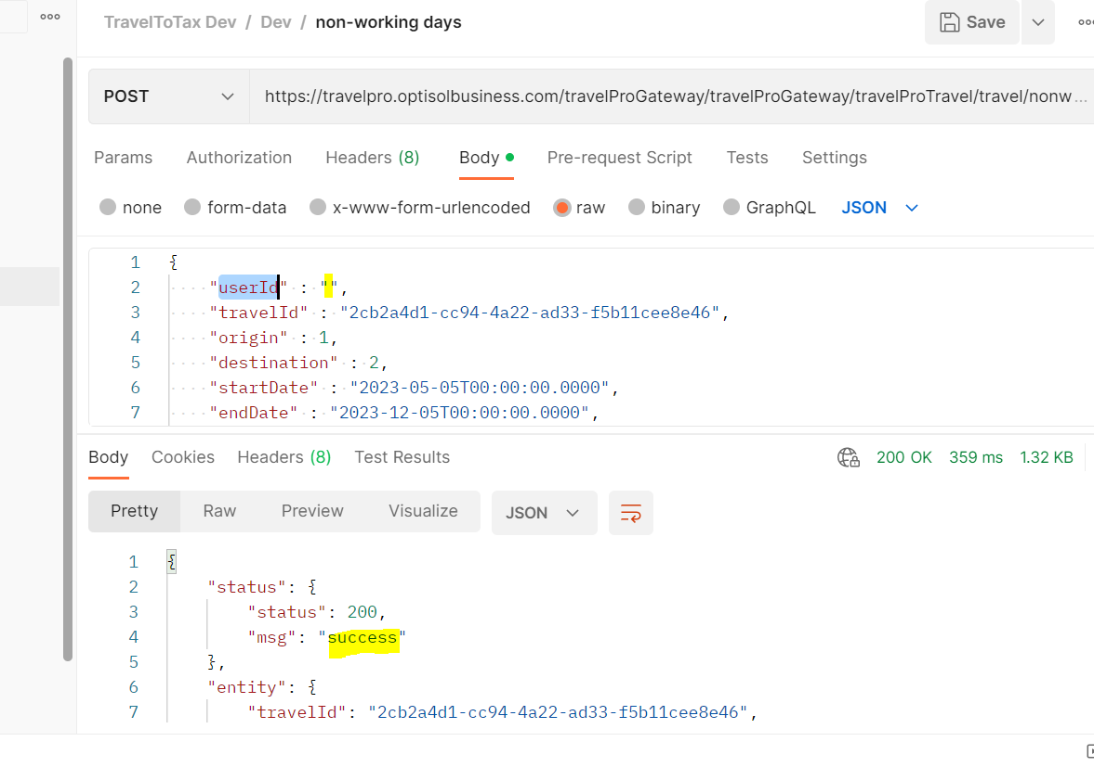

Sheet1
Screen | Issue Description | Screen shot
Signup confirm page | Remove the text "Phone no" | 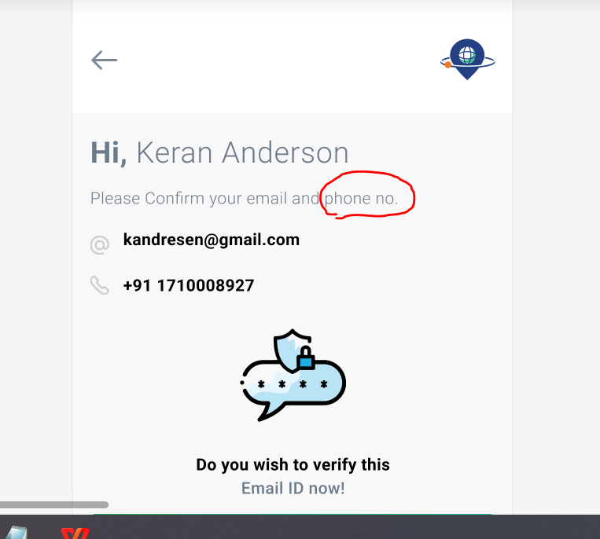
Signup confirm page | Remove the phone number verification as per client request

