7 Leaders
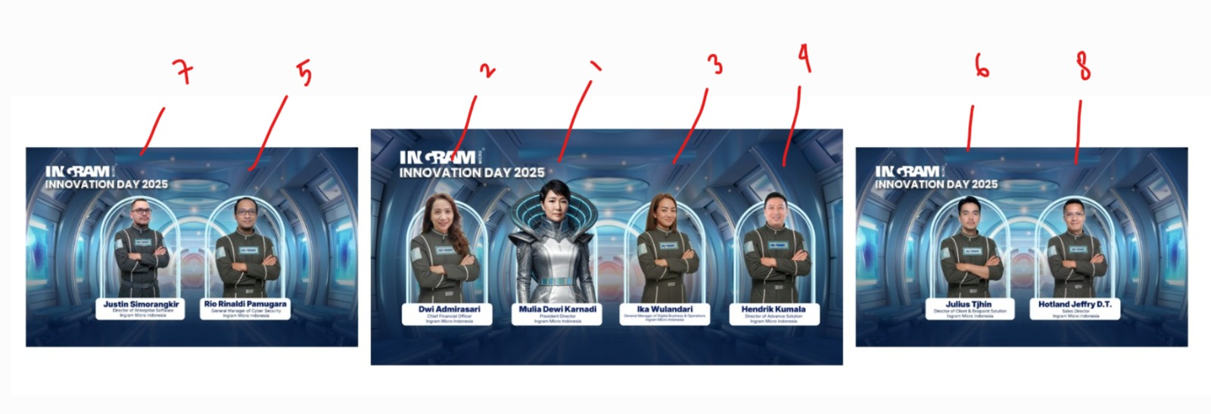
1 | Dwi Admirasari | Chief Financial Officer, Ingram Micro Indonesia | Wing
2 | Rio Rinaldi Pamugara | General Manager of Cyber Security, Ingram Micro Indonesia | Wing
3 | Hotland Jeffry D.T. | Sales Director, Ingram Micro Indonesia | Wing
4 | Justin Simorangkir | Director of Enterprise Software, Ingram Micro Indonesia | Wing
5 | Julius Tjhin | Director of Client & Endpoint Solution, Ingram Micro Indonesia | Wing
6 | Hendrik Kumala | Director of Advance Solution, Ingram Micro Indonesia | Wing
7 | Ika Wulandari | General Manager of Digital Business & Operations, Ingram Micro Indonesia | Wing
8 | Mulia Dewi Karnadi​ | President Director, Ingram Micro Indonesia | Center & Wing

