trajectory
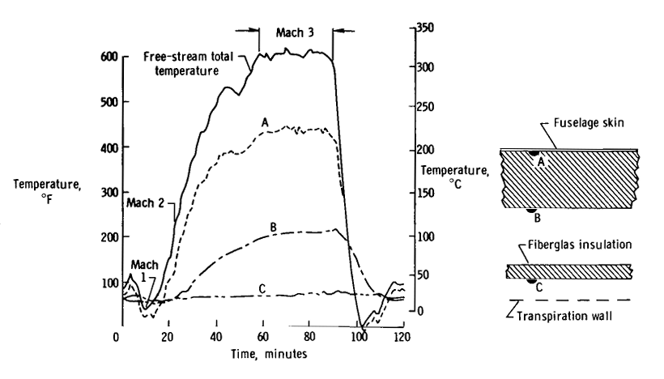
Velocity[m/s] | Time[s] | AOA[deg] | Altitude[m] | Mach | a | time min | T_inf[K] | T_infCorr[K] | T_0inf[k] | T_0inf[C]
464.55 | 0 | 4 | 7620 | 1.5 | 309.7 | 18 | 238.7 | 228.7 | 331.615 | 58.465 | start time | 18 | min
546.84 | 180 | 4 | 9000 | 1.8 | 303.8 | 21 | 229.7 | 219.7 | 362.0656 | 88.9156 | T_inf_corr | -10 | K
619.92 | 300 | 4 | 11000 | 2.1 | 295.2 | 23 | 216.8 | 206.8 | 389.1976 | 116.0476 | gamma | 1.4
708.24 | 600 | 4 | 13000 | 2.4 | 295.1 | 28 | 216.7 | 206.7 | 444.8184 | 171.6684
796.77 | 1020 | 4 | 15000 | 2.7 | 295.1 | 35 | 216.7 | 206.7 | 508.0686 | 234.9186
885.3 | 2520 | 4 | 19812 | 3 | 295.1 | 60 | 216.7 | 206.7 | 578.76 | 305.61
888.9 | 4140 | 4 | 21869 | 3 | 296.3 | 87 | 218.4 | 208.4 | 583.52 | 310.37

